SKILLS
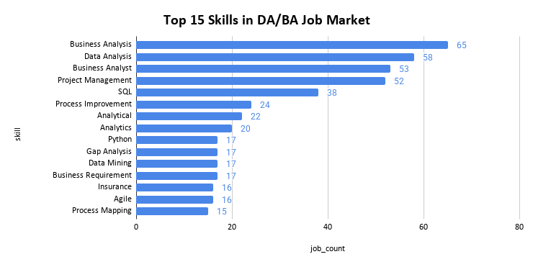
rank | skill | job_count | pct (%)
1 | Business Analysis | 65 | 32.5
2 | Data Analysis | 58 | 29
3 | Business Analyst | 53 | 26.5
4 | Project Management | 52 | 26
5 | SQL | 38 | 19
6 | Process Improvement | 24 | 12
7 | Analytical | 22 | 11
8 | Analytics | 20 | 10
9 | Python | 17 | 8.5
10 | Gap Analysis | 17 | 8.5
11 | Data Mining | 17 | 8.5
12 | Business Requirement Analysis | 17 | 8.5
13 | Insurance | 16 | 8
14 | Agile | 16 | 8
15 | Process Mapping | 15 | 7.5

CITY
DA/BA Jobs by City — 200 Postings
rank | location | total_jobs
1 | Bangalore | 141
2 | Chennai | 43
3 | Hyderabad | 14
4 | Hybrid - Hyderabad | 1
5 | Coimbatore | 1

EXP_BAND
Experience Required — % Split
rank | exp_band | job_count
1 | Junior (0-1 yr) | 110
2 | Mid (1-3 yrs) | 40
3 | Fresher (0 yrs) | 30

COMPANY_TYPE
COMPANY TYPES
rank | company_type | openings | share_pct (%)
1 | MNC | 95 | 47.5
2 | Startup | 63 | 31.5
3 | Mid-Size Indian Company | 19 | 9.5
4 | Large Indian IT Firm | 10 | 5
5 | Masked / Undisclosed | 6 | 3
6 | NGO / Non-Profit | 4 | 2
7 | Unicorn | 3 | 1.5

TOP_COMPANIES
Top 10 Hiring Companies
hiring_rank | company_name | company_type | open_positions
1 | Accenture | MNC | 61
2 | Qube Cinema | Mid-Size Indian Company | 14
3 | Leading Client | Masked / Undisclosed | 5
3 | Diverse Lynx | Startup | 5
5 | Vmock | Startup | 4
5 | Sambhav Foundation | NGO / Non-Profit | 4
5 | Nucleusteq Consulting | Startup | 4
5 | Naghavi Fintech | Startup | 4
5 | Convergepoint | Startup | 4
5 | Clifyx Technology | Startup | 4

DASHBOARD
India DA/BA Job Market Intelligence | 200 Postings | Bangalore & Chennai | April 2026

TOTAL JOBS
200
FRESHER FRIENDLY
0-1 YEAR : 55%
TOP HIRING CITY
BANGALORE
Naukri Salary Gap SALARY HIDDEN : 98.5%

DA/BA Jobs by City — 200 Postings


Top 10 Hiring Companies
Experience Required — % Split
COMPANY TYPES

