Sheet1
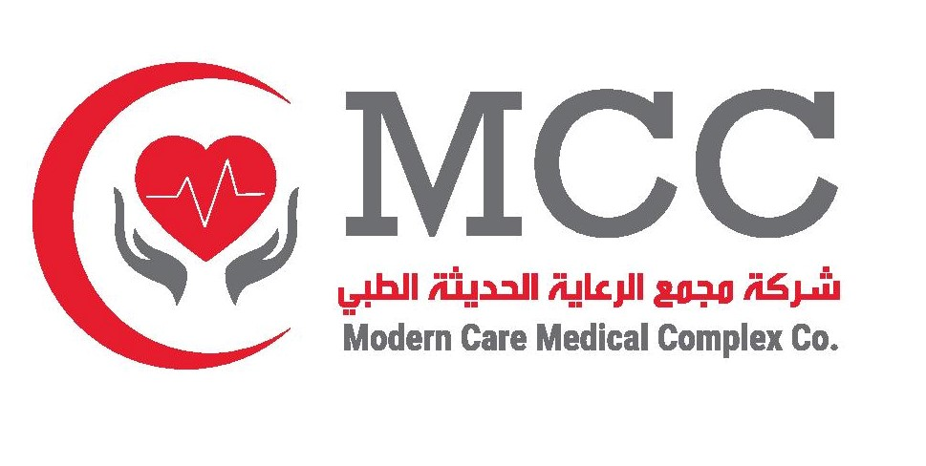 |  |  | Modern Care Medical Complex Azizia, 16 B St, Al Jisr, Al Khobar 34714, Kingdom of Saudi Arabia Tel: 929927221 VAT: 310497403200003
NAME OF COMPANY:- |  |  |  |  |  |  |  |  |  | STATEMENT NO.:- |  | MEDICAL CLAIMS STATEMENT FOR THE MONTH OF :-
#COMPANYNAME - #INSADDRESS |  |  |  |  |  |  |  |  |  | #STATEMENTNO |  | #FDATE - #TDATE
 |  |  |  |  |  |  |  | SAR #gross_amount | SAR #patient_payable | SAR #company_resp |  | SAR #company_tax_amount | SAR #company_payable
SL No. | Policy No. | Company Name | Patient Code | Patient Name | Invoice No. | Invoice Date. | Details Of Service | Gross Total | Patient Payable | Total Amt | VAT Rate | VAT Amount | Net Amt

