Video MOS
Video MOS Analysis |  |  | Video MOS Guide
 |  |  | MOS | Description | Sample Image
 |  |  | 5 | Excellent | 

 | Channel A | Channel B
Video MOS - HD Small Screen v1.3 Scoring Model
Average MOS | 4.43 | 4.40
Max MOS | 4.81 | 4.78
Min MOS | 3.63 | 3.78
MOS Standard Deviation | 0.19 | 0.21
Average Video MOS

 |  |  | 4 | Good | 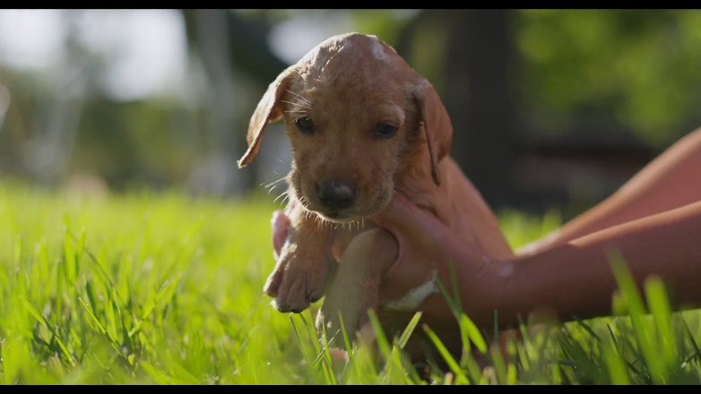

Video MOS Distribution

 |  |  | 3 | Fair | 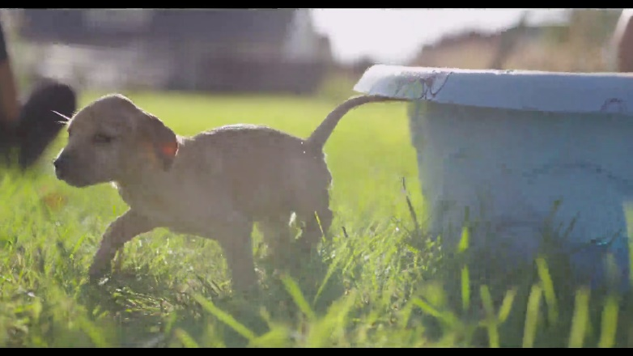

 |  |  | 2 | Poor | 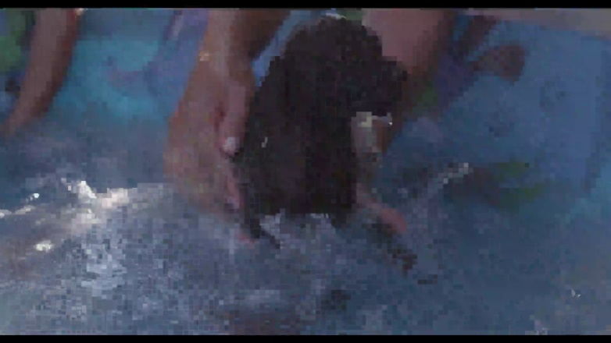

 |  |  | 1 | Bad | 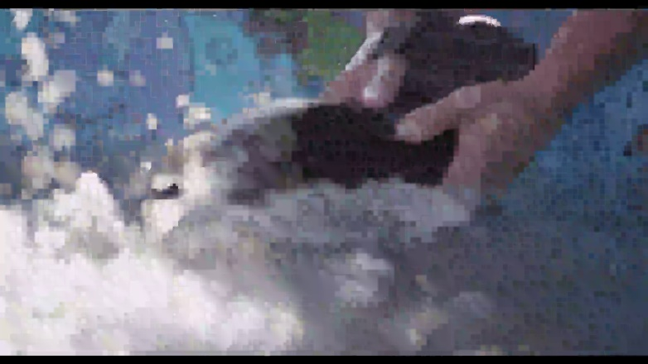

Video Complexity
Video Complexity Analysis |  |  | Image Complexity (SI) Guide |  |  |  | Motion Complexity (TI) Guide
 |  |  | SI Range | Description | Sample Image SI | Sample Image | TI Range | Description | Sample Image Average TI | Sample Image (Internet Connection Required)
 |  |  | <15 | Not Complex | 8.46 |  | <15 | Not Complex | 4.87 | Click for sample

 | Channel A | Channel B
Video Complexity
Average Image Complexity (SI) | 86.00 | 82.05
Average Motion Complexity (TI) | 28.02 | 25.57
Average Image Complexity (SI)
 |  |  | 15-30 | Below Average Complexity | 19.41 |  | 15-30 | Below Average Complexity | 20.58 | Click for sample
Average Motion Complexity (TI)

 |  |  | 30-45 | Average Complexity | 35.04 |  | 30-45 | Average Complexity | 31.56 | Click for sample

 |  |  | 45-60 | Above Average Complexity | 50.10 |  | 45-60 | Above Average Complexity | 47.21 | Click for sample

Image Complexity (SI) Distribution

 |  |  | >=60 | Exremely Complex | 69.69 |  | >=60 | Exremely Complex | 68.01 | Click for sample

Motion Complexity (TI) Distribution

Average Video MOS vs. Image Complexity (SI)

Average Video MOS vs. Motion Complexity (TI)

Detail Charts
Detailed Time Series Analysis

MOS and Video Freezing / Buffering Channel 1
 | MOS | Buffering | Freezing
MOS and Video Freezing / Buffering Channel 2
 | MOS | Buffering | Freezing
MOS and Video Freezing / Buffering Channel 3
 | MOS | Buffering | Freezing
MOS and Video Freezing / Buffering Channel 4
 | MOS | Buffering | Freezing

MOS and Image Complexity (SI) Channel 1
 | MOS | Image Complexity (SI)
MOS and Image Complexity (SI) Channel 2
 | MOS | Image Complexity (SI)
MOS and Image Complexity (SI) Channel 3
 | MOS | Image Complexity (SI)
MOS and Image Complexity (SI) Channel 4
 | MOS | Image Complexity (SI)

MOS and Motion Complexity (TI) Channel 1
 | MOS | Motion Complexity (TI)
MOS and Motion Complexity (TI) Channel 2
 | MOS | Motion Complexity (TI)
MOS and Motion Complexity (TI) Channel 3
 | MOS | Motion Complexity (TI)
MOS and Motion Complexity (TI) Channel 4
 | MOS | Motion Complexity (TI)

Video Freeze and Buffering
Video Freeze and Buffering Analysis

 | Channel A | Channel B
Video Buffering
Number of Buffering Periods | 0 | 0
% of Time Buffering | 0% | 0%
Total Buffering Duration (sec) | 0.00 | 0.00
Video Freezing
Number of Freeze Periods | 1 | 0
% of Time Frozen | 8% | 0%
Total Freeze Duration (sec) | 5.01 | 0.00
Video Freeze and Buffering Frequency

