Nakshatra
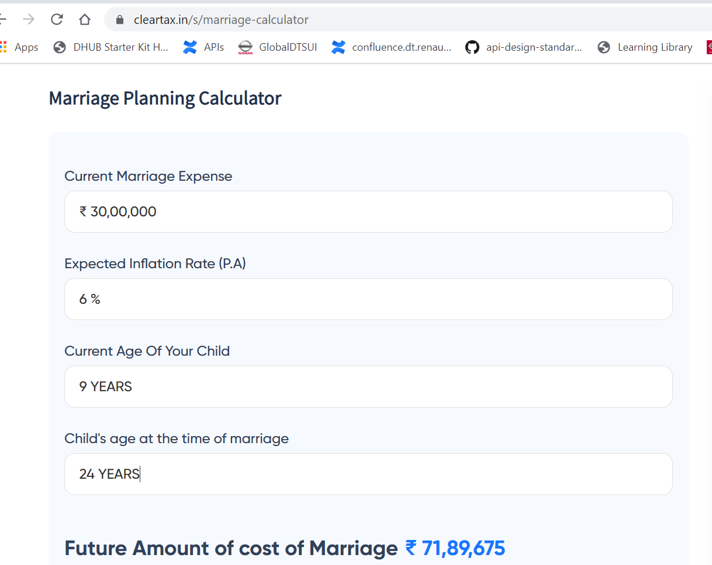
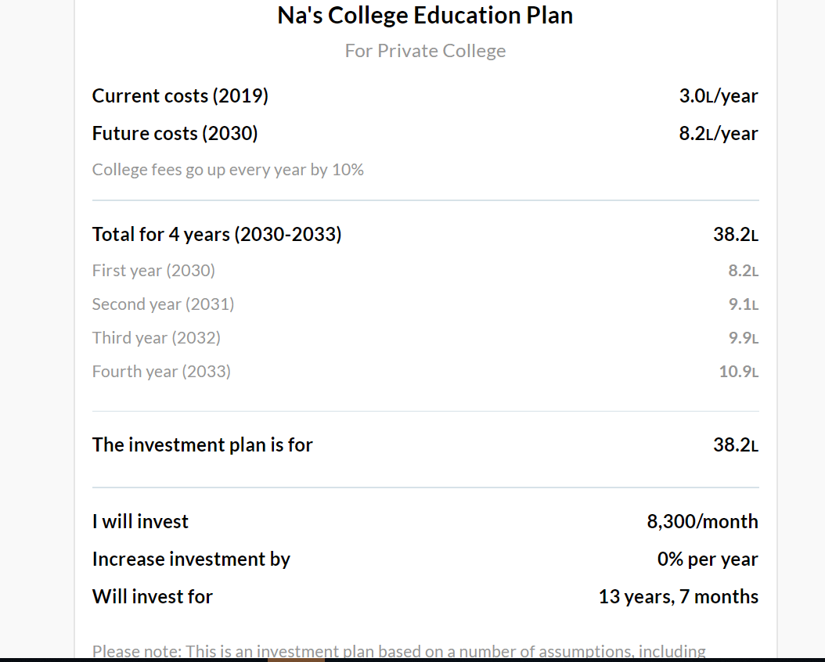
SI No | Goal | Amount | Tentative year | Monthly
1 | Education | 3820000 | 2030 | 8300 | 15000
2 | Marriage | 4188400 | 2035 | 7300 | 17000

Monthly

Navaneeth
SI No | Goal | Lumpsum Amount(Inflation Adjusted) | Tentative year | Monthly
1 | Education | 4620000 | 2032 | 7400 | 9000

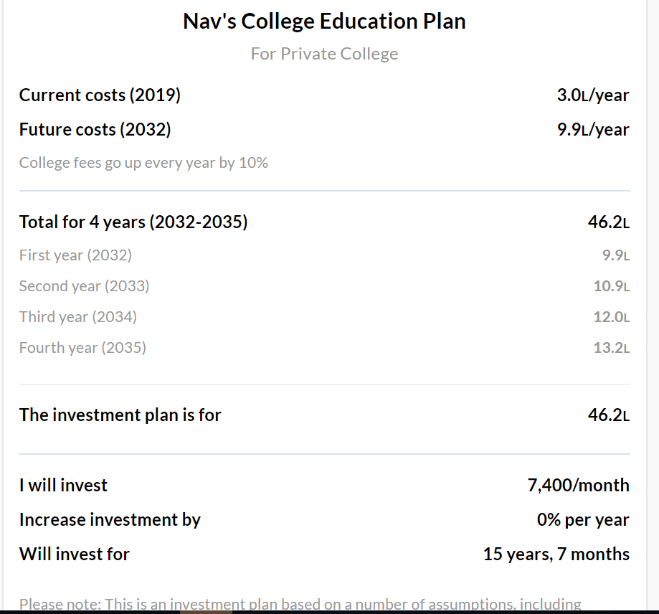

Monthly Investment

