Change_Log
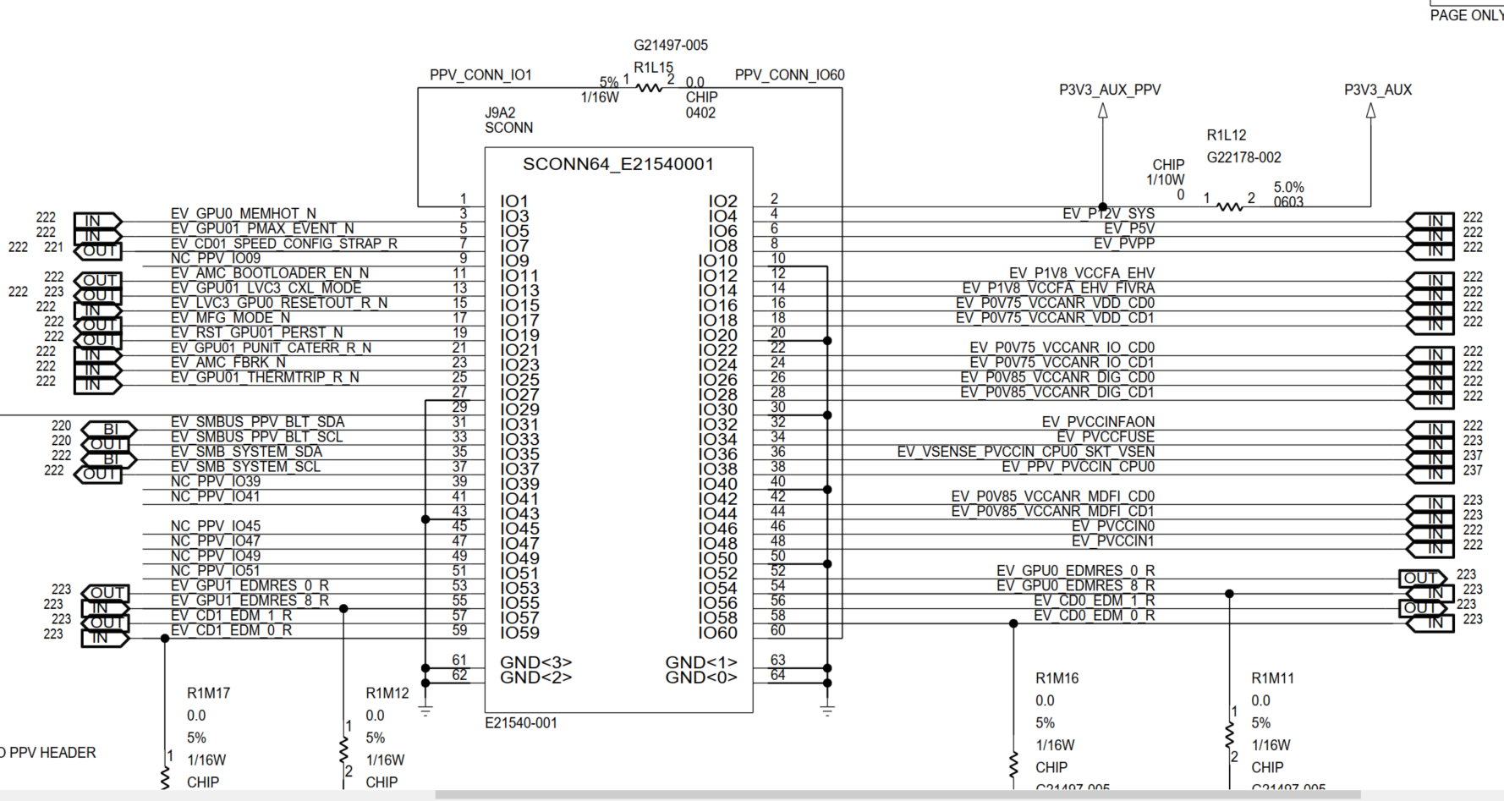
 | Project Name | PVC_2T-WC
 | DIO DVM Map Rev | 0.952
 | Last Update Date | 2020-11-18
 | Motherboard Version | PVC_2T
 | Control System | FAST

Revision | Date | Changed By | Description of Change
0.100 | 2019-09-20 | Milo | First draft DIO/DVM map for PVC-2T | STDIO SQIB to WC MB Connection:
0.200 | 2020-03-03 | Milo | DIO assignment updates for DR0.3
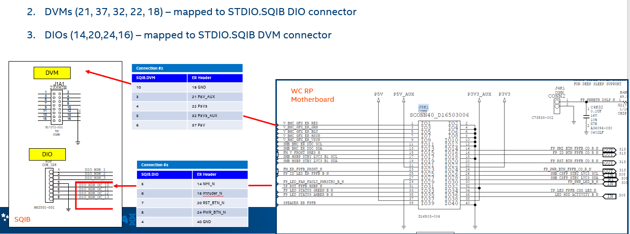
0.300 | 2020-06-02 | Milo | Updates as of DR0.6
0.900 | 2020-06-23 | Milo | PPV header re-map to accmodate SPEED_CONFIG, other fixes, ready for DR0.9
0.910 | 2020-10-28 | Rudy | Check connection with schematic PVC2T_RVP_PPO_FAB1_SCH_REV0p92_WW31p4.pdf. Change DIO41, DIO42 to Input from output. Set DIO39 to output.
0.920 | 2020-11-05 | Rudy | Fixing limit on DVM channel 2 and 3 to 5.5V and 3.0V
0.950 | 2020-11-12 | Rudy | Copy to new DIO/DVM template from PVC DIO/DVM map ver 0.92
0.951 | 2020-11-18 | Rudy | Change DIO40 from output to input
0.952 | 2020-11-18 | Rudy | Change DIO34 and DIO37 Initial State from Hi-Z to Low (coping error from ver 0.92)

 |  |  |  | STDIO SQIB to PVC-2T Connection (10/26/20):

MB_QSH
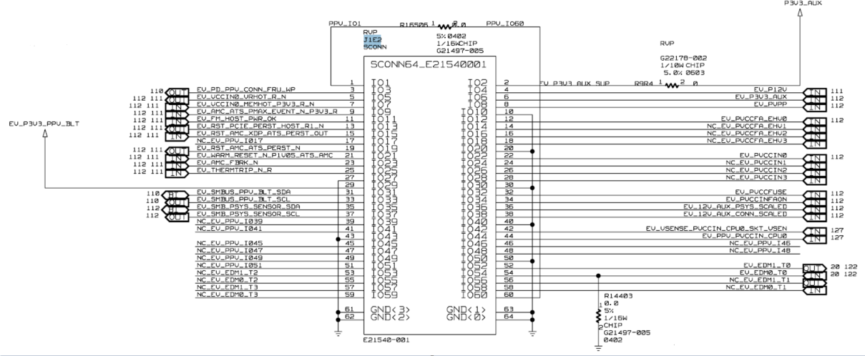
1 | PPV_CONN_IO1 | 1
2 | P3V3_AUX_PPV | 2 | P3V3_AUX | 3.3V
3 | EV_GPU0_MEMHOT_N | 3
4 | EV_P12V_SYS | 4 | P12V_SYS | 12V
5 | EV_GPU01_PMAX_EVENT_N | 5
6 | EV_P5V | 6 | P5V | 3.3V
7 | EV_CD01_SPEED_CONFIG_STRAP_R | 7
8 | EV_PVPP | 8 | VPP | 2.5V
9 | NC_PPV_IO09 | 9
10 | GND | 10 | GND | 0
11 | EV_AMC_BOOTLOADER_EN_N | 11
12 | EV_P1V8_VCCFA_EHV | 12 | VCCFA_EHV | 1.8V
13 | EV_GPU01_LVC3_CXL_MODE | 13
14 | EV_P1V8_VCCFA_EHV_FIVRA | 14 | VCCFA_EHV_FIVRA | 1.8V
15 | EV_LVC3_GPU0_RESETOUT_R_N | 15
16 | EV_P0V75_VCCANR_VDD_CD0 | 16 | VCCANR_VDD0 | 0.75V
17 | EV_MFG_MODE_N | 17
18 | EV_P0V75_VCCANR_VDD_CD1 | 18 | VCCANR_VDD1 | 0.75V
19 | EV_RST_GPU01_PERST_N | 19
20 | GND | 20 | GND | 0
21 | EV_GPU01_PUNIT_CATERR_R_N | 21
22 | EV_P0V75_VCCANR_IO_CD0 | 22 | VCCANR_IO0 | 0.75V
23 | EV_AMC_FBRK_N | 23
24 | EV_P0V75_VCCANR_IO_CD1 | 24 | VCCANR_IO1 | 0.75V
25 | EV_GPU01_THERMTRIP_R_N | 25
26 | EV_P0V85_VCCANR_DIG_CD0 | 26 | VCCANR_DIG_CD0 | 0.85V
27 | GND | 27 |  | 0
28 | EV_P0V85_VCCANR_DIG_CD1 | 28 | VCCANR_DIG_CD1 | 0.85V
29 | P3V3_EV_PPV_BLT | 29 |  |  |  | SOC Power rail | Voltage level
30 | GND | 30 | GND | 0 |  | VPP | 2.5V
31 | EV_SMBUS_PPV_BLT_SDA | 31 |  |  |  | VCCFA_EHV | 1.8V
32 | EV_PVCCINFAON | 32 | VCCFA_1V5 | 1.0V |  | VCCFA_EHV_FIVRA | 1.8V
33 | EV_SMBUS_PPV_BLT_SCL | 33 |  |  |  | VCCANR_VDD [0:1] | 0.75V
34 | EV_PVCCFUSE | 34 | VCCINFAON | 1.0V |  | VCCANR_IO [0:1] | 0.75V
35 | EV_SMB_SYSTEM_SDA | 35 |  |  |  | VCCANR_DIG_CD0 [0:1] | 0.85V
36 | EV_VSENSE_PVCCIN_CPU0_SKT_VSEN | 36 | P12V_AUX_CONN | ? |  | VCCFA_EHV | 1.5V
37 | EV_SMB_SYSTEM_SCL | 37 |  |  |  | VCCINFAON | 1.0V
38 | EV_PPV_PVCCIN_CPU0 | 38 | VCCFUSE | 0V |  | VCCANR_MDFI [0:1] | 0.85V
39 | NC_PPV_IO39 | 39 |  |  |  | VCCFUSE | 1.4V
40 | GND | 40 | GND | 0 |  | VCCFUSEHV | 2.8V
41 | NC_PPV_IO41 | 41 |  |  |  | VCCIN [0:1] | 1.8V
42 | EV_P0V85_VCCANR_MDFI_CD0 | 42 | VCCANR_MDFI0 | 0.85V | Differential | Other voltage rail | Voltage level
43 | GND | 43 |  | 0 |  | P5V | 5V
44 | EV_P0V85_VCCANR_MDFI_CD1 | 44 | VCCANR_MDFI1 | 0.85V |  | P3V3_AUX | 3.3V
45 | NC_PPV_IO45 | 45 |  |  |  | P12V_SYS | 12V
46 | EV_PVCCIN0 | 46 | VCCIN0 | 1.8V |  | P12V_AUX_CONN | 12V
47 | NC_PPV_IO47 | 47
48 | EV_PVCCIN1 | 48 | VCCIN1 | 1.8V
49 | NC_PPV_IO49 | 49
50 | GND | 50 | GND | 0
51 | NC_PPV_IO51
52 | EV_GPU0_EDMRES_0_R |  |  | 0
53 | EV_GPU1_EDMRES_0_R
54 | EV_GPU0_EDMRES_8_R |  |  | 0
55 | EV_GPU1_EDMRES_8_R
56 | EV_CD0_EDM_1_R |  |  | 0
57 | EV_CD1_EDM_1_R
58 | EV_CD0_EDM_0_R |  |  | 0
59 | EV_CD1_EDM_0_R
60 | PPV_CONN_IO60
 | GND
 | GND
 | GND
 | GND

