LInear Regression Example
Hours Studied Residual Plot
SUMMARY OUTPUT

Regression Statistics
Multiple R | 0.96203053082
R Square | 93%
Adjusted R Square | 0.90067032297
Standard Error | 2.3309511649
Observations | 5

ANOVA
 | df | SS | MS | F | Significance F
Regression | 1 | 202.5 | 202.5 | 37.26993865 | 0.0088307296499
Residual | 3 | 16.3 | 5.4333333333
Total | 4 | 218.8

 | Coefficients | Standard Error | t Stat | P-value | Lower 95% | Upper 95% | Lower 95.0% | Upper 95.0%
Intercept | 65.7 | 2.4447222064 | 26.874219012 | 0.0001130583468 | 57.919802847 | 73.480197153 | 57.919802847 | 73.480197153
Hours Studied | 4.5 | 0.73711147958 | 6.1049110272 | 0.0088307296499 | 2.1541822952 | 6.8458177048 | 2.1541822952 | 6.8458177048

RESIDUAL OUTPUT

Observation | Predicted Actual Exam Score | Residuals | Standard Residuals
1 | 70.2 | -2.2 | -1.0898302902
2 | 74.7 | 2.3 | 1.1393680306
3 | 79.2 | 1.8 | 0.89167932831
4 | 83.7 | -1.7 | -0.84214158785
5 | 88.2 | -0.2 | -0.099075480924

Sheet1
 | SIMPLE LINEAR REGRESSION MODEL

 | To explain SSE, SSR and SST
 | X | Y | Output of LR Model |  |  | SSE |  |  | SSR |  | SST
 | Hours Studied | Actual Exam Score | Predicted Exam Score | Mean of X | Mean of Y | Error / Residue | Squared Error/Residues | Y mean | Predicted - Y Mean | (Predicted - Y Mean)^2 | Actual - Y Mean | (Actual - Y Mean)^2
 | 1 | 68 | 70.2 | 3 | 79.2 | 2.2 | 4.84 | 79.2 | -9 | 81 | -11.2 | 125.44
 | 2 | 77 | 74.7 | 3 | 79.2 | -2.3 | 5.29 | 79.2 | -4.5 | 20.25 | -2.2 | 4.84
 | 3 | 81 | 79.2 | 3 | 79.2 | -1.8 | 3.24 | 79.2 | 0 | 0 | 1.8 | 3.24
 | 4 | 82 | 83.7 | 3 | 79.2 | 1.7 | 2.89 | 79.2 | 4.5 | 20.25 | 2.8 | 7.84
 | 5 | 88 | 88.2 | 3 | 79.2 | 0.2 | 0.04 | 79.2 | 9 | 81 | 8.8 | 77.44
Mean of X and Y | 3 | 79.2 |  | 3 | 79.2 | SSE | 16.3 |  | SSR | 202.5 | SST | 218.8

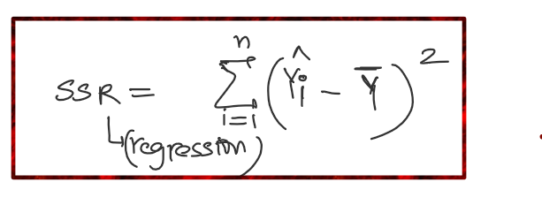
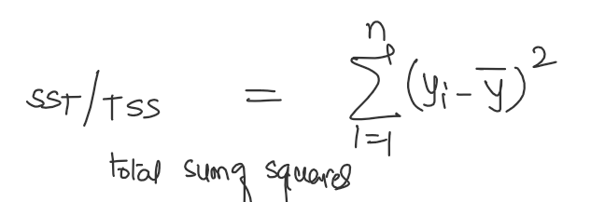

 | SSE | 16.3
 | SSR | 202.5 |  |  |  |  |  | R^2 = | SSR/SST (Accuracy) | 93%

 |  |  |  |  |  |  |  |  | Error % | 7%

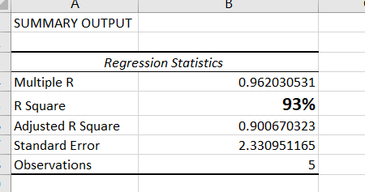
 | Coefficients
Intercept | 65.7 | c
Hours Studied | 4.5 | m

 | Y | 79.2

Hours Studied Line Fit Plot
 | Actual Exam Score |  | Predicted Actual Exam Score |  | Mean Value
1 | 68 | 1 | 70.2 | 3 | 79.2
2 | 77 | 2 | 74.7 | 3 | 79.2
3 | 81 | 3 | 79.2 | 3 | 79.2
4 | 82 | 4 | 83.7 | 3 | 79.2
5 | 88 | 5 | 88.2 | 3 | 79.2
 |  |  |  | 3 | 79.2

