Sheet1
 |  | Four features
 |  | X1 | X2 | X3 | X4
 |  | 1.0 | 2.0 | 3.0 | 4.0
 |  | 5.0 | 5.0 | 6.0 | 7.0
 |  | 1.0 | 4.0 | 2.0 | 3.0 |  | N(0,1): Standard normal distribution
 |  | 5.0 | 3.0 | 2.0 | 1.0
 |  | 8.0 | 1.0 | 2.0 | 2.0
 | Mean | 4.0 | 3.0 | 3.0 | 3.4
 | Std. Deviation | 3.0 | 1.6 | 1.7 | 2.3

 | STEP #1 | After standardization
 |  | X1 | X2 | X3 | X4
 |  | -1.00 | -0.63 | 0.00 | 0.26
 |  | 0.33 | 1.26 | 1.73 | 1.56
 |  | -1.00 | 0.63 | -0.58 | -0.17
 |  | 0.33 | 0.00 | -0.58 | -1.04
 |  | 1.33 | -1.26 | -0.58 | -0.61
 | VAR(Xi's) | 1.0 | 1.0 | 1.0 | 1.0

 | STEP #2 | Calculate the covariance matrix for the standardized dataset

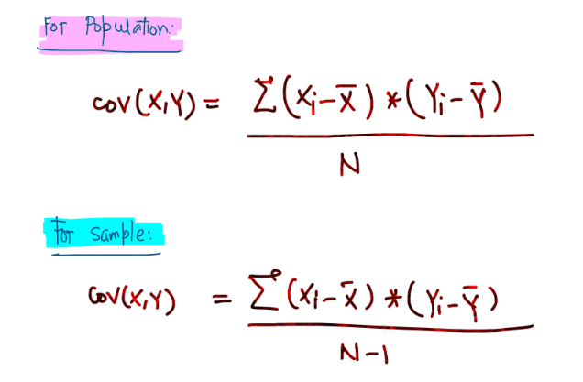

 | Combinations | X1 | X2 | X3 | X4
 | X1 | VAR(X1) | COV(X1,X2) | COV(X1,X3) | COV(X1,X4)
 | X2 | COV(X2,X1) | VAR(X2) | COV(X2,X3) | COV(X2,X4)
 | X3 | COV(X3,X1) | COV(X3,X2) | VAR(X3) | COV(X3,X4)
 | X4 | COV(X4,X1) | COV(X4,X2) | COV(X4,X3) | VAR(X4)

 | Combinations | X1 | X2 | X3 | X4
 | X1 | 1.00 | -0.25 | 0.03 | -0.14
 | X2 | -0.25 | 1.00 | 0.51 | 0.49 |  | Symmetric Matrix | if transpose of matrix A gives back matrix A
 | X3 | 0.03 | 0.51 | 1.00 | 0.75
 | X4 | -0.14 | 0.49 | 0.75 | 1.00
 |  |  |  |  |  |  |  |  | aij = aji

 | STEP #3 | Calculate Eigen Values for the Covariance Matrix |  |  |  |  | 9.55

 | lambda-1 | 2.2 |  | array([[ 0.1628367 , -0.91896301, -0.30773826, 0.18517119],
 | lambda-2 | 1.04 |  | [-0.52336907, 0.20537788, -0.81829922, 0.11954555],
 | lambda-3 | 0.52 |  | [-0.5870126 , -0.31347731, 0.19136482, -0.72147605],
 | lambda-4 | 0.22 |  | [-0.59580637, -0.1227147 , 0.44616484, 0.65642426]])

 | STEP #3/4 | Sort the Eigen Values (from high to low)
 | Since it’s already sorted, we will pick the highest one
 | lambda-1 | 2.2 | eigen vector - e1 | 0.16 | -0.92 | -0.31 | 0.19
 | lambda-2 | 1.04 | eigen vector - e2 | -0.52 | 0.21 | -0.82 | 0.12

 | CO-VARIANCE MATRIX

 |  | X1 | X2 | X3 | X4
 | X1 | 1.00 | -0.25 | 0.03 | -0.14
 | X2 | -0.25 | 1.00 | 0.51 | 0.49
 | X3 | 0.03 | 0.51 | 1.00 | 0.75
 | X4 | -0.14 | 0.49 | 0.75 | 1.00

 | Eigen Vectors for the Co-variance Matrix

 | array([[ 0.1628367 , -0.91896301, -0.30773826, 0.18517119], |  |  |  | Eigen Vector - PC1
 | [-0.52336907, 0.20537788, -0.81829922, 0.11954555], |  |  |  | Eigen Vector - PC2
 | [-0.5870126 , -0.31347731, 0.19136482, -0.72147605],
 | [-0.59580637, -0.1227147 , 0.44616484, 0.65642426]])

 | Final Data Set = Standardized Dataset * Feature Vector

 | Standardized Dataset |  |  |  |  | Feature Vector (selected eigen vectors)
 | X1 | X2 | X3 | X4 |  | PC1 | PC2
 | -1.00 | -0.63 | 0.00 | 0.26 |  | 0.16 | -0.52
 | 0.33 | 1.26 | 1.73 | 1.56 |  | -0.92 | 0.20
 | -1.00 | 0.63 | -0.58 | -0.17 |  | -0.31 | -0.81
 | 0.33 | 0.00 | -0.58 | -1.04 |  | 0.19 | 0.11
 | 1.33 | -1.26 | -0.58 | -0.61

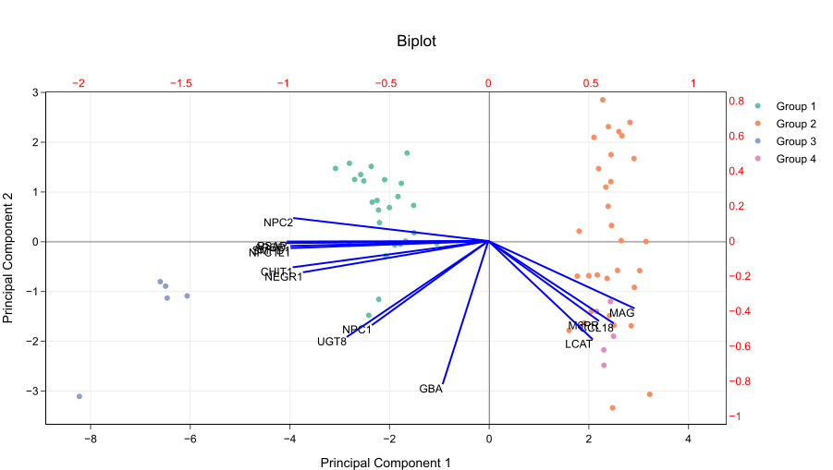

 | Features | PC1 | PC2 | PC3 | PC4
X1 | SepalLengthCm | 0.52 | 0.37 | -0.72 | -0.26
X2 | SepalWidthCm | -0.26 | 0.93 | 0.24 | 0.12
X3 | PetalLengthCm | 0.58 | 0.02 | 0.14 | 0.80
X4 | PetalWidthCm | 0.57 | 0.07 | 0.63 | -0.52

 | Features | PC1 | PC2 | PC3 | PC4
X1 | SepalLengthCm | 0.52 | 0.37 | 0.72 | 0.26
X2 | SepalWidthCm | 0.26 | 0.93 | 0.24 | 0.12
X3 | PetalLengthCm | 0.58 | 0.02 | 0.14 | 0.80
X4 | PetalWidthCm | 0.57 | 0.07 | 0.63 | 0.52

Contributio |  | 73% | 23%

