Coefficients
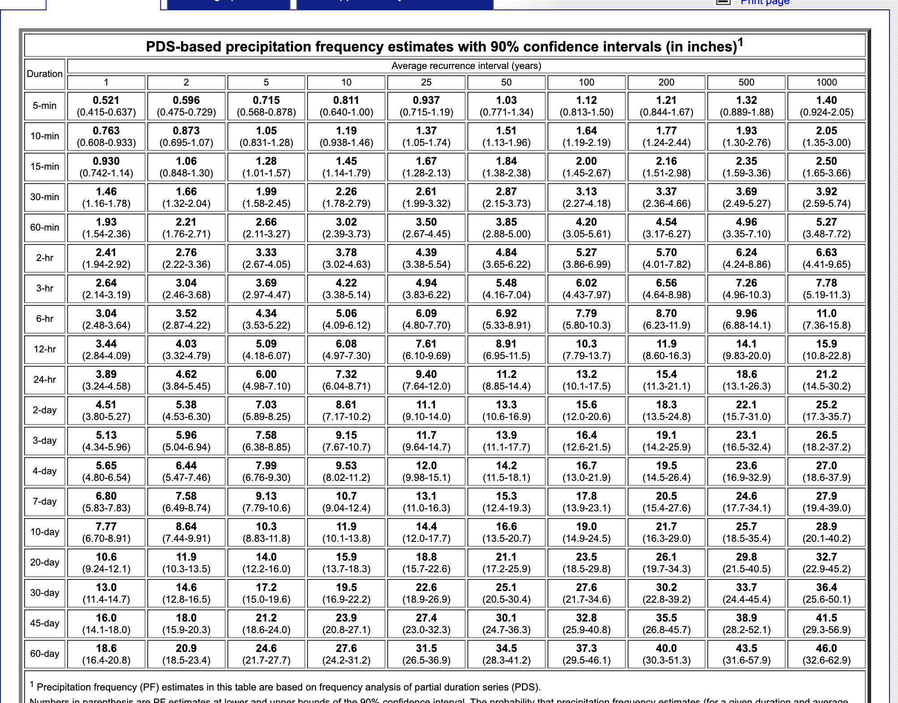
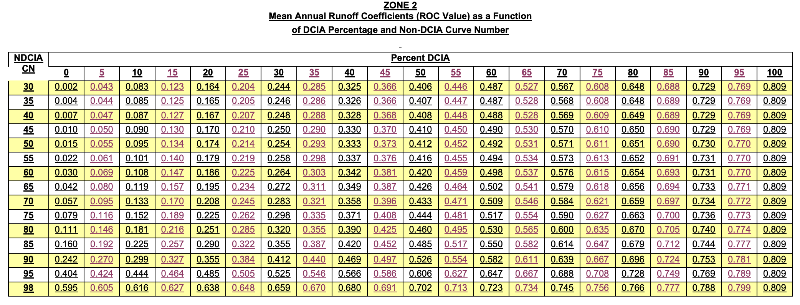
Land Use | Runoff Coefficient (ROC) | Percent DCIA (%) | Total N EMC (mg/L) | Total P EMC (mg/L) | Curve Number (CN)
Wetland | 0.111 | 0 | 1.5 | 0.1 | 78
Medium Density Residential (MDR) | 0.29 | 20 | 1.87 | 0.301 | 85
Scrub | 0.14 | 0 | 1.16 | 0.096 | 83
Citrus | 0.25 | 0 | 2.07 | 0.152 | 91
Pasture | 0.16 | 0 | 3.3 | 0.621 | 84
Wet Flatwoods | 0.11 | 0 | 1.18 | 0.015 | 78
Upland Flatwoods | 0.11 | 0 | 1 | 0.034 | 78
Low Density Residential (LDR) | 0.111 | 0 | 1.51 | 0.178 | 80
Dry Prairie | 0.16 | 0 | 1.95 | 0.107 | 84
Water | 0.809 | 100 | 0 | 0 | 100
Institutional | 0.299 | 10 | 1.51 | 0.178 | 90
High Density Residential (HDR) | 0.45 | 30 | 2.1 | 0.497 | 92
Open | 0.12 | 0 | 1.15 | 0.055 | 82
Commercial | 0.647 | 60 | 1.64 | 0.214 | 95
Xeric Hammock | 0.14 | 0 | 1.32 | 0.082 | 83
Wet Prairies | 0.095 | 0 | 0.78 | 0.009 | 78
Hydric Hammock | 0.095 | 0 | 1.07 | 0.026 | 78
Recreational 1 - Golf Courses | 0.111 | 0 | 1.87 | 0.301 | 80
Transportation | 0.5 | 30 | 1.37 | 0.167 | 93
Industrial | 0.4 | 10 | 1.19 | 0.213 | 93
Recreational 2 - Parks, etc. | 0.181 | 10 | 1.51 | 0.178 | 80
Agriculture | 0.25 | 0 | 2.61 | 0.485 | 91
Ruderal | 0.17 | 0 | 1.32 | 0.347 | 86
Mesic Flatwoods | 0.1 | 0 | 1 | 0.034 | 78
Mining | 0.4 | 0 | 1.18 | 0.15 | 94
Row Crops | 0.25 | 0 | 2.46 | 0.489 | 91
Upland Mixed Forest | 0.1 | 0 | 0.68 | 0.229 | 79 | https://www.hydrocad.net/pdf/TR-55%20Manual.pdf |  |  | NDCIA number

 |  |  |  |  |  | https://www.futurewater.eu/projects/hihydrosoil/ |  |  | Soli Class | All D, Average Condition

 |  |  |  |  |  | Rain | 24 hr 1 in 10 | 7.32 inches | 18.6cm

