Sheet1


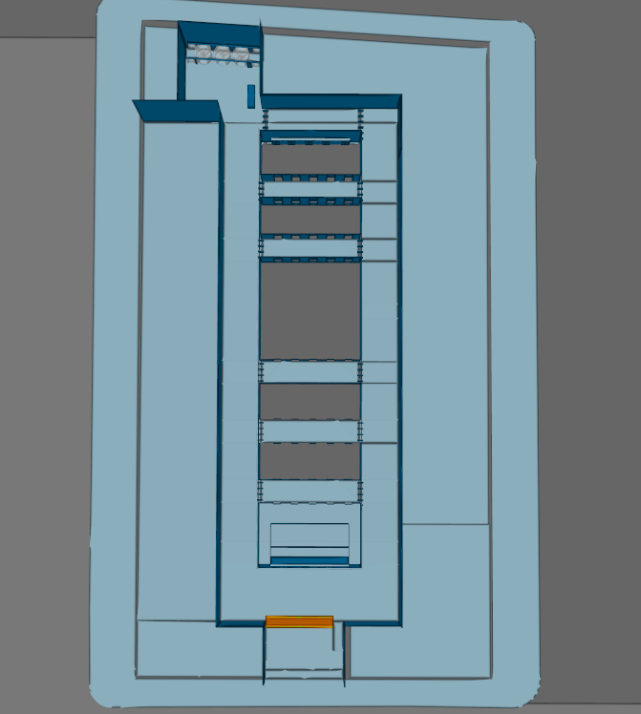
Date Observed | Date Logged with Developers | Issue | Desire | Screenshot
 |  | Gaps in floors creating disjointed surface. | Join or Unify tool that would unify two edges of a floor together so that they fit together perfectly and no gap can be seen

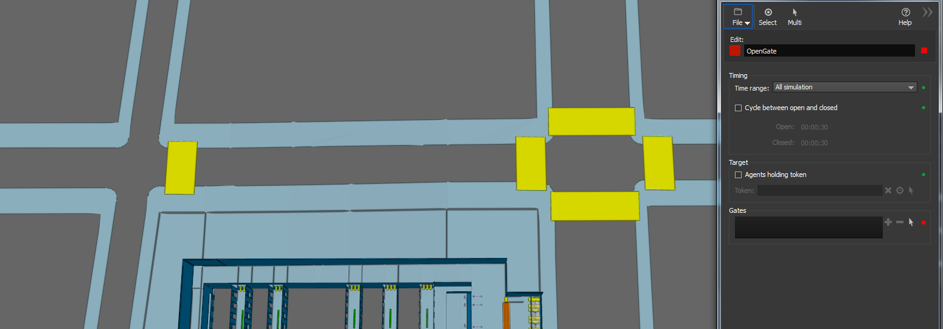
 |  | Modelling revolving doors | Curved links that take agents around middle part of revolving door. This would allow agents to flow two ways around each other on two different links. Possibley improving flow and more realistic modelling?
 |  | Properties box opening in middle of view screen | Properties box should open off-center to the view screen as usually wanting to add something from the model which is generally centered on the screen when looking at it. Opening to the side or opening in a spot that the last properties box opened would cut down the secondary movement to move the porpoerties box each time. If properties box opened in space where last properties box opens then users could work with two screens, one for modelling and one for properties box and attributes. Would make for more efficient workflow
 |  | Selection in model space not kept when opening new activity | When selecting objects in model space retaining this selection when opening activity would help speed up workflow as these objects are generally what the modeller wants to place within the activity. As is, we have to reselect these objects after opening an activity box

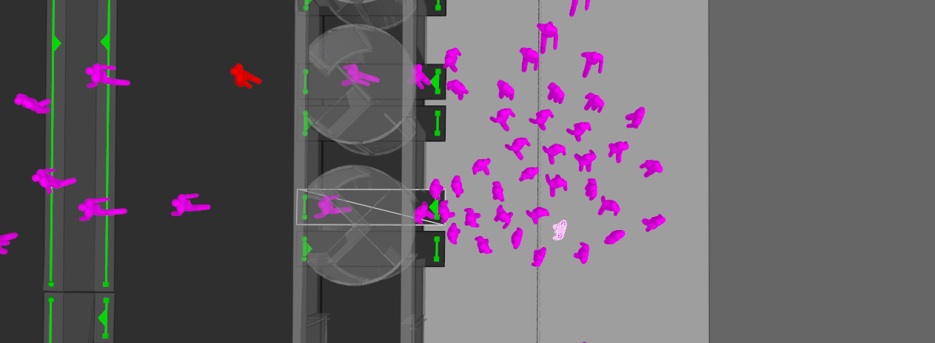
 |  | Modelling elevators | Do not allow agents to pass over a link until the floor in front of it has sufficient capacity Ie. Do not allow agents to enter a floor unless everyone has cleared, so there is only ever 50 people on one floor
 |  | Analysing how long agents are in a certain state for: Queuing, Waiting etc. is difficult to analyse | Particuarly being able to analyse how long an agent queues for whilst focusing on a certain target would be helpful

 |  | MassMotion doesnt model groups of people | similar journey setup as currently exists however group settings have a size attaached to them. Modelling them in a way that they have a central desired outcome and a buffer as to how far they branch apart. Groups could be modelled to have different size, 2,3,4,60 and 80
 |  | Do not know what tasks agents are undertaking at any particular time in the model run | When observing agents in runs there should be a pane that shows which tasks agents are undertaking at that time and are going to undertake at any particular moment. This is done well for the actions that are acting on agents at any particular time. Something like this, maybe a dynamic list of tasks that the agent is undertaking at any particular time and then one that shows a full list of all of the tasks that the agent was told to complete during the run
 |  | List of Actions Fucntion | Should the list of actions be performed as each action is completed? Seems like they are all done at once and then agent can get confused between portals if need to be seeking them in step
 |  | Batch name objects | Need a simple way of doing this, rather than entering every portal individually; if we could select all and just enter between the names of the objects in a quick way that would be handy
 |  | Collections as defining objects or tests | When using a trip matrix I wanted to give agents a token if they were produced by a collection that had two portals in it. I wanted the action that determined which token was given to agents to be based on which collection they were spawned from, not the portals within that collection. The action however looks at the portals within the collection to determine if a token should be given, rather than the collection itself being the tested element. Having collections as elements, that actions can be based off would be helpful. As an example 100 agents could be produced with 80% being produced at Portal A and 20% at Portal B, rather than having to build two seperate portal demand "journeys" of 80 and 20 agents, this would be especially helpful within trip matrices
 |  | Out of bounds zones around VT elements | User exposed setting to create a buffer around VT elements and turnstile geometry. This buffer pushes agents away from the element that the buffer surrounds if their target is not that element. As agents get closer to the element the repelling force becomes larger
 |  | Ability to turn up or down certain forces on the agents | Within certain contexts barrier forces should be higher than they are and other agent forces should be lower. In a subway station for instance no on ewalks along the edge of a floor because there is too many people around them. Agents seem to be pushed to far out of their way in these situations
 |  | When geometry references disabled actions then the geometry should not be deleted, agents should still be able to use it but the action should not fire | Due to this I need to reset the action to do nothing when trialing scenarios with actions firing and when not. It would be helpful to not have to reset but just allow the geometry to still function and when firing the action recognise that it is disabled and not execute the action fire. Then all that needs to be done if the action needs to be turned on again is to enable it again. All the previous geometry will then fire the enabled action as intended
 |  | View and be able to take a movie file recording of a single agent | At the moment I can view a single agent by selecting them and using an agent filter on selected agents only. When I go into the movie recording view and try to play the same rin with the same filter no agent is shown. The filter is not applied to the movie recorder view, it is not recognised.
 |  | Be able to save views in movie or image mode | You can only access not save views in movie/image mode. This would be helpful because what you see in the modelling space is not the same view as in the movie/image mode. If I could tilt and orient the camera for screenshots in movie/image mode then save that view it would drastically reduce time taken to get the right view
 |  | Able to count flows each gate open time | Should be a setting in flow count that returns a value of agents who use a link when the gate is open. Therefore we can get flow rates during each open gate event |  | Version 2.0

