Hoja1
# | P | x | Error
1 | 27 | -2 |  | x1
2 |  | -8.3636363636 | 3.1818181818 | x2
3 |  | -3.8854895088 | 0.53543060221 | x3
4 |  | -0.20044402874 | 0.94841215546 | x4
5 |  | -0.40106752635 | 1.0008953565 | x5
6 |  | -0.80502378879 | 1.0072026178 | x6
7 |  | -1.6585885553 | 1.0602975694 | x7
8 |  | -4.5872731362 | 1.7657691966 | x8
9 |  | -1.1748613093 | 0.74388677665
10
11
12
13
14
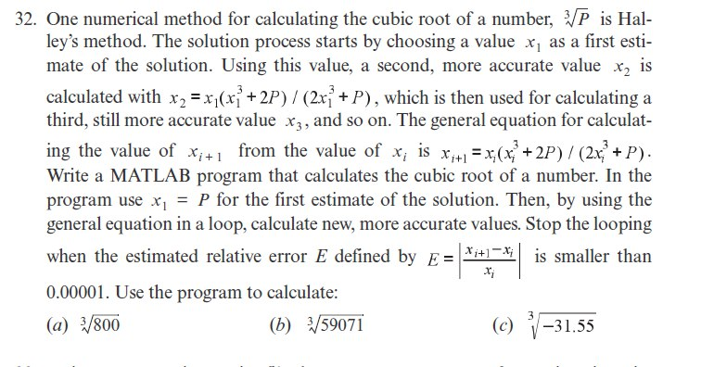
15

