Sheet1
Type | Values | Example(if applicable)
Lexicon | 1. Matrix: A matrix is a container for a set of frames. In the Miller's test there are two matrices. The first is named a "Reference" matrix, as the relations among the frames in that matrix are taken as a reference to obtain the right choice. The second matrix is the "Incomplete" matrix. This implementation will try to fill in the empty frame with each answer choice, thereby leading to a "Partially Complete" matrix. If the relations that exist in that matrix match those in the reference matrix, then it becomes the "Solution" matrix. | 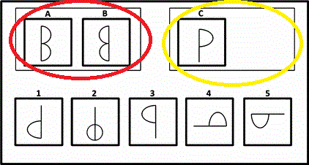
 | 2. Frame: A frame is a container for shapes, just like how a matrix is a container for frames. Each frame is characterized by a list of shapes present in them and a list of relations that exist between each of those shapes. | 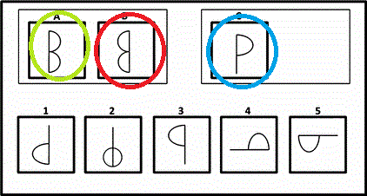
 | 3. Shape: A shape in the context of this project is any object that is present inside a frame. A shape is characterized by its type and an identifier, although this is not necessary for this project. There can be infinitely many shapes within a frame and they can be of any type. As of now, the type attribute of each shape depends on the question provided, but it can be enhanced in the future, by making it an independent definition | 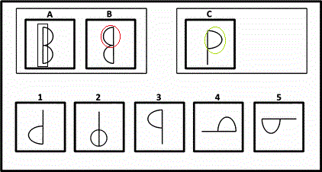
Structure | Or in this case Frame-Relations: These represent how the shapes within a frame are positioned spatially with respect to each other. This again depends on each problem, as the task of assigning a spatial position to a shape with respect to another is tightly reliant on what the "programmer" (in this case me) perceives is the right answer. | For instance, from frame A of the above image, the relations would be 1. Line1 "LeftOf" Semi-Circle1 2. Line1 "LeftOf" Semi-Circle2 3. Semi-Circle1 "TopOf" Semi-Circle2 and so on.
Procedure | The various procedures defined for this particular problem are: 1. Read representation: Read the propositional representation from the file of the entire problem, as well as for individual frames in the matrices of the image. 2. Parse representation: Once the file has been read, it needs to be parsed so that the attributes of each matrix, frame, shapes and relations in a frame can be deserialized and stored as Java objects for easy manipulation. 3. Build RelationMap: This procedure builds a mapping of a tuple<Shape1,Shape2,Relation> from one frame to a similar tuple of another frame. This data structure can then be analyzed to obtain some useful inferences between frames.
Semantics | In this project, the semantics of the reference frame is obtained by analyzing the RelationMap datastructure described above. Once some useful inferences are made between frames A and B, a RelationMap is made for Frame C & Choice 1, Frame C & Choice 2, Frame C & Choice 3 and so on, each pair being a node in a semantic network. Inferences are derived for each node and the node for which the inferences exactly corelate with those of the reference is chosen as the answer. | For instance, the inferences drawn from the RelationMap of Frame A and Frame B (above) are: 1. Line1 "LeftOf" Semi-Circle1 ==> Line1 "RightOf" Semi-Circle1 2. Line1 "LeftOf" Semi-Circle2 ==> Line1 "RightOf" Semi-Circle2 3. Semi-Circle1 "TopOf" Semi-Circle2 ==> Semi-Circle1 "TopOf" Semi-Circle2 So the nodes which have the best co-relation of inferences compared to the above reference is Frame C & Choice1 and Frame C & Choice3, since 1. Line1 "LeftOf" Semi-Circle1 ==> Line1 "RightOf" Semi-Circle1 matches. In such cases, the Frame-Relations described in the propositional representation needs to be more specific (such as describing the vertical position of the semi-circles in each case)

