Sheet1
 | x1 | x2 | Z
Objective function | 40 | 35
C1: Raw material | 2 | 3 | 60 | <= | 60
C2: Labor hours | 4 | 3 | 96 | <= | 96
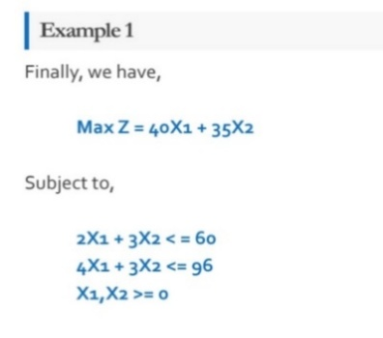
SOLUTION | 18 | 8 | 1000

