Q1
The following question was asked to Mark Grace (Data specialist for CAR data). Below are the questions and the answers. Check the next sheet for Q2

Consider the following scenario (see snapshot below) Scenario 1: Row 1006: We see 'DisconnectContact1' at 8:09:33 am. I believe the call was disconnected at this time, after the callback was scheduled. Row 1007: We see an agent name, and 'Customer Left' at 9:13:50 am. Is this the time when the agent, Amanda, called the customer back, but the customer disengaged, i.e., didn't answer, hung up, or dropped? Row 1009: At 9:14:01 am, do we see another callback attempt, and the customer hanging up again? Row 1011: At 9:21:39 am, the agent leaves, why could the agent be waiting for 7 minutes when the customer is not picking up the call?
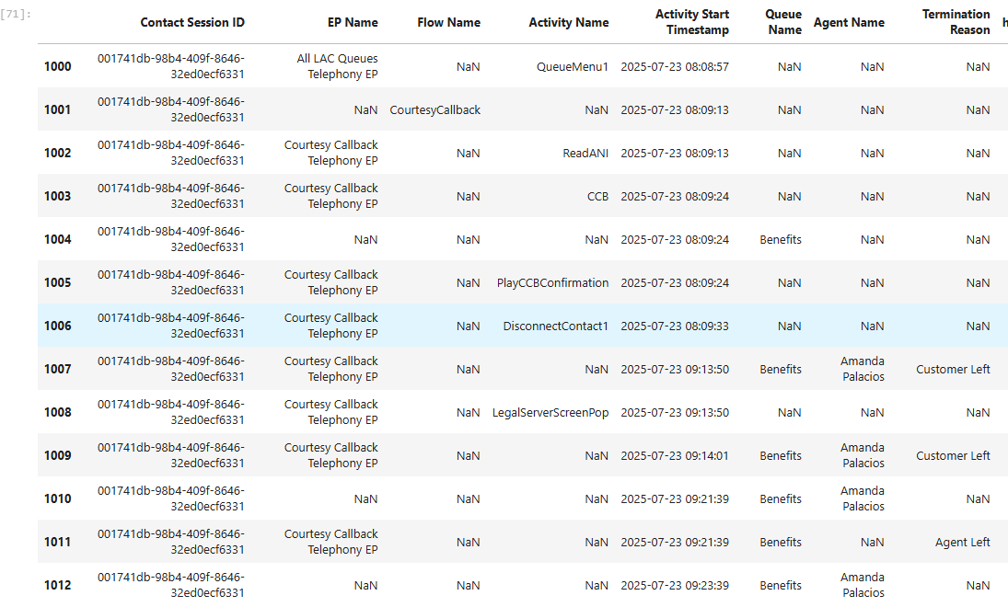

Answer:
Scenario 1 (a courtesy callback):
Row 1005 indicates the caller is hearing the message indicating a callback was successfully booked.
Row 1006 indicates WxCC disconnected the call (because a callback is now waiting in queue in place of the live caller).
Rows 1007 & 1008 indicate the callback rang to the agent (Amanda) for 11 seconds and the LegalServer screen pop launched in the browser. Amanda answered it at 9:14:01. I don’t know why row 1007 shows “Customer Left” because there is no customer connected; I suspect a bug.
The call was connected for 7 minutes & 38 seconds. Rows 1009 & 1011 have the same activity end timestamp. I don’t know why one says “Customer Left” and the other says “Agent Left”, but it’s the same disconnect event, so maybe it has something to do with the two legs of the system-dialed courtesy callback.
Row 1010 indicates Amanda was in wrapup for two minutes.

Here’s a CAR drilldown with activity name, activity start/end times, and activity state & next state that might help a bit via additional details (though it doesn’t answer the “Customer Left” vs. “Agent Left” question):
Contact Session ID | Entrypoint Name | Queue Name | Activity Start Timestamp | Activity End Timestamp | Activity Duration | Activity Name | Activity State | Next State | Agent Name | Termination Reason
001741db-98b4-409f-8646-32ed0ecf6331 | Main Number Telephony EP | N/A | 7/23/25 | 7/23/25 | 226 ms | N/A | new | ivr-connected | N/A
001741db-98b4-409f-8646-32ed0ecf6331 | N/A | N/A | 7/23/25 | 7/23/25 | 0 ms | N/A | flow-started | N/A | N/A | N/A
001741db-98b4-409f-8646-32ed0ecf6331 | Main Number Telephony EP | N/A | 7/23/25 | 7/23/25 | 0 ms | LanguageSelectionMenu | flow-activity | N/A | N/A | N/A
001741db-98b4-409f-8646-32ed0ecf6331 | Main Number Telephony EP | N/A | 7/23/25 | 7/23/25 | 3 min 36 sec | N/A | ivr-connected | ivr-done | N/A
001741db-98b4-409f-8646-32ed0ecf6331 | Main Number Telephony EP | N/A | 7/23/25 | 7/23/25 | 0 ms | MainMenu | flow-activity | N/A | N/A | N/A
001741db-98b4-409f-8646-32ed0ecf6331 | N/A | N/A | 7/23/25 | 7/23/25 | 0 ms | N/A | flow-handoff | N/A | N/A | N/A
001741db-98b4-409f-8646-32ed0ecf6331 | Pre-Legal Menu Seniors Menu Telephony EP | N/A | 7/23/25 | 7/23/25 | 0 ms | SeniorsMenu | flow-activity | N/A | N/A | N/A
001741db-98b4-409f-8646-32ed0ecf6331 | N/A | N/A | 7/23/25 | 7/23/25 | 0 ms | N/A | flow-handoff | N/A | N/A | N/A
001741db-98b4-409f-8646-32ed0ecf6331 | Legal Menu Telephony EP | N/A | 7/23/25 | 7/23/25 | 0 ms | LegalMenu1 | flow-activity | N/A | N/A | N/A
001741db-98b4-409f-8646-32ed0ecf6331 | Legal Menu Telephony EP | N/A | 7/23/25 | 7/23/25 | 0 ms | LegalMenu2 | flow-activity | N/A | N/A | N/A
001741db-98b4-409f-8646-32ed0ecf6331 | N/A | N/A | 7/23/25 | 7/23/25 | 0 ms | N/A | flow-handoff | N/A | N/A | N/A
001741db-98b4-409f-8646-32ed0ecf6331 | Legal Benefits Menu Telephony EP | N/A | 7/23/25 | 7/23/25 | 0 ms | BenefitsMenu | flow-activity | N/A | N/A | N/A
001741db-98b4-409f-8646-32ed0ecf6331 | N/A | N/A | 7/23/25 | 7/23/25 | 0 ms | N/A | flow-handoff | N/A | N/A | N/A
001741db-98b4-409f-8646-32ed0ecf6331 | All LAC Queues Telephony EP | N/A | 7/23/25 | 7/23/25 | 0 ms | GetLoggedInBenefitsAgents | flow-activity | N/A | N/A | N/A
001741db-98b4-409f-8646-32ed0ecf6331 | All LAC Queues Telephony EP | N/A | 7/23/25 | 7/23/25 | 0 ms | IntakePreQueueMessage1 | flow-activity | N/A | N/A | N/A
001741db-98b4-409f-8646-32ed0ecf6331 | All LAC Queues Telephony EP | N/A | 7/23/25 | 7/23/25 | 0 ms | BenefitsQueue | flow-activity | N/A | N/A | N/A
001741db-98b4-409f-8646-32ed0ecf6331 | All LAC Queues Telephony EP | N/A | 7/23/25 | 7/23/25 | 0 ms | N/A | ivr-done | N/A | N/A
001741db-98b4-409f-8646-32ed0ecf6331 | N/A | Benefits | 7/23/25 | 7/23/25 | 0 ms | N/A | queued | N/A | N/A
001741db-98b4-409f-8646-32ed0ecf6331 | All LAC Queues Telephony EP | Benefits | 7/23/25 | 7/23/25 | 1 hours 10 min 5 sec | N/A | parked | connect | N/A
001741db-98b4-409f-8646-32ed0ecf6331 | All LAC Queues Telephony EP | N/A | 7/23/25 | 7/23/25 | 0 ms | PreQueueMessage2 | flow-activity | N/A | N/A | N/A
001741db-98b4-409f-8646-32ed0ecf6331 | All LAC Queues Telephony EP | N/A | 7/23/25 | 7/23/25 | 0 ms | PlayMOH300s | flow-activity | N/A | N/A | N/A
001741db-98b4-409f-8646-32ed0ecf6331 | All LAC Queues Telephony EP | N/A | 7/23/25 | 7/23/25 | 0 ms | QueueMenu1 | flow-activity | N/A | N/A | N/A
001741db-98b4-409f-8646-32ed0ecf6331 | N/A | N/A | 7/23/25 | 7/23/25 | 0 ms | N/A | flow-handoff | N/A | N/A | N/A
001741db-98b4-409f-8646-32ed0ecf6331 | Courtesy Callback Telephony EP | N/A | 7/23/25 | 7/23/25 | 0 ms | ReadANI | flow-activity | N/A | N/A | N/A
001741db-98b4-409f-8646-32ed0ecf6331 | Courtesy Callback Telephony EP | N/A | 7/23/25 | 7/23/25 | 0 ms | CCB | flow-activity | N/A | N/A | N/A
001741db-98b4-409f-8646-32ed0ecf6331 | N/A | Benefits | 7/23/25 | 7/23/25 | 1 hours 4 min 25 sec | N/A | optOutOfQueue | connect | N/A | N/A
001741db-98b4-409f-8646-32ed0ecf6331 | Courtesy Callback Telephony EP | N/A | 7/23/25 | 7/23/25 | 0 ms | PlayCCBConfirmation | flow-activity | N/A | N/A | N/A
001741db-98b4-409f-8646-32ed0ecf6331 | Courtesy Callback Telephony EP | N/A | 7/23/25 | 7/23/25 | 0 ms | DisconnectContact1 | flow-activity | N/A | N/A | N/A
001741db-98b4-409f-8646-32ed0ecf6331 | Courtesy Callback Telephony EP | Benefits | 7/23/25 | 7/23/25 | 11 sec | N/A | connect | connected | Amanda Palacios | Customer Left
001741db-98b4-409f-8646-32ed0ecf6331 | Courtesy Callback Telephony EP | N/A | 7/23/25 | 7/23/25 | 0 ms | LegalServerScreenPop | flow-activity | N/A | N/A | N/A
001741db-98b4-409f-8646-32ed0ecf6331 | Courtesy Callback Telephony EP | Benefits | 7/23/25 | 7/23/25 | 7 min 38 sec | N/A | connected | ended | Amanda Palacios | Customer Left
001741db-98b4-409f-8646-32ed0ecf6331 | N/A | Benefits | 7/23/25 | 7/23/25 | 2 min | N/A | WrapUp | wrapup-completed | Amanda Palacios | N/A
001741db-98b4-409f-8646-32ed0ecf6331 | Courtesy Callback Telephony EP | Benefits | 7/23/25 | 7/23/25 | 0 ms | N/A | ended | N/A | N/A | Agent Left
001741db-98b4-409f-8646-32ed0ecf6331 | N/A | Benefits | 7/23/25 | 7/23/25 | 0 ms | N/A | wrapup-completed | N/A | Amanda Palacios | N/A

Q2
The following question was asked to Mark Grace (Data specialist for CAR data). Below are the questions and the answers.
Scenario 2 (see snaphot below): Row 1097: Did the customer leave at 16:22:39? Do we see the time when the customer picked up the call in the table below? Is it 16:16:44, when we see the agent name?

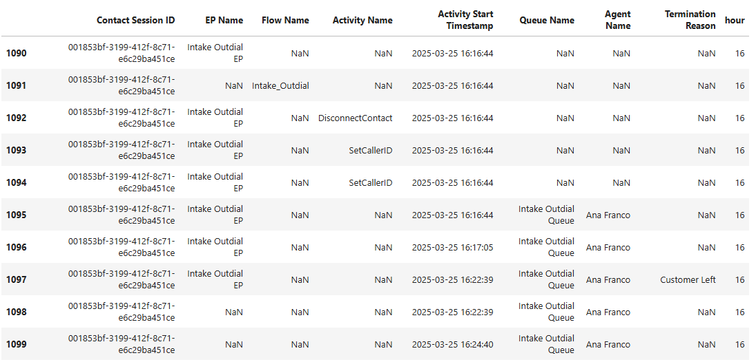

Answer:
Scenario 2 (a manually dialed outbound call):
Ana dialed the client’s phone number at 4:16:44pm Central time. You can ignore row 1092 – that is a required activity in the main portion of the outdial flow that doesn’t do anything (because the main portion is used for inbound call handling); the only thing the outdial flow is doing for us is setting the outbound caller ID (rows 1093/1094).
The call rang for 20 seconds, from 4:16:44 to 4:17:05.
The call connected at 4:17:05 and lasted for 5 minutes & 33 seconds. The client (PSTN side) ended the call at 4:22:39.
Ana was in wrapup for two minutes, from 4:22:39 to 4:24:40.

