Sheet1
income per month | spending
100000 | 50000
80000 | 35000
60000 | 29000
45000 | 20000
30000 | 15000

y=2x+3
x0 | 5
x1 | 6

y0 | 13
y1 | 15
increase in y(slope) | 2

how to calculate slope= | change in y/change in x

x1 | y1
5 | 13

x2 | y2
10 | 23

 | y2-y1 | 10
 | x2-x1 | 5

 | slope | y/x | 2

Sheet2
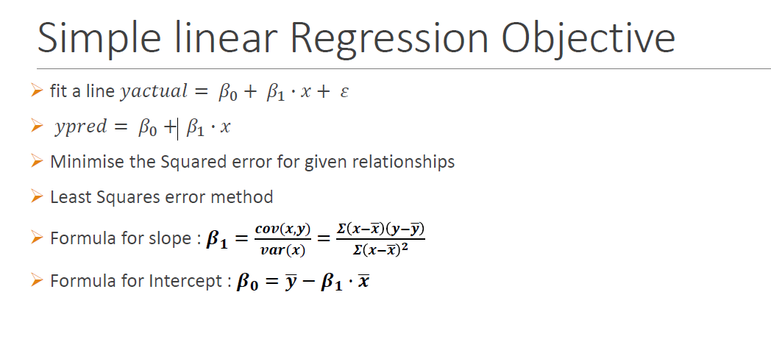
 | income per month(x) | spending(y) | x-xmean | y-ymean | Product | x-xmean**2
 | 100000 | 50000 | 37000 | 20200 | 747400000 | 1369000000
 | 80000 | 35000 | 17000 | 5200 | 88400000 | 289000000
 | 60000 | 29000 | -3000 | -800 | 2400000 | 9000000
 | 45000 | 20000 | -18000 | -9800 | 176400000 | 324000000
 | 30000 | 15000 | -33000 | -14800 | 488400000 | 1089000000

mean | 63000 | 29800 |  | sum | 1503000000 | 3080000000
 |  |  |  | count | 5 | 5

Direct Method |  |  |  | covarience | 300600000 | 616000000
 |  |  |  |  |  |  |  |  | sal
cov | 300600000 |  |  |  |  |  |  |  | 100000
var | 616000000 |  |  | b1 | 0.48798701299
 |  |  |  | b0 | -943.18181818
b1 | 0.48798701299
b0 | -943.18181818 |  |  | spending = b0+b1*x |  |  | spending pred | 47855.519481

