Charts
North America | EMEA | APAC |  |  |  |  | Year | 2,025.0 | 2026E | 2027E |  |  | Subscription | Other |  |  | 2,025.0 | 2026E | 2027E |  |  |  |  |  |  |  |  |  |  |  |  |  |  |  |  |  |  |  |  |  |  |  |  | 2022 | 2023 | 2024 | 2025
63.0 | 25.0 | 12.0 |  |  |  |  | North America | 8,340.00 | 10,039.60 | 11,887.00 |  |  | 97.03 | 2.97 |  |  | 8,800.0 | 9,200.0 | 9,500.0 | COmps MS |  |  |  |  |  |  |  |  |  |  |  |  | Comps |  |  |  |  |  |  |  |  | Magic Number |  | 0.82 | 0.78 | 0.88 | 0.85
 |  |  |  |  |  |  | EMEA | 3,402.00 | 4,131.90 | 4,885.50 |  |  |  |  |  |  |  | 4.5% | 3.3% |  | NOW | TEAM | MSFT | Salesf | Others |  |  |  |  |  |  |  |  | ORCL | SAP | MSFT | WDAY | Others
Revenue by Geography
 | North America | EMEA | APAC
 | 63 | 25 | 12
 |  |  |  |  |  |  | APAC | 1,528.00 | 1,818.30 | 2,229.70 |  |  |  |  |  |  |  |  |  | IT Service Management | 44.0 | 15.0 |  |  | 41.0 |  | NOW = leader in large enterprise |  |  | TEAM = leader in mid markets |  |  | Enterprise Resource Management | 28.0 | 24.0 | 18.0 | 6.0 | 24.0 |  |  |  |  |  |  |  |  |  |  |  | 2022 | 2023 | 2024 | 2025
 |  |  |  |  |  |  | Total | 13,270.00 | 15,989.80 | 19,002.20 |  |  |  |  |  |  |  |  |  | CRM | 2.0 |  | 5.7 | 20.7 | 71.6 |  |  |  |  |  |  |  |  |  |  |  |  |  |  |  |  |  |  |  |  |  |  | Deferred Revenue % of crpo |  | 65.45% | 67.90% | 65.00% | 64.70%
 |  |  |  |  |  |  | North America | 62.8% | 62.8% | 62.6%
 | 2025 | 2026E | 2027E
 | 8800 | 9200 | 9500
 |  |  |  |  |  |  | EMEA | 25.0% | 25.8% | 25.7% |  |  |  |  |  |  |  |  |  | COmps MS |  |  |  |  |  |  |  |  |  |  |  |  |  |  |  |  |  |  |  |  |  |  |  | 2022 | 2023 | 2024 | 2025 |  |  | 2,022.0 | 2,023.0 | 2,024.0 | 2,025.0
 |  |  |  |  |  |  | APAC | 11.5% | 11.4% | 11.7% |  |  |  |  |  |  |  |  |  |  |  | NOW | MSFT | CRM | Others |  |  |  |  |  |  |  |  |  |  |  |  |  |  |  |  | Rule of 50 (%) |  | 52.90% | 53.90% | 53.50% | 56.00% |  | RPO % | 25.22% | 25.00% | 23.89% | 26.46%
Enterprise Resource Management (%)
 | Enterprise Resource Management
ORCL | 28
SAP | 24
MSFT | 18
WDAY | 6
Others | 24
 |  |  |  |  |  |  |  |  |  |  |  |  |  |  |  |  |  |  |  | Client Relationship Management |  | 2.0 | 5.7 | 20.7 | 71.6

Revenue by Operations
Subscription | 97.03
Other | 2.97

 |  |  |  |  |  |  |  |  |  |  |  |  |  |  |  |  |  |  |  |  |  |  |  |  |  |  |  |  |  |  |  |  |  |  |  |  |  |  |  |  |  |  |  | 2022 | 2023 | 2024 | 2025
 |  |  |  |  |  |  |  |  |  |  |  |  |  |  |  |  |  |  |  |  |  |  |  |  |  |  |  |  |  |  |  |  |  |  |  |  |  |  |  |  |  | Crpo/Rpo Ratio |  | 0.494 | 0.473 | 0.470 | 0.456

IT Service Management (%)
 | IT Service Management
NOW | 44
TEAM | 15
Others | 41
Client Relationship Management (%)
 | Client Relationship Management
 | 2
 | 5.7
 | 20.7
 | 71.6
 |  |  |  |  |  |  |  |  |  |  |  |  |  |  |  |  |  |  |  |  |  |  |  |  |  |  |  |  |  |  |  |  |  |  |  |  |  |  |  |  |  |  |  | 2022 | 2023 | 2024 | 2025
 |  |  |  |  |  |  |  |  |  |  |  |  |  |  |  |  |  |  |  |  |  |  |  |  |  |  |  |  |  |  |  |  |  |  |  |  |  |  |  |  |  | FCF |  | 2,173.0 | 2,704.0 | 3,415.0 | 4,576.0
 |  |  |  |  |  |  |  |  |  |  |  |  |  |  |  |  |  |  |  |  |  |  |  |  |  |  |  |  |  |  |  |  |  |  |  |  |  |  |  |  |  | %change |  |  | 24.44% | 26.29% | 34.00%

Number of Customers (in thousands)
2021 | 7.4
2022 | 7.7 | 0.040540540541
2023 | 8.1 | 0.051948051948
2024 | 8.4 | 0.037037037037
2025 | 8.8 | 0.047619047619
2026E | 9.2 | 0.045454545455
2027E | 9.5 | 0.032608695652

 |  |  |  |  |  |  |  |  |  |  |  |  |  |  |  |  |  |  |  |  |  |  |  |  |  |  |  |  |  |  |  |  |  |  |  |  |  |  |  |  |  | ServiceNow Tier | Estimated Price (per user/month) | Key Features & 2026 Context
 |  |  |  |  |  |  |  |  |  |  |  | 2,021.0 | 2,022.0 | 2,023.0 | 2,024.0 | 2,025.0 | 2026E | 2027E |  |  |  |  |  |  |  |  |  |  |  |  |  |  |  |  |  |  |  |  |  |  |  | ITSM Standard | $70 - $100
 |  |  |  |  |  |  |  |  |  |  |  | 7.4 | 7.7 | 8.1 | 8.4 | 8.8 | 9.2 | 9.5 |  |  |  |  |  |  |  |  |  |  |  |  |  |  |  |  |  |  |  |  |  |  |  | ITSM Professional | $120 - $150
 |  |  |  |  |  |  |  |  |  |  |  |  | 4.1% | 5.2% | 3.7% | 4.8% | 4.5% | 3.3% |  |  |  |  |  |  |  |  |  |  |  |  |  |  |  |  |  |  |  |  |  |  |  | ITSM Enterprise | $160 - $200+
 |  |  |  |  |  |  |  |  |  |  |  |  |  |  |  |  |  |  |  |  |  |  |  |  |  |  |  |  |  |  |  |  |  |  |  |  |  |  |  |  |  | Pro Plus (AI SKU) | +50% to 60% Uplift

 |  |  |  |  |  |  |  |  |  |  |  |  |  |  |  |  |  |  |  |  |  |  |  |  |  | NNACV Across Solution Segments
 |  |  |  |  |  |  |  |  |  |  |  |  |  |  |  |  |  |  |  |  |  |  |  |  |  |  |  | 2,021.0 | 2,022.0 | 2,023.0 | 2,024.0 | 2,025.0
 |  |  |  |  |  |  |  |  |  |  |  |  |  |  |  |  |  |  |  |  |  |  |  |  |  | Technology |  | 57.0 | 59.0 | 55.0 | 52.0 | 47.0
 |  |  |  |  |  |  |  |  |  |  |  |  |  |  |  |  |  |  |  |  |  |  |  |  |  | CRM & Core |  | 28.0 | 26.0 | 29.0 | 30.0 | 31.0
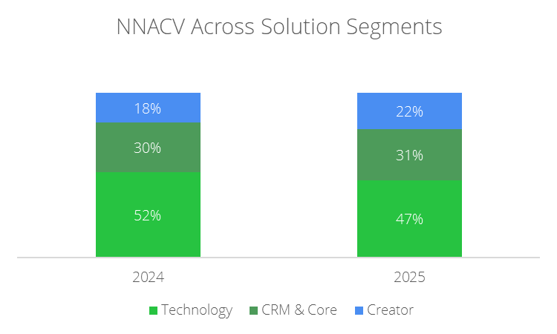
 | Technology | CRM & Core | Creator
 | 57 | 28 | 15
 | 59 | 26 | 15
 | 55 | 29 | 16
 | 52 | 30 | 18
 | 47 | 31 | 22
 |  |  |  |  |  |  |  |  |  |  |  |  |  |  |  |  |  |  |  |  |  |  |  |  |  | Creator |  | 15.0 | 15.0 | 16.0 | 18.0 | 22.0
 |  |  |  |  |  |  |  |  |  |  |  |  |  |  |  |  |  |  |  |  |  |  |  |  |  |  |  |  |  |  |  |  |  |  |  |  |  |  | 2024 | 2025 | 2026
Top Line Revenue Growth (in billions)
 | Top Line rev | Rev growth
2020 | 4.519
2021 | 5.89 | 0.3033857048
2022 | 7.25 | 0.23089983022
2023 | 8.97 | 0.23724137931
2024 | 10.98 | 0.22408026756
2025 | 13.28 | 0.20947176685
2026E | 15.99 | 0.20406626506
2027E | 18.95 | 0.18511569731
 |  |  |  |  |  |  |  |  |  |  |  |  |  |  |  |  |  |  |  |  |  |  |  |  |  |  |  |  |  |  |  |  |  |  |  |  |  | NNACV in Now Assist (in millions) | 250 | 600 | 1000

 |  | For FY2025
 |  | Subs rev | $12,883,000,000.00 |  | 2,020.0 | 2,021.0 | 2,022.0 | 2,023.0 | 2,024.0 | 2,025.0 | 2026E | 2027E
 |  | no of cust | 8,800.0 | Top Line rev | 4.5 | 5.9 | 7.3 | 9.0 | 11.0 | 13.3 | 16.0 | 19.0
 |  | no of cust ACV > $5M | 603.0 | Rev growth |  | 30.34% | 23.09% | 23.72% | 22.41% | 20.95% | 20.41% | 18.51%
 |  | avg ACV | $14,700,000.00
 |  | no of prem cust % | 6.9%
 |  | no of prem cust rev % | $8,864,100,000.00
 |  | prem cust rev % of total rev | 68.8%

2021 | 0.3033857048
2022 | 0.23089983022
2023 | 0.23724137931
2024 | 0.22408026756
2025 | 0.20947176685
2026E | 0.20406626506
2027E | 0.18511569731

