Sheet1
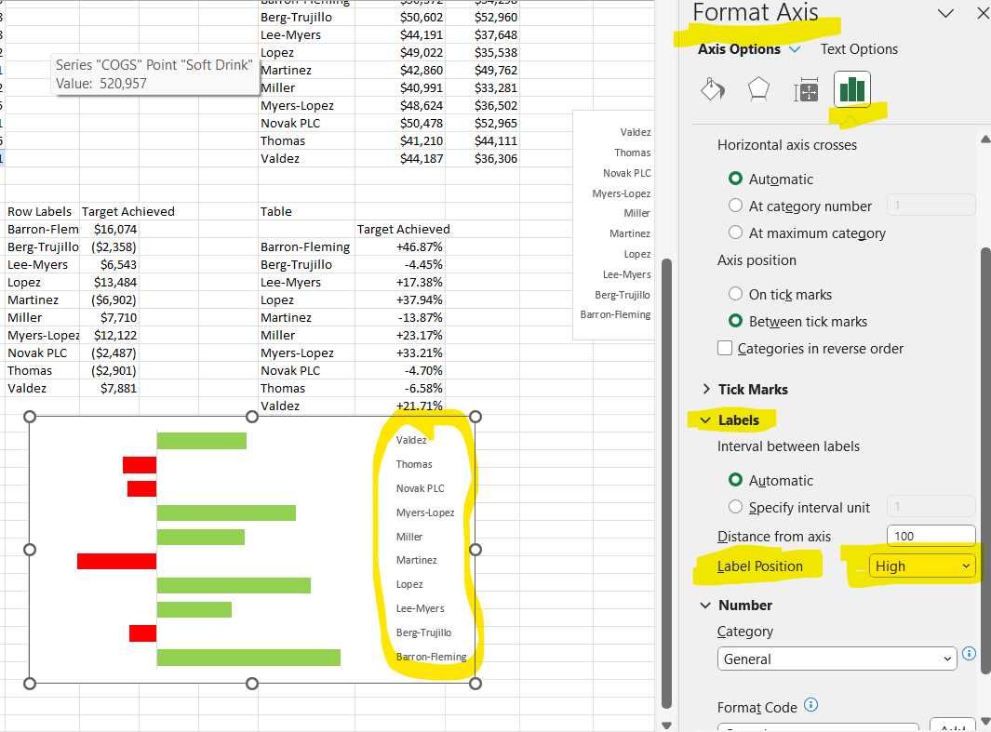
...
 |  |  |  |  | Total Revenue | $5,446,809
 |  |  |  |  | COGS | $3,149,297
 |  |  |  |  | Profit | $2,297,512
 |  |  |  |  | Ptofit %age | 42.18%
...
 |  |  |  |  | Total Refunds | $438,298
 |  |  |  |  | Refund Rate | 8.05%
 |  |  |  |  | Units Sold | 606,148
 |  |  |  |  | Units Returned | 48,662
 | Total Revenue | Total Target
Barron-Fleming | $52,420 | $35,742
Berg-Trujillo | $40,300 | $58,884
Lee-Myers | $50,177 | $30,607
Lopez | $53,073 | $32,487
Martinez | $42,045 | $36,736
Miller | $44,298 | $57,367
Myers-Lopez | $41,424 | $47,085
Novak PLC | $41,330 | $63,815
Thomas | $43,834 | $31,979
Valdez | $35,263 | $44,340
 |  |  |  |  |  |  |  |  |  | Zebra BI Table for Office

 |  |  |  |  | Row Labels | Total Revenue | Total Target
 |  |  |  |  | Barron-Fleming | $52,420 | $35,742 |  |  | Row Labels | Revenue | Target
 |  |  |  |  | Berg-Trujillo | $40,300 | $58,884 |  |  | Barron-Fleming | $52,420 | $35,742
 |  |  |  |  | Lee-Myers | $50,177 | $30,607 |  |  | Berg-Trujillo | $40,300 | $58,884
 |  |  |  |  | Lopez | $53,073 | $32,487 |  |  | Lee-Myers | $50,177 | $30,607
 |  |  |  |  | Martinez | $42,045 | $36,736 |  |  | Lopez | $53,073 | $32,487
 |  |  |  |  | Miller | $44,298 | $57,367 |  |  | Martinez | $42,045 | $36,736
 |  |  |  |  | Myers-Lopez | $41,424 | $47,085 |  |  | Miller | $44,298 | $57,367
 |  |  |  |  | Novak PLC | $41,330 | $63,815 |  |  | Myers-Lopez | $41,424 | $47,085
 |  |  |  |  | Thomas | $43,834 | $31,979 |  |  | Novak PLC | $41,330 | $63,815
 |  |  |  |  | Valdez | $35,263 | $44,340 |  |  | Thomas | $43,834 | $31,979
Month -Wise DATA |  |  |  |  | Grand Total | $444,163 | $439,042 |  |  | Valdez | $35,263 | $44,340

Total Revenue(MonthWise) | $444,163
Total Target (Month-Wise) | $439,042 | Row Labels | Total Revenue | Total Target | Highlight |  |  | Row Labels | Target Achieved | Table
Variance | +1.17% | Barron-Fleming | $52,420 | $35,742 | $52,420 |  |  | Barron-Fleming | 16.7 K |  | Target Achieved
 |  | Berg-Trujillo | $40,300 | $58,884 |  |  |  | Berg-Trujillo | -18.6 K | Barron-Fleming | +46.66%
Formatting | ▲ 1.17% | Lee-Myers | $50,177 | $30,607 | $50,177 |  |  | Lee-Myers | 19.6 K | Berg-Trujillo | -31.56%
 |  | Lopez | $53,073 | $32,487 | $53,073 |  |  | Lopez | 20.6 K | Lee-Myers | +63.94%
 |  | Martinez | $42,045 | $36,736 | $42,045 |  |  | Martinez | 5.3 K | Lopez | +63.37%
 |  | Miller | $44,298 | $57,367 |  |  |  | Miller | -13.1 K | Martinez | +14.45%
 |  | Myers-Lopez | $41,424 | $47,085 |  |  |  | Myers-Lopez | -5.7 K | Miller | -22.78%
 |  | Novak PLC | $41,330 | $63,815 |  |  |  | Novak PLC | -22.5 K | Myers-Lopez | -12.02%
 |  | Thomas | $43,834 | $31,979 | $43,834 |  |  | Thomas | 11.9 K | Novak PLC | -35.23%
 |  | Valdez | $35,263 | $44,340 |  |  |  | Valdez | -9.1 K | Thomas | +37.07%
Final Formatting |  |  |  |  |  |  |  |  |  | Valdez | -20.47%
 | ▲ 1.17%
 | Total Revenue | Highlight | Total Target
Barron-Fleming | $52,420 | $52,420 | $35,742
Berg-Trujillo | $40,300 | $0 | $58,884
Lee-Myers | $50,177 | $50,177 | $30,607
Lopez | $53,073 | $53,073 | $32,487
Martinez | $42,045 | $42,045 | $36,736
Miller | $44,298 | $0 | $57,367
Myers-Lopez | $41,424 | $0 | $47,085
Novak PLC | $41,330 | $0 | $63,815
Thomas | $43,834 | $43,834 | $31,979
Valdez | $35,263 | $0 | $44,340

Sheet2
...
 |  |  | Month | Total Revenue | Total Target | Highlights |  | Month | Variance
Mar | 41,940 | 33,407 | May | 47,588 | 38,727 |  |  | May | +18.62%
Apr | 48,262 | 34,447 | Jun | 41,904 | 38,817 |  |  | Jun | +7.37% |  |  | Windows + .
May | 47,588 | 38,727 | Jul | 38,973 | 34,444 |  |  | Jul | +11.62% | Total Revenue | Total Target
Jun | 41,904 | 38,817 | Aug | 40,219 | 31,322 |  |  | Aug | +22.12% | 546,575 | 422,011
Jul | 38,973 | 34,444 | Sep | 48,517 | 32,678 |  |  | Sep | +32.65%
Aug | 40,219 | 31,322 | Oct | 49,394 | 39,515 | 49,394 |  | Oct | +20.00% | Format
Sep | 48,517 | 32,678 | Nov | 50,372 | 34,298 |  |  | Nov | +31.91% | ▲+29.52%
Oct | 49,394 | 39,515 | Dec | 47,653 | 36,007 |  |  | Dec | +24.44%
Nov | 50,372 | 34,298
Dec | 47,653 | 36,007 |  |  |  |  |  |  | +0.00%;-0.00%
 | Total Revenue | Total Target
Jan | 52,420 | 35,742
Feb | 39,332 | 32,607
Mar | 41,940 | 33,407
Apr | 48,262 | 34,447
May | 47,588 | 38,727
Jun | 41,904 | 38,817
Jul | 38,973 | 34,444
Aug | 40,219 | 31,322
Sep | 48,517 | 32,678
Oct | 49,394 | 39,515
Nov | 50,372 | 34,298
Dec | 47,653 | 36,007
 |  |  |  |  |  |  |  |  | Select range, ctrl+1, Custom formatting
 | Variance
Jan | +31.82%
Feb | +17.10%
Mar | +20.35%
Apr | +28.62%
May | +18.62%
Jun | +7.37%
Jul | +11.62%
Aug | +22.12%
Sep | +32.65%
Oct | +20.00%
Nov | +31.91%
Dec | +24.44%

 |  |  |  |  |  |  | Insert Store name slicer

Formatting requied in the graphs

Sheet3
 | 73%
 | 27%

Row Labels | Total Revenue | Total Revenue2 | Row Labels
Q1 | $133,692 |  | Q1
Q2 | $137,754 | 3.04% | Q2
Q3 | $127,709 | -7.29% | Q3
Q4 | $147,420 | 15.43% | Q4
Grand Total | $546,575
...
 | 73%
 | 27%
...
 | Total Revenue | Highlight | AVERAGE
Q1 | $133,692 | $0 | $136,644
Q2 | $137,754 | $137,754 | $136,644
Q3 | $127,709 | $0 | $136,644
Q4 | $147,420 | $147,420 | $136,644
 | Total Revenue | Highlight | Avg
Sun | $74,804 | $0 | $78,082
Mon | $88,324 | $88,324 | $78,082
Tue | $69,786 | $0 | $78,082
Wed | $83,235 | $83,235 | $78,082
Thu | $85,475 | $85,475 | $78,082
Fri | $73,561 | $0 | $78,082
Sat | $71,390 | $0 | $78,082
...

Sheet4
...
 |  |  |  |  |  |  |  |  |  |  |  |  |  |  |  |  |  | Profits3 | Option | 1 | Profits
 |  |  |  |  |  |  |  |  |  |  |  |  |  |  |  |  |  |  |  |  | Revenue
 |  |  |  |  |  |  |  |  |  |  |  |  |  |  |  |  |  | +0.02% |  |  | Transactions
 |  |  |  |  |  |  |  |  |  |  |  |  |  |  |  |  |  | +15.05%
 |  |  |  |  |  |  |  |  |  |  |  |  |  |  |  |  |  | -5.64% | Chart
 |  |  |  |  |  |  |  |  |  |  |  |  |  |  |  |  |  | +6.56%
 |  |  |  |  |  |  |  |  |  |  |  |  |  |  |  |  |  | -4.94% | Month Name | Profits | Profits2
 |  |  |  |  |  |  |  |  |  |  |  |  |  |  |  |  |  | -6.52% | Jan | 177,715 | 177,715
 |  |  |  |  | Male | 51.33 |  |  |  |  |  |  | Fri | 762,352 | Aug | $208,599 | $208,599 | +14.15% | Feb | 177,757 | 177,757
 |  |  | Customer_Name | Total Revenue | Female | 48.67 | Age Bracket | Profits | Age Bracket | Total Revenue |  |  | Thu | 795,985 | Sep | $190,085 | $190,085 | -8.88% | Mar | 204,516 | 204,516
 |  |  | Allison Dixon | 3571.02 |  |  | <20 | $81,110 | <20 | 178,991 |  |  | Wed | 774,304 | Oct | $190,384 | $190,384 | +0.16% | Apr | 192,977 | 192,977
 |  |  | Lisa West | 4189.32 |  |  | 21-30 | $401,331 | 21-30 | 966,833 | Day Name | Total Transactions | Tue | 772,167 | Nov | $192,253 | $192,253 | +0.98% | May | 205,643 | 205,643
 |  |  | Chloe Roberts | 4434.54 | Icons |  | 31-40 | $429,028 | 31-40 | 1,027,780 | Sat | 2,806 | Mon | 789,471 | Dec | $179,356 | $179,356 | -6.71% | Jun | 195,490 | 195,490
 |  |  | Laura Fuller | 5000.95 | ■ |  | 41-50 | $481,880 | 41-50 | 1,144,695 | Fri | 2,866 | Sun | 765,868 |  |  |  |  | Jul | 182,737 | 182,737
 |  |  | Samantha Ford | 5070.13 | ◎ |  | 50+ | $904,162 | 50+ | 2,128,511 | Thu | 2,896 |  |  | Month Name | Total Revenue | Total Revenue2 | Total Revenue3 | Aug | 208,599 | 208,599
 |  |  |  |  |  |  |  |  |  |  | Wed | 2,824 |  |  | Jan | $444,163 | $444,163 |  | Sep | 190,085 | 190,085
 |  |  |  |  |  |  |  |  |  |  | Tue | 2,876 | Caption |  | Feb | $423,742 | $423,742 | -4.60% | Oct | 190,384 | 190,384
Customer Revenue Table |  | Location Revenue Table |  |  |  |  |  |  | Caption |  | Mon | 2,887 |  |  | Mar | $468,344 | $468,344 | +10.53% | Nov | 192,253 | 192,253
 |  |  |  |  |  |  | Age Bracket | Total Transactions | Total revenue |  | Sun | 2,845 | Revenue generated |  | Apr | $448,653 | $448,653 | -4.20% | Dec | 179,356 | 179,356
Customer_Name | Total Revenue |  |  |  |  |  | <20 | 684 |  |  |  |  |  |  | May | $480,721 | $480,721 | +7.15%
Allison Dixon | $3,571 |  |  |  |  |  | 21-30 | 3,582 | Total revenue by customer age |  |  |  | Revenue generated on each day of the week |  | Jun | $455,501 | $455,501 | -5.25%
Lisa West | $4,189 |  |  |  |  |  | 31-40 | 3,768
 | Total Revenue
Sat | 786,663
Fri | 762,352
Thu | 795,985
Wed | 774,304
Tue | 772,167
Mon | 789,471
Sun | 765,868
Chloe Roberts | $4,435 |  |  |  |  |  | 41-50 | 4,184
Laura Fuller | $5,001 |  |  |  |  |  | 50+ | 7,782
Samantha Ford | $5,070
...
Customer Tarnsaction Table |  | Location Revenue Table
...
 |  |  | Caption
 |  |  | Bottom 5
 |  |  | customers
 |  |  | by revenue
...
 |  |  | Bottom 5 customers by revenue
...

Sheet8
 |  |  |  |  | COGS | Profits | Total Revenue | Row Labels | COGS | Profits | Total Revenue
 |  |  |  |  | $341,491 | $86,449 | $427,940 | Alcoholic Beverage | 341.5 K | 86.4 K | 427.9 K
 |  |  |  |  | $544,597 | $142,236 | $686,833 | Coffee | 544.6 K | 142.2 K | 686.8 K
 |  |  |  |  | $292,961 | $174,073 | $467,033 | Energy Drink | 293.0 K | 174.1 K | 467.0 K
 |  |  |  |  | $337,946 | $52,455 | $390,401 | Juice | 337.9 K | 52.5 K | 390.4 K
 |  |  |  |  | $520,957 | $718,216 | $1,239,173 | Soft Drink | 521.0 K | 718.2 K | 1,239.2 K
Grand Total | $41,322 | Audience Fusion | 8.77% | Sports Drink | $439,458 | $417,458 | $856,916 | Sports Drink | 439.5 K | 417.5 K | 856.9 K
 |  | Might Mist | 8.69% | Tea | $121,641 | $367,414 | $489,055 | Tea | 121.6 K | 367.4 K | 489.1 K
 |  | Point Splash | 8.73% | Water | $550,248 | $339,210 | $889,458 | Water | 550.2 K | 339.2 K | 889.5 K
Row Labels | Refund Rate | Protect Rush | 9.02% | Grand Total | $3,149,297 | $2,297,512 | $5,446,809
Audience Fusion | 8.77% | Tv Breeze | 8.79%
Might Mist | 8.69%
Point Splash | 8.73%
Protect Rush | 9.02% | Caption
Tv Breeze | 8.79%
Grand Total | 8.79% | Top 5 Returned Products

CTA
Genpact
CTA
Stores
Revenue
Sales Metrics Dashboard
Close Filters
Filters
1
1

Total Revenue
$5,446,809
COGS
$3,149,297
Net Profit
$2,297,512
Profit %age
42.18%
 | COGS | Profits
Alcoholic Beverage | 341.5 K | 86.4 K
Coffee | 544.6 K | 142.2 K
Energy Drink | 293.0 K | 174.1 K
Juice | 337.9 K | 52.5 K
Soft Drink | 521.0 K | 718.2 K
Sports Drink | 439.5 K | 417.5 K
Tea | 121.6 K | 367.4 K
Water | 550.2 K | 339.2 K
 | Refund Rate
Audience Fusion | 8.77%
Might Mist | 8.69%
Point Splash | 8.73%
Protect Rush | 9.02%
Tv Breeze | 8.79%
Total Units Sold
606,148
Total Units Returned
48,662
Total Returns
$438,298
Return Rate
8.05%
Cost Price : Profit ratio across categories
Top 5 Returned Products

Time-frame and Customer Analysis
◎
Female
48.67%
■
Male
51.33%
Gender wise profit break-up
 | Total Revenue
<20 | 178,991
21-30 | 966,833
31-40 | 1,027,780
41-50 | 1,144,695
50+ | 2,128,511
Total revenue by customer age
 | Total Revenue
Allison Dixon | 3571.02
Lisa West | 4189.32
Chloe Roberts | 4434.54
Laura Fuller | 5000.95
Samantha Ford | 5070.13
Top 5
Bottom 5
Bottom 5 customers by revenue

 | Profits2 | Profits
 | 177,715 | 177,715
 | 177,757 | 177,757
 | 204,516 | 204,516
 | 192,977 | 192,977
 | 205,643 | 205,643
 | 195,490 | 195,490
 | 182,737 | 182,737
 | 208,599 | 208,599
 | 190,085 | 190,085
 | 190,384 | 190,384
 | 192,253 | 192,253
 | 179,356 | 179,356
Profit trend and MoM growth rate
 | Total Revenue
Sat | 786,663
Fri | 762,352
Thu | 795,985
Wed | 774,304
Tue | 772,167
Mon | 789,471
Sun | 765,868
Revenue generated on each day of the week

Revenue
Genpact
CTA
Stores
Revenue
Filter

Revenue by Quarter and QoQ revenue change
 | 73%
 | 27%
Revenue Generated on Weekdays
73%
$400,381
Total Revenue
Total Target
Variance %
Avg. Revenue
$136,644
546,575
422,011

 | Total Revenue | Highlight | AVERAGE
Q1 | $133,692 | $0 | $136,644
Q2 | $137,754 | $137,754 | $136,644
Q3 | $127,709 | $0 | $136,644
Q4 | $147,420 | $147,420 | $136,644
Revenue vs Target by month

 | Variance
Jan | +31.82%
Feb | +17.10%
Mar | +20.35%
Apr | +28.62%
May | +18.62%
Jun | +7.37%
Jul | +11.62%
Aug | +22.12%
Sep | +32.65%
Oct | +20.00%
Nov | +31.91%
Dec | +24.44%

 | 73%
 | 27%
Revenue Generated on Weekends
$146,194
27%

 | Total Revenue | Highlight | Avg
Sun | $74,804 | $0 | $78,082
Mon | $88,324 | $88,324 | $78,082
Tue | $69,786 | $0 | $78,082
Wed | $83,235 | $83,235 | $78,082
Thu | $85,475 | $85,475 | $78,082
Fri | $73,561 | $0 | $78,082
Sat | $71,390 | $0 | $78,082
Revenue by weekdays vs percent change
Avg. Revenue
$78,082
 | Total Revenue | Total Target
Jan | 52,420 | 35,742
Feb | 39,332 | 32,607
Mar | 41,940 | 33,407
Apr | 48,262 | 34,447
May | 47,588 | 38,727
Jun | 41,904 | 38,817
Jul | 38,973 | 34,444
Aug | 40,219 | 31,322
Sep | 48,517 | 32,678
Oct | 49,394 | 39,515
Nov | 50,372 | 34,298
Dec | 47,653 | 36,007

Stores
Genpact
CTA
Stores
Revenue

 | Target Achieved
Barron-Fleming | 16.7 K
Berg-Trujillo | -18.6 K
Lee-Myers | 19.6 K
Lopez | 20.6 K
Martinez | 5.3 K
Miller | -13.1 K
Myers-Lopez | -5.7 K
Novak PLC | -22.5 K
Thomas | 11.9 K
Valdez | -9.1 K
Barron-Fleming | +46.66%
Berg-Trujillo | -31.56%
Lee-Myers | +63.94%
Lopez | +63.37%
Martinez | +14.45%
Miller | -22.78%
Myers-Lopez | -12.02%
Novak PLC | -35.23%
Thomas | +37.07%
Valdez | -20.47%
 | Total Revenue | Highlight | Total Target
Barron-Fleming | $52,420 | $52,420 | $35,742
Berg-Trujillo | $40,300 | $0 | $58,884
Lee-Myers | $50,177 | $50,177 | $30,607
Lopez | $53,073 | $53,073 | $32,487
Martinez | $42,045 | $42,045 | $36,736
Miller | $44,298 | $0 | $57,367
Myers-Lopez | $41,424 | $0 | $47,085
Novak PLC | $41,330 | $0 | $63,815
Thomas | $43,834 | $43,834 | $31,979
Valdez | $35,263 | $0 | $44,340
Total Revenue vs Total Target
Total Revenue
$444,163

Total Target
$439,042

Variance

Read Me
Dashboard Tasks

Dashboard 1 (CTA)
. Customer Analysis: Provides insight into the profit generated from customers and breaks down the average spending by customer age groups, thus highlighting the most profitable age-groups.
. Profitability over Time: This includes a profit trend and month-over-month growth rate, which could help in identifying seasonal patterns or trends in sales effectiveness.
. Profitability by Weekday: Analyzes which days of the week generate the most profit, useful for staffing and marketing efforts.
. Product Analysis: Details the top-selling and most profitable products, as well as product return rates. This is critical for inventory management and identifying which products are most valuable to the business.

Dashboard 2 (Revenue)
. Quarterly Revenue Analysis: Shows revenue generated per quarter against the average, providing a quick view of performance relative to the norm.
. Weekday/Weekend Revenue Analysis: Gives a comparison of revenue generated on weekdays versus weekends, which can help in making staffing and operational decisions.
. Monthly Revenue vs Target: Tracks monthly performance against goals, which is fundamental for short-term financial planning and adjustments.

Dashboard 3 (Stores)
. Store Budget vs Revenue: Presents a comparison of revenue vs. target for each store, which helps in understanding which stores are under or over-performing against their targets.
. Month-by-Month Analysis: Offers a detailed month-by-month breakdown of total revenue and targets, highlighting variances. This can be important for financial planning and performance management.

