P T
 |  |  |  |  |  |  |  |  |  |  |  |  |  |  |  |  |  |  |  |  |  |  |  |  |  | Row Labels | Sum of Income | Sum of Income2
Row Labels | Sum of Income | Sum of Income2 |  | X | Y | Amount | Max | W/O Max | Count | Count P | Sum of Income | Sum of Target Income |  | Income | Target | Target-Met Status | Row Labels | Sum of Income | Sum of Income2 | Average Monthly Income | Row Labels | Sum of operating profit | Row Labels | Sum of Income | Sum of Income2 | Advertising | 227,163 | 27%
Advertising | 227163.185 | 27.40% | Advertising | 1 | 3 | 227,163.18 | 227,163 |  | 50,406 | 19% | 828,952 | 920,129 |  | 90% | 10% | Missed Target By 10% | Jan | 71,042 | 71,042 | 69,079 | Jan | 14,208 | B2B | 714,241 | 86% | Company Website | 2,430 | 0%
Asset sale | 82830 | 9.99% | Asset sale | 7 | 2 | 82,830.00 |  | 82,830 | 12,774 | 5% |  |  |  |  |  |  | Feb | 66,885 | 66,885 |  | Feb | 13,377 | B2C | 114,711 | 14% | Facebook Page | 56,300 | 7%
Licensing | 155729.655 | 18.79% | Licensing | 4 | 1 | 155,729.65 |  | 155,730 | 98,365 | 38% |  |  |  |  |  |  | Mar | 66,885 | 66,885 |  | Mar | 13,377 | Grand Total | 828,952 | 100% | Google Ad | 55,380 | 7%
Renting | 60477.28 | 7.30% | Renting | 2 | 8 | 60,477.28 |  | 60,477 | 50,849 | 19% |  |  |  |  |  |  | Apr | 68,205 | 68,205 |  | Apr | 13,641 |  |  |  | Television Ad | 56,530 | 7%
Subscription | 128451.9 | 15.50% | Subscription | 6 | 6 | 128,451.90 |  | 128,452 | 21,245 | 8% |  |  |  |  |  |  | May | 75,200 | 75,200 |  | May | 15,040 |  |  |  | Youtube Channel | 56,523 | 7%
Usage fees | 174300 | 21.03% | Usage fees | 5 | 9 | 174,300.00 |  | 174,300 | 27,828 | 11% |  |  |  |  |  |  | Jun | 66,885 | 66,885 |  | Jun | 13,377 |  |  |  | Asset sale | 82,830 | 10%
Grand Total | 828952.02 | 100.00% |  |  |  |  |  |  | 261,467 |  |  |  |  |  |  |  | Jul | 66,885 | 66,885 |  | Jul | 13,377 |  |  |  | Asset sale | 82,830 | 10%
 |  |  |  |  |  |  |  |  |  |  |  |  |  |  |  |  | Aug | 71,391 | 71,391 |  | Aug | 14,278 |  |  |  | Licensing | 155,730 | 19%
 |  |  |  |  |  |  |  |  |  |  | Row Labels | Sum of Income | Sum of Counts | Sum of Counts2 |  |  | Sep | 71,729 | 71,729 |  | Sep | 14,346 |  |  |  | Floating License | 99,200 | 12%
 |  |  |  |  |  |  |  |  |  |  | Advertising | 227163.185 | 50405.782 | 19.28% |  |  | Oct | 66,885 | 66,885 |  | Oct | 13,377 |  |  |  | Software Metered License | 56,530 | 7%
 |  |  |  |  |  |  |  |  |  |  | Asset sale | 82830 | 12773.76 | 4.89% |  |  | Nov | 70,076 | 70,076 |  | Nov | 14,015 |  |  |  | Renting | 60,477 | 7%
 |  |  |  |  |  |  |  |  |  |  | Licensing | 155729.655 | 98365.478 | 37.62% |  |  | Dec | 66,885 | 66,885 |  | Dec | 13,377 |  |  |  | Equipments | 56,757 | 7%
 |  |  |  |  |  |  |  |  |  |  | Renting | 60477.28 | 50849.149 | 19.45% |  |  | Grand Total | 828,952 | 828,952 |  | Grand Total | 165,790 |  |  |  | Lands | 2,470 | 0%
 |  |  |  |  |  |  |  |  |  |  | Subscription | 128451.9 | 21245.461 | 8.13% |  |  |  |  |  |  |  |  |  |  |  | Offices | 1,250 | 0%
 |  |  |  |  |  |  |  |  |  |  | Usage fees | 174300 | 27827.568 | 10.64% |  |  |  |  |  |  |  |  |  |  |  | Subscription | 128,452 | 15%
 |  |  |  |  |  |  |  |  |  |  | Grand Total | 828952.02 | 261467.198 | 100.00% |  |  |  |  |  |  |  |  |  |  |  | Premium | 57,232 | 7%
 |  |  |  |  |  |  |  |  |  |  |  |  |  |  |  |  |  |  |  |  |  |  |  |  |  | Prime | 71,219 | 9%
 |  |  |  |  |  |  |  |  |  |  |  |  |  |  |  |  |  |  |  |  |  |  |  |  |  | Usage fees | 174,300 | 21%
 |  |  |  |  |  |  |  |  |  |  |  |  |  |  |  |  |  |  |  |  |  |  |  |  |  | New | 87,500 | 11%
 |  | Percentage
 | 1 | 90%
 | 1 | 10%
 | 1
 | 1
 | 1
 | 1
 | 1
 | 1
 | 1
 | 1
 | 1
 | 1
 | 1
 | 1
 | 1
 | 1
 | 1
 | 1
 | 1
 | 1
 | 1
 | 1
 | 1
 | 1
 | 1
 | 1
 | 1
 | 1
 | 1
 | 1
 | 1
 | 1
 | 1
 | 1
 | 1
 | 1
 | 1
 | 1
 | 1
 | 1
 | 1
 | 1
 | 1
 | 1
 | 1
 | 1
 | 1
 | 1
 | 1
 | 1
...
 |  |  |  |  |  |  |  |  |  |  |  |  |  |  |  |  |  |  |  |  |  |  |  |  |  | Renewal | 86,800 | 10%
 |  |  |  |  |  |  |  |  |  |  |  |  |  |  |  |  |  |  |  |  |  |  |  |  |  | Grand Total | 828,952 | 100%

90%
Income Achieved

 |  | Percentage
 | 1 | 90%
 | 1 | 10%
 | 1
 | 1
 | 1
 | 1
 | 1
 | 1
 | 1
 | 1
 | 1
 | 1
 | 1
 | 1
 | 1
 | 1
 | 1
 | 1
 | 1
 | 1
 | 1
 | 1
 | 1
 | 1
 | 1
 | 1
 | 1
 | 1
 | 1
 | 1
 | 1
 | 1
 | 1
 | 1
 | 1
 | 1
 | 1
 | 1
 | 1
 | 1
 | 1
 | 1
 | 1
 | 1
 | 1
 | 1
 | 1
 | 1
 | 1
 | 1
...

D1 - Income Sources
GENPACT
Browse
Income Sources
Country-wise Distribution
Sales
Project Status

 |  | Max
1 | 3 | 3
7 | 2 | 2
4 | 1 | 1
2 | 8 | 8
6 | 6 | 6
5 | 9 | 9
Average Monthly Income
69,079
Income Sources
7%
7%
21%
Grand total of income, and their breakdown showing the achievements percentage and highlight for most valuable source, marketing strategies, and operating profits.
56,757
Usage Fees
Equipments
11%
10%
Renting
87,500
86,800
Operating Profit
0%
0%
New
Renewal
FINANCIAL STATISTICS
828,952
Income Target
920,129
Missed Target By 10%
2,470
 |  | Percentage
 | 1 | 90%
 | 1 | 10%
 | 1
 | 1
 | 1
 | 1
 | 1
 | 1
 | 1
 | 1
 | 1
 | 1
 | 1
 | 1
 | 1
 | 1
 | 1
 | 1
 | 1
 | 1
 | 1
 | 1
 | 1
 | 1
 | 1
 | 1
 | 1
 | 1
 | 1
 | 1
 | 1
 | 1
 | 1
 | 1
 | 1
 | 1
 | 1
 | 1
 | 1
 | 1
 | 1
 | 1
 | 1
 | 1
 | 1
 | 1
 | 1
 | 1
 | 1
 | 1
...
1,250
 | Total
Jan | 14,208
Feb | 13,377
Mar | 13,377
Apr | 13,641
May | 15,040
Jun | 13,377
Jul | 13,377
Aug | 14,278
Sep | 14,346
Oct | 13,377
Nov | 14,015
Dec | 13,377
Lands
Offices

Subscription
15%
 | Sum of Income | Sum of Income2
Jan | 71,042 | 71,042
Feb | 66,885 | 66,885
Mar | 66,885 | 66,885
Apr | 68,205 | 68,205
May | 75,200 | 75,200
Jun | 66,885 | 66,885
Jul | 66,885 | 66,885
Aug | 71,391 | 71,391
Sep | 71,729 | 71,729
Oct | 66,885 | 66,885
Nov | 70,076 | 70,076
Dec | 66,885 | 66,885
90%
Income Achieved

7%
9%
57,233
Premium
71,219
Prime
165,790

Advertising
Asset Sale
Licensing
Renting
Subscription
Usage Fees
19%
5%
38%
19%
8%
11%
50,406
12,774
98,365
50,849
21,245
27,828
Advertising
B2B

0%
Asset Sale
714,241
86%
2,430
Company Website
10%
10%
 | Sum of Income | Sum of Income2
B2B | 714,241 | 86%
B2C | 114,711 | 14%
27%
7%
Licensing
82,830
7%
Asset sale
56,300
56,523
Facebook Page
14%
Youtube Channel
7%
12%
114,711
B2C
55,380
19%
99,200
7%
Google Ad
Floating License
7%
56,530
56,530
Television Ad
Software Metered License

PT D2
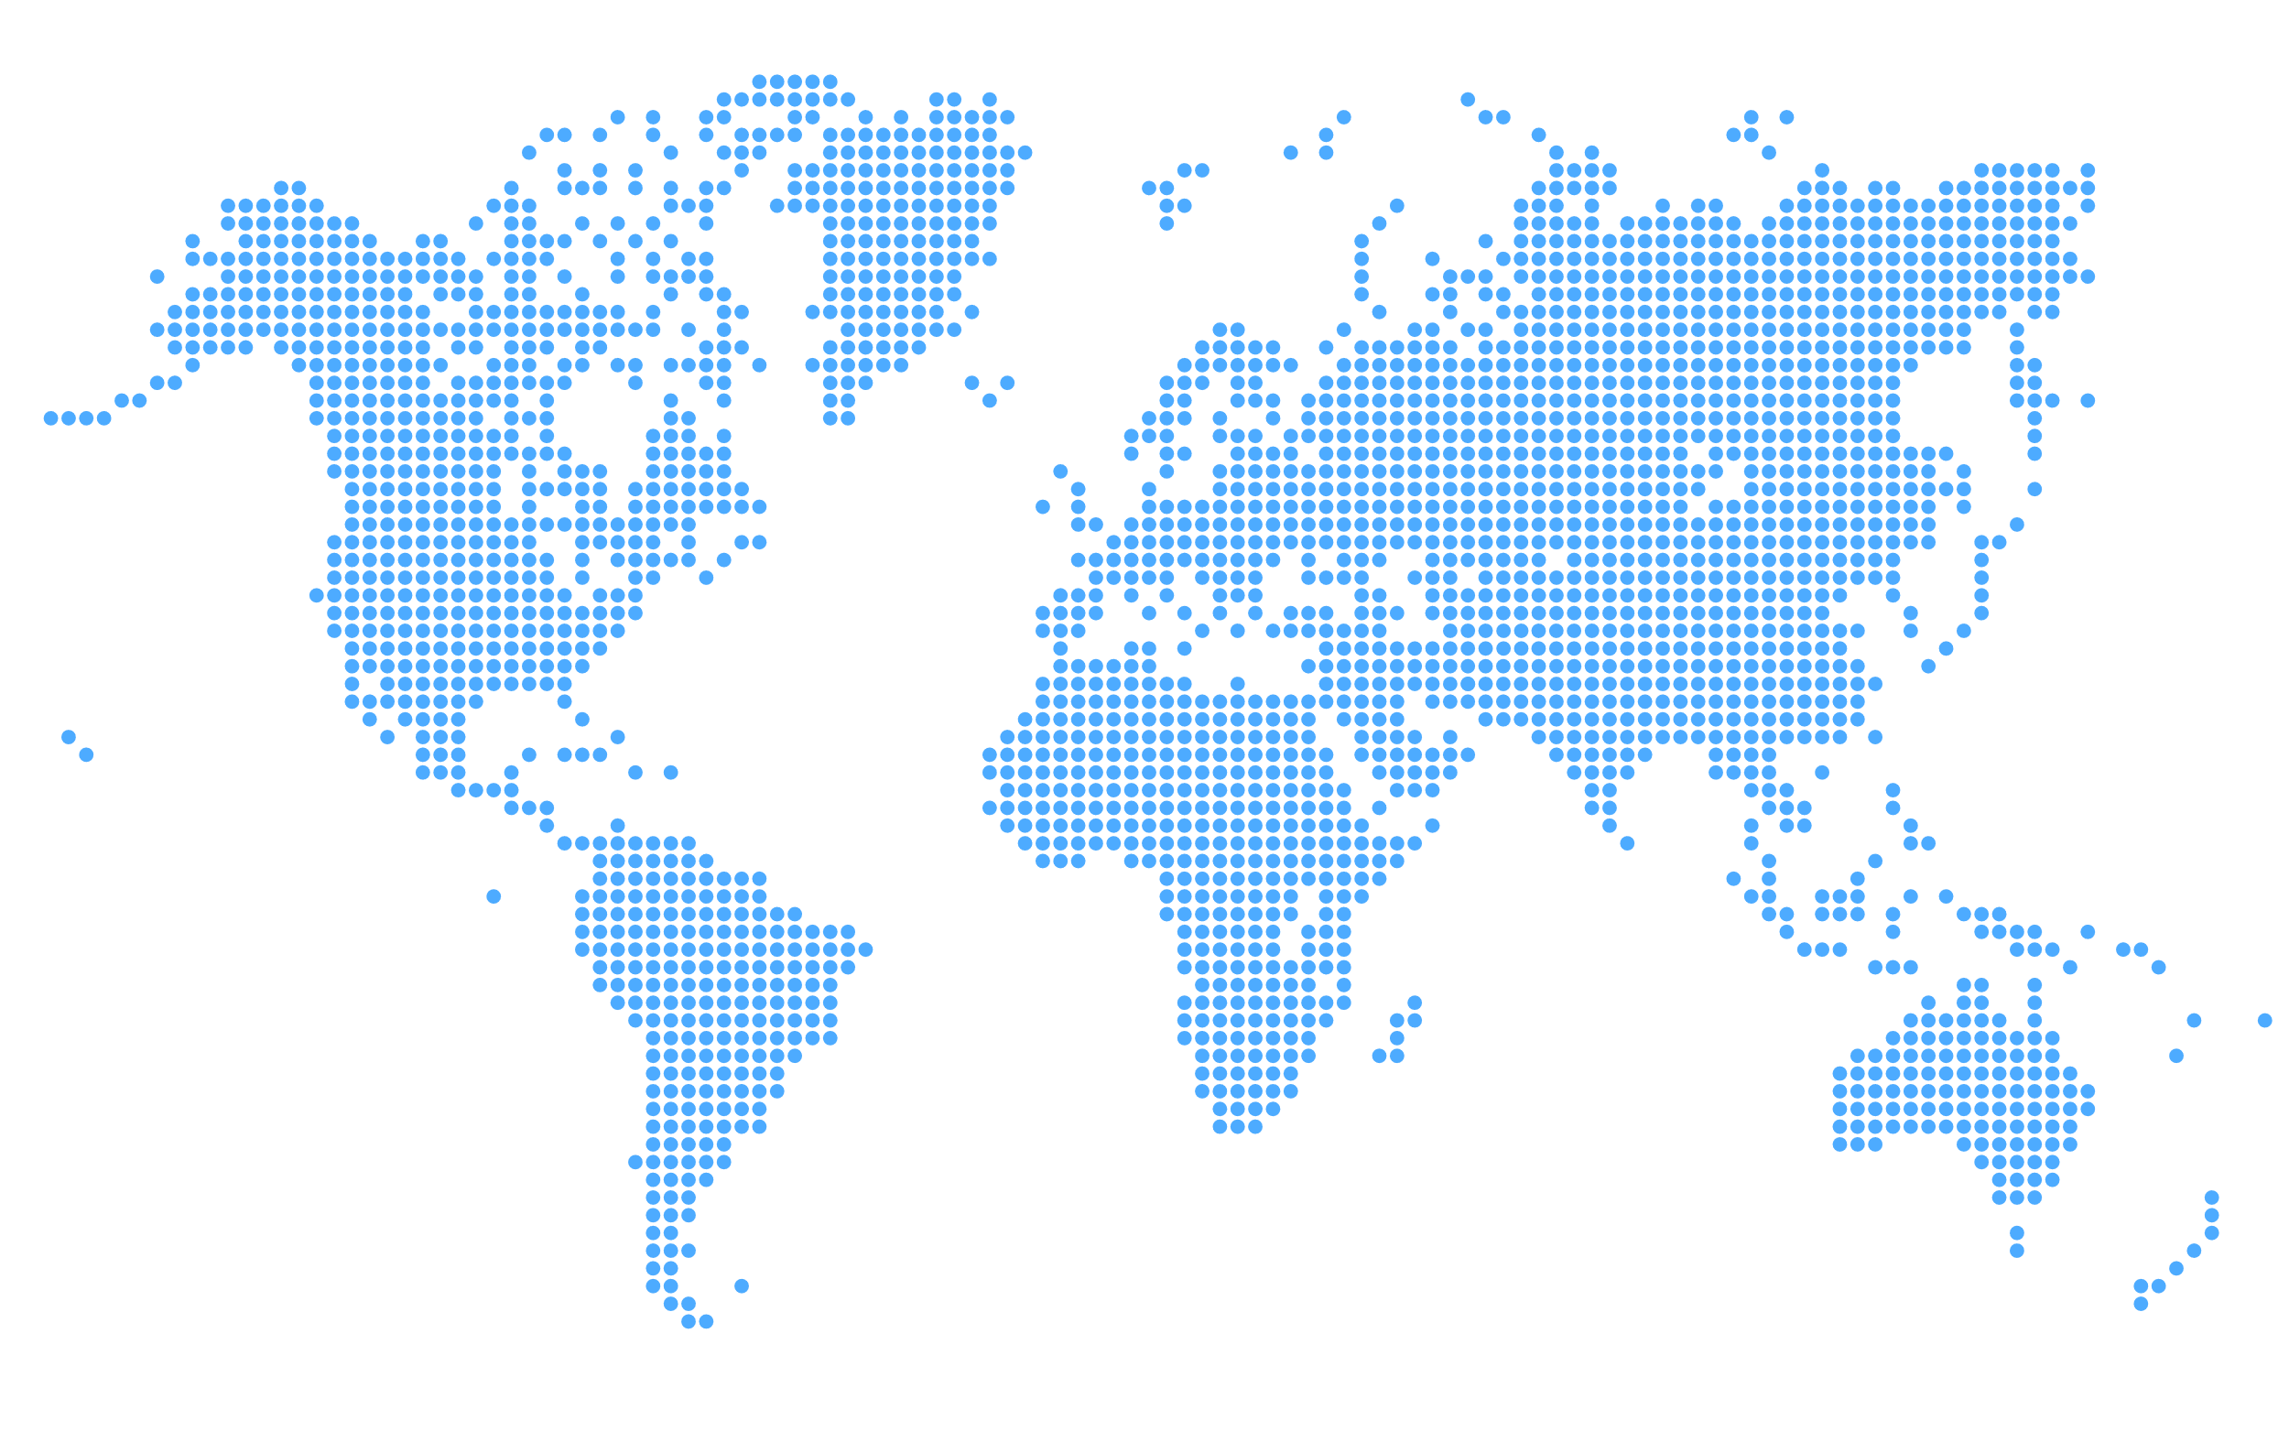

Row Labels | Sum of Amount | Sum of Amount2 |  | Column Labels |  |  |  |  |  |  | Sum of Amount | Sum of Target | Row Labels | Sum of Amount | Sum of Amount2 |  | Country | Amount | Highest quantity | Highest quantity | W/O highest quantity | W/o highest quantity
Brazil | 126,472 | 11% |  | Brazil | Canada | Egypt | Russia | United Kingdom | USA | Grand Total | 1,169,400 | 1,780,426 | Brazil | 126,472 | 11% |  | Brazil | 126,472 |  |  | • | •
Canada | 125,960 | 11% | Sum of Amount | 126,472 | 125,960 | 364,236 | 187,412 | 167,840 | 197,480 | 1,169,400 |  |  | Canada | 125,960 | 11% |  | Canada | 125,960 |  |  | • | •
Egypt | 364,236 | 31% |  |  |  |  |  |  |  |  |  |  | Egypt | 364,236 | 31% |  | Egypt | 364,236 | • | •
Russia | 187,412 | 16% |  |  |  |  |  |  |  |  |  |  | Russia | 187,412 | 16% |  | Russia | 187,412 |  |  | • | •
United Kingdom | 167,840 | 14% |  |  |  |  |  |  |  |  | Target failed to meet | Target Achieved | United Kingdom | 167,840 | 14% |  | United Kingdom | 167,840 |  |  | • | •
USA | 197,480 | 17% |  |  |  |  |  |  |  |  | 34% | 66% | USA | 197,480 | 17% |  | USA | 197,480 |  |  | • | •
Grand Total | 1,169,400 | 100% |  |  |  |  |  |  |  |  |  |  | Grand Total | 1,169,400 | 100%
 |  |  |  |  |  |  |  |  |  |  | X | Y |  |  |  |  |  |  |  |  |  | ˖
 |  |  |  |  |  |  |  |  |  |  | 0 | 1
 |  |  |  |  |  |  |  |  |  |  | 0.83341646659 | -0.55264544982
 |  |  | Country | Amount | Amount in P
•
•
 |  |  | Brazil | 126,472 | 11%
 |  |  | Canada | 125,960 | 11%
 |  |  | Egypt | 364,236 | 31% |  |  |  |  |  |  |  |  |  |  | •
 |  |  | Russia | 187,412 | 16%
 |  |  | United Kingdom | 167,840 | 14%
 |  |  | USA | 197,480 | 17%

 |  |  | Country | Highest quantity | Highest quantity | W/O highest quantity | W/o highest quantity

D2 - Country-wise Distribution
GENPACT
Browse
Income Sources
Country-wise Distribution
Sales
Project Status

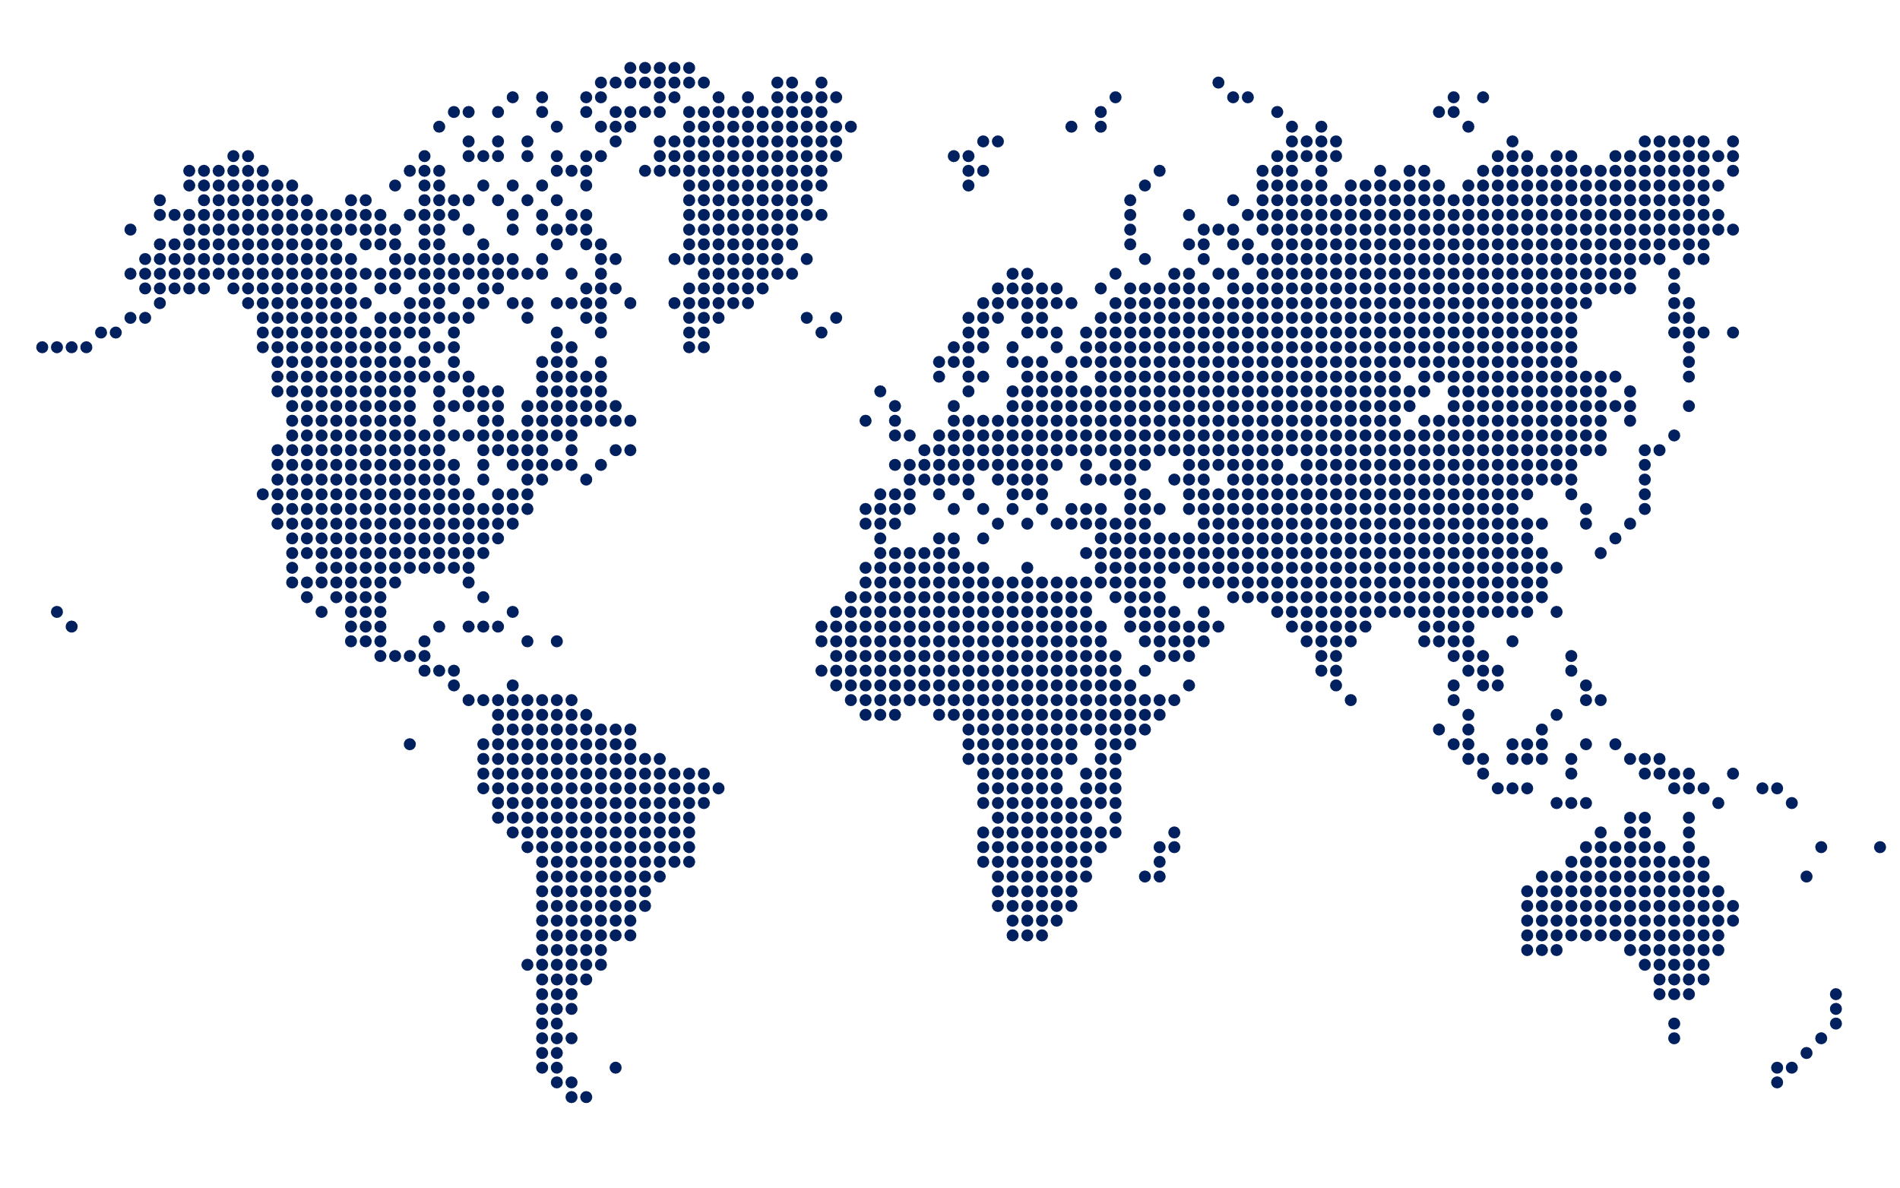
1,169,400
Total Sales

UK
167,840
Russia
187,412
Canada
125,960
•
•
•
•
•
•
•
•
•
•
•
•
•
•
•
•
•
•
•
•
•
•
•
•
•
•
•
 | Brazil | Canada | Egypt | Russia | United Kingdom | USA
Total | 126,472 | 125,960 | 364,236 | 187,412 | 167,840 | 197,480
Brazil
Canada
Egypt
Russia
United Kingdom
USA
126,472
125,960
364,236
187,412
167,840
197,480
11%
11%
31%
16%
14%
17%
•
•
•
•
•
•
•
•
•
•
•
•
•
USA
197,480

•
•
•
•
•
•
•
•
•
•
•
•
•
•
•
•
•
•
Egypt
364,236
•
•
•
•
•
•
•
•
•
•
•
•
•
Brazil
126,472
•
•

 |  | Y&X
 | 34% | 1
 | 66% | -0.55264544982
•
•
•
•
•
•
•
•
•
•
•
•
•

66%

Sales Target

Achieved

PT D3
 | Custom58Lines |  | 2nd |  | For_Dots
Target Achieved | 1 |  | 70% | 0 | 1
RoT | 1 |  | 30% | -0.95674173968 | -0.2909385563
 | 1
 | 1
 | 1
 | 1
 | 1
 | 1
 | 1
 | 1
 | 1
 | 1
 | 1
 | 1
 | 1
 | 1
 | 1
 | 1
 | 1
 | 1
 | 1
 | 1
 | 1
 | 1
 | 1
 | 1
 | 1
 | 1
 | 1
 | 1
 | 1
 | 1
 | 1
 | 1
 | 1
 | 1
 | 1
 | 1
 | 1
 | 1
 | 1
 | 1
 | 1
 | 1
 | 1
 | 1
 | 1
 | 1
 | 1
 | 1
...
 |  |  |  | Percentage
 |  |  |  | 70%
Sum of Amount | Sum of Target | Target Achieved | RoT | 30% |  |  |  |  |  | Row Labels | Sum of Amount | Count of POS | Row Labels | Sum of Amount | Sum of Target | Refund | Successful
294,032 | 418,244 | 70% | 30% |  | Row Labels | Count of POS | PoS | Line | Circle | Branches | 66,198 | 146 | Paid | 225,840 | 324,354 | 23% | 77%
 |  |  |  |  | Website | 622 | Branches |  |  | Website | 227,834 | 622 | Refunded | 68,192 | 93,890
 |  | X | Y |  | Branches | 146 | Website | ׀ | ○ | Grand Total | 294,032 | 768 | Grand Total | 294,032 | 418,244
 |  | 0 | 1 |  | Grand Total | 768
 |  | -0.95674173968 | -0.2909385563
 |  |  |  |  | Row Labels | Count of Payment Method | PM | Line | Circle | Row Labels | Sum of Amount | Count of Payment Method
 |  |  |  |  | Credit Card | 512 | Credit Card | ׀ | ○ | Cash on Delivery | 111,032 | 256
 |  |  |  |  | Cash on Delivery | 256 | Cash on Delivery |  |  | Credit Card | 183,000 | 512
 |  |  |  |  | Grand Total | 768 |  |  |  | Grand Total | 294,032 | 768

 |  |  |  |  | Row Labels | Count of Registration Status | Customer-Info | Line | Circle
 |  |  |  |  | Non-Registered Customer info | 276 | Non-Registered Customer info |  |  | Row Labels | Sum of Amount | Count of Registration Status
 |  |  |  |  | Register Customer info | 492 | Register Customer info | ׀ | ○ | Non-Registered Customer info | 116,392 | 276
 |  |  |  |  | Grand Total | 768 |  |  |  | Register Customer info | 177,640 | 492
Sum of Amount | Sum of Target |  |  |  |  |  |  |  |  | Grand Total | 294,032 | 768
294,032 | 418,244

 |  |  |  |  |  |  |  |  |  |  |  |  |  |  | ○

D3 - Sales
GENPACT
Browse
Income Sources
Country-wise Distribution
Sales
Project Status

Sales Process
66,198
Branch
146
177,640
183,000
492
512
Registered Customers
Set of repeated steps that a sales takes to take a prospective buyer from the early stage of awareness to a sale
Credit Cards
○
○

 | Custom58Lines |  | 2nd |  | For_Dots
Target Achieved | 1 |  | 70% | 0 | 1
RoT | 1 |  | 30% | -0.95674173968 | -0.2909385563
 | 1
 | 1
 | 1
 | 1
 | 1
 | 1
 | 1
 | 1
 | 1
 | 1
 | 1
 | 1
 | 1
 | 1
 | 1
 | 1
 | 1
 | 1
 | 1
 | 1
 | 1
 | 1
 | 1
 | 1
 | 1
 | 1
 | 1
 | 1
 | 1
 | 1
 | 1
 | 1
 | 1
 | 1
 | 1
 | 1
 | 1
 | 1
 | 1
 | 1
 | 1
 | 1
 | 1
 | 1
 | 1
 | 1
 | 1
 | 1
...
Paid Order
768
׀
׀
׀
׀

Total Sales

294,032
׀
Customers

׀
○

Cash
Non-Registered Customers
256
111,032
276
116,392
227,834
Website
622

D4 - Project Status
GENPACT
Browse
Income Sources
Country-wise Distribution
Sales
Project Status

SAMPLE PROCESS FLOW-CHART

