Pivot Tables
 |  | Total Flights | 4819
 |  | Total Airlines | 14

 |  | worse airline | WN

 |  | Highest Share | 20.98062016

 |  | Top 5
 |  | VX | -3.148148148
 |  | AS | -0.9770992366
 |  | DL | -0.8581661891
 |  | WN | 1.288372093
 |  | US | 3.893175074

No.of Arrival Flights per Airline
 | OnTIme | Delayed
Delayed arrival flights per airline | ontime arrival flights per airline

Delayed departure flights per airline | On time departure flights per airline
No.of Departure flights per airline
 | Ontime | Delayed

AVERAGE of DEPARTURE_DELAY vs. ORIGIN_AIRPORT

Dashboard
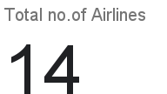
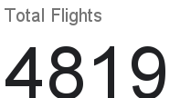
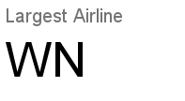
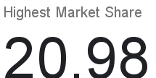
Market Proportion On basis of Airlines

Average Delay Per Airline (Arrival)
Average Delay Per Airline (Departure)

Top 5 Airlines on the basis of Timing
Average Delay Per Day (Arrival)
Average Delay Per Day (Departure)

Average Delay Per Airport (Arrival)
Average Delay Per Airport (Departure)

Breakdown of Number of Flights per Airline (Arrival)
 | On TIme | Delayed
Breakdown of Number of Flights per Airline (Departure)
 | On Time | Delayed

