Sheet1
Name | Father's Name | Mother's Name | Class | Gander | Email ID | Date of Birth | Blood Group | Mobile Number | Village\Colony and Post office Name | District , State and Pincode | Photo of Student | Signature of Student
Arvind Kumar | Ambika Prasad | Prabhawati Devi | B. Tech(IT) | Male | arvindkumar31999@gmail.com | 1999-03-15 | A+ | 7654059203 | Pannapur Naya Tola, Harsidhi | East Champaran, Bihar, 845422 | 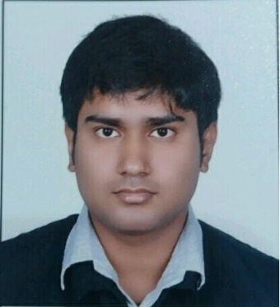
Samar Mahato | Anil Mahato | Sumintra Mahato | B. Tech(IT) | Male | samarmahato2025@gmail.com | 2000-05-25 | B+ | 7864052186 | Islampur, Jagta | Utterdinkshpur, west bengal, 733202 | 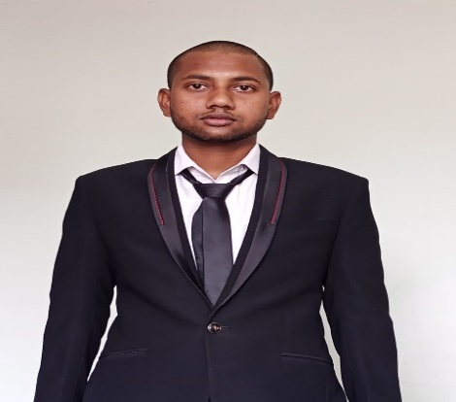
Atul Kumar | Aryakant Jaint | Durgesh Devi | B. Tech(IT) | Male | aryaatul981@gmail.com | 2000-12-19 | B+ | 9878968980 | Sikanderpur Kalan, Khatauli | Muzaffarnagar, Uttar Pradesh, 251201 | 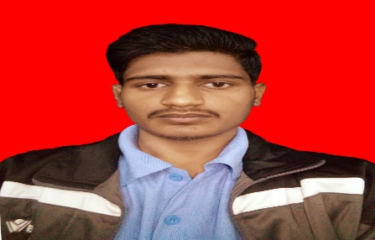 | 
Seenu Kumar | Laxman Nayak | Sony | B. Tech(IT) | Male | katravathseenukumar@gmail.com | 2001-06-02 | B+ | 7796103277 | New Shanti Nagar, Koth Rud | Pune, Maharashtra, 411002 | 