Fund_Rating_Guide
The ultimate fund evaluation questionaire from the perspective of an LP by AQVC
Based on our analysis of approximately 4,000 funds, this guide highlights the key dimensions that professional LPs consider when evaluating whether to invest in your fund

Area | Dimension | Question | Typical LP weight | Benchmark | Comment
Portfolio fit | Geography focus | How great is the fund focused on your targeted investment geographies? | Medium | Not rated yet | TBD
Portfolio fit | Investment stage | How great is the fund focused on your targeted investment stages such as early stage, late stage or others? | High | Not rated yet | TBD
Portfolio fit | Sector focus | How great is the fund focused on your targeted investment sectors such as deep tech, climate tech, B2B tech, others? | High | Not rated yet | TBD
Portfolio fit | Maturity of fund | How great is the fund fitting your targeted investment maturity by having enough historical fund generations (emerging vs. established)? | High | Not rated yet | TBD
Portfolio fit | Investment type | How great is the investment opportunity fitting your targeted investment type such as (primary, secondary) | High | Not rated yet | TBD
Track record | Net IRR | How great is the manager's Net IRR performance compared to benchmarks or other funds in your portfolio? | High | Not rated yet | TBD
Track record | DPI | How great is the manager's DPI performance compared to benchmarks or other funds in your portfolio? | Very high | Not rated yet | TBD
Track record | TVPI | How great is the manager's TVPI performance compared to benchmarks or other funds in your portfolio? | High | Not rated yet | TBD
Track record | RVPI confidence | How confident are you in the remaining portfolio's ability to generate future performance (based on exit potential and ownership levels)? | High | Not rated yet | TBD
Track record | Repeatability of performance | How great is the manager's ability to recreate past performance (outlier vs. consistent returns)? | Very high | Not rated yet | TBD
Track record | Graduation rates | How great is the fund's portfolio companies' ability to secure follow-on financing? | Very high | Not rated yet | TBD
Track record | Co- and follow-on investor quality | How great is the quality & reputation of the fund's portfolio companies co- and follow-on investors? | Very high | Not rated yet | TBD
Track record | Hit rates | How great is the fund's track record on successful exits? | Medium | Not rated yet | TBD
Track record | Write off rates | How great is the funds track record on write off rates (low amount of write-offs is great)? | Medium | Not rated yet | TBD
Track record | Strategy applicability of track record | How great is the track record applicable to the future strategy of the fund? | High | Not rated yet | TBD
Track record | Fundreturner rates | How great is the funds track record on fund returner rates (companies turning into fund returner)? | High | Not rated yet | TBD
Track record | Fund performance consistency | How consistent is the managers performance across prior funds (volatility, outliers, consistency)? | High | Not rated yet | TBD
Track record | Performance attribution | How clearly can the manager attribute value creation (alpha vs. market, timing, or sector beta)? | High | Not rated yet | TBD
Track record | Cash realization pace | How fast has the fund realized returns (cash-on-cash in time vs. paper NAV)? | Medium | Not rated yet | TBD
Track record | Benchmark-relative return | How does the funds performance compare to top-quartile benchmarks for the same vintage, stage, and geography? | High | Not rated yet | TBD
Strategy & future performance | Differentiation & competitive positioning | How great is the funds uniqueness, differentiation and competitive positioning in the target market? | High | Not rated yet | TBD
Strategy & future performance | Thesis & USP | How great is the funds clarity of thesis and USP in the market? | High | Not rated yet | TBD
Strategy & future performance | Market & sector opportunity | How great is the funds targeted market & sector in terms of attractiveness (high margins, time to returns, growth e.g.) | High | Not rated yet | TBD
Strategy & future performance | Fund model & size | How great is the funds set-up towards its size being aligned with the market opportunity and ability to generate consistent returns? | Medium | Not rated yet | TBD
Strategy & future performance | Dealflow & sourcing | How great is the funds ability for sourcing dealflow and gaining access to deals (from downstream network or lead generator)? | Very high | Not rated yet | TBD
Strategy & future performance | Value creation playbook | How great is the funds ability to generate value for their portfolio companies and founders (network, know-how, staff, contingency handling, and follow-on financing e.g.)? | High | Not rated yet | TBD
Strategy & future performance | Deal winning capability | How great is the team's capability to win deals? | Very high | Not rated yet | TBD
Strategy & future performance | Exit capabilities | How great is the funds ability to exit portfolio companies at high valuations (network to buyer, M&A activity e.g.)? | Very high | Not rated yet | TBD
Strategy & future performance | Graduation capabilities | How great is the funds ability to attract funding upstream? | Very high | Not rated yet | TBD
Strategy & future performance | Deal structuring | How great is the funds ability to structure deals & favourable investment terms (valuation, call-options, liq pref, vesting terms, governance, syndication)? | High | Not rated yet | TBD
Strategy & future performance | Investment discipline | How great is the funds ability to execute on a disciplined strategy around target ownership, check size, entry valuations, reserves and portfolio fit? | High | Not rated yet | TBD
Strategy & future performance | Resilience to macro trends | How resilient is the fund's strategy in the face of macro downturns or changing venture cycles? | High | Not rated yet | TBD
Strategy & future performance | AI / tech adaptation | How well has the fund adapted to or integrated emerging technologies (e.g., AI, web3, biotech shifts) into its strategy? | High | Not rated yet | TBD
Strategy & future performance | Capital efficiency | How disciplined is the fund in deploying capital relative to outcomes (burn, dilution, reserve usage)? | High | Not rated yet | TBD
Strategy & future performance | Competitive edge evolution | How has the fund evolved or protected its edge over time (e.g. sourcing, branding, specialization)? | High | Not rated yet | TBD
Team | Team dynamics | How great is the teams internal cultural & dynamical fit? | Very high | Not rated yet | TBD
Team | Competence fit | How great is the teams range of complementary operational, entrepreneurial, and investment experience? | High | Not rated yet | TBD
Team | Culture fit with LP | How great is the funds culture fit with the LP? | Medium | Not rated yet | TBD
Team | Domain expertise | How great is the teams level of domain expertise for the investment fields? | High | Not rated yet | TBD
Team | Investment expertise | How great is the teams level of investment expertise (experience on VC deals)? | High | Not rated yet | TBD
Team | Pitching & storytelling ability | How great is the teams ability for storytelling and pitching to investors? | Medium | Not rated yet | TBD
Team | Hustling mentality | How great is the teams level of motivation and hustling mentality? | High | Not rated yet | TBD
Team | Intellectual honesty of team | How great is the teams level of intellectual honesty, openness to failures and empathy? | Very high | Not rated yet | TBD
Team | GP commitment | How much capital have the GPs personally committed, and what share of their personal wealth does it represent? | High | Not rated yet | TBD
Team | Team stability | How stable is the core team across fund generations? | Medium | Not rated yet | TBD
Team | Succession planning | How credible is the funds succession and leadership continuity plan? | Medium | Not rated yet | TBD
Team | Team incentive alignment | How well aligned are team incentives with long-term performance (e.g. carry distribution, vesting, clawback)? | High | Not rated yet | TBD
Processes, governance and other | Investor relations, data availability and communication | How great is the funds ability for kind, effective and transparent communication to investors, ensuring data access, timely and clear updates on fund performance, strategy, and any relevant developments for LPs? | High | Not rated yet | TBD
Processes, governance and other | Fundraising ability | How great is the funds set-up & infrastructure to raise their current and future fund (Ideal investor profile, fundraising pipeline, institutional readiness)? | Medium | Not rated yet | TBD
Processes, governance and other | Fund economics | How great is the funds set-up towards running a sustainability of its P&L? | Medium | Not rated yet | TBD
Processes, governance and other | Due dillegence capability | How great is the funds ability for a thorough due diligence process, emphasizing the systematic approach taken to assess potential investments and mitigate risks | Medium | Not rated yet | TBD
Processes, governance and other | ESG | How great is the funds focus & ability of integrating environmental, social, and governance (ESG) factors into their investment decisions and not investing in topics such as coal, unconventional oil & gas, nuclear power, arms and weapons, tobacco, alcohol, adult entertainment, gambling, weapons. | Medium | Not rated yet | TBD
Processes, governance and other | Exclusivity of opportunity | How great is the funds perception of being access-constrained & oversubscribed? | High | Not rated yet | TBD
Processes, governance and other | Reputation & brand | How great is the funds perception of being a strong and respected brand making great investments? | High | Not rated yet | TBD
Processes, governance and other | Co-investment opportunities | How great is the funds approach to providing co-investment opportunities, showcasing the ability to let LPs participate in direct investment opportunities? | Medium | Not rated yet | TBD
Processes, governance and other | Know-how transfer | How great is the funds commitment to knowledge transfer to LPs, illustrating how the fund shares insights, expertise, and strategic information to enhance the overall partnership experience? | Low | Not rated yet | TBD
Processes, governance and other | Alignment of interests | How great is the funds extend of alignment of interests with LPs in regards to market-standard fees , GP commitment, and fair distribution of economics within the team of the management company. | High | Not rated yet | TBD
Processes, governance and other | Fund terms | How great is the funds offering regarding terms such as management fee, hurdle rates or the carry structure? | High | Not rated yet | TBD
Processes, governance and other | LP quality | How great is the funds LP base in terms of quality, diversity and loyalty? | Very high | Not rated yet | TBD
Processes, governance and other | LP references | How great is the funds perception from other LPs? | Very high | Not rated yet | TBD
Processes, governance and other | Founder references | How great is the funds perception from founders? | Very high | Not rated yet | TBD
Risk | Team risk | How great is the funds team risk? | High | Not rated yet | TBD
Risk | Processes, governance & other risk | How great are the funds risks at processes, governance and other aspects? | High | Not rated yet | TBD
Risk | Track record risk | How great is the funds track record risk? | High | Not rated yet | TBD
Risk | Strategy & future performance risk | How great is the fund's strategy, and how robust are the future performance indicators risk | High | Not rated yet | TBD
Risk | Liquidity risk | How likely is it that LPs will face extended illiquidity beyond the stated fund term? | High | Not rated yet | TBD
Risk | Concentration risk | How concentrated is the portfolio in terms of geography, sector, or single assets? | High | Not rated yet | TBD
Risk | GP dependency risk | How dependent is the success of the fund on one or two key individuals? | High | Not rated yet | TBD
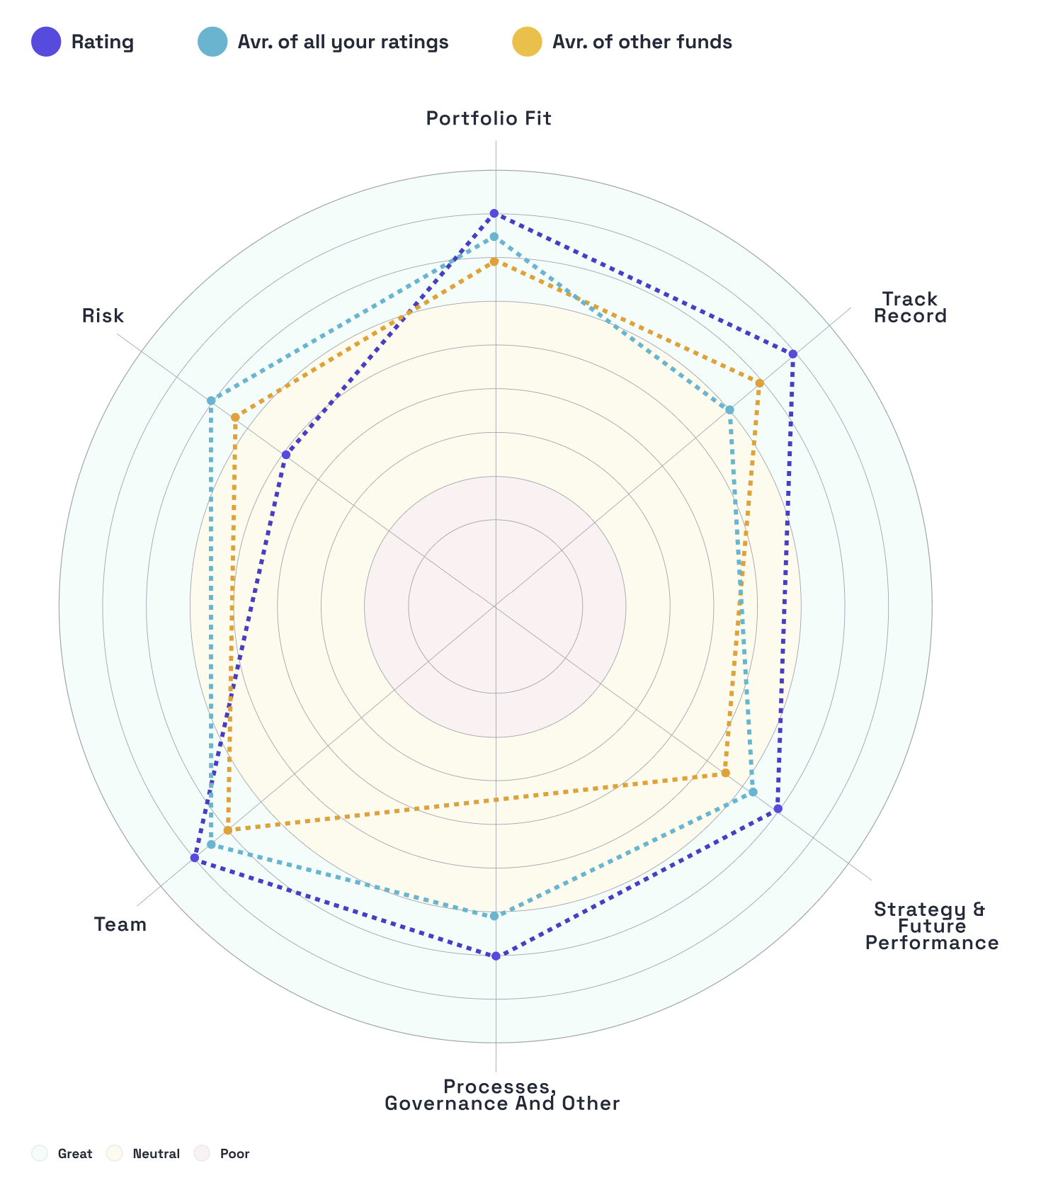
Risk | Regulatory risk | How exposed is the fund to regulatory or political risk based on its investment geographies or sectors? | High | Not rated yet | TBD

