Sheet1
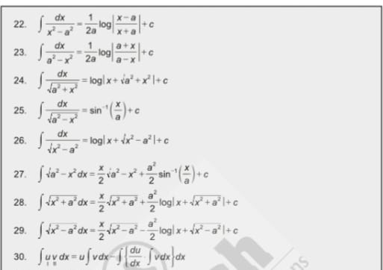
Name | Panel | Questions
Harsh | Riddhi Maam | Intro | Armed forces | 10th 12th
 | B K Mohanty | Fav sub | Maths | Realtion function
 |  |  |  | LCD | |x| continuous and differential
 |  |  |  | Probability
 |  | iMBA VS Btech | Tech+Management |  | Join Arm forces and hence leadership skills
 |  | Hobby | Cricket\Dance | District level dance
 |  |  |  | Things which you can implement from cricket in management

Aryan Gupta | Saumya Dixit | Intro
 | Two more | Fav Sub | Maths
 |  | Percentile |  | Area under the curve
 |  | 10th 12th percent |  | Basic square roots if x^2 =16 value of x
 |  | Extra curricular |  | Complex rule: Properties
 |  |  | GK | 3 projects of elon musk
 |  |  |  | Twitter ka new name
 |  |  |  | Meruth se gurgaon agr jaaoge to sbse aacha fastest + affordable transport
 |  |  |  | Safest mode of transport and costly
 |  | Why AI in management
 |  | Who is your role model
 |  | Whom do you get inspired by in you lows
 |  | Other opportunities and why iMBA only
 |  | Would you like to go foreign country for your further study | NO | Family : Then go to a close college
 |  | Finance minister of India
 |  | Major changes in Budget | Which sector was profitable
 |  |  | Which sector was in loss
 |  | Any sports | Cricket roles and level | FAV team: RCB due to consiostency and loyalty
 |  | Schooling:
 |  | Social media | Pros and cons and impact
 |  | How will you apply concepts of differentiation and integration in your life
 |  | Maths | Which topic | Calculus
 |  |  |  | Trigo not pasand so asked trigo

Vasant | Puran sir | Intro | Hobby | How will you say you are better than your brother
 |  | Dist between my district and nearby dist
 |  | Scored well in maths so questions from maths | Trigo | sin(pie+x)…. Properties and stuff
 |  |  | Calculus | x^n and integration then a^x fn inc or not
 |  |  | Set theory | define AUB in words
 |  |  | Vein diagrams
 |  |  | Complex numbers | What is real and img part mod in complex
 |  |  | Quad | what is linear eqn quad eqn and polynomial
 |  |  |  | slope
 |  | wearing spects and skected is it correct or not 70 percent wearing specs
 |  | Why iMBA | Learn both technical and MBA
 |  |  | why not Btech+MBA

Ramcharan | Asish | Intro
 | Manoj | I want to visit your place what is special | explained that coal factory and all
 |  |  | What is process to get coal
 |  | 8+8=8 move one stick and prove
 |  | Fav sub | Maths | Continuity of a function
 |  |  | Determinants | Adjoint of a matrix and inverse of the samne matrix
 |  |  |  | Rank of a matrix
 |  |  | Permutation and combination | Number of PnC
 |  | Hobby | Play Flute and solve cubes talk friends
 |  |  | Which cube can you solve

Pulak | Puran | Intro
 |  | Why iMBA
 |  | How your friends describe you
 |  | Why less in boards
 |  | Do you know any programming language | Extra subject ki vajah se
 |  | Where do you see yourself
 |  | Which is your strong sub | Strong topic | Relations and functions
 |  |  |  | Matrix | Matrix multiplication in detail

 |  | Advice: Mention your best Achivements and show your teamwork skiils

Govind | Decehn Angmo | Intro
 | Swain sir | Fav sub | Maths | Uclidian space
 |  |  |  | Proof of cone volume
 |  | What does iit mandi symbol represent
 |  | Director of SOM
 |  | Read broucher carefully
 |  | Where do you see yourself in 5 years

Atharva B | Saumya Dixit | Intro | Def background
 | Swain | Highest scoring | Physics | Moment of inertia : cylinder through perpendicular bisector
 |  |  |  | Fluid
 |  |  |  | Atom disintegration
 |  | Lowest score | Maths:Strong chap and weak chap | Weak chap pr questions hue hai:
 |  |  |  | Binomial Theorem | Adv prev year question
 |  |  |  | PnC | 10 points and triangle
 |  |  | Strong | Calculus | Baloon x y z ke terms me draw a diagram rate at which it is increasing
 |  |  | Buisness | Given 1cr what will you do.
 |  | Adv rank and number

Kanishq | Swain | Intro
 | Mohanty | Hobby | Sports, Chess, Badminton fav, cricket tema | Dist gold in badminton
 | saumya maam | Don’t you have intrest in singing and dancing | Not singing
 |  | If you are given a chance to do sing will you do it
 |  | Why IIT
 |  | Any other exams
 |  | NDA
 |  | What do you know about DS and AI
 |  | Test skills
 |  | Marksheets pf 10th and 12th
 |  | Fav sub | Fav topic | Probab: | 1 disc rolled 10 times prob that it gets 1 and 6
 |  |  |  |  | 3 random cards : prob that 4 king from remaning
 |  |  |  | Ap Gp | Exponential progression
 |  |  |  |  | Graph of AP GP
 |  |  |  | Will you take iit mandi or iit based on adv

Chetan | Mohanty | Intro
 | Saumya | Father Occupation
 | Asish | Fav sub order | Maths/Physics | Calculus | What is differentiation
 |  |  |  |  | Integrate a^x and e^x
 |  |  | Physics | Define any one topic | Dual Nature of particle
 |  |  |  |  | e=MC^2 define
 |  |  | Economy | India GDP rank
 |  |  |  | Per capita income | Formula
 |  | Why less in 12th than 10th
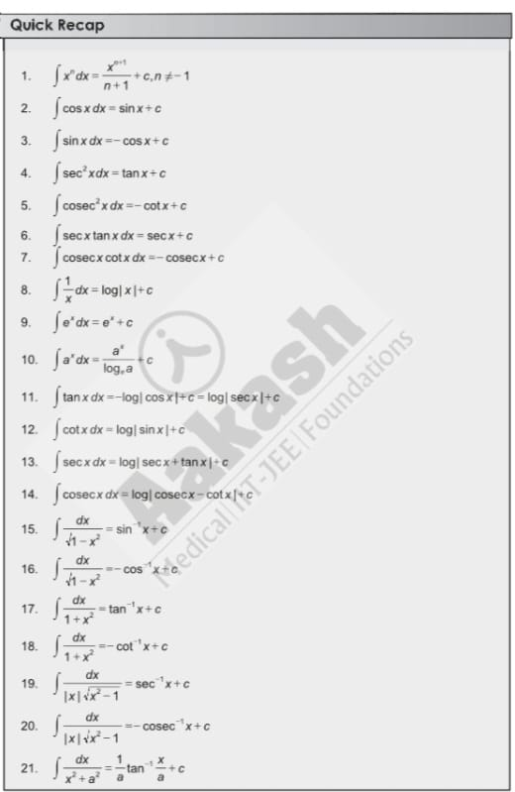
 |  | less in maths still maths is a fav subject
 |  | IIT Mandi CSE VS iMBA

Raghvi | B K Mohanty | Intro: Mentioned state | Population of MP
 | Ridhi | What is your hobby | Photography | How will you use AI in photo
 |  |  | Tell me names of some famous photographers | tell me 3 AI photo editing apps
 |  | Based on 10th 12th marksheets Maths was good | Integration | log(e^x(**2))

