Valuation Report=LAP Resale
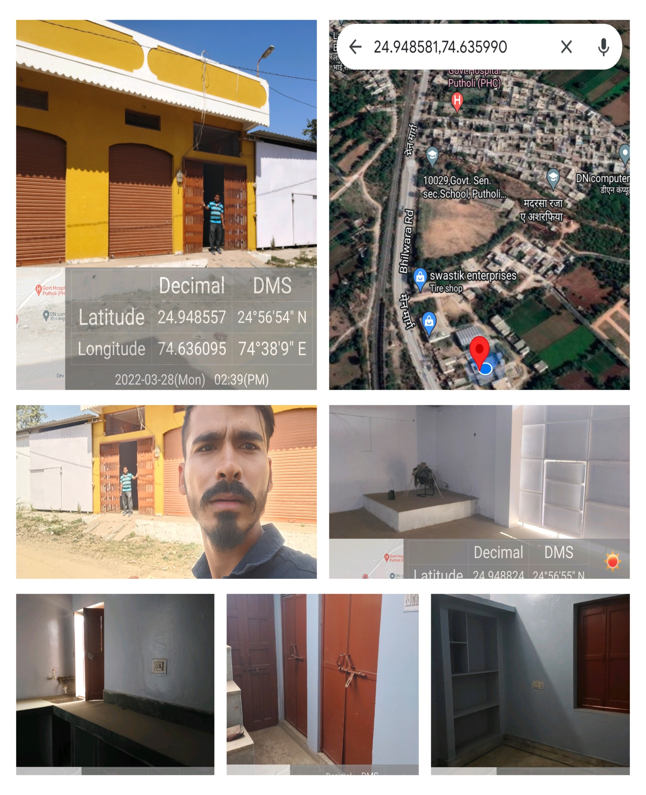
CHOLAMANDALAM INVESTMENT & FINANCE COMPANY LTD. |  |  |  |  |  |  | S
VALUATION REPORT
Property Valuation Report for Home Equity
Ref. No. : |  |  |  |  | Date Of Visit: | 29/3/2022
Customer Name: | Mr. Gopal Lal S/O Sh. Banshi Lal Ji Khothari |  |  |  | Application No. | 10068192
Contact No. & Person whom Contacted : |  |  | 8003595763
DMA Name:
Property Details: | Basement Floor :-
 | Ground Floor :- 1500sqft R-2,Shop-2,H-1,L&B-3,K-2,(RCC Roof & Marble Flooring), 1450sqft H-1(Tin Shed,Kota Stone Flooring)
 | Mazine Floor :- |  |  |  |  |  |  | 1450
 | First Floor :-
 | Second Floor :-
 | Third Floor :- Nil
Postal Address (As per firing) | Plot no.-72,73,74, Gram-Putholi,Tehsil-Gangrar,Distt.-Chittorgarh
Address as per (Document submitted) | Plot no.-72,73,74, Gram-Putholi,Tehsil-Gangrar,Distt.-Chittorgarh
Nearby landmark: | Ashoka Layland Service Centre |  | Distance from Bus Stand |  | 1 Km.
Distance from Railway Station |  | 2.5 Km. | Distance from Airport |  | N,A.
Class of Locality in surrounding area | Middle |  | Use of Property | Residential
Age of the Property (approx.) | 8 Year, |  | Residual age of the property |  | 52Year
Occupied By | Applicant / Relative / Tenant / Vacant |  |  | DLC RATERs. | 219
Description of the Property | Plot area as per papers (in sqft) | Actual Area (in sqft) | Rate per Sqft (After Depreciated) | Total Permissible Value (in Rs.) | Total Actual value (in Rs.) | DLC Value
Property Land Area | 3000.00 | 3000.00 | 650.00 | Rs.1,950,000 /- | 1950000 | 657000
BUA/SBUA/Salable area |  | 0 | 0 | 0 | 0 | 0
Basement Floor | 0 | 0 | 0 | Rs.00 /- | 0 | 0
Ground Floor | 1500 | 1500 | 1200 | Rs.1,800,000 /- | 1800000 | 1800000
First Floor | 0 | 0 | 0 | Rs.00 /- | 0 | 0
Second Floor | 0 | 0 | 0 | Rs.00 /- | 0 | 0
Mazanine Floor | 0 | 0 | 0 | Rs.00 /- | 0 | 0
Total Value of the Property (Land & Building) (In Rs.) |  |  |  | Rs.3,750,000 /- | 3750000 | 2457000
Distress sale Value |  |  | 3000000
Dimension & Boundaries Details
Dimensions | East | West | North | South
As per document | 50' | 50' | 60' | 60'
Actual | 50' | 50' | 60' | 60'
Boundaries
As per document | Plott no.-75 | Plot no.-46,47 | Plot no.-69,70,71 | Road
Actual | Plott no.-75 | Plot no.-46,47 | Plot no.-69,70,71 | Road
Deviation Details:
Area | Compoundable Permissible Area (in sqft) | Actual Area (in sqft) | Deviation area (in Sqft) |  | Deviation in % |  |  |  | 1500
Basement Floor | 0 | 0 | 0 |  | #DIV/0!
Ground Floor | 1500 | 1200 | 1500 |  | 15.00%
First Floor | 0 | 0 | 0 |  | #DIV/0!
Second Floor | 0 | 0 | 0 |  | #DIV/0!
Mazanine Floor | 0 | 0 | 0 |  | #DIV/0!
FSI (FAR) | 0 | 1
Details of Document Submitted:
S. No. | Description |  | Ref. No and Date
1 | Approved Map |  | N.P.
Reference Details (Minimum Two)
Name of the Person = |  |  | Contact Details =
NA |  |  | NA
NA |  |  | NA
Visit Details:
Name of the Person =Gopal Khothari |  |  | Contact Number =8003595763 |  | Visiting Time = 29/03/2022
Discrepancies / Mismatch of the Details if any; |  |  | NA
Electricity Details
Name in which the connections stands |  |  | Reference No. |  | Latest bill date available
NA |  |  | NA |  | NA
RISK OF DEMOLITION |  | Low | Medium | High | Nil
Fourth Floor | NA |  | NA | NA | NA
Chick List
1. Documents details match with actual property at site |  |  |  |  | Yes
2. Documents submitted is clear and legible |  |  |  |  | Yes
3. Stamp and seal by proper approving authority is available |  |  |  |  | Yes
4. Originals of Documents submitted is verified |  |  |  |  | N.A.
5. Ownership confirmed by any other documents |  |  |  |  | Yes
6. Customer is co operative in valuation |  |  |  |  | Yes
7. Proper accessibility is available to reach the property |  |  |  |  | Yes
I hereby confirm that the above mentioned property is marketable & recommended to accept as security
Remarks :-Nil
For

(Authorized Signatory)
Place:- | CHITTORGARH |  |  |  | Date : 29/03/2022

