Sheet1
RAM GOPAL KALANTRI B. E. ( CIVIL )Chartered Engineer MIE (AM—093828/1) Govt. Approved Valuer –MIV (F-16181) Valuer of I.T. Under Sec. 34 AB of Wealth Tax CCIT/UDR/ITO (Tech.)/Valuer /CAT-I/2008-09/01 Valuer of Lic, Banks,Surveyor & Loss Assessor Govt & Pvt Contractor |  |  |  |  |  | Res.155/4,Gandhi Nagar,CHITTORGARH (Raj) H.O.: 212,New Cloth MarketCHITTORGARH-312001 B.O.: 15-C Aadarsh Nagar, University Road , Udaipur. Mob:94143-96659, 7340379266 (01472) 244252 (O)249552® Email.: rgkalantri@gmail.com

VALUATION REPORT
FOR AXIS BANK – BHARAT BANKING
Report Ref:
Report Initiated by Area |  |  | Chittorgarh |  | Name of Area |  |  | Chittorgarh
Date of Property Visit |  |  | 2026-02-12 |  | Date of report |  |  | 2026-02-12
Property Owner |  |  | Sh. Gopi Lal S/O Shiv Lal Tank
Details of the Property Being Valued
Location of Property |  |  | Urban / Semi-Urban / Rural/Gram Panchayat
 |  |  | Corporation / Municipality / Town or Gram Panchayat or Rural
 |  |  | If Town or Gram Panchayat, Please chode the appropriate one in below:
 |  |  | Type 1: Layout plan & Individual Construction both are approved by Town Planning Authority
 |  |  | Type 2A: Layout Plan approved by Town Planning Authority and construction approved by Grampanchayat |  |  |  |  |  |  |  |  |  | 384.4
 |  |  | Type 2B: Layout plan & Individual Construction both are approved by Grampanchayat but property now falls in Muncipality
 |  |  | Type 3: Layout plan & Individual Construction both are approved by Grampanchayat but property now falls outside Gram Panchayat
Documents Provided |  |  | Copy Sale Deed /Approved Layout /Approved Building Plan /Commencement Certificate /Occupancy Certificate /Copy Partition Deed /Copy Release Deed / Copy Reg. Sale Deed

Sale Deed Number(s) |  |  | 1 Sale deed in name of Sh. Gopi Lal S/O Shiv Lal Tank
Plot No / S.No/ G.No/ Khasra No/Patta No |  |  | House no.143,Aaraji No.813 |  |  |  | Road |  | 30'Road
Colony/Nagar/Sector |  |  | Tilak nagar |  |  |  | Locality / Landmark: |  | Near -Govt. School
Village/Town/City |  |  | Pratapgarh |  |  |  | District |  | District
State |  |  | Rajasthan |  |  |  | Pincode |  | 312604
Distance from City Centre |  |  |  |  |  |  | 110km
Latitude |  |  |  | 24.042889 |  |  | Longitude |  |  | 74.773633
Type of Property

(A) Plot / Under Construction |  |  |  |  |  | Residential / Commercial / Industrial/ Vacant Land/Plot
Level of land with topographical conditions |  |  |  |  |  | Plane
Any construction observed on plot |  |  |  |  |  | Yes
% of Construction, in case of under construction |  |  |  |  |  | 0
Weather Vacant Land Property is demarcated |  |  |  |  |  | Yes/No
(B) Residential Property: |  |  |  |  |  | Independent house /Bungalow / Row House/ Flat
Civic Amenities like school, hospital, market, etc. |  |  |  |  |  | Available , within the radius of 1 kms
(C) Commercial/Industrial Property: |  |  |  |  |  | Office /Shop /Unit in a mall /Godown /Industry
Accessibility/ Boundaries/Others
 |  |  |  |  |  |  |  |  |  |  |  |  |  |  |  |  |  | 1371.34
Availability of local transport |  |  |  |  |  | Metro / Local Train / Bus / Personal Transport
Distance from Railway station |  |  | 30km |  |  | Bus stop/ Taxi/ Auto Stand |  |  | 2km |  |  |  |  |  |  |  |  |  | 17742.06
Does the approach road to the building is Clear |  |  | Yes / No Remark |  |  | Will it be able to accommodate a fire extinguisher |  |  | Yes / No

Does the property falls under land locked area |  |  | Yes / No |  |  | Does the property falls in a community dominated area |  |  | Yes / No

Does the boundaries at site match, as mentioned in documentation |  |  |  |  |  | Yes / No |  |  |  |  |  | 546 |  |  | 1920
Boundaries/Dimensions (As per Prop Doc/MAP) |  |  |  |  |  | Boundaries/Dimensions (As per Actual Site)

North | Aaraji no.813 |  |  |  |  | North | open land
South | H/o of Vishnu Rajput |  |  |  |  | South | H/o of Vishnu Rajput
East | Road 30' |  |  |  |  | East | Road 30'
West | House of Paliwal |  |  |  |  | West | House of Paliwal |  |  |  |  |  |  |  |  |  |  |  |  |  | 851
Plot Area as per documents:(Sqft.) |  |  |  | 875.00 |  | Plot area as per actual site:(Sqft.) |  |  |  | 875.00
Class of locality |  |  |  |  |  | Posh /Higher Middle Class /Middle class /Lower middle Class /Poor
Quality of Infrastructure in the vicinity |  |  |  |  |  | Excellent / Good / Average /Poor
Ownership Status of the Property |  |  |  |  |  | Lease Hold / Free Hold / Reg. Lease / Govt. Authority, specify
Approved usage of property |  |  |  |  |  | Industrial / Commercial / Residential /Mix / Others
Actual usage of property |  |  |  |  |  | Industrial / Commercial / Residential /Mix / Others
Restrictive covenants in regards to Land Use, (if any) |  |  |  |  |  | nill
Type of Structure |  |  |  |  |  | Load Bearing/RCC/Aluform Shuttering
No. of Floors |  |  |  |  |  | 3
Occupancy Details |  |  |  |  |  | Self-Occupied / Rented / Vacant |  |  |  |  |  |  |  |  |  |  |  |  |  |  | 414
If the property is on rent: |  |  |  |  |  | NA
Number of tenant and there details |  |  |  |  |  | NA
Name of tenant/leasee: |  |  | na |  |  | Number of years in tenancy |  |  | Na
Was there any resistance for valuation: |  |  | Yes / No |  |  | If yes, from the current occupants: |  |  | Yes / No /Na |  |  |  |  |  |  |  |  |  |  |  | 6171
property have basic amenities |  |  |  |  |  | Electricity / Water / Drainage connection
Development of surrounding area |  |  |  |  |  | Underdeveloped /Developing / Developed
Approval Details
 |  |  |  |  |  |  |  |  |  |  |  |  |  |  |  |  |  |  |  | 5865
Layout Approval Number
Date of Approval |  |  | na |  |  | Expiry Date |  |  | N/A
Building Plan Approval Number
Date of Approval |  |  | na |  |  | Expiry Date |  |  | N/A
Construction Details

Area of the Plot/Flat (in Sq.Ft.) |  |  |  | 875.00 |  | Approved Built Up Area (in Sq.Ft.) |  |  |  | 1900.00
Demarcation at Site |  |  |  |  |  | Yes/No |  |  |  |  |  | 2030
Floor wise break up as follows in Sq.Ft.

Floor |  | Constructed Actual Area as per Site (Sq.ft) |  | Approved Area as per plan (Sq.ft) |  | Permissible Area as per Byelaws (Sq.ft) |  | Area considered for valuation (Sq.ft) |  | Current Usage |  |  |  | 98.513011152
Basement |  | 0.00 |  | 0.00 |  | 0.00 |  | 0.00 |  | Residential/Commercial
Ground Floor |  | 875.00 |  | 875.00 |  | 875.00 |  | 875.00 |  | Residential/Commercial
First Floor |  | 875.00 |  | 875.00 |  | 875.00 |  | 875.00 |  | Residential/Commercial
Second Floor |  | 150.00 |  | 150.00 |  | 150.00 |  | 150.00 |  | Residential/Commercial
Third Floor |  |  |  |  |  |  |  |  |  | Residential/Commercial
Total Built Up area (in Sq.Ft.) |  | 1900.00 |  | 1900.00 |  | 1900.00 |  | 1900.00

Total Carpet area (in Sq.Ft.) |  |  |  |  |  |  |  | 1520.00
Total Saleable area (in Sq.Ft.) |  |  |  |  |  |  |  | 1900.00
Whether the construction is as per approved building plan and / or local building bye laws: |  |  |  |  |  |  |  | Yes from Lacal bye laws / No / Not Applicable |  |  |  |  | 365.24163569
FSI As per Plan approval / FSI As per Govt Guideline (in cases where plan approval not available) & Actual FSI (Please provide Both) |  |  |  |  |  |  |  | 460 |  |  |  |  | 377.32342007 |  |  | 381.7
Details of Extra Construction |  |  |  |  |  | 0
Percentage of Extra Construction |  |  |  |  |  | 0
Whether the construction is compoundable or Non-compoundable? |  |  |  |  |  | compoundable
Quality of construction |  |  |  |  |  | RCC / Patti /Tin Shed/Marble/Kota Stone/Local Stone
Maintenance of the Property |  |  |  |  |  | Excelent/Good/Average/Poor
Maintenance of the Property |  |  |  |  |  | Excelent/Good/Average/Poor
Current Life of the structure in years |  |  |  | 10 | Years | Projected Life of the Structure in years |  |  |  | 50 | Years

Value of the Property

Market Value
Components |  |  | Area in Sq.Ft |  |  | Rate per Sq.Ft |  |  | Amount in Rs

Land |  |  | 875.00 |  |  | 1800.00 |  |  | 1575000.00
Building |  |  | 1900.00 |  |  | 1200.00 |  |  | 2280000.00 |  |  |  |  | 5000
Amenities |  |  |  |  |  |  |  |  | 0.00 |  |  |  |  | 1250
Total Valuation |  |  |  |  |  |  |  |  | 3855000.00
Total Valuation in Say
Government Guideline Value |  |  |  |  |  |  |  |  |  |  |  |  |  |  |  |  | 185.87360595
Components |  |  | Area in Sq.Ft |  |  | Rate per Sq.Ft |  |  | Amount in Rs |  |  |  | 610.59479554

Land |  |  | 875.00 |  |  | 460.00 |  |  | 402500.00
Building |  |  | 1900.00 |  |  | 1200.00 |  |  | 2280000.00 |  |  |  | 346.65427509
Total Valuation |  |  |  |  |  |  |  |  | 2682500.00

Total Valuation in Say |  |  | 19514000 |  |  |  |  |  |  |  |  |  | 1244.4237918
Government Guideline value |  |  |  |  |  |  |  |  | 2682500.00
Market value |  |  |  |  |  |  |  |  | 3855000.00 |  |  | 17562600
Distressed/Forced Sale Value |  |  |  |  |  |  |  |  | 3276750.00
Insurable Value (App.) (Construction Value) |  |  |  |  |  |  |  |  | 2280000.00
Remarks
 |  |  |  |  |  |  |  |  |  |  |  |  |  |  |  | 415.8
1) We prepare this received on the basis of old Valuation report provided from Bank

Undertaking
I have personally visited the property & identified the same based on the documents provided
I/We have no direct or Indirect interest in the property being valued
The information furnished above is true and correct to my/our knowledge
I have not been penalized or convicted by any Bank/Financial institution/Government Department/PSU/Corporate
This valuation is prepared without any prejudice or bias to any person or institution
The value of land is taken into account by making due enquires in the locality and ascertaining the sales value of the properties in the locality
Any additions/alterations made to the property after the date of valuations shall not fall under the scope of this report
Authorized Signatory (Name and Seal of the agency)

Date: |  |  |  |  |  | 2026-02-12

PHOTOGRAPHS

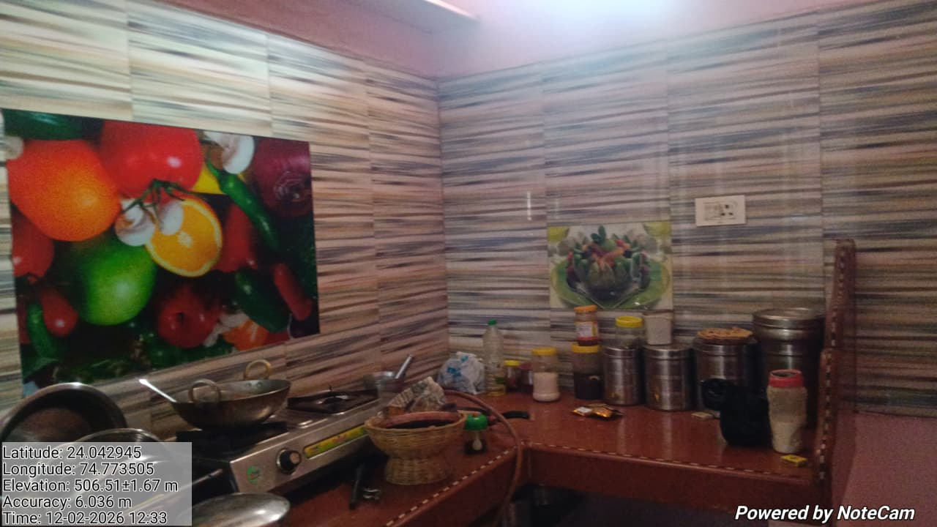 |  |  |  |  |  | 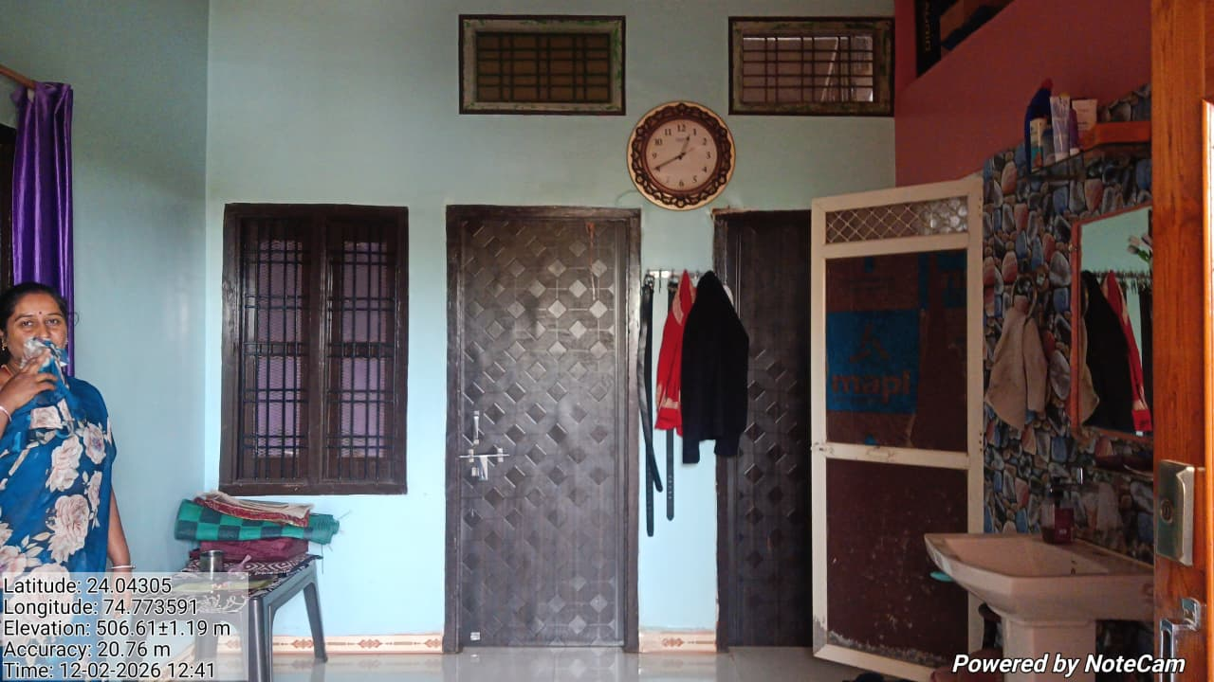

Internal Photograph |  |  |  |  |  | External Photograph
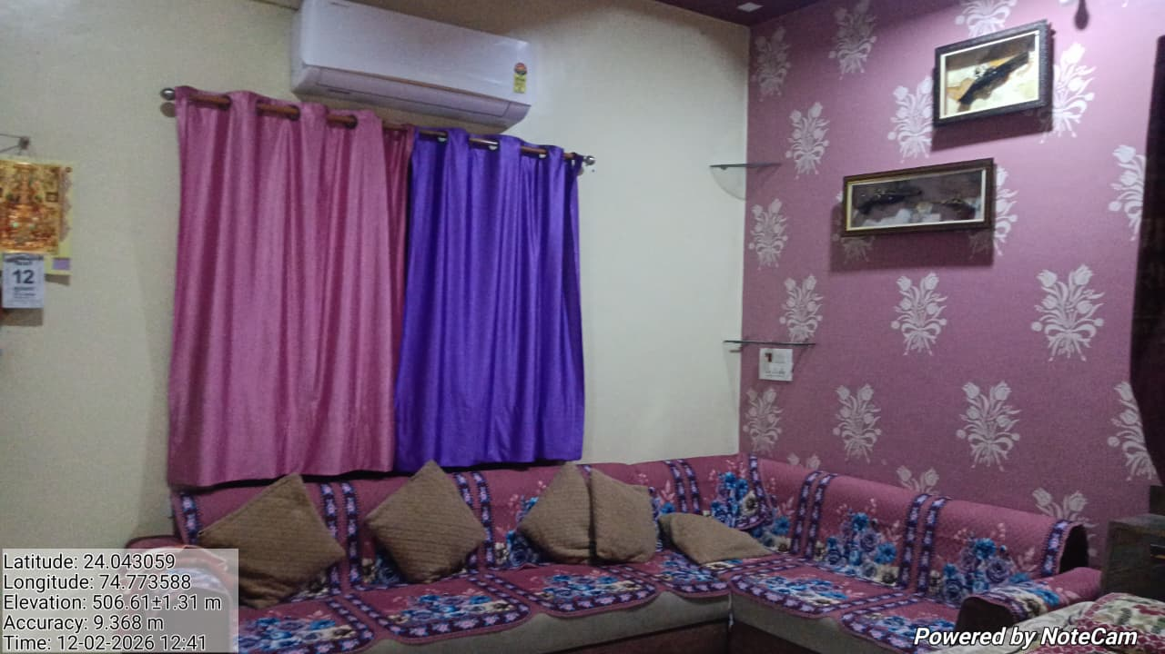 |  |  |  |  |  | 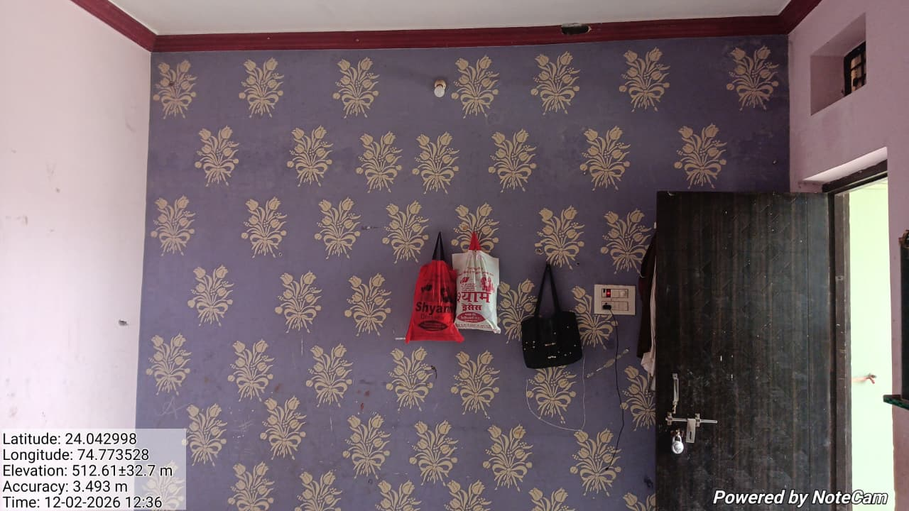

Internal Photograph |  |  |  |  |  | Internal Photograph
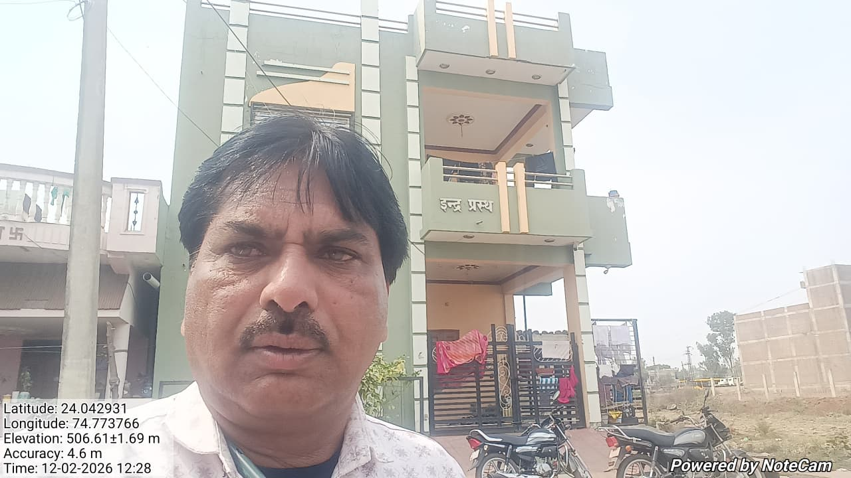 |  |  |  |  |  | 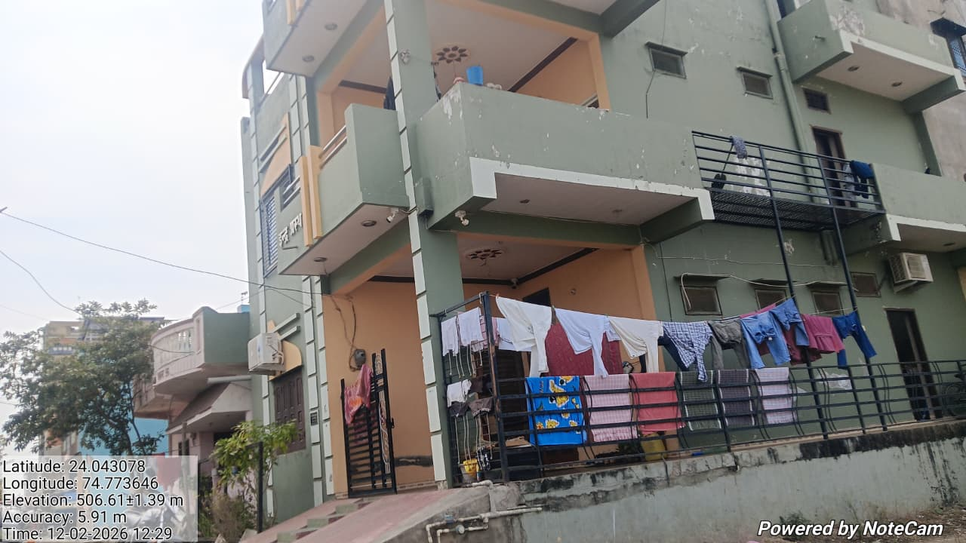

Valuer Selfie |  |  |  |  |  | Internal Photograph
Google Map |  |  |  |  |  |  |  |  |  |  |  |  | 24.042889
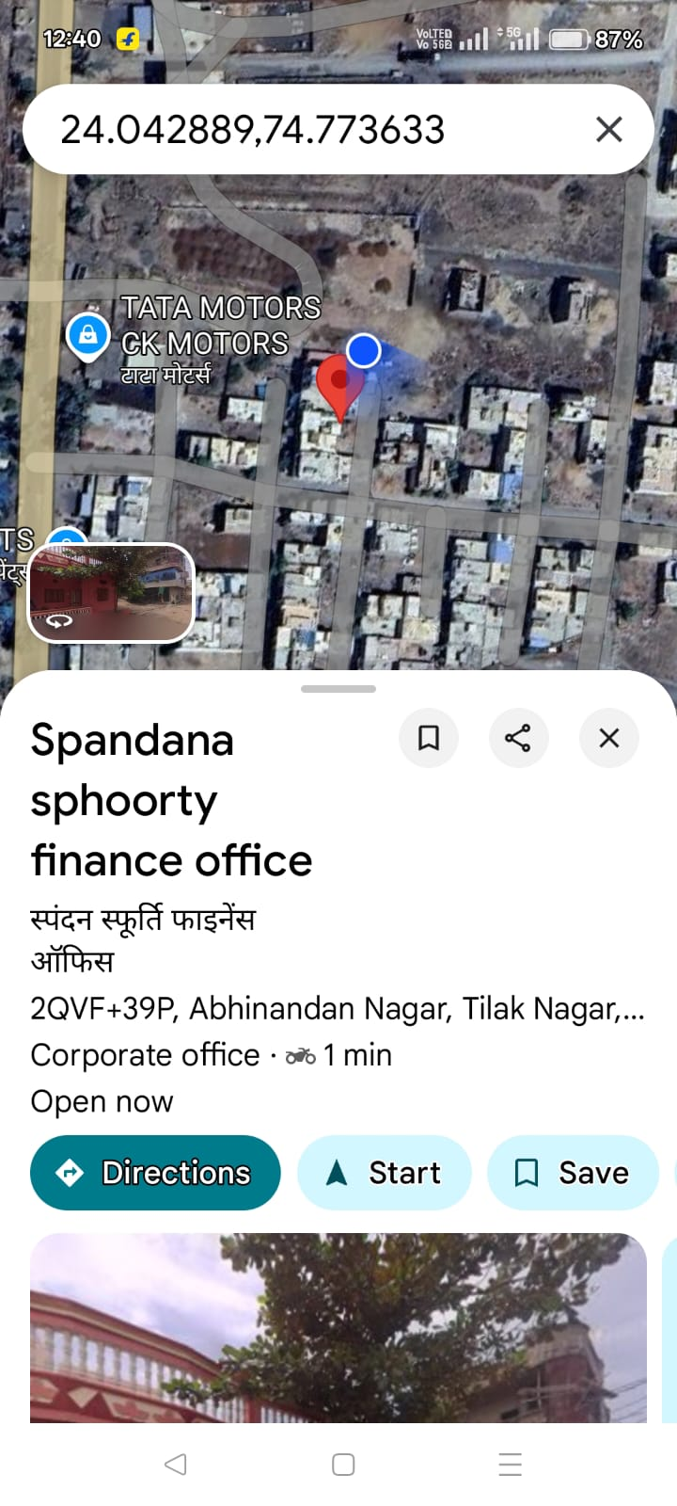 |  |  |  |  |  |  |  |  |  |  |  |  | 74.773633

