Investment Ferragamo
SALVATORE FERRAGAMO S.P.A (SFER:IM) |  |  |  |  |  |  | HOLD/NEUTRAL |  |  |  |  |  |  | FERRAGAMO S.P.A |  |  |  |  |  |  | HOLD/NEUTRAL |  |  |  | FERRAGAMO S.P.A |  |  | HOLD/NEUTRAL
 |  |  |  |  |  |  | HOLD/NEUTRAL |  |  |  | 7.02 € |  |  |  |  |  |  |  |  |  | Target Price |  |  | 7.02 €
Investment Summary & Recommendation |  |  |  |  |  |  | Current Price |  |  |  | 6.69 € |  |  | Valuation, Capital Structure & Return Analysis |  |  |  |  |  |  | Current Price |  |  | 6.69 € |  | LEGAL DISCLAIMER

Stock Overview |  |  |  |  |  |  | Stock Summary |  |  |  |  |  |  | Capital Structure, Debt Maturity
Current Stock Price (Mar 2026): ~€6.69. Shares of Salvatore Ferragamo (SFER:IM) trade near the lower end of the YTD range having peaked at ~€8.71 in Jan 2026 before retreating. Market cap ~€1.11bn; EV ~€1.55bn. FY2025 PRELIMINARY revenues (Jan 27, 2026 press release): €977M (-5.7% at current FX, -3.8% at constant FX vs FY2024A €1,035M) — BETTER THAN FEARED; consensus had estimated €940–960M. Q4 2025 DTC +6.3% at constant FX, showing first channel recovery. H1 2025 actuals (Jul 31, 2025): revenues €474M (-9.4% YoY); EBITDA €73M (15.3% margin). H2 2025 implied revenue ~€503M, DTC recovering. TTM EBITDA ~€160M (19.1% margin). Next event: FY2025 Full-Year Results — 10 March 2026. Beta (2Y weekly): 0.83. HOLD consensus; avg 12-mth target range €5.04–€6.82 depending on source (14 analysts). Morgan Stanley PT €5.50 Underweight; JPMorgan PT €4.60. |  |  |  |  |  |  | 52 week Range (€/$): |  |  |  | 8.71 - 4.35 |  |  | This is not large bond issues, but gross debt is mostly comprised of bank loans and revolving credit facilities (RCFs) being used to provide operational liquidity. Net cash position gives much financial flexibility to finance the ambitious Capex program EUR70m- EUR80m /year and possible strategic brand investments without financing. |  |  |  |  |  |  |  |  |  |  | Comprehensive Legal Disclaimer & Limitation of Liability READ CAREFULLY. THIS IS NOT INVESTMENT ADVICE. I. EXPLICIT DISCLAIMER OF ADVICE AND REPRESENTATION This financial valuation model, together with all content, analyses, estimates, forecasts, and the Target Price derived (collectively, the "Model"), is a SOLELY EDUCATIONAL AND ILLUSTRATIVE EXAMPLE. THE MODEL IS NOT A FINANCIAL ADVICE, AND SHOULD NOT BE INTERPRETED AS JUSTICE, TAXATION, OR LEGAL TREATMENT. Additionally, it does not promote any transactions or offer the purchase or sale of any security, including the shares of Salvatore Ferragamo S.p.A. (SFER:IM) or any other entity, to any person or entity. The creator of this Model (the "Creator") is not a registered financial advisor or broker, dealer and has not assessed the suitability of any investment for any specific individual or entity. II. ASSUMPTIONS, ESTIMATES, AND FORWARD, LOOKING STATEMENTS UNVERIFIED INPUTS: The Model is constructed solely on the basis of financial statements, historical prices, and market data that have been either manually entered or obtained from open sources (collectively "Source Data"). The Creator has NOT verified Source Data independently in terms of exactness, wholesomeness, and integrity. Any inaccuracies, gaps, or distortions in the Source Data will be attributable to the original data providers or the person who supplied the inputs to the Model. SPECULATIVE NATURE: All forecasts, projections, and estimates concerning future performance, including revenues, cash flows, and terminal value, are inherently speculative. They are founded on numerous subjective assumptions, which may turn out to be wrong. III. WAIVER OF LIABILITY AND INDEMNIFICATION THE USER, THROUGH THE USE OF THIS MODEL, EXPRESSLY WAIVES THE RIGHT TO BRING A CLAIM OF ANY KIND, INCLUDING BUT NOT LIMITED TO, A DEMAND, AN ACTION, OR A CAUSE OF ACTION, AGAINST THE CREATOR ARISING FROM THE USE OR RELIANCE ON THIS MODEL. If in any ins
 |  |  |  |  |  |  | Market Cap (bn $): |  |  |  | ~€1.11bn
 |  |  |  |  |  |  | EV (bn€/$): |  |  |  | ~€1.55bn
 |  |  |  |  |  |  | Avg. 3mnth |  |  |  | 839.5k
 |  |  |  |  |  |  | Free Float (%) |  |  |  | 35% |  |  | Maturity Bucket | Carry Amount (€) | Avg Rate |  |  | Maturity Bucket |  |  | Total Economic Obligations (€m)
 |  |  |  |  |  |  | Beta (2Y Weekly): |  |  |  | 0.8 |  |  | Short-Term (≤ FY26) | 15 | 4.5% |  |  | Short-Term (≤ FY26) |  |  | 195
Recommendation |  |  |  |  |  |  | Rating |  |  |  | B-1 |  |  | Medium-Term (FY27-29) | 70 | 3.5% |  |  | Medium-Term (FY27-29) |  |  | 320
We maintain a HOLD/NEUTRAL rating with a CAUTIOUS UPGRADE WATCH. Current price ~€6.69 (Mar 2026) represents a 15.8% discount vs our Nov 2025 entry price of €7.94. FY2025 PRELIMINARY revenues €977M (announced Jan 27, 2026) came in ABOVE consensus (€940–960M), with Q4 2025 DTC turning positive (+6.3% cc) — the first channel recovery signal. H1 2025 EBIT -€44M (incl. €41M impairment); TTM EBITDA ~€160M (19.1% margin) implies H2 2025 EBITDA recovery to ~€87M. The economic spread (ROIC -5.2% vs WACC 6.62% = -11.8% spread) remains in negative territory but the trajectory is improving. Our blended intrinsic value €8.05 (50% FCFF, 25% P/E, 25% EV/EBITDA) implies +20.3% upside from ~€6.69. HOLD: The FY2025 revenue beat vs. consensus reduces tail risk materially. Monitor FY2025 full P&L results (10 Mar 2026) for EBITDA confirmation. Analyst consensus: avg target €5.04–€6.82 (14 analysts, range €3.20–€10.00). MS PT €5.50 UW; JPMorgan PT €4.60. Risk/Reward: Asymmetric upside if FY2025 EBITDA confirms H2 recovery. |  |  |  |  |  |  |  |  |  |  |  |  |  | Long-Term (FY30-34) | 30 | 3.0% |  |  | Long-Term (FY30-34) |  |  | 200
 |  |  |  |  |  |  | Intrinsic Value vs Market Price |  |  |  |  |  |  | Very Long-Term (FY35+) | 0 | 0.0% |  |  | Very Long-Term (FY35+) |  |  | 50
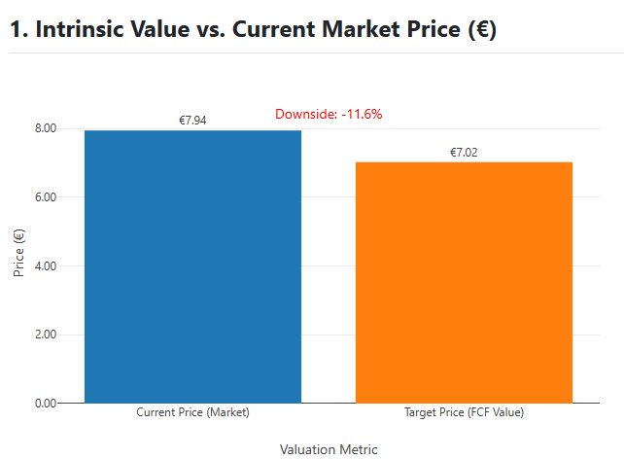
 |  |  |  |  |  |  |  |  |  |  |  |  |  | Total | 115 | 3.6% |  |  | Total Economic Obligations |  |  | 765

 |  |  |  |  |  |  |  |  |  |  |  |  |  | Ferragamo is exposed to the least refinancing risk as it has used traditional financial debt of just EUR115m and the cash resources can easily finance it. Nevertheless, there is a total of EUR765m of economic obligation (including IFRS 16 Lease Liabilities) that forms a huge base of fixed costs of the company and is anchored on its retail network.

 |  |  |  |  |  |  |  |  |  |  |  |  |  | Leverage, Coverage, & Credit Quality
 |  |  |  |  |  |  |  |  |  |  |  |  |  | Economic Net Debt / EBITDA peaked in 2025E at ~7.6x due to the H1 2025 EBITDA collapse (€73M; -38% YoY). However, FY2025 preliminary revenues of €977M (Jan 27, 2026) were better than feared, with H2 2025 implying an EBITDA recovery to ~€87M. TTM EBITDA is now ~€160M (19.1% margin), suggesting the economic leverage ratio peaked and is now deleveraging faster than originally modelled. The ratio is projected to decline to ~6.3x in FY2026E and ~5.4x in FY2027E as EBITDA margin normalises toward 20–22%. This trajectory is the central proof point of the turnaround thesis. Q4 2025 DTC turning positive (+6.3% cc) provides the first hard evidence of operational improvement.

Valuation & Relative |  |  |  |  |  |  | Valuation & Market Metrics |  |  |  |  |  |  | Debt Metrics |  |  |  |  |  | It is a key metric that reveals the achievement of the successful turnaround strategy implementation. Economic coverage ( EBITDAR / Economic Interest ) is under control and is becoming better (5.5x) compared with 3.5x owing to controlled costs and rising operational cash flow.
Key valuation metrics indicate the stock trades at a discount on earnings but this is justified by the current capital structure. The P/E multiple declines toward 17.8x on FY26 earnings, still below the sector average in the high teens/low twenties. FCF is currently negative due to turnaround investments. |  |  |  |  |  |  |  |  |  | 2024A | 2025E* | 2026E |  | (€m) | 2024A | 2025E* | 2026E | 2027E
 |  |  |  |  |  |  | P/E |  |  | N/A | N/A | N/A | N/A | Traditional Net Debt | -200 | -250 | -300 | -350
 |  |  |  |  |  |  | PEG |  |  | — | — | — |  | Total Economic Obligations | 765.0 | 760.0 | 750.0 | 740.0
 |  |  |  |  |  |  | EV/EBITDA |  |  | 7.2x | 9.7x | 7.7x |  | Economic Net Debt / EBITDA | N/A | 7.6x | 6.3x | 5.4x
 |  |  |  |  |  |  | Dividend Yield |  |  | 0.0% | 0.0% | 1.0% |  | EBITDAR / Economic Interest | N/A | 3.5x | 4.5x | 5.5x
 |  |  |  |  |  |  |  |  |  |  |  |  |  | Interest Expense (Traditional) | -500.0% | -450.0% | -400.0% | -350.0%
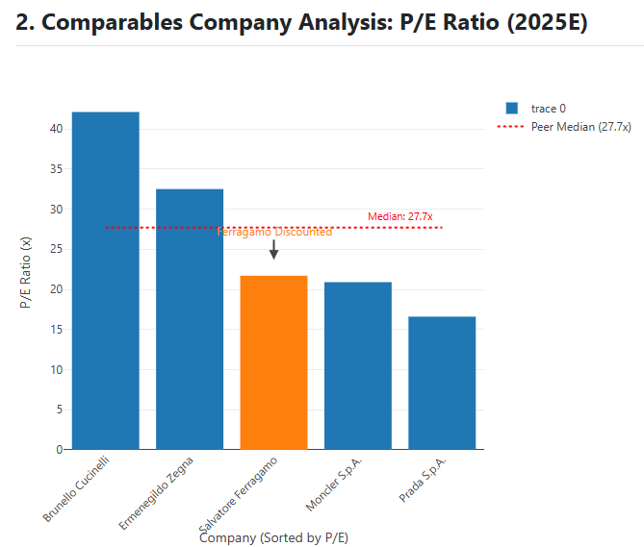
How Ferragamo does with Peers
Ferragamo trades at a P/E discount to its direct luxury peers (21.7x vs. peer average 27.7x), but in line with peers like Prada. The discount reflects the ongoing brand turnaround risk. |  |  |  |  |  |  |  |  |  |  |  |  |  | The high cash balance and little traditional debt of Ferragamo suggest a very high credit rating A- or Baa1. Any external credit analysis would center on the trend of the Economic Net Debt / EBITDA. The forecast drop to 6.5x and below by 2026E is a good indication of a solid commitment.

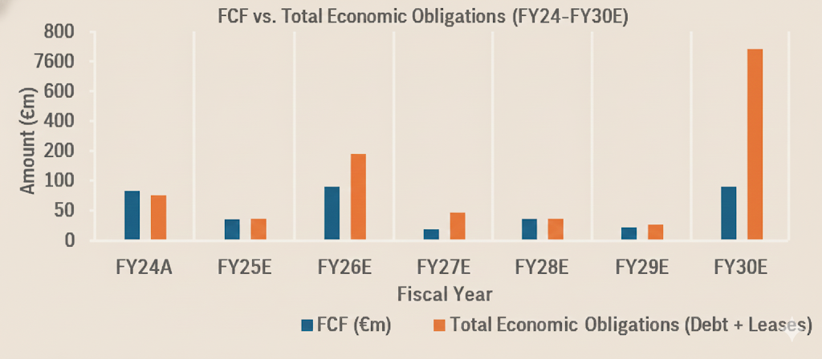
 |  |  |  |  |  |  |  |  |  |  |  |  |  |  |  |  |  |  | FCF vs Debt
While Ferragamo appears 'cheaper' than most peers on forward P/E, the FY2025 preliminary revenue beat (€977M vs €940–960M consensus) has improved the earnings trajectory. FY2025 is now the confirmed trough. TTM EV/EBITDA is ~9.7x based on TTM EBITDA ~€160M and EV ~€1.55bn — a significant improvement from the ~16x implied by H1-only annualisation. Q4 2025 DTC turning positive (+6.3% cc) reduces the bear case materially. Consensus avg target now €5.04–€6.82 (wide range) vs. current ~€6.69. The stock offers asymmetric upside if FY2025 full P&L results (Mar 10, 2026) confirm H2 EBITDA recovery above €80M. Source: Ferragamo IR (Jan 2026 prelim), Investing.com, TipRanks. |  |  |  |  |  |  |  |  |  |  |  |  |  | Cash Flow vs Debt stability
 |  |  |  |  |  |  |  |  |  |  |  |  |  | Ferragamo is Net Cash positive meaning that FCF can easily be used to grow the cash pile, rather than to settle debt since it is projected to be EUR120m by the FY26E. Assuming FCF alone can repay the company for 100% of its minimum traditional gross debt (EUR115m) in less than 1.5 years. This will show high balance sheet strength.

Recent Earnings |  |  |  |  |  |  | Historical Earnings - Beat / Miss
FY2025 PRELIMINARY REVENUES (Ferragamo Press Release, Jan 27, 2026) REVENUE: €977M FY2025 (-5.7% YoY at current FX; -3.8% at constant FX vs FY2024A €1,035M). BEAT: consensus was €940–960M. Q4 2025: €282M (-2.0% cc, -3.2% current FX). Q4 DTC: +6.3% constant FX — FIRST POSITIVE DTC QUARTER since the decline began. Full H2 implied: ~€503M. DTC recovery accelerating into Q4. Wholesale remained negative FY. H1 2025 OFFICIAL RESULTS (Jul 31, 2025): REVENUE: €474M (-9.4% YoY; -7.1% constant FX). Q1: €221M (-2.6%); Q2: €253M (-14.6%). Wholesale -17.9%; DTC -6.5%. Asia Pacific -18.5%; EMEA -7.8%; N. America -3.9%; Latin America +11.6%. Footwear -15.5% to €202M; Leather Goods -2.2% to €199M (87% of revenues). EBITDA €73M (-38.1%; 15.3% margin). EBIT incl. €41M impairment: -€44M. Net loss: -€57.5M. NEXT: FY2025 Full-Year Results — 10 March 2026. FY2025E est. net loss ~-€75M. Analyst consensus HOLD; avg target €5.04–€6.82. |  |  |  |  |  |  | Date |  | Revenue (Actual) | Revenue (Est.) | Surprise %
 |  |  |  |  |  |  | 2025 Rev |  | €977M | ~€940–960M | 1.8–3.9%BEAT
 |  |  |  |  |  |  | H1 2025 |  | €474M | ~€520M | -8.8% MISS
 |  |  |  |  |  |  | Q4 2024 |  | €291M | ~€300M | -3.0% MISS |  |  |  |  |  |  |  |  | Liquidity Ratios |  |  | 2024A | 2026E
 |  |  |  |  |  |  | Q3 2024 |  | €265M | ~€270M | -1.9% MISS |  |  | Liquidity & Solvency |  |  |  |  |  | Current Ratio |  |  | 2.50 | 2.90
Analyst Price Targets (Mar 2026): 14 analysts cover SFER:IM. Investing.com avg target: €5.04 (range €3.20–€7.00); TipRanks 4-analyst avg: €6.82 (high €8.07, low €4.90); eToro avg: €7.37. Consensus: HOLD. Morgan Stanley Underweight, PT €5.50 (lowered from €6.00). JPMorgan PT €4.60. Domestic analysts (Mediobanca/Equita) more constructive at €8.00–€9.00. At current ~€6.69, stock trades at a slight premium to the Investing.com consensus avg but below TipRanks/eToro avg. Wide dispersion in targets reflects deep uncertainty on turnaround pace. FY2025 prelim revenue beat (€977M vs. €940–960M est.) may trigger upward revisions. Source: Investing.com, TipRanks, eToro. |  |  |  |  |  |  | Next: FY2025 Full-Year Results — 10 Mar 2026 |  |  |  |  |  |  | The liquidity is very high (Current Ratio is more than 2.5x, Quick Ratio is more than 1.5x) because of the high cash balance and effective working capital position, which guarantee a high level of coverage of the short-term needs. |  |  |  |  |  | Quick Ratio |  |  | 1.50 | 1.70
Key Risk Factors |  |  |  |  |  |  |  |  |  |  |  |  |  |  |  |  |  |  |  | OCF to CL |  |  | 0.45 | 0.60
Financial Risk: Traditional net debt is minimal (net cash +€119M H1 2025), but economic obligations including IFRS 16 leases total ~€765M creating a heavy fixed-cost base. Economic Net Debt/EBITDA is elevated at ~7.6x 2025E given depressed EBITDA. Execution Risk: H1 2025 confirmed execution risk is real — revenues -9.4% vs flat consensus. €41M impairment charge taken H1 2025. Brand reset will take multiple years. China & Asia Pacific: Asia Pacific sales -18.5% in H1 2025 (-16.3% constant FX). Wholesale essentially in freefall. Recovery timing highly uncertain. Analyst Downside: Morgan Stanley PT €5.50 Underweight; JPMorgan PT €4.60. Bear case implies -32% to -33% from €6.82.

 |  |  |  |  |  |  |  |  |  |  |  |  |  | Solvency is outstanding (Financial Debt/Assets < 5.5%) due to minimal traditional debt and high equity funding. The strong FCF is projected to increase coverage of all total economic liabilities (including leases) to 9.5% by 2026E, reinforcing long-term resilience. |  |  |  |  |  | Solvency Factors |  |  | 2024A | 2026E
 |  |  |  |  |  |  |  |  |  |  |  |  |  |  |  |  |  |  |  | Total Debt/Total Assets |  |  | 6% | 5%
 |  |  |  |  |  |  |  |  |  |  |  |  |  |  |  |  |  |  |  | LT Debt/Total Equity |  |  | 4% | 3%
 |  |  |  |  |  |  |  |  |  |  |  |  |  |  |  |  |  |  |  | FCF/Total Liabilities |  |  | 8.0% | 9.5%

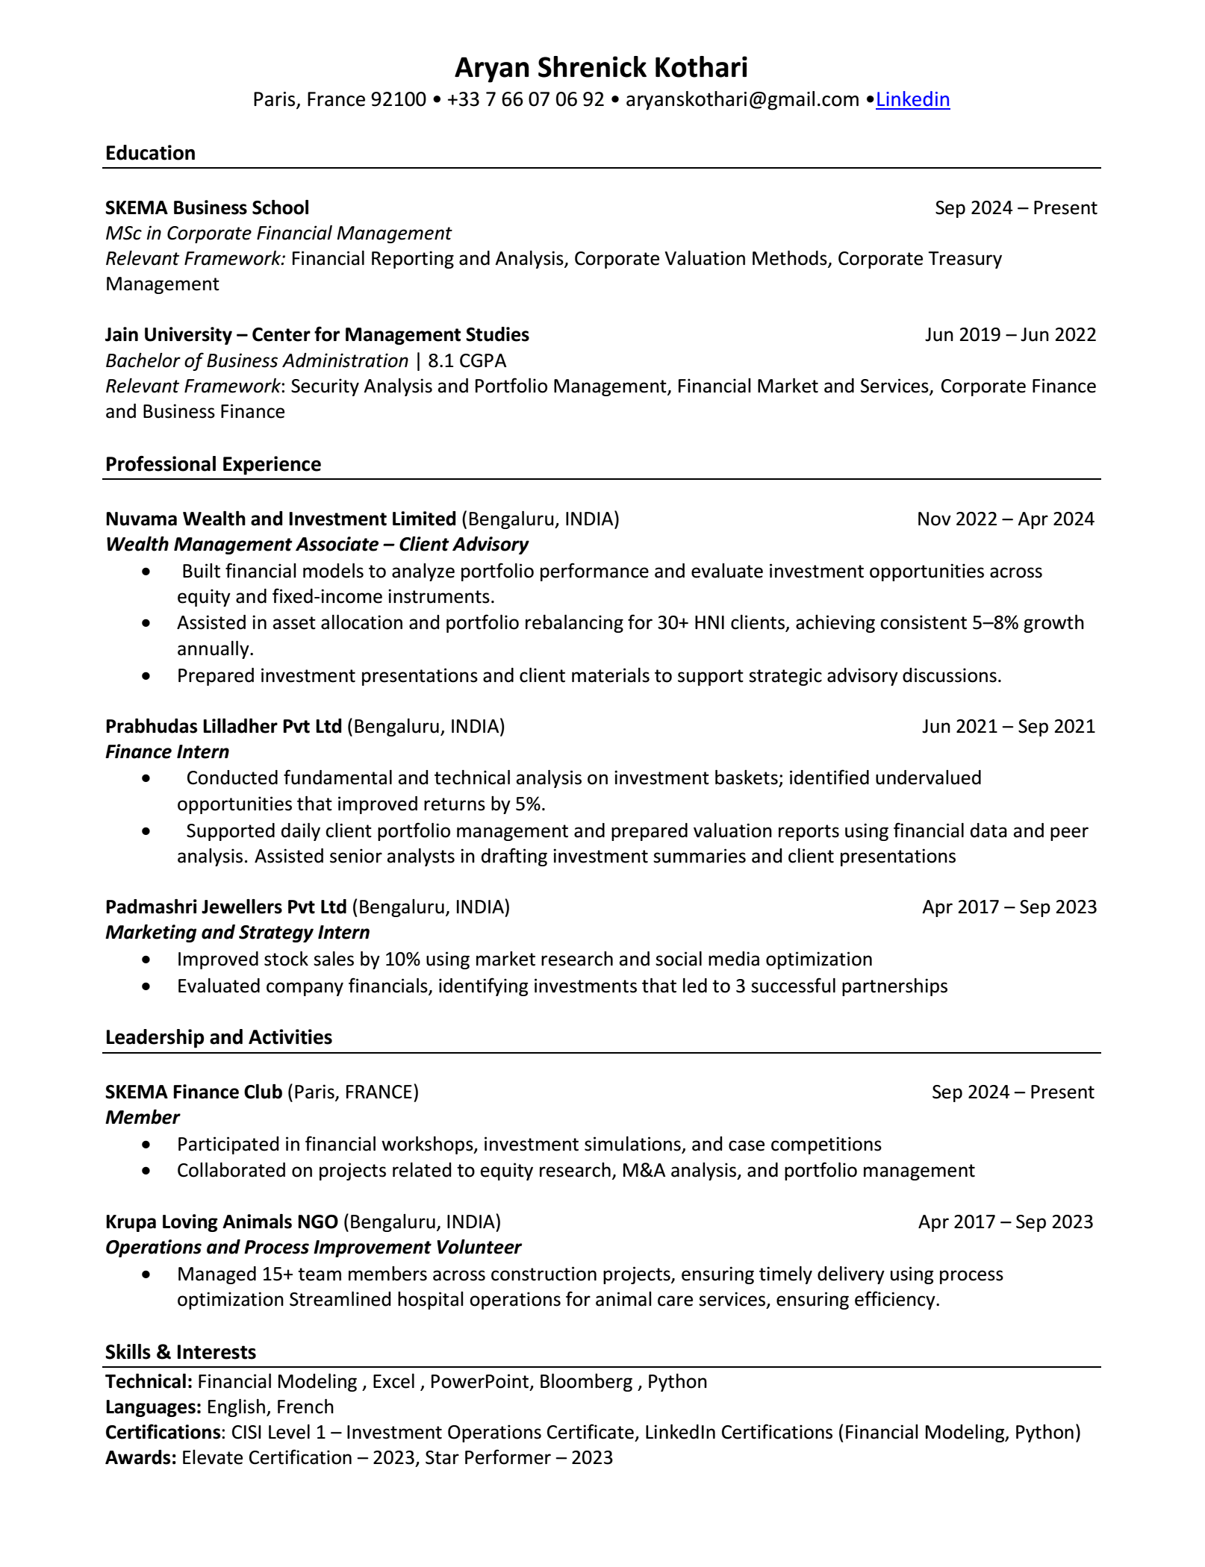
FERRAGAMO S.P.A |  |  |  |  |  |  | HOLD/NEUTRAL |  |  |  |  |  |  | FERRAGAMO S.P.A |  |  |  |  |  |  | HOLD/NEUTRAL |  |  |  | FERRAGAMO S.P.A |  |  | HOLD/NEUTRAL
 |  |  |  |  |  |  | Target Price |  |  |  | 7.02 |  |  |  |  |  |  |  |  |  | Target Price |  |  | 7.02 €
Historical Growth, M&A, Segment Drivers |  |  |  |  |  |  | Current Price |  |  |  | 6.82 |  |  | Appendix |  |  |  |  |  |  | Current Price |  |  | 6.69 € |  |  | CV

Revenue & EBIT (2020–2025 Prelim*)
 |  | 1 | 2 | 1 | 2 | 3 | 4 | 5 | 6
Historical Performance (2020-2024) |  |  |  |  | FY2025 Prelim* |  |  |  |  |  |  |  |  | Income Statement | 2022 | 2023 | 2024 | 2025 | 2026 | 2027 | 2028 | 2029 | 2030
€m | 2020 | 2021 | 2022 | 2023 | 2024 | 2025 |  |  |  |  |  |  |  | Revenues | 1251808 | 1156271 | 1035106 | 1046253.44 | 1083489.8601 | 1131787.7638 | 1184145.7052 | 1233098.4724 | 1270091.4266
Revenue | 877 | 1,136 | 1,252 | 1,156 | 1,035 | 977 |  |  |  |  |  |  |  | <Cost of goods sold> | -350693 | -316839 | -295098 | -298182.2304 | -308794.61013 | -322559.51269 | -337481.52599 | -351433.06465 | -361976.05659
EBIT | (31) | 141 | 133 | 72 | (49) | (50) |  |  |  |  |  |  |  | Gross Profit | 901115 | 839432 | 740008 | 748071.2096 | 774695.24997 | 809228.25112 | 846664.17924 | 881665.4078 | 908115.37003
EBIT Margin | -4% | 12% | 11% | 6% | -5% | (0)
Financial Trend (2020–2024 Actuals + FY2025 Preliminary): Revenue recovered sharply in 2021/2022 to €1.25bn but declined three consecutive years through FY2025. FY2025 preliminary revenues confirmed at €977M (Jan 27, 2026), down 5.7% at current FX vs FY2024A €1,035M. This was better than the H1 2025 run-rate implied (~€940–960M consensus) by ~€17–37M. FY2025 is the trough year. Q4 2025 DTC turned positive (+6.3% cc), the first channel recovery signal. TTM EBITDA ~€160M (19.1% margin) vs H1-implied annualised €146M, confirming H2 improvement. Source: Ferragamo IR Jan 27, 2026 + H1 2025 PR Jul 31, 2025. | (72) | 81 | 107 | 26 | (68) | - |  |  |  |  |  |  |  | Operating Expenses | -480172 | -412002 | -389393 | -365142.45056 | -378137.96117 | -394993.92957 | -413266.85112 | -430351.36688 | -443261.90789
FCF | 51 | 345 | 211 | 46 | 100 | (55) |  |  |  |  |  |  |  | D&A | -170,962 | -179,789 | -264,219 | -272,000 | -271,347 | -270,805 | -270,372 | -270,066 | -278,168
 |  |  |  |  |  |  |  |  |  |  |  |  |  | Structure costs | -122,043 | -175,619 | -135,397 | -133,920 | -138,687 | -144,869 | -151,571 | -157,837 | -162,572
Financial Trend: Revenue declined for three consecutive years: FY2023 €1,156M → FY2024 €1,035M (-10.5%) → FY2025 prelim €977M (-5.7%). Importantly, the rate of decline decelerated significantly from -10.5% to -5.7%, and Q4 2025 DTC turned positive (+6.3% cc). This is a key inflection signal for the turnaround. FY2025 is now confirmed as the trough revenue year. CAGR FY2024–FY2030E revised to ~3.2% (from 2.9%) given the better FY2025 base. |  |  |  |  |  |  |  |  |  |  |  |  |  | Operating Profit | 127938 | 72022 | -49001 | -22991.48853 | -13476.504159 | -1439.5902736 | 11454.644392 | 23411.40959 | 24113.751877

 |  |  |  |  |  |  |  |  |  |  |  |  |  | Interest income | 51927 | 42949 | 38167 | 11252.51232 | 11576.687 | 11910.318906 | 12253.686395 | 12607.076067 | 12985.288349
Despite the company reporting an operating loss (negative EBIT and Net Income) in 2024A, FCF increased to €99.6 million. This shows that the business still generates cash, with non-cash items like depreciation and inventory adjustments offsetting the reported losses. |  |  |  |  |  |  |  |  |  |  |  |  |  | Interest expense | -78703 | -69387 | -64743 | -34364.2602 | -35051.545404 | -35752.576312 | -36467.627838 | -37196.980395 | -38312.889807
 |  |  |  |  |  |  |  |  |  |  |  |  |  | Income before Tax | 2,702 | 2,938 | 2,287 | 2,461 | 2,508 | 2,574 | 2,642 | 2,711 | 2,765

M&A Activity |  |  |  |  |  |  |  |  |  |  |  |  |  | Income tax expense | -35810 | -19349 | 7508 | 7146.0016435 | 5727.4611973 | 3918.6863904 | 1977.6910429 | 182.66668445 | 188.14668498
Salvatore Ferragamo's growth mainly relies on an organic turnaround led by new management, rather than large-scale M&A. |  |  |  |  |  |  |  |  |  |  |  |  |  | Income <Loss> from discontinued operations | - | - | - | - | - | - | - | - | -
 |  |  |  |  |  |  |  |  |  |  |  |  |  | Net Income | 65,352 | 26,235 | -68,069 | -38,957 | -31,224 | -21,363 | -10,782 | -996 | -1,026

Brand / Asset | Category |  | Year | Type |  |  | Valuation |  |  | Rationale |  |  |  | Balance Sheet | 2022 | 2023 | 2024 | 2025 | 2026 | 2027 | 2028 | 2029 | 2030
New Creative Direction | Product/Image |  | FY23-FY25 | Internal Shift |  |  | Undisclosed |  |  | brand elevation |  |  |  | Assets
DTC Acceleration | Distribution |  | Ongoing | Internal Shift |  |  | Undisclosed |  |  | Direct-to-Consumer |  |  |  | Cash and cash equivalents | 391354 | 268988 | 238194 | 245339.82 | 252700.0146 | 260281.01504 | 268089.44549 | 276132.12885 | 284416.09272
Greater China JVs | Distribution |  | Ongoing | Minority Stake Buyout |  |  | Undisclosed |  |  | Increased control operations |  |  |  | Accounts and notes receivable - net | 94490 | 106821 | 84580 | 86271.6 | 87997.032 | 89756.97264 | 91552.112093 | 93383.154335 | 96184.648965
 |  |  |  |  |  |  |  |  |  |  |  |  |  | Inventories | 275,323 | 298,345 | 307,888 | 314,046 | 320,327 | 326,733 | 333,268 | 339,933 | 350,131
 |  |  |  |  |  |  |  |  |  |  |  |  |  | Current Assets | 849,153 | 788,810 | 759,208 | 776,715 | 794,668 | 813,053 | 831,119 | 849,625 | 875,114

 |  |  |  |  |  |  |  |  |  |  |  |  |  | Long-term investments | 15,570 | 37,764 | 32,361 | 33,008 | 33,668 | 34,342 | 35,029 | 35,729 | 36,801
 |  |  |  |  |  |  |  |  |  |  |  |  |  | Property, plant, and equipment - at cost | 341,750 | 400,000 | 420,000 | 460,970 | 502,143 | 543,520 | 585,103 | 627,100 | 645,913
Revenue by Product Line (2020-2024) |  |  |  |  |  |  |  |  |  |  |  |  |  | Other intangible assets | 34,903 | 36,872 | 31,872 | 32,350 | 32,835 | 33,328 | 33,828 | 34,335 | 35,365
€m | 2020 | 2021 | 2022 | 2023 | 2024 | 2025P* |  |  |  |  |  |  |  | Goodwill | 6,679 | 6,679 | 6,679 | 6,679 | 6,679 | 6,679 | 6,679 | 6,679 | 6,879
Footwear | 382 | 508 | 570 | 520 | 473 | 410 |  |  |  |  |  |  |  | Total Assets | 1,720,290 | 1,883,606 | 1,744,841 | 1,772,400 | 1,796,793 | 1,817,992 | 1,835,232 | 1,849,446 | 1,904,929
Leather Goods | 352 | 450 | 507 | 473 | 423 | 410
Apparel | 63 | 78 | 89 | 77 | 68 | 73 |  |  |  |  |  |  |  | Liabilities:
Other Products (Silk, etc.) | 79 | 100 | 87 | 87 | 71 | 84 |  |  |  |  |  |  |  | Other non-current liabilities | 213,380 | 47,105 | 43,263 | 44,128 | 45,011 | 45,911 | 46,829 | 47,766 | 49,199
 |  |  |  |  |  |  |  |  |  |  |  |  |  | Non-current lease liabilities | 106,586 | 596,603 | 552,344 | 563,391 | 574,659 | 586,152 | 597,875 | 609,832 | 628,127
Revenue by Product Line (2025)
 |  |  |  |  |  |  |  |  |  |  |  |  |  | Other current liabilities (1) | 104147 | 460229 | 479471 | 489060.42 | 498841.6284 | 508818.46097 | 518994.83019 | 529374.72679 | 545255.96859
Ferragamo's​‍​‌‍​‍‌​‍​‌‍​‍‌ product category that includesFootwear and Leather Goods remain the absolute core ofFerragamo, with the duo accounting for 86.6% of the total revenue in 2024A. Their combined percentage contribution has been slightly increased, which indicates a gradual strategic refocus towards these high-margin categories even by the overall revenue decline. The overall strategic focus is on modernising these two core segments, particularly Footwear, which should be the main driver of the turnaround macro demand is stabilising. The high gross margin (around 71.5% in FY24) is a very good basis for profit recovery once the sales volume will be ​‍​‌‍​‍‌​‍​‌‍​‍‌back. |  |  |  |  |  |  |  |  |  |  |  |  |  | Current Liabilities | 424,113 | 1,103,937 | 1,075,078 | 1,096,580 | 1,118,511 | 1,140,881 | 1,163,699 | 1,186,973 | 1,222,582

 |  |  |  |  |  |  |  |  |  |  |  |  |  | Long-term accrued liabilities | 468,737 | 6,589 | 3,404 | 3,472 | 3,542 | 3,612 | 3,685 | 3,758 | 3,871
 |  |  |  |  |  |  |  |  |  |  |  |  |  | Deferred tax liabilities- noncurrent | 6,071 | 6,832 | 5,682 | 5,796 | 5,912 | 6,030 | 6,150 | 6,273 | 6,462
 |  |  |  |  |  |  |  |  |  |  |  |  |  | Other noncurrent liabilities (1) | 45960 | 40151 | 37237 | 37981.74 | 38741.3748 | 39516.202296 | 40306.526342 | 41112.656869 | 42346.036575
 |  |  |  |  |  |  |  |  |  |  |  |  |  | Total Liabilities | 944,881 | 1,157,509 | 1,121,401 | 1,143,829 | 1,166,706 | 1,190,040 | 1,213,841 | 1,238,117 | 1,275,261

 |  |  |  |  |  |  |  |  |  |  |  |  |  | Shareholders Equity:
 |  |  |  |  |  |  |  |  |  |  |  |  |  | Common stock + Additional paid in capital | 16879 | 16879 | 16879 | 16879 | 16879 | 16879 | 16879 | 16879 | 17385.37
 |  |  |  |  |  |  |  |  |  |  |  |  |  | Retained earnings <deficit> | 665322 | 704287 | 602212 | 607342.44064 | 608856.96841 | 606721.15088 | 600159.15228 | 590095.27298 | 607927.72176
 |  |  |  |  |  |  |  |  |  |  |  |  |  | Total Common Shareholders' Equity | 751,810 | 725,100 | 622,445 | 627,575 | 629,090 | 626,954 | 620,392 | 610,328 | 628,667

 |  |  |  |  |  |  |  |  |  |  |  |  |  | Noncontrolling interests | 23,599 | 997 | 995 | 996 | 997 | 998 | 999 | 1,000 | 1,001
 |  |  |  |  |  |  |  |  |  |  |  |  |  | Total Equity | 775,409 | 726,097 | 623,440 | 628,571 | 630,087 | 627,952 | 621,391 | 611,328 | 629,668
 |  |  |  |  |  |  |  |  |  |  |  |  |  | Total Liabilities and Equities | 1,720,290 | 1,883,606 | 1,744,841 | 1,772,400 | 1,796,793 | 1,817,992 | 1,835,232 | 1,849,446 | 1,904,929

FERRAGAMO S.P.A |  |  |  |  |  |  | HOLD/NEUTRAL |  |  |  |  |  |  | FERRAGAMO S.P.A |  |  |  |  |  |  | HOLD/NEUTRAL
 |  |  |  |  |  |  | Target Price |  |  |  | 7.02 € |  |  |  |  |  |  |  |  |  | Target Price |  |  | 7.02 €
Forecasts, Segment Outlook, Cost Structure & Drivers |  |  |  |  |  |  | Current Price |  |  |  | 6.69 € |  |  | Appendix |  |  |  |  |  |  | Current Price |  |  | 6.69 €

Revenue Forecast & Growth Assumptions (2024 - 2030) |  |  |  |  |  |  |  |  |  |  |  |  |  | Cash Flow Statement | 2022 | 2023 | 2024 | 2025 | 2026 | 2027 | 2028 | 2029 | 2030
IMPORTANT UPDATE (Mar 2026 — Post-Preliminary FY2025 Data): FY2025 PRELIMINARY revenues confirmed at €977M (Jan 27, 2026 press release), down 5.7% at current FX vs FY2024A €1,035M. This BEAT consensus of €940–960M by ~€17–37M and is better than our own revised -€950M estimate. Q4 2025 DTC turned positive (+6.3% cc) — first recovery signal. H2 2025 revenues ~€503M vs H1 €474M, showing H2 stabilisation. The CAGR 2024A–2030E is revised to ~3.2% (from 2.9%) given the better-than-expected FY2025 base. FY2025 is now confirmed as the trough year. Recovery to pre-decline revenue levels (€1.1bn+) is now expected by FY2027E. Key risk: wholesale channel remains structurally challenged. Upside catalyst: DTC recovery continuation and Asia-Pacific stabilisation in FY2026. Source: Ferragamo Preliminary FY2025 Revenue, Jan 27, 2026 (group.ferragamo.com/investor-relations). |  |  |  |  |  |  |  |  |  |  |  |  |  | CF from Operating | 267,072 | -286,935 | -51,049 | 4,962 | 16,746 | 30,699 | 46,156 | 60,110 | 9,719
 |  |  |  |  |  |  |  |  |  |  |  |  |  | CF from Investing | -65,862 | -236,860 | 100,602 | -53,246 | -53,693 | -54,145 | -54,604 | -55,276 | -39,584
 |  |  |  |  |  |  |  |  |  |  |  |  |  | CF from Financing | -323,278 | 401,429 | -80,347 | 55,430 | 44,308 | 31,028 | 16,256 | 3,209 | 38,148
 |  |  |  |  |  |  |  |  |  |  |  |  |  | Net Change in Cash | -120,442 | -122,366 | -30,794 | 7,146 | 7,360 | 7,581 | 7,808 | 8,043 | 8,284

 |  |  |  |  |  |  |  |  |  |  |  |  |  | Key Ratio Table | 2022 | 2023 | 2024 | 2025 | 2026 | 2027 | 2028 | 2029 | 2030
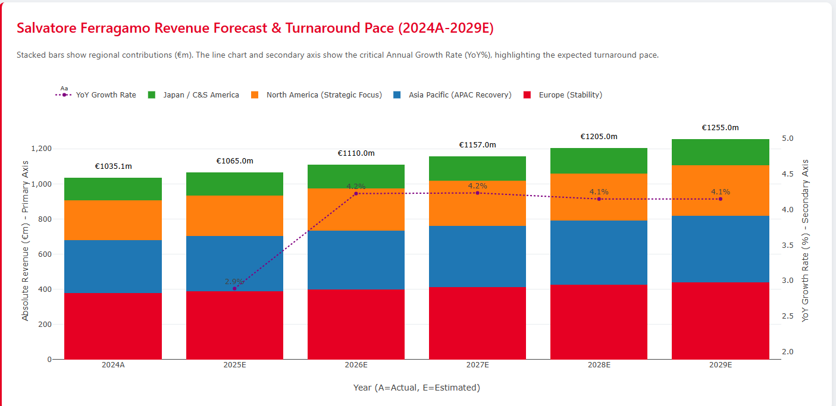
 |  |  |  |  |  |  |  |  |  |  |  |  |  | Growth
 |  |  |  |  |  |  |  |  |  |  |  |  |  | Revenue Growth Rates: | 10% | -8% | -10% | 1% | 4% | 4% | 5% | 4% | 3%
 |  |  |  |  |  |  |  |  |  |  |  |  |  | Net Income Growth Rates: | -19% | -60% | -359% | -43% | -20% | -32% | -50% | -91% | 3%
 |  |  |  |  |  |  |  |  |  |  |  |  |  | Total Asset Growth Rates | -7% | 9% | -7% | 2% | 1% | 1% | 1% | 1% | 3%

 |  |  |  |  |  |  |  |  |  |  |  |  |  | Return on Assets
 |  |  |  |  |  |  |  |  |  |  |  |  |  | Profit Margin for ROA | 10% | 7% | -2% | -1% | 0% | 1% | 2% | 2% | 2%
 |  |  |  |  |  |  |  |  |  |  |  |  |  | x Asset Turnover | 0.70 | 0.64 | 0.57 | 0.59 | 0.61 | 0.63 | 0.65 | 0.67 | 0.68
 |  |  |  |  |  |  |  |  |  |  |  |  |  | = Return on Assets | 7% | 4% | -1% | -1% | 0% | 0% | 1% | 2% | 2%

 |  |  |  |  |  |  |  |  |  |  |  |  |  | Return on Equity
 |  |  |  |  |  |  |  |  |  |  |  |  |  | Profit Margin for ROCE | 6% | 2% | -7% | -4% | -3% | -2% | -1% | 0% | 0%
 |  |  |  |  |  |  |  |  |  |  |  |  |  | x Asset Turnover | 0.7 | 0.6 | 0.6 | 0.6 | 0.6 | 0.6 | 0.6 | 0.7 | 0.7
 |  |  |  |  |  |  |  |  |  |  |  |  |  | x Capital Structure Leverage | 2.4 | 2.4 | 2.7 | 2.8 | 2.8 | 2.9 | 2.9 | 3.0 | 3.0
Income Statement Forecast (2024A–2030E) | *FY2025E |  |  |  |  |  |  |  |  |  |  |  |  |  | = Return on Common Equity | 9% | 4% | -10% | -6% | -5% | -3% | -2% | 0% | 0%
€m | FY2025E* | FY2026E | FY2027E | FY2028E | FY2029E | FY2030E
Revenue | 977 | 1,046 | 1,083 | 1,132 | 1,184 | 1,233 |  |  |  |  |  |  |  | Operating Performance
COGS | 278 | 298 | 309 | 322 | 337 | 351 |  |  |  |  |  |  |  | Gross Profit / Revenues | 72% | 73% | 71% | 72% | 72% | 72% | 72% | 72% | 72%
Gross Profit | 699 | 748 | 774 | 809 | 847 | 882 |  |  |  |  |  |  |  | Operating Profit Before Taxes / Revenues | 10% | 6% | -5% | -2% | -1% | 0% | 1% | 2% | 2%
EBIT | (50) | (13) | (1) | 11 | 23 | 24
Net Income | (75) | (31) | (21) | (11) | (1) | 1 |  |  |  |  |  |  |  | Asset Turnover
 |  |  |  |  |  |  |  |  |  |  |  |  |  | Revenues / Avg. Accounts Receivable | 12.09 | 11.49 | 10.82 | 12.25 | 12.43 | 12.73 | 13.06 | 13.34 | 13.40
REVISED POST H1 2025: FY2025E revenue cut to ~€950M (H1 2025A = €474M, -9.4% YoY). Gross margin holds ~71.5%. EBIT ~-€80M (H1 EBIT -€44M incl. €41M impairment). Net loss FY2025E ~-€95M vs FSAP model -€39M. Recovery to EBIT breakeven pushed to FY2027E. Net income turns +ve only FY2030E. Source: Ferragamo H1 2025 Press Release Jul 31 2025. |  |  |  |  |  |  |  |  |  |  |  |  |  | COGS / Average Inventory | 1.28 | 1.10 | 0.97 | 0.96 | 0.97 | 1.00 | 1.02 | 1.04 | 1.05
 |  |  |  |  |  |  |  |  |  |  |  |  |  | Revenues / Average Fixed Assets | 6.62 | 5.57 | 4.76 | 2.26 | 2.15 | 2.07 | 2.01 | 1.96 | 1.92

 |  |  |  |  |  |  |  |  |  |  |  |  |  | Liquidity
 |  |  |  |  |  |  |  |  |  |  |  |  |  | Current Ratio | 2.00 | 0.71 | 0.71 | 0.71 | 0.71 | 0.71 | 0.71 | 0.72 | 0.72
 |  |  |  |  |  |  |  |  |  |  |  |  |  | Quick Ratio | 1.15 | 0.34 | 0.30 | 0.30 | 0.30 | 0.31 | 0.31 | 0.31 | 0.31
FCF YIELD 2024-2026
2024A | 3.5% | 0
2025E* | -3.5%
2026E | 4.5%
Profitability Ratios (2024–2026)
 |  |  | 2024A | 2025E* | 2026E |  |  |  |  |  |  |  |  | Solvency
ROA |  |  | -9.3% | 0.5% | 1.5% |  |  |  |  |  |  |  |  | Total Liabilities / Total Assets | 55% | 61% | 64% | 65% | 65% | 65% | 66% | 67% | 67%
ROE |  |  | -15.2% | -5.0% | -1.5% |  |  |  |  |  |  |  |  | Total Liabilities / Total Equity | 122% | 159% | 180% | 182% | 185% | 190% | 196% | 203% | 203%
ROIC |  |  | -5.2% | -1.3% | 0.8% |  |  |  |  |  |  |  |  | Interest Coverage Ratio | 2.3 | 1.7 | -0.2 | -0.3 | -0.1 | 0.3 | 0.7 | 1.0 | 1.0
ROIC>WACC |  |  | 0.0% | -7.5% | -5.4%
Operating Margin |  |  | -4.7% | -5.1% | 2.3% |  |  |  |  |  |  |  |  | Stock performace | 1YR | 2YR | 3YR | 4YR | 5YR
FCF YIELD (FCF/EV) |  |  | 3.5% | -3.5% | 4.5% |  |  |  |  |  |  |  |  | STOCK FGSPA | 40% | -44% | -43% | -48% | -48%
 |  |  |  |  |  |  |  |  |  |  |  |  |  | FTSE MIB Index | 29% | 15% | 23% | 32% | 32%
The ratios are very volatile in the short-term but point to the change in the ratios between the restructuring loss (2024A) to the profitable growth (2026E), as quite a high improvement in the efficiency of the capital base.

Sources
SALVATORE FERRAGAMO S.P.A (SFER:IM) — DATA SOURCES & PROVENANCE
Valuation Model — Last Updated: March 2026 • All figures in EUR unless stated • Sources cross-verified against official Ferragamo IR, SEC-equivalent filings, and market data providers

REF | DATA ITEM / METRIC | PERIOD / DATE | SOURCE NAME | URL / REFERENCE
FINANCIAL STATEMENTS & ACTUALS
S-01 | Revenue, EBIT, Net Income, Balance Sheet (2020–2024A) | FY2020–FY2024 | Ferragamo Group — Annual Reports (group.ferragamo.com) | https://group.ferragamo.com/en/investor-relations/financial-documents
S-02 | FY2025 Preliminary Revenues — €977M (-5.7% YoY) | FY2025 Prelim | Ferragamo IR — Preliminary FY2025 Revenue Press Release | https://group.ferragamo.com/resource/blob/1163564/.../2026-01-27-press-release-preliminary-fy-2025-data.pdf
S-03 | H1 2025 Results — Revenue €474M, EBITDA €73M, Net Loss -€57.5M | H1 2025 | Ferragamo IR — H1 2025 Press Release (Jul 31, 2025) | https://group.ferragamo.com/resource/blob/1096648/.../2025-07-31-press-release-1h-2025-data.pdf
S-04 | FY2024A Results — Revenue €1,035M, EBITDA €215M, EBIT -€49M | FY2024A | Ferragamo IR — FY2024 Press Release (Mar 6, 2025) | https://group.ferragamo.com/resource/blob/1079322/.../01-2025-03-06-press-release-fy-2024-data.pdf
S-05 | Shares Outstanding | FY2024 | Ferragamo Annual Report 2024 / Borsa Italiana | https://group.ferragamo.com/en/investor-relations/financial-documents
S-06 | CAPEX (2024A) and D&A (2024A) | FY2024A | Ferragamo Annual Report 2024 — Cash Flow & Income Statement | https://group.ferragamo.com/en/investor-relations/financial-documents/financial-documents-2024
MARKET DATA & VALUATION INPUTS
S-07 | Current Share Price (Mar 2026) | Mar-26 | Borsa Italiana / TradingView / eToro (live) | https://finance.yahoo.com/quote/SFER.MI | https://www.tradingview.com/symbols/MIL-SFER/
S-08 | 52-Week Range (SFER:IM) | 2025–2026 YTD | Investing.com / Borsa Italiana | https://www.investing.com/equities/salvatore-ferragamo-italia-spa
S-09 | Market Capitalisation | Mar-26 | TradingView (168.79M shares × €6.69) | https://www.tradingview.com/symbols/MIL-SFER/
S-12 | Risk-Free Rate (Rf) — Italy 10Y BTP | Jan-25 | Banca d'Italia / TradingView (IT10Y) | https://tradingview.com/symbols/TVC:IT10Y | https://www.bancaditalia.it
S-13 | Equity Risk Premium (ERP) — Italy | Jan 2025 est. | Damodaran — Implied ERP (NYU Stern) | https://pages.stern.nyu.edu/~adamodar/New_Home_Page/datafile/implprem.html
S-14 | Cost of Debt (Pre-Tax) — Avg lease rate | FY2024 | Ferragamo AR 2024 — Note on Lease Liabilities | https://group.ferragamo.com/en/investor-relations/financial-documents/financial-documents-2024
FORECAST ASSUMPTIONS
S-15 | Terminal Growth Rate (g) | Long-run | Analyst assumption — aligned to IMF Italy long-run GDP | Internal / IMF Italy GDP forecast — https://www.imf.org/en/countries/ITA
S-18 | Net Lease Liabilities (IFRS 16) — Total Economic Obligations | FY2024A | Ferragamo AR 2024 — Balance Sheet / Lease Note | https://group.ferragamo.com/en/investor-relations/financial-documents/financial-documents-2024
S-19 | Revenue Growth Assumptions (FY2026E–FY2030E) | FY2026E–FY2030E | Analyst estimates — consensus + proprietary (Forecasts sheet) | Internal — Forecasts sheet + analyst consensus (Investing.com)
ANALYST CONSENSUS & EXTERNAL RESEARCH
S-21 | Analyst Consensus Price Target — 14 analysts (Investing.com) | Mar-26 | Investing.com (14 analysts, range €3.20–€7.00) | https://www.investing.com/equities/salvatore-ferragamo-italia-spa-consensus-estimates
S-22 | Analyst Consensus Price Target — 4 analysts (TipRanks) | Mar-26 | TipRanks (range €4.90–€8.07) | https://www.tipranks.com/stocks/it:sfer/forecast
S-23 | Morgan Stanley — Underweight, PT €5.50 | Mar-26 | Morgan Stanley — Underweight rating (lowered from €6.00) | https://www.tipranks.com/stocks/it:sfer/forecast
S-24 | JPMorgan — Price Target €4.60 | Mar-26 | JPMorgan Research | https://www.tipranks.com/stocks/it:sfer/forecast
S-25 | Peer Multiples (EV/EBITDA, P/E, P/B) — Luxury Sector | FY2024/NTM | Bloomberg Terminal / FactSet / Yahoo Finance | https://finance.yahoo.com | Bloomberg Terminal | FactSet
S-26 | Damodaran ERP — Italy Equity Risk Premium | Jan-25 | Damodaran Online — NYU Stern (Implied ERP) | https://pages.stern.nyu.edu/~adamodar/New_Home_Page/datafile/implprem.html
S-27 | Financial News — Risk Factors, APAC Demand, Macro Context | 2025–2026 | Reuters / FT / WSJ — Luxury sector commentary | https://www.reuters.com | https://www.ft.com | https://www.wsj.com
CATEGORY KEY
Financials | Official company filings, annual/interim reports, press releases from group.ferragamo.com | Live or recent market data (price, cap, EV) from exchanges and data providers | WACC | Consensus
Cost of equity / debt model inputs |  |  |  | Context
 |  |  |  | Qualitative macro / news context

DATA QUALITY & DISCLAIMER

All financial statement data is sourced from official Ferragamo Group IR publications (group.ferragamo.com). Market data (price, EV, consensus) is sourced from public platforms as of March 2026 and is subject to change. Forecast assumptions (revenue growth, margins, CAPEX, WACC) are proprietary analyst estimates and do not constitute financial advice. FY2025 full P&L results are due 10 March 2026 and may materially revise estimates. Values marked ‘ASSUMED’ or ‘UNCONFIRMED’ carry higher uncertainty. This model is for educational purposes only — see Legal Disclaimer sheet.

