Sheet1
DESIGN CHANGE PT. SURABAYA AUTOCOMP INDONESIA

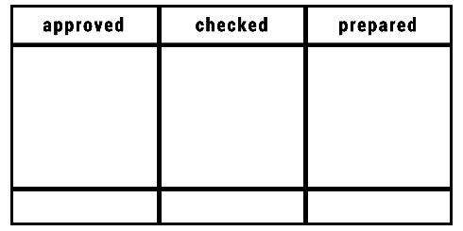
NOR :
MEETING DATE :
AFFECTED LINE :
ITEM CHANGE :
PLAN IMPLEMENTATION :
ACTUAL IMPLEMENTATION :

SECTION | ACTIVITY | PLAN IMPLEMENTATION | ACTUAL IMPLEMENTATION

