Metrik Per Epoch
mAP@0.50 per Epoch
Metrik Training Per Epoch — YOLOv8n
Epoch | Waktu (s) | Loss Box | Loss Cls | Loss DFL | Precision | Recall | mAP@0.50 | mAP@0.50:0.95 | Val Box Loss | Val Cls Loss | Val DFL Loss | LR pg0 | LR pg1
1 | 26.1953 | 1.41358 | 3.00746 | 1.39058 | 0.29371 | 0.27344 | 0.31599 | 0.22852 | 0.89642 | 2.6625 | 1.01399 | 0.00037 | 0.00037
2 | 49.0244 | 1.35408 | 2.26387 | 1.33032 | 0.32329 | 0.48394 | 0.34402 | 0.23741 | 1.10708 | 1.70132 | 1.13679 | 0.00073 | 0.00073
3 | 70.4342 | 1.30044 | 2.06255 | 1.31696 | 0.36755 | 0.62004 | 0.46297 | 0.34809 | 0.89835 | 1.48663 | 1.10183 | 0.00108 | 0.00108
4 | 94.63 | 1.28971 | 1.87524 | 1.31148 | 0.60179 | 0.51688 | 0.47177 | 0.34419 | 0.99368 | 1.4549 | 1.12042 | 0.00108 | 0.00108
5 | 117.594 | 1.3071 | 1.69856 | 1.31275 | 0.44779 | 0.74234 | 0.55359 | 0.42234 | 0.90788 | 1.4388 | 1.08999 | 0.00107 | 0.00107
6 | 140.236 | 1.2763 | 1.53779 | 1.29403 | 0.52175 | 0.67274 | 0.5495 | 0.39358 | 0.95909 | 1.1419 | 1.09202 | 0.00106 | 0.00106
7 | 161.655 | 1.23918 | 1.48467 | 1.28141 | 0.50496 | 0.75009 | 0.59798 | 0.43963 | 0.91275 | 1.01486 | 1.09638 | 0.00105 | 0.00105
8 | 184.913 | 1.25034 | 1.39148 | 1.28134 | 0.34784 | 0.63764 | 0.52583 | 0.39439 | 0.88223 | 1.20744 | 1.0653 | 0.00103 | 0.00103
9 | 207.734 | 1.19784 | 1.32337 | 1.2594 | 0.43209 | 0.76474 | 0.60874 | 0.48638 | 0.8137 | 1.03558 | 1.02531 | 0.00102 | 0.00102
10 | 229.407 | 1.22074 | 1.32956 | 1.27959 | 0.4182 | 0.73184 | 0.50193 | 0.38821 | 0.797 | 1.33075 | 1.03123 | 0.00101 | 0.00101
11 | 252.489 | 1.20031 | 1.29818 | 1.27243 | 0.56891 | 0.74738 | 0.66771 | 0.51973 | 0.8374 | 0.92779 | 1.05427 | 0.001 | 0.001
12 | 275.614 | 1.17805 | 1.22374 | 1.23964 | 0.39211 | 0.71283 | 0.54785 | 0.40172 | 0.91555 | 1.06765 | 1.09514 | 0.00099 | 0.00099
13 | 298.492 | 1.14126 | 1.15506 | 1.23526 | 0.46307 | 0.60823 | 0.57787 | 0.45025 | 0.80332 | 1.07987 | 1.03115 | 0.00098 | 0.00098
14 | 320.014 | 1.13974 | 1.15711 | 1.23857 | 0.58979 | 0.67618 | 0.63689 | 0.50931 | 0.76912 | 0.8371 | 1.00434 | 0.00097 | 0.00097
15 | 343.059 | 1.14369 | 1.13237 | 1.23185 | 0.54558 | 0.6978 | 0.63163 | 0.49427 | 0.8214 | 0.85771 | 1.04479 | 0.00096 | 0.00096
16 | 365.844 | 1.11497 | 1.10007 | 1.21546 | 0.46142 | 0.75465 | 0.6087 | 0.48243 | 0.80924 | 0.94942 | 1.032 | 0.00095 | 0.00095
17 | 387.251 | 1.10063 | 1.07141 | 1.1981 | 0.58929 | 0.80163 | 0.69364 | 0.55508 | 0.81598 | 0.79147 | 1.02882 | 0.00094 | 0.00094
18 | 409.666 | 1.12756 | 1.08846 | 1.22325 | 0.52395 | 0.85957 | 0.68365 | 0.55763 | 0.74483 | 0.80483 | 1.01792 | 0.00092 | 0.00092
19 | 432.692 | 1.09733 | 1.05365 | 1.21469 | 0.50639 | 0.84131 | 0.64029 | 0.50589 | 0.78557 | 0.88276 | 1.01975 | 0.00091 | 0.00091
20 | 455.043 | 1.08646 | 1.04192 | 1.19261 | 0.54604 | 0.84384 | 0.65008 | 0.53306 | 0.73068 | 0.7683 | 0.99144 | 0.0009 | 0.0009
21 | 476.705 | 1.0979 | 1.02309 | 1.20088 | 0.59583 | 0.89807 | 0.71489 | 0.5803 | 0.77302 | 0.72917 | 0.99648 | 0.00089 | 0.00089
22 | 499.675 | 1.09909 | 1.01792 | 1.19276 | 0.61389 | 0.83712 | 0.70977 | 0.56787 | 0.7329 | 0.71169 | 1.00181 | 0.00088 | 0.00088
23 | 522.191 | 1.1052 | 0.98852 | 1.19751 | 0.53011 | 0.85216 | 0.72855 | 0.58453 | 0.7391 | 0.76726 | 1.00639 | 0.00087 | 0.00087
24 | 543.835 | 1.07513 | 0.98513 | 1.1974 | 0.55204 | 0.86043 | 0.65184 | 0.53013 | 0.74472 | 0.78323 | 1.0236 | 0.00086 | 0.00086
25 | 566.388 | 1.07564 | 0.97149 | 1.18802 | 0.56747 | 0.88762 | 0.75728 | 0.60506 | 0.74622 | 0.68927 | 1.00808 | 0.00085 | 0.00085
26 | 588.819 | 1.05307 | 0.95234 | 1.17633 | 0.55372 | 0.78332 | 0.67588 | 0.55537 | 0.77324 | 0.80131 | 1.01018 | 0.00084 | 0.00084
27 | 610.535 | 1.05248 | 0.92522 | 1.18336 | 0.5659 | 0.92042 | 0.70932 | 0.58168 | 0.71308 | 0.7372 | 0.99518 | 0.00083 | 0.00083
28 | 633.222 | 1.03978 | 0.91838 | 1.16016 | 0.49371 | 0.73772 | 0.65434 | 0.53669 | 0.68652 | 0.76291 | 0.9853 | 0.00081 | 0.00081
29 | 655.815 | 1.05209 | 0.95362 | 1.17757 | 0.59365 | 0.81841 | 0.72928 | 0.5803 | 0.74091 | 0.7894 | 0.99455 | 0.0008 | 0.0008
30 | 677.69 | 1.02181 | 0.92649 | 1.16759 | 0.64051 | 0.84057 | 0.78089 | 0.63254 | 0.69993 | 0.61395 | 0.97928 | 0.00079 | 0.00079
31 | 700.201 | 1.03943 | 0.89032 | 1.15997 | 0.59392 | 0.807 | 0.75782 | 0.61274 | 0.77555 | 0.70989 | 1.01092 | 0.00078 | 0.00078
32 | 723.267 | 1.01739 | 0.88928 | 1.16364 | 0.57417 | 0.9055 | 0.77652 | 0.63248 | 0.70699 | 0.74348 | 0.96917 | 0.00077 | 0.00077
33 | 745.988 | 0.99931 | 0.86835 | 1.14551 | 0.58139 | 0.84044 | 0.71337 | 0.5981 | 0.73819 | 0.71065 | 0.99555 | 0.00076 | 0.00076
34 | 767.929 | 1.00633 | 0.85725 | 1.1506 | 0.60632 | 0.83185 | 0.74781 | 0.62231 | 0.68062 | 0.72738 | 0.96838 | 0.00075 | 0.00075
35 | 790.988 | 0.98188 | 0.8549 | 1.14208 | 0.62027 | 0.89156 | 0.81158 | 0.66647 | 0.72642 | 0.6439 | 0.9813 | 0.00074 | 0.00074
36 | 813.889 | 1.00137 | 0.86087 | 1.14842 | 0.70287 | 0.78859 | 0.75151 | 0.62292 | 0.69619 | 0.6521 | 0.9601 | 0.00073 | 0.00073
37 | 835.913 | 0.96836 | 0.8155 | 1.1283 | 0.65289 | 0.87618 | 0.84896 | 0.68994 | 0.74172 | 0.64835 | 0.98983 | 0.00072 | 0.00072
38 | 858.457 | 0.9874 | 0.81033 | 1.13483 | 0.59781 | 0.93786 | 0.81666 | 0.67719 | 0.69093 | 0.65161 | 0.96846 | 0.0007 | 0.0007
39 | 881.699 | 0.97837 | 0.8179 | 1.12686 | 0.60752 | 0.88286 | 0.76088 | 0.61979 | 0.75629 | 0.62754 | 1.00531 | 0.00069 | 0.00069
40 | 904.495 | 0.98759 | 0.80773 | 1.13573 | 0.6555 | 0.90173 | 0.83228 | 0.70842 | 0.69318 | 0.59367 | 0.97076 | 0.00068 | 0.00068
41 | 926.755 | 0.94309 | 0.76776 | 1.11286 | 0.74207 | 0.84243 | 0.84366 | 0.70353 | 0.70533 | 0.59743 | 0.98771 | 0.00067 | 0.00067
42 | 950.196 | 0.93958 | 0.79508 | 1.11598 | 0.67395 | 0.86502 | 0.81711 | 0.68879 | 0.67048 | 0.58359 | 0.95033 | 0.00066 | 0.00066
43 | 972.41 | 0.95749 | 0.78195 | 1.11712 | 0.74392 | 0.87723 | 0.83705 | 0.70504 | 0.70292 | 0.60263 | 0.96525 | 0.00065 | 0.00065
44 | 994.239 | 0.94085 | 0.76596 | 1.10572 | 0.80107 | 0.87358 | 0.88564 | 0.74255 | 0.68037 | 0.57733 | 0.96703 | 0.00064 | 0.00064
45 | 1017.1 | 0.9315 | 0.74764 | 1.10723 | 0.81195 | 0.84957 | 0.89743 | 0.74561 | 0.68466 | 0.55563 | 0.96236 | 0.00063 | 0.00063
46 | 1040.07 | 0.93421 | 0.73991 | 1.10838 | 0.77931 | 0.87749 | 0.91091 | 0.75405 | 0.6934 | 0.54603 | 0.97442 | 0.00062 | 0.00062
47 | 1062.05 | 0.93849 | 0.74002 | 1.11606 | 0.78387 | 0.85897 | 0.90085 | 0.75998 | 0.68036 | 0.59045 | 0.96578 | 0.00061 | 0.00061
48 | 1085.16 | 0.92171 | 0.72289 | 1.10236 | 0.65178 | 0.96505 | 0.90276 | 0.75043 | 0.68608 | 0.59477 | 0.97372 | 0.00059 | 0.00059
49 | 1108.54 | 0.94197 | 0.74321 | 1.11254 | 0.71836 | 0.9037 | 0.88701 | 0.73455 | 0.71028 | 0.58498 | 0.98084 | 0.00058 | 0.00058
50 | 1131.97 | 0.92693 | 0.72784 | 1.1071 | 0.76249 | 0.86622 | 0.89498 | 0.75674 | 0.6748 | 0.57129 | 0.96081 | 0.00057 | 0.00057
51 | 1153.68 | 0.894 | 0.70031 | 1.0841 | 0.73108 | 0.81959 | 0.86053 | 0.72097 | 0.67604 | 0.58547 | 0.96177 | 0.00056 | 0.00056
52 | 1177.04 | 0.90373 | 0.69535 | 1.08893 | 0.68085 | 0.90656 | 0.84448 | 0.70597 | 0.68676 | 0.65165 | 0.96746 | 0.00055 | 0.00055
53 | 1199.77 | 0.89045 | 0.69056 | 1.08933 | 0.77076 | 0.86323 | 0.87759 | 0.74271 | 0.65587 | 0.54206 | 0.94962 | 0.00054 | 0.00054
54 | 1222.8 | 0.90963 | 0.67504 | 1.08863 | 0.89418 | 0.8502 | 0.92614 | 0.76498 | 0.68939 | 0.51089 | 0.97799 | 0.00053 | 0.00053
55 | 1244.52 | 0.88926 | 0.68275 | 1.08598 | 0.82869 | 0.90772 | 0.91554 | 0.76892 | 0.66024 | 0.4978 | 0.95538 | 0.00052 | 0.00052
56 | 1267.18 | 0.88584 | 0.65569 | 1.07986 | 0.83899 | 0.91854 | 0.9142 | 0.77204 | 0.6482 | 0.49119 | 0.94543 | 0.00051 | 0.00051
57 | 1289.87 | 0.87754 | 0.65142 | 1.07322 | 0.78197 | 0.9515 | 0.90954 | 0.77367 | 0.64347 | 0.52943 | 0.94493 | 0.0005 | 0.0005
58 | 1312 | 0.85888 | 0.63899 | 1.07069 | 0.78207 | 0.9094 | 0.94497 | 0.79805 | 0.65466 | 0.52679 | 0.96142 | 0.00048 | 0.00048
59 | 1334.63 | 0.86281 | 0.65618 | 1.07761 | 0.81398 | 0.87929 | 0.91719 | 0.78012 | 0.67996 | 0.50789 | 0.97299 | 0.00047 | 0.00047
60 | 1357.52 | 0.85209 | 0.62649 | 1.0658 | 0.86469 | 0.93193 | 0.92958 | 0.77895 | 0.65914 | 0.46574 | 0.96523 | 0.00046 | 0.00046
61 | 1380.16 | 0.83924 | 0.63129 | 1.06059 | 0.85713 | 0.83876 | 0.90492 | 0.76981 | 0.64334 | 0.49898 | 0.95078 | 0.00045 | 0.00045
62 | 1402.95 | 0.84256 | 0.62214 | 1.06944 | 0.81108 | 0.92394 | 0.93 | 0.80417 | 0.63034 | 0.47783 | 0.94355 | 0.00044 | 0.00044
63 | 1425.96 | 0.83067 | 0.59939 | 1.05424 | 0.78301 | 0.9137 | 0.89628 | 0.76287 | 0.65169 | 0.52102 | 0.96852 | 0.00043 | 0.00043
64 | 1448.53 | 0.84446 | 0.61427 | 1.06426 | 0.82564 | 0.85044 | 0.90118 | 0.77698 | 0.63151 | 0.49362 | 0.94536 | 0.00042 | 0.00042
65 | 1470.72 | 0.84024 | 0.60742 | 1.06138 | 0.81554 | 0.91771 | 0.91875 | 0.7864 | 0.64986 | 0.4903 | 0.95357 | 0.00041 | 0.00041
66 | 1493.65 | 0.82027 | 0.59634 | 1.04528 | 0.84884 | 0.89551 | 0.92374 | 0.77002 | 0.68551 | 0.50996 | 0.97575 | 0.0004 | 0.0004
67 | 1516.34 | 0.82527 | 0.59813 | 1.05544 | 0.81552 | 0.89697 | 0.93138 | 0.78616 | 0.67566 | 0.52112 | 0.97309 | 0.00039 | 0.00039
68 | 1538.3 | 0.81908 | 0.58447 | 1.05101 | 0.83211 | 0.8153 | 0.91102 | 0.77825 | 0.6293 | 0.53714 | 0.94964 | 0.00037 | 0.00037
69 | 1561.37 | 0.81946 | 0.57618 | 1.05377 | 0.84845 | 0.85651 | 0.93933 | 0.79571 | 0.66568 | 0.52184 | 0.96071 | 0.00036 | 0.00036
70 | 1584.18 | 0.80514 | 0.58551 | 1.0454 | 0.7769 | 0.93689 | 0.92526 | 0.7891 | 0.63373 | 0.48682 | 0.94239 | 0.00035 | 0.00035
71 | 1607.07 | 0.80426 | 0.56378 | 1.03751 | 0.85916 | 0.86536 | 0.92756 | 0.78797 | 0.63271 | 0.50368 | 0.95068 | 0.00034 | 0.00034
72 | 1629.12 | 0.79313 | 0.56131 | 1.0404 | 0.8489 | 0.91273 | 0.90839 | 0.78161 | 0.61872 | 0.48866 | 0.95061 | 0.00033 | 0.00033
73 | 1651.79 | 0.77697 | 0.56386 | 1.03547 | 0.90444 | 0.91087 | 0.95669 | 0.81872 | 0.65215 | 0.44331 | 0.9615 | 0.00032 | 0.00032
74 | 1674.69 | 0.79208 | 0.55684 | 1.0402 | 0.84583 | 0.90337 | 0.9466 | 0.81597 | 0.62467 | 0.48384 | 0.94191 | 0.00031 | 0.00031
75 | 1696.6 | 0.79415 | 0.56147 | 1.0367 | 0.83673 | 0.91745 | 0.94061 | 0.79438 | 0.66657 | 0.51563 | 0.96359 | 0.0003 | 0.0003
76 | 1719.08 | 0.78203 | 0.54298 | 1.03133 | 0.77905 | 0.95214 | 0.94353 | 0.81442 | 0.63113 | 0.47152 | 0.94409 | 0.00029 | 0.00029
77 | 1741.94 | 0.7739 | 0.535 | 1.02696 | 0.83353 | 0.8354 | 0.91305 | 0.77889 | 0.6638 | 0.52096 | 0.96805 | 0.00028 | 0.00028
78 | 1764.2 | 0.7595 | 0.54177 | 1.01683 | 0.83843 | 0.96111 | 0.94333 | 0.81021 | 0.63835 | 0.46001 | 0.94712 | 0.00026 | 0.00026
79 | 1786.91 | 0.75614 | 0.52773 | 1.0072 | 0.81019 | 0.93655 | 0.92363 | 0.78458 | 0.64626 | 0.49749 | 0.96168 | 0.00025 | 0.00025
80 | 1809.83 | 0.74611 | 0.51425 | 1.01556 | 0.86178 | 0.94633 | 0.94118 | 0.80724 | 0.62244 | 0.43578 | 0.94984 | 0.00024 | 0.00024
81 | 1832.42 | 0.7303 | 0.51162 | 1.00756 | 0.85976 | 0.94155 | 0.95856 | 0.81267 | 0.65395 | 0.4394 | 0.97286 | 0.00023 | 0.00023
82 | 1854.44 | 0.75551 | 0.53081 | 1.02341 | 0.83104 | 0.93743 | 0.95401 | 0.81792 | 0.62071 | 0.46389 | 0.96253 | 0.00022 | 0.00022
83 | 1877.61 | 0.75197 | 0.51235 | 1.01718 | 0.86578 | 0.85351 | 0.9437 | 0.81401 | 0.63266 | 0.48666 | 0.94711 | 0.00021 | 0.00021
84 | 1900.73 | 0.72244 | 0.4912 | 1.00621 | 0.89008 | 0.90912 | 0.95942 | 0.81129 | 0.65913 | 0.44877 | 0.96679 | 0.0002 | 0.0002
85 | 1922.92 | 0.72453 | 0.51343 | 1.00603 | 0.86322 | 0.92981 | 0.9463 | 0.80782 | 0.63057 | 0.4469 | 0.95321 | 0.00019 | 0.00019
86 | 1945.36 | 0.71962 | 0.4947 | 1.00116 | 0.85092 | 0.90439 | 0.94495 | 0.81778 | 0.61515 | 0.47517 | 0.93858 | 0.00018 | 0.00018
87 | 1968.52 | 0.72266 | 0.49972 | 1.00746 | 0.8522 | 0.93156 | 0.95975 | 0.82663 | 0.63616 | 0.44294 | 0.95128 | 0.00017 | 0.00017
88 | 1990.54 | 0.71894 | 0.50186 | 1.00757 | 0.79553 | 0.9815 | 0.95496 | 0.81646 | 0.63772 | 0.43397 | 0.95963 | 0.00015 | 0.00015
89 | 2012.85 | 0.72683 | 0.50262 | 1.01741 | 0.86142 | 0.93545 | 0.95067 | 0.82123 | 0.61377 | 0.42223 | 0.94329 | 0.00014 | 0.00014
90 | 2035.43 | 0.7145 | 0.48353 | 1.0096 | 0.87643 | 0.92545 | 0.95885 | 0.81836 | 0.62802 | 0.41996 | 0.94898 | 0.00013 | 0.00013
91 | 2060.24 | 0.64671 | 0.33685 | 0.95226 | 0.89031 | 0.90271 | 0.96678 | 0.83757 | 0.61038 | 0.45091 | 0.93985 | 0.00012 | 0.00012
92 | 2080.88 | 0.63822 | 0.32882 | 0.95663 | 0.84039 | 0.90625 | 0.93845 | 0.80019 | 0.63059 | 0.49204 | 0.95265 | 0.00011 | 0.00011
93 | 2103.05 | 0.61973 | 0.31676 | 0.95086 | 0.85692 | 0.94056 | 0.96128 | 0.82066 | 0.62704 | 0.43081 | 0.95435 | 0.0001 | 0.0001
94 | 2125.33 | 0.60426 | 0.31414 | 0.93715 | 0.87314 | 0.92649 | 0.96788 | 0.82745 | 0.62704 | 0.4397 | 0.95394 | 0.00009 | 0.00009
95 | 2146.33 | 0.60857 | 0.31477 | 0.9355 | 0.86834 | 0.95308 | 0.95787 | 0.82669 | 0.61051 | 0.41944 | 0.9429 | 0.00008 | 0.00008
96 | 2168.41 | 0.59828 | 0.30639 | 0.94011 | 0.85193 | 0.93837 | 0.9562 | 0.82077 | 0.61628 | 0.43589 | 0.94509 | 0.00007 | 0.00007
97 | 2190.18 | 0.59537 | 0.30061 | 0.93424 | 0.85166 | 0.93384 | 0.95542 | 0.81777 | 0.61706 | 0.4371 | 0.94663 | 0.00006 | 0.00006
98 | 2211.08 | 0.58886 | 0.29601 | 0.9231 | 0.85985 | 0.92542 | 0.95336 | 0.81987 | 0.61965 | 0.437 | 0.9517 | 0.00004 | 0.00004
99 | 2233.15 | 0.58779 | 0.30002 | 0.92793 | 0.848 | 0.93895 | 0.95473 | 0.82187 | 0.61597 | 0.43593 | 0.95225 | 0.00003 | 0.00003
100 | 2254.9 | 0.58582 | 0.29593 | 0.92054 | 0.84289 | 0.93808 | 0.95329 | 0.8187 | 0.62213 | 0.44658 | 0.95395 | 0.00002 | 0.00002

Grafik & Visualisasi
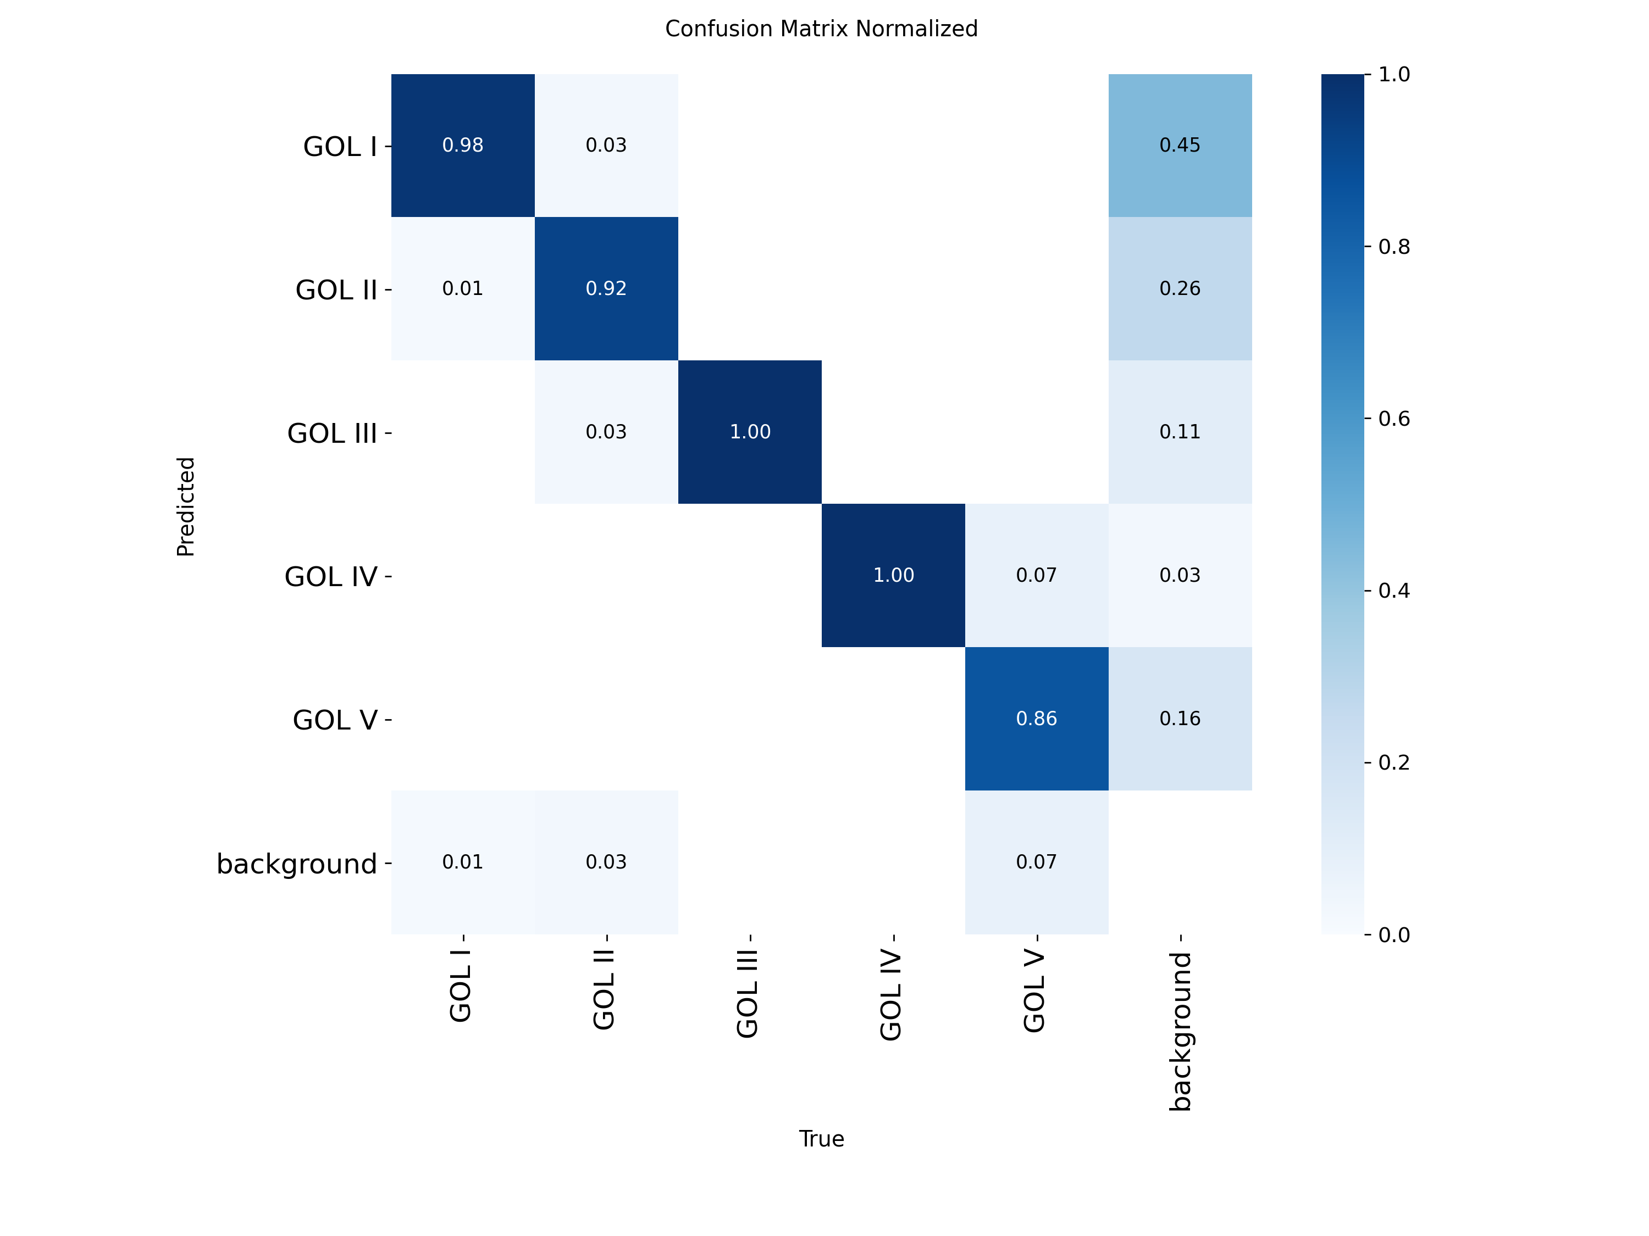
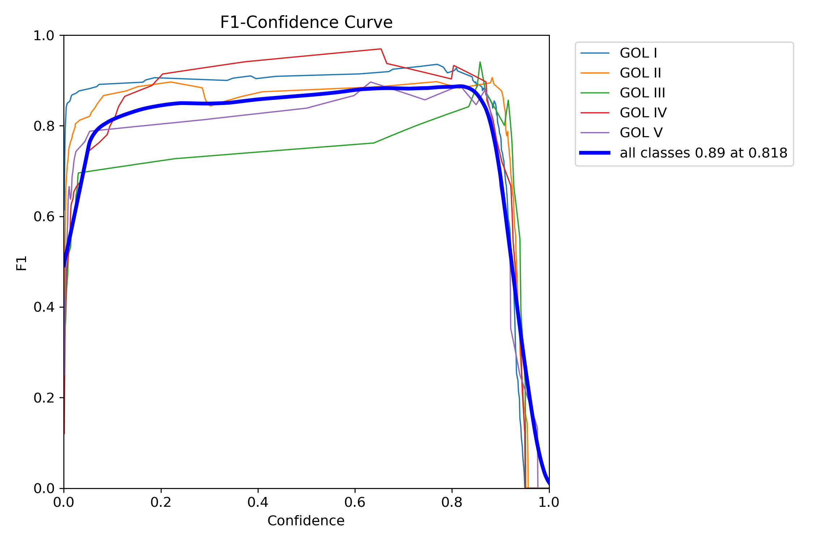
Grafik Hasil Training — YOLOv8n
Grafik Loss & Metrik per Epoch | Precision-Recall Curve
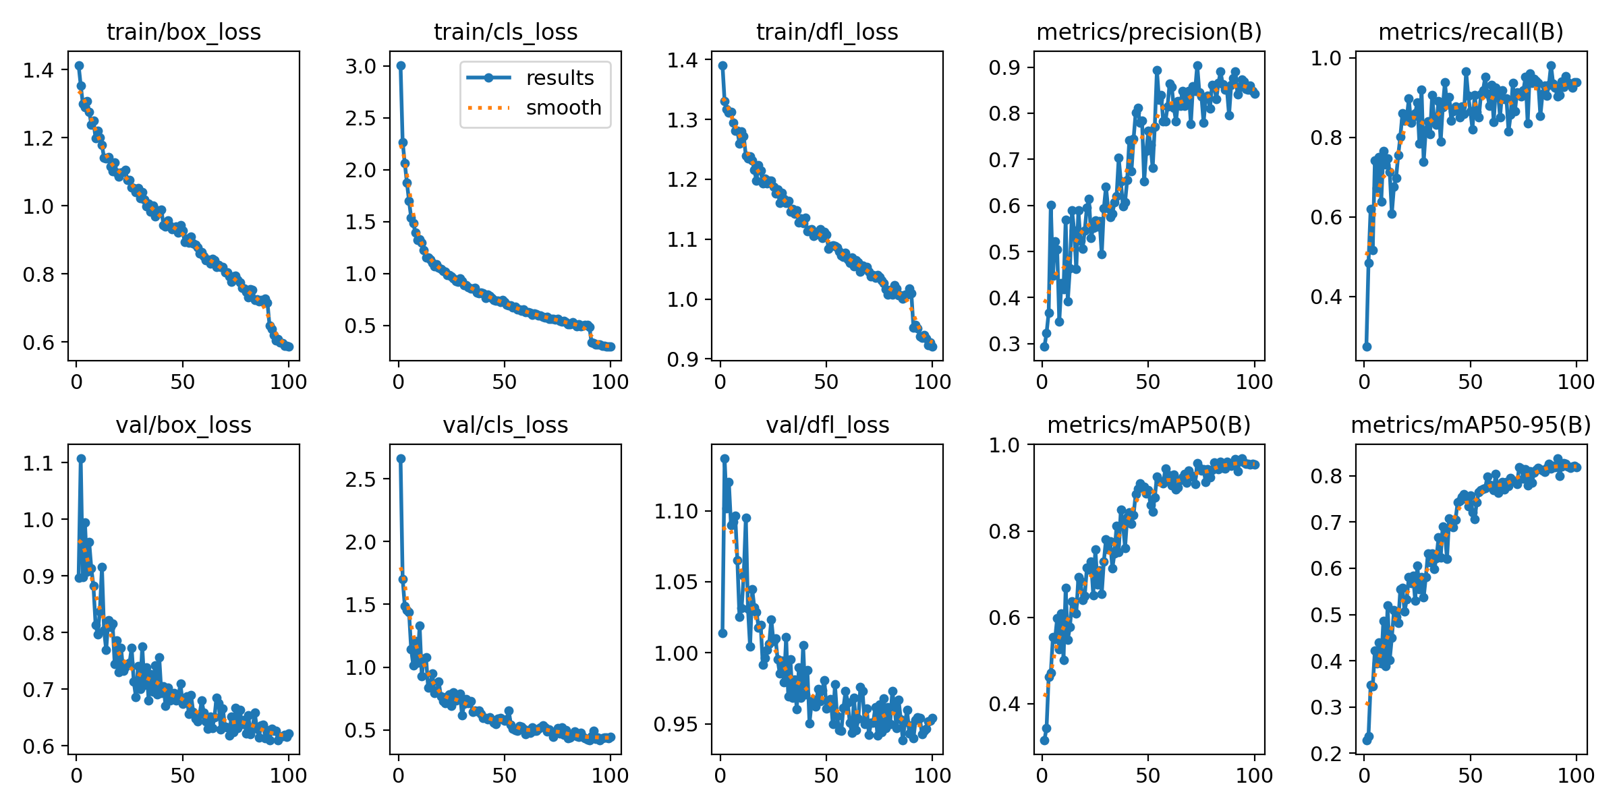
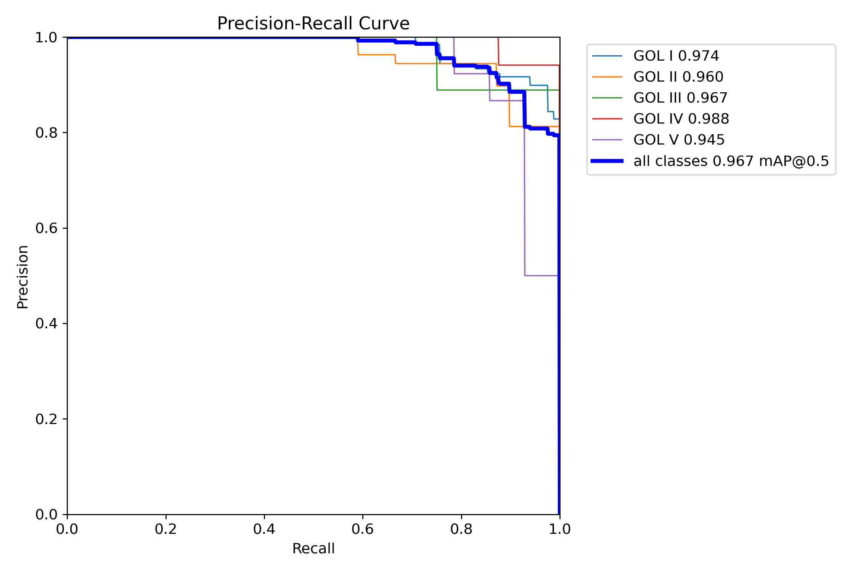

Confusion Matrix (Normalized) | F1-Confidence Curve

