Sheet1
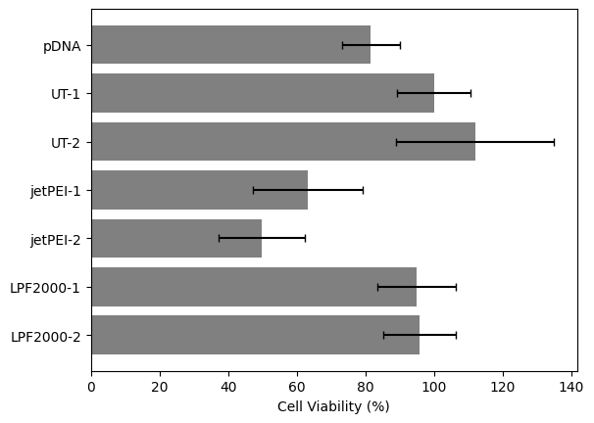
Absorbance | Well 1 | Well 2 | Well 3 | Well Avg. | Viability | %Viability
pDNA | 0.496 | 0.606 | 0.637 | 0.57966666667 | 0.81604880338 | 81.604880338
UT-1 | 0.603 | 0.764 | 0.764 | 0.71033333333 | 1 | 100
UT-2 | 0.994 | 0.796 | 0.595 | 0.795 | 1.1191928672 | 111.91928672
jetPEI-1 | 0.529 | 0.289 | 0.53 | 0.44933333333 | 0.63256687001 | 63.256687001
jetPEI-2 | 0.244 | 0.463 | 0.352 | 0.353 | 0.49694978883 | 49.694978883
LPF2000-1 | 0.601 | 0.632 | 0.787 | 0.67333333333 | 0.94791177851 | 94.791177851
LPF2000-2 | 0.655 | 0.782 | 0.603 | 0.68 | 0.95729704364 | 95.729704364

Normalization with UT | 0.84889723135 | 1.0755513843 | 1.0755513843 | 1
 | 84.889723135 | 107.55513843 | 107.55513843 | 100

 | Well 1 | Well 2 | Well 3 |  | Stdev | Well 1 | Well 2 | Well 3 | avg | Stdev
pDNA | 0.69826372595 | 0.85312060066 | 0.89676208353 |  | pDNA | 69.826372595 | 85.312060066 | 89.676208353 | 81.604880338 | 8.5170957904
UT-1 | 0.84889723135 | 1.0755513843 | 1.0755513843 |  | UT-1 | 84.889723135 | 107.55513843 | 107.55513843 | 100 | 10.684579237
UT-2 | 1.3993430314 | 1.120600657 | 0.83763491319 |  | UT-2 | 139.93430314 | 112.0600657 | 83.763491319 | 111.91928672 | 22.931853964
jetPEI-1 | 0.74472078836 | 0.40685124355 | 0.74612857813 |  | jetPEI-1 | 74.472078836 | 40.685124355 | 74.612857813 | 63.256687001 | 15.960608487
jetPEI-2 | 0.34350070389 | 0.65180666354 | 0.49554199906 |  | jetPEI-2 | 34.350070389 | 65.180666354 | 49.554199906 | 49.694978883 | 12.586931739
LPF2000-1 | 0.84608165181 | 0.88972313468 | 1.107930549 |  | LPF2000-1 | 84.608165181 | 88.972313468 | 110.7930549 | 94.791177851 | 11.454445992
LPF2000-2 | 0.92210229939 | 1.1008916002 | 0.84889723135 |  | LPF2000-2 | 92.210229939 | 110.08916002 | 84.889723135 | 95.729704364 | 10.584357326

