Sheet1
 | 0.417 | 0.594 | 0.499 | 0.175 | 0.21 | 0.522
 | 0.458 | 0.711 | 0.54 | 0.217 | 0.251 | 0.578
 | 0.455 | 0.705 | 0.536 | 0.214 | 0.247 | 0.573
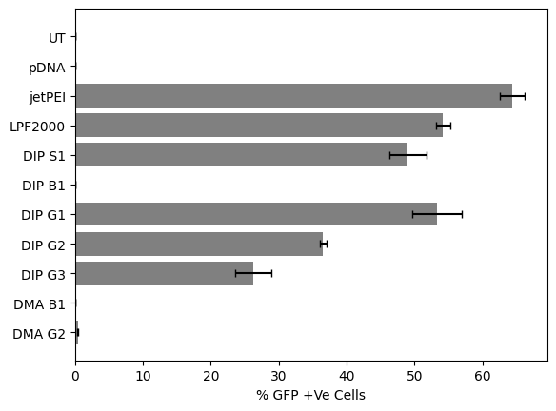
 | 0.041 | 0.117 | 0.041 | 0.042 | 0.041 | 0.056
 | 80485 | 94323 | 81557 | 193453 | 217373 | 144475
0.508 | 0.646 | 0.177 | 0.188 | 0.462 | 0.45 | 0.149 | 0.137 | 0.147 | 0.422 | 0.407 | 0.103
 | 0.637 | 0.174 | 0.184 | 0.458 | 0.445 | 0.146
 | 0.138 | 0.04 | 0.041 | 0.04 | 0.043 | 0.046
 | 148075 | 257425 | 311797 | 97616 | 91104 | 402597
0.078 | 0.125 | 0.213 | 0.166 | 0.228 | 0.271 | 0.435 | 0.146 | 0.103 | 0.187 | 0.226 | 0.395
 | 0.122 | 0.208 | 0.161 | 0.225 | 0.266 | 0.431
 | 0.047 | 0.067 | 0.063 | 0.041 | 0.045 | 0.04
 | 489296 | 289746 | 326882 | 191953 | 192691 | 94715
0.296 | 0.428 | 0.476 | 0.37 | 0.442 | 0.517 | 0.405 | 0.434 | 0.33 | 0.402 | 0.463 | 0.361
 | 0.421 | 0.472 | 0.366 | 0.437 | 0.513 | 0.4
 | 0.132 | 0.042 | 0.04 | 0.04 | 0.054 | 0.044
 | 115354 | 99286 | 109040 | 92051 | 87585 | 166264

 |  |  | Variable | Well 1 | Well 2 | Average | StDev | Viability | % Viability
 |  |  | UT | 0.594 | 0.499 | 0.5465 | 0.067175144213 | 1 | 100
 |  |  | pDNA | 0.417 |  | 0.417 | 0.01 | 0.76303751144 | 76.303751144
 |  |  | jetPEI | 0.175 | 0.21 | 0.1925 | 0.024748737342 | 0.35224153705 | 35.224153705
 |  |  | LPF2000 | 0.522 | 0.508 | 0.515 | 0.0098994949366 | 0.94236047575 | 94.236047575
 |  |  | DIP S1 | 0.137 | 0.147 | 0.142 | 0.0070710678119 | 0.25983531565 | 25.983531565
 |  |  | DIP B1 | 0.422 | 0.407 | 0.4145 | 0.010606601718 | 0.75846294602 | 75.846294602
 |  |  | DIP G1 | 0.103 | 0.078 | 0.0905 | 0.01767766953 | 0.16559926807 | 16.559926807
 |  |  | DIP G2 | 0.146 | 0.103 | 0.1245 | 0.030405591591 | 0.22781335773 | 22.781335773
 |  |  | DIP G3 | 0.187 | 0.226 | 0.2065 | 0.027577164466 | 0.37785910339 | 37.785910339
 |  |  | DMA B1 | 0.395 | 0.296 | 0.3455 | 0.070003571337 | 0.63220494053 | 63.220494053
 |  |  | DMA G2 | 0.434 | 0.33 | 0.382 | 0.073539105243 | 0.69899359561 | 69.899359561

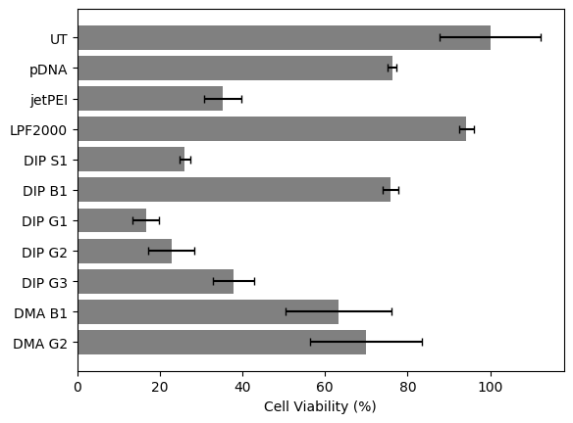
 |  |  | Normalization for Stdev |  |  |  | W/ % |  | Average | STdDev
 |  |  | UT | 1.0869167429 | 0.91308325709 |  | 108.69167429 | 91.308325709 | 100 | 12.291883662
 |  |  | pDNA | 0.76303751144 |  |  | 76.303751144 |  | 76.303751144 | 1.1
 |  |  | jetPEI | 0.32021957914 | 0.38426349497 |  | 32.021957914 | 38.426349497 | 35.224153705 | 4.5285887176
 |  |  | LPF2000 | 0.95516925892 | 0.92955169259 |  | 95.516925892 | 92.955169259 | 94.236047575 | 1.811435487
 |  |  | DIP S1 | 0.25068618481 | 0.26898444648 |  | 25.068618481 | 26.898444648 | 25.983531565 | 1.2938824907
 |  |  | DIP B1 | 0.77218664227 | 0.74473924977 |  | 77.218664227 | 74.473924977 | 75.846294602 | 1.9408237361
 |  |  | DIP G1 | 0.18847209515 | 0.14272644099 |  | 18.847209515 | 14.272644099 | 16.559926807 | 3.2347062268
 |  |  | DIP G2 | 0.26715462031 | 0.18847209515 |  | 26.715462031 | 18.847209515 | 22.781335773 | 5.5636947102
 |  |  | DIP G3 | 0.34217749314 | 0.41354071363 |  | 34.217749314 | 41.354071363 | 37.785910339 | 5.0461417139
 |  |  | DMA B1 | 0.72278133577 | 0.54162854529 |  | 72.278133577 | 54.162854529 | 63.220494053 | 12.809436658
 |  |  | DMA G2 | 0.79414455627 | 0.60384263495 |  | 79.414455627 | 60.384263495 | 69.899359561 | 13.456377904

