Sheet1
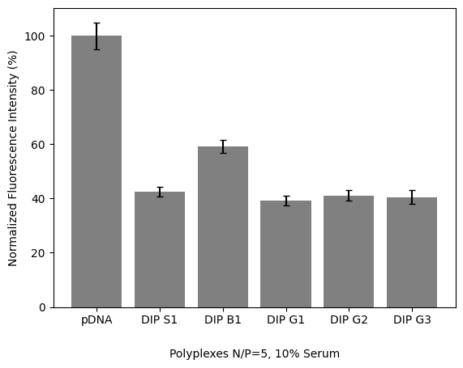
Polyplex | Avg. | Avg. % | Stdev | Final std
pDNA | 9834.6666667 | 100 | 352.76243186 | 5.0726825051
DIP S1 | 4177.3333333 | 42.475596529 | 99.620948266 | 1.8295750642
DIP B1 | 5815 | 59.127575922 | 107.84711401 | 2.3875924946
DIP G1 | 3852 | 39.167570499 | 112.76967678 | 1.8134488457
DIP G2 | 4039.3333333 | 41.072396963 | 119.87632516 | 1.9121152182
DIP G3 | 3989 | 40.560601952 | 202.98522114 | 2.5252077853

 |  |  | 4177.3333333 | 99.620948266 | 5815 | 107.84711401 | 3852 | 112.76967678
 |  |  | 4039.3333333 | 119.87632516 | 3989 | 202.98522114 | 86 | 10.583005244
 |  |  | 11041.666667 |  | 9834.6666667 | 352.76243186 | 3.6666666667

