Sheet1
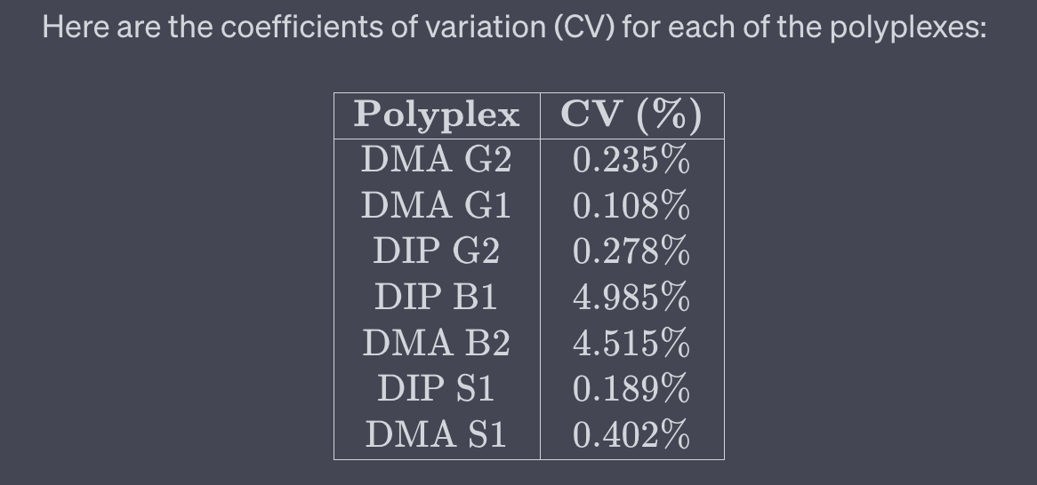
Polyplex | Avg. % | Avg. | Std | pDNA avg | pDNA avg % | pDNA std
DMA G2 | 67.477494733 | 5871.6666667 | 122.53298876 | 8701.6666667 | 87.016666667 | 580.91508272
DMA G1 | 76.797548362 | 6682.6666667 | 2.038999965
DIP G2 | 64.822830875 | 5640.6666667 | 0.95074299312
DIP B1 | 12.196897146 | 1061.3333333 | 0.17289077336
DMA B2 | 13.273319287 | 1155 | 0.53013120527 |  |  | 67.477494733 | 4.7196960498
DIP S1 | 70.622486114 | 6145.3333333 | 1.6385478393
DMA S1 | 58.21490136 | 5065.6666667 | 17.890914439

 |  |  |  |  |  | r | 67.477494733
 |  |  |  |  |  | sigma_r | 4.5341202035

 |  |  | 122.53298876 |  |  | 580.91508272

5890 | 5984 | 5741 | 6793 | 6777 | 6478 | 5565 | 5628 | 5729
OVRFLW | OVRFLW | OVRFLW | OVRFLW | OVRFLW | OVRFLW | OVRFLW | OVRFLW | OVRFLW
1060 | 1077 | 1047 | 1207 | 1119 | 1139 | 5988 | 6182 | 6266
2393229 | 2438916 | 2388046 | 2751530 | 2603218 | 2658794 | OVRFLW | OVRFLW | OVRFLW
6862 | 4108 | 4227 | 0 | 0 | 0 | 8860 | 9187 | 8058
OVRFLW | 8369913 | 8604512 | 51812 | 18744 | 20235 | OVRFLW | OVRFLW | OVRFLW

