usman.it
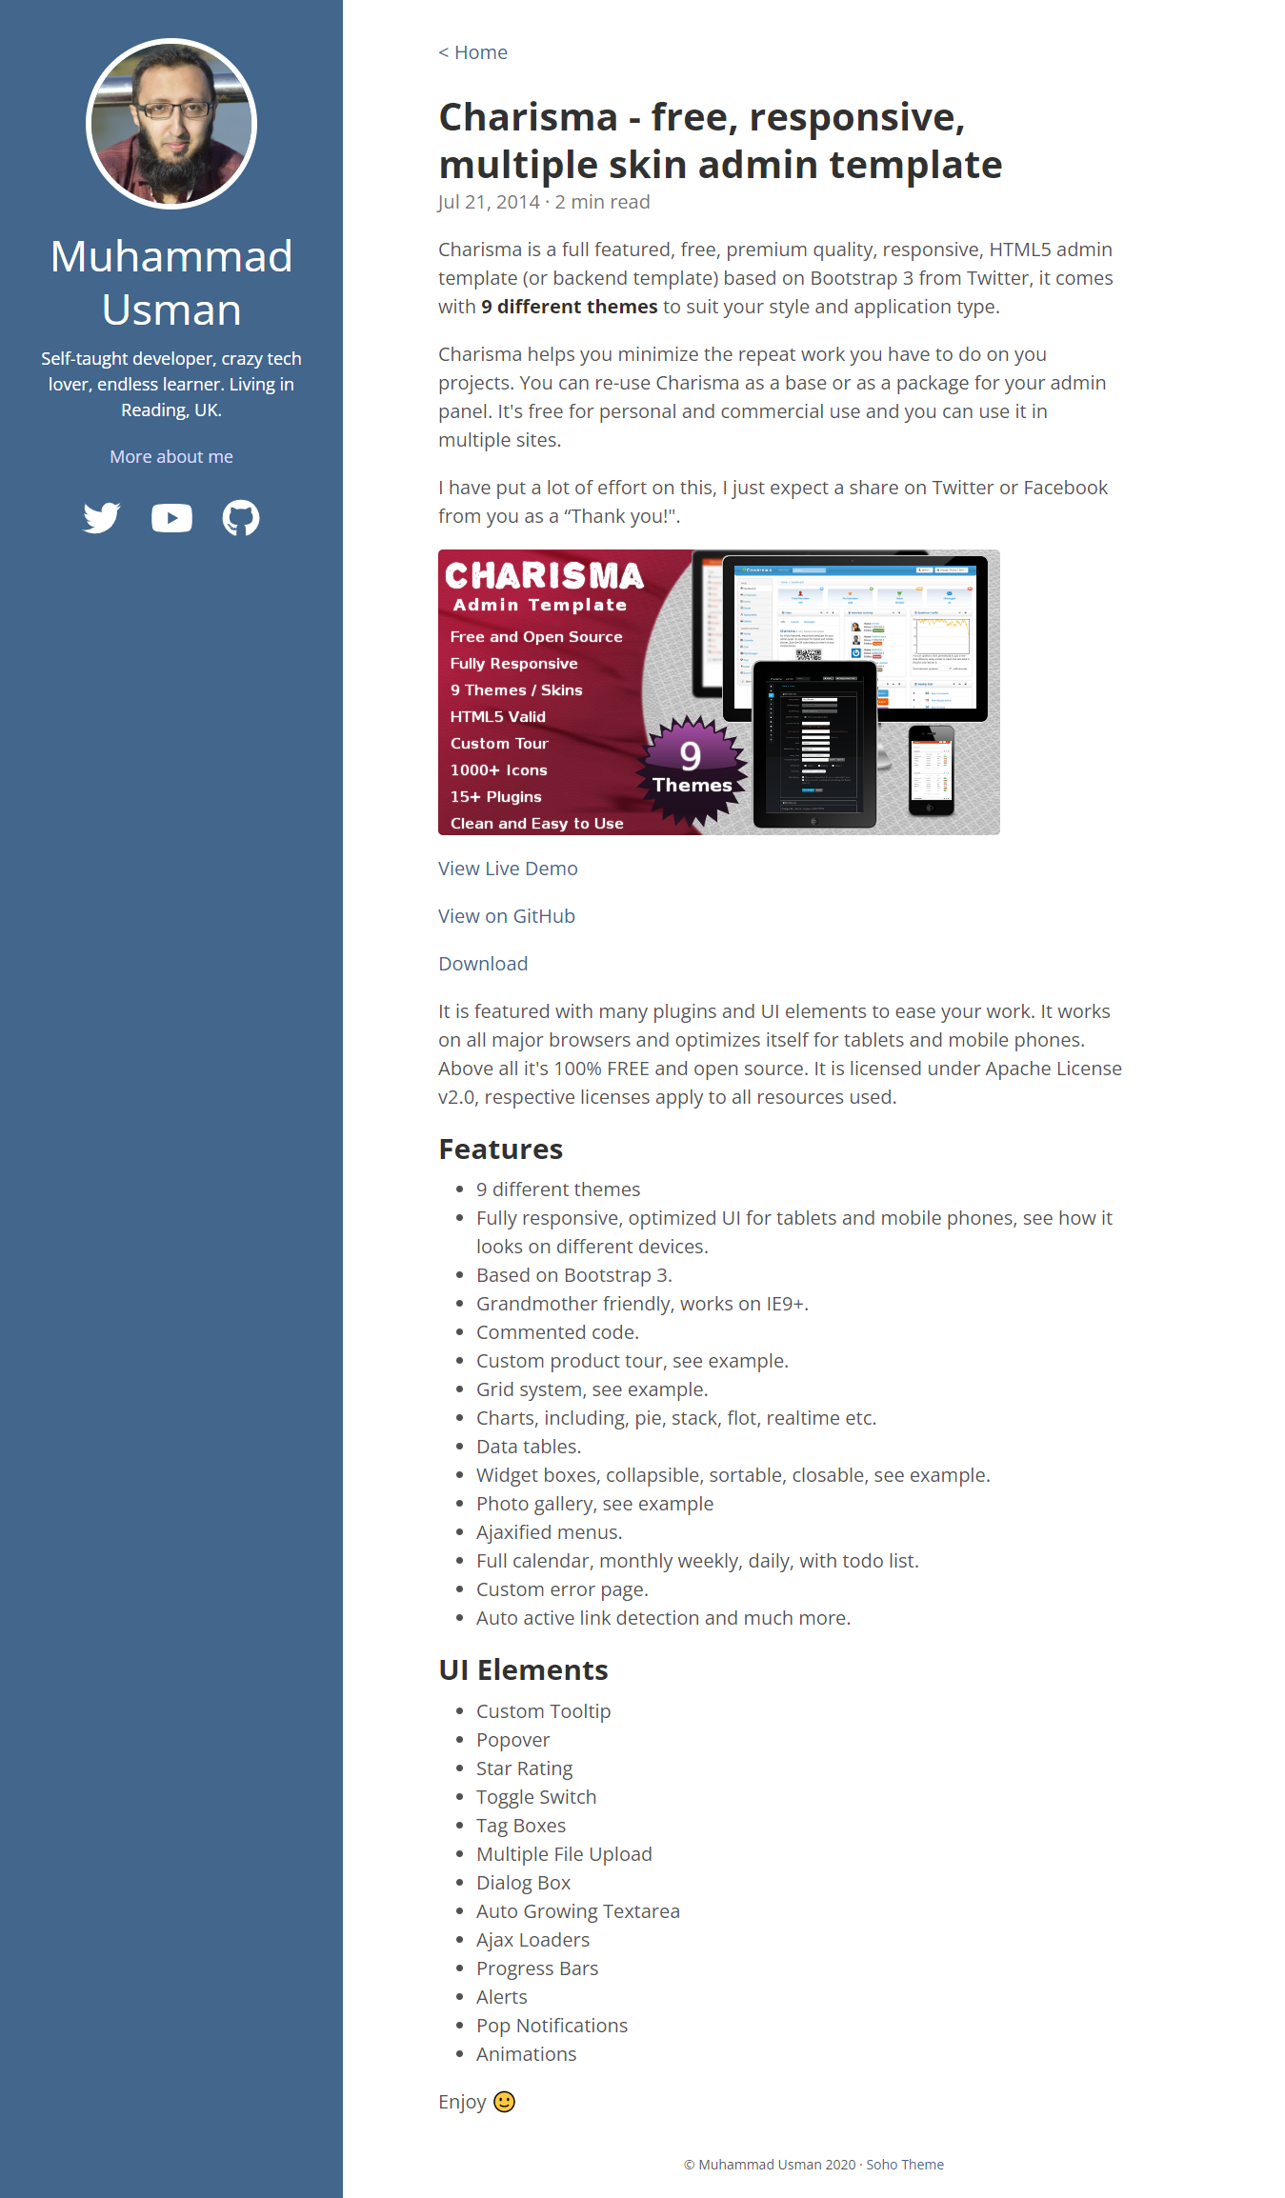
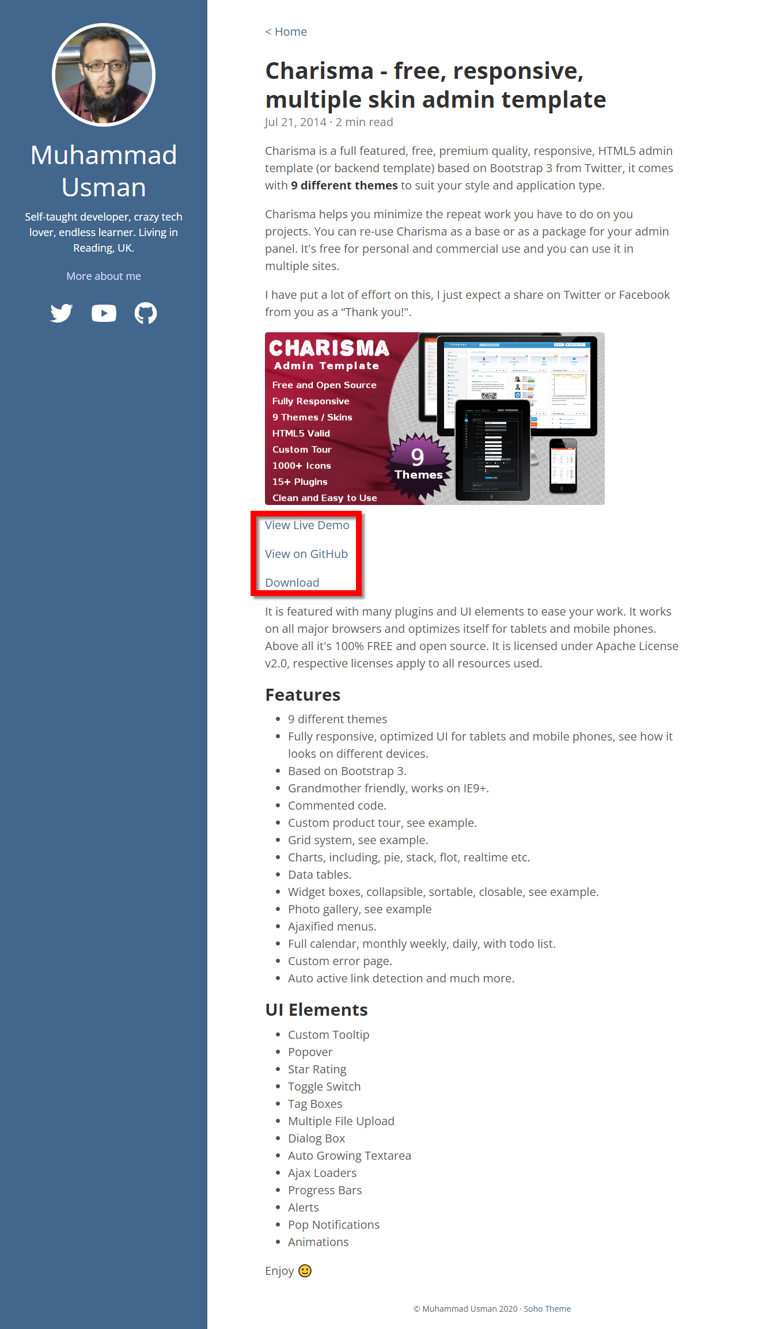
https://usman.it/free-responsive-admin-template/
https://github.com/usmanhalalit/charisma

