TEMPLATES
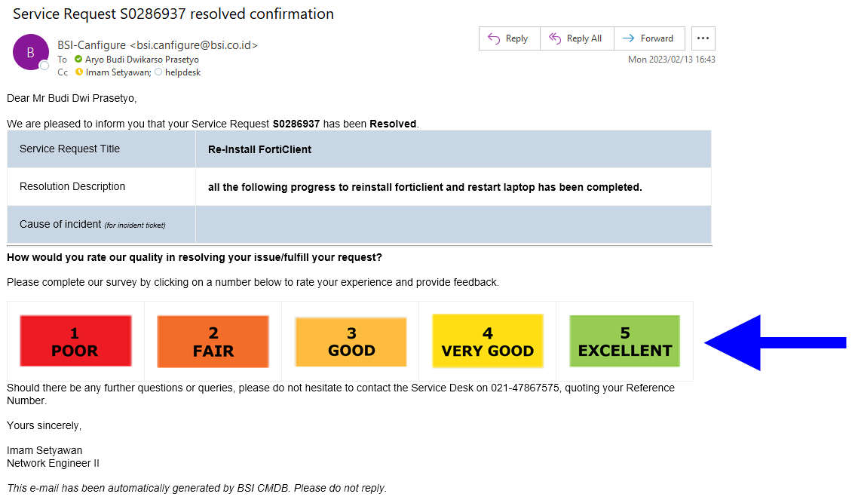
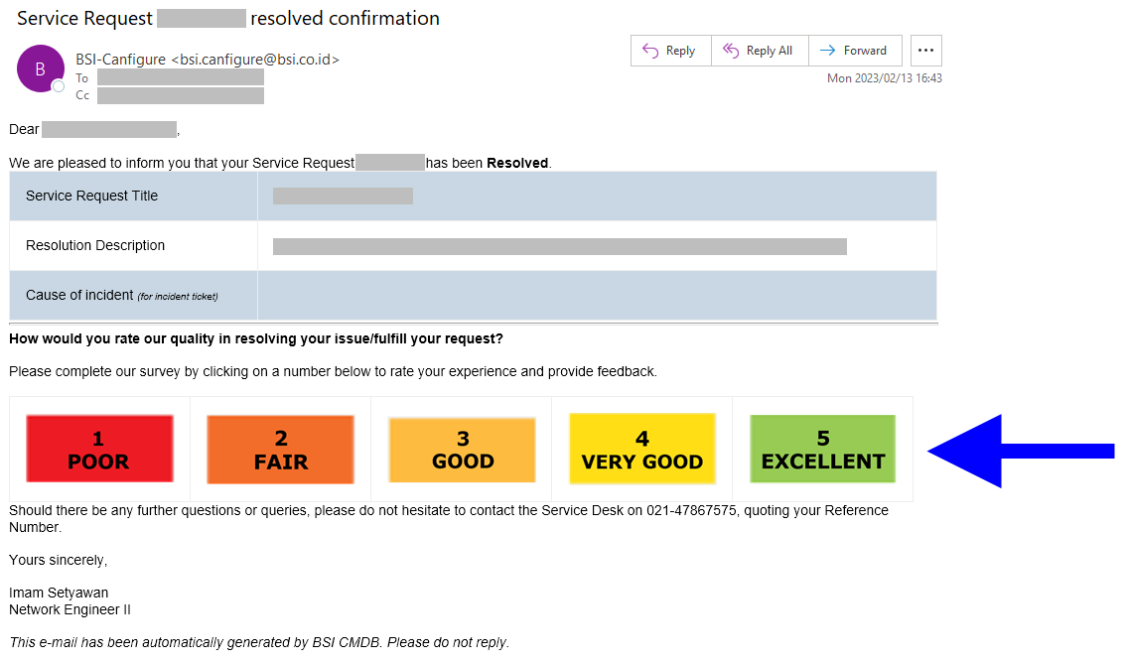
10
1
PKG_ACA060103W.DO_SEARCH
 |  |  |  |  |  |  |  |  |  |  | 20231110FRI

1
1
2
3
1
BEFORE
1. tb_r_credit_mgmt.usl_source_cd
2. tb_r_credit_mgmt.csp_source_cd
3. tb_r_credit_mgmt.bpkb_ktp_id_no
4. tb_r_credit_mgmt.bpkb_nm_jur_personality_cd
5. tb_r_credit_mgmt.bpkb_nm_occupation_cd
ACA

Auto Credit Approval
ACA

5

 | ← | ↓ | ↑ | → | ↔ | ↕ | ↙ | ↘ | ↖ | ↗
 | © | ™ | ®

