colorlib.com
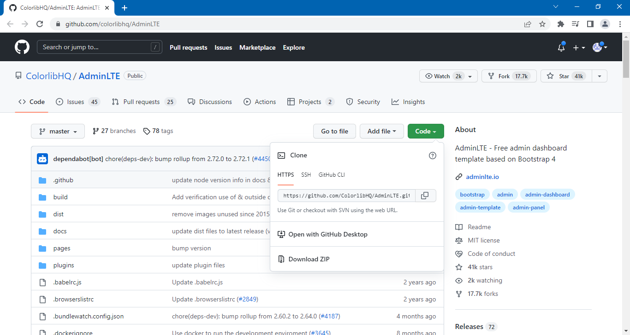
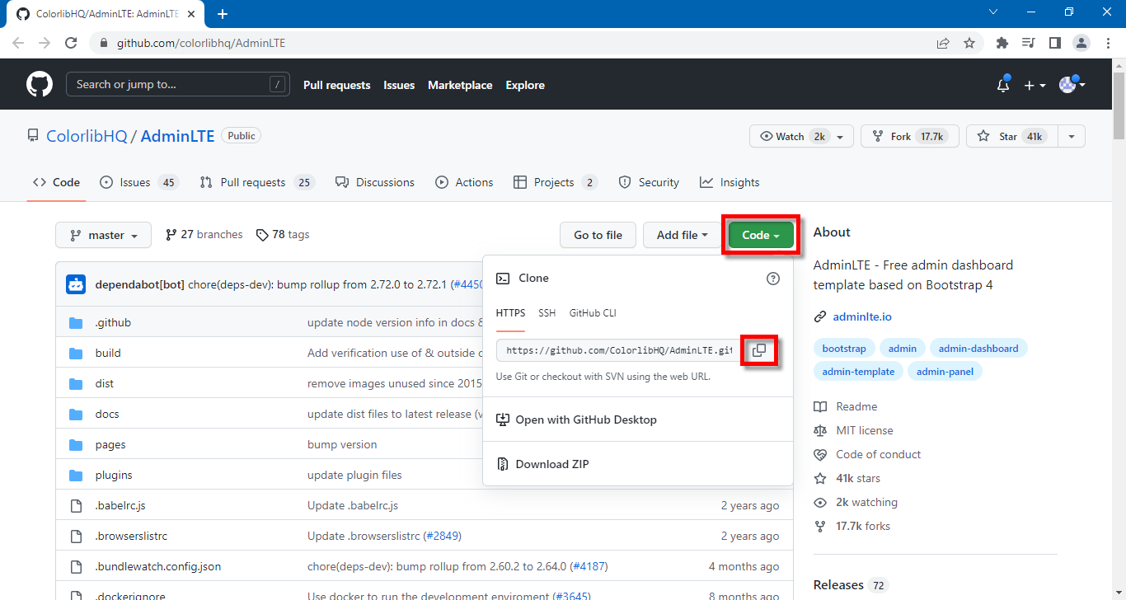
https://colorlib.com/wp/free-bootstrap-admin-dashboard-templates

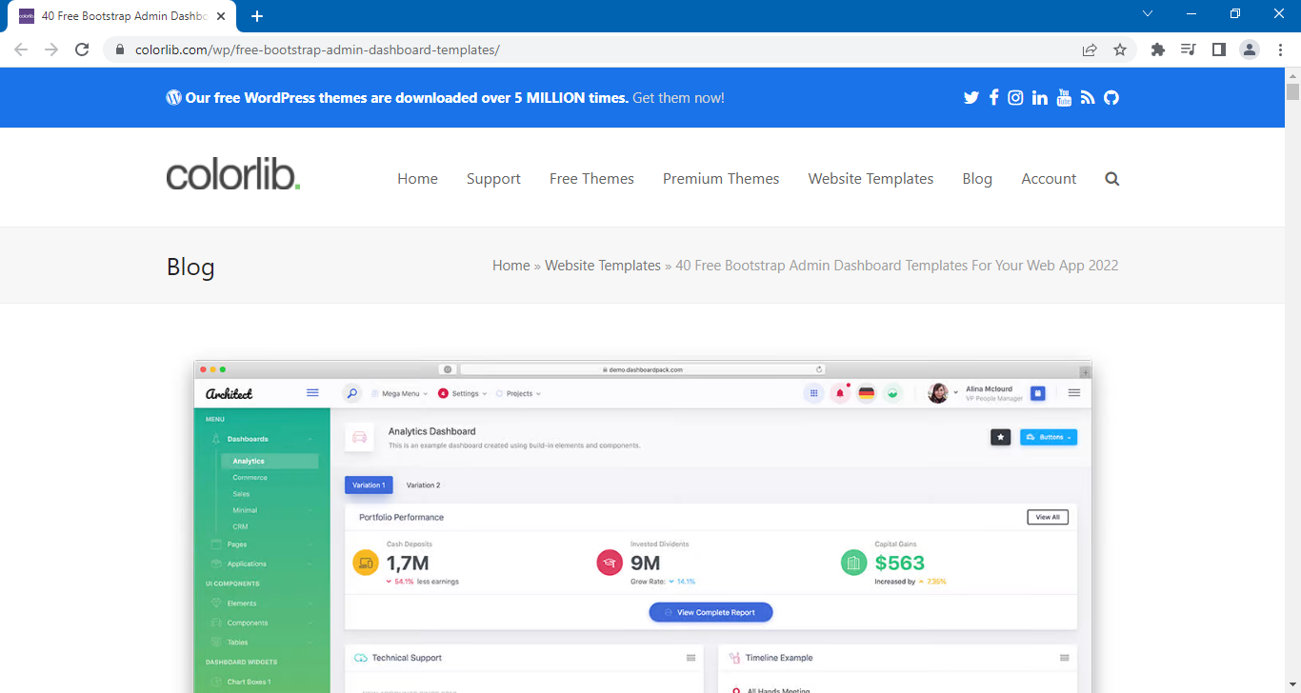

Scroll terus ke bawah sampai sini:

AdminLTE 3 (Most Popular)

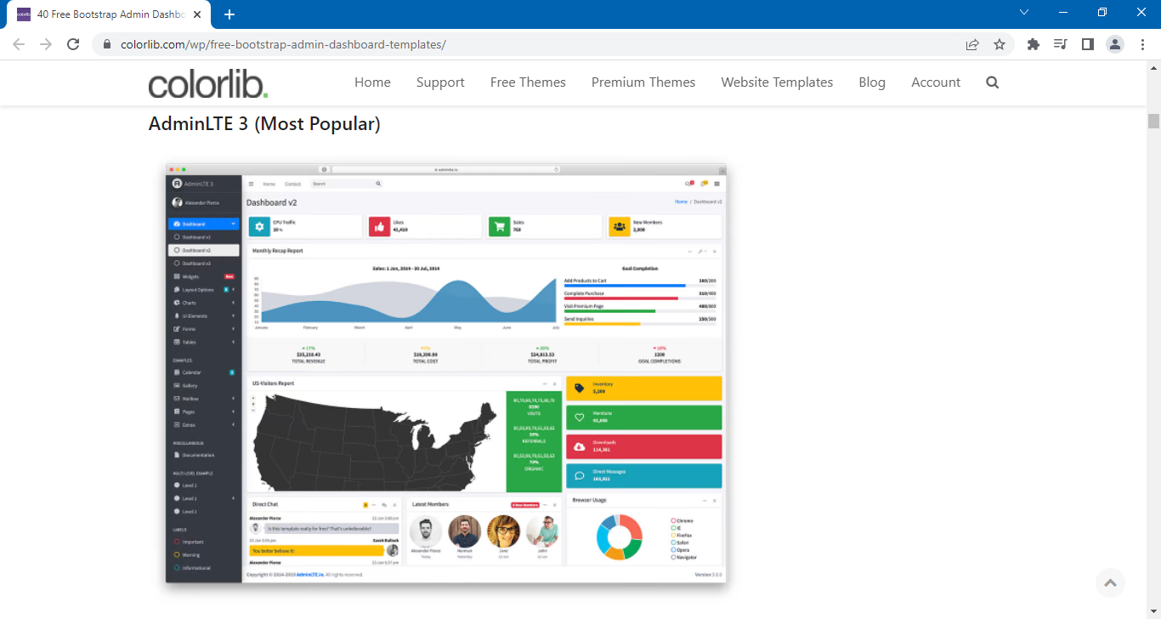

Scroll lagi sampai sini:

Klik button [MORE INFO / DOWNLOAD]

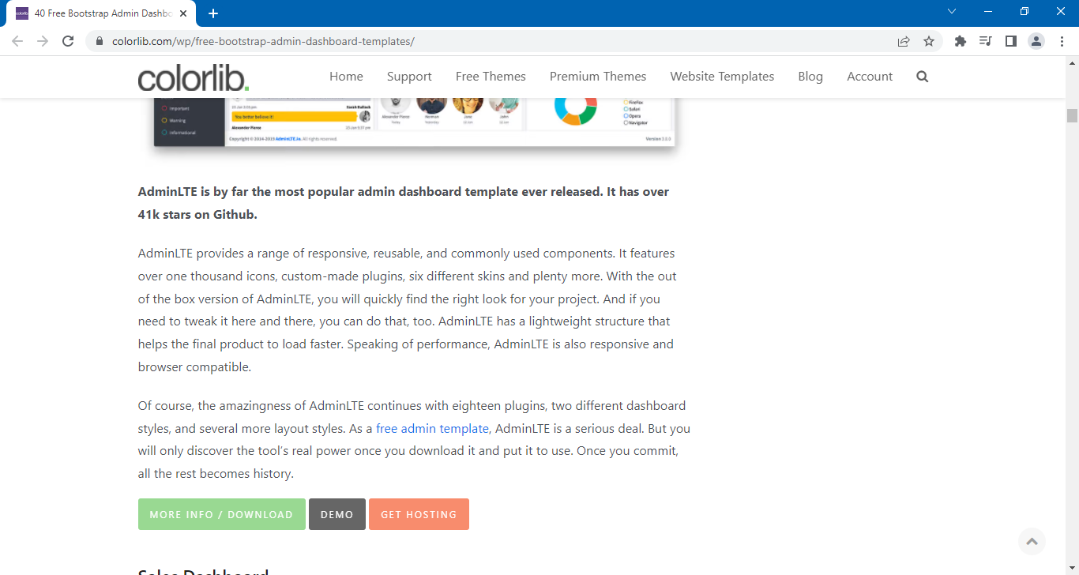
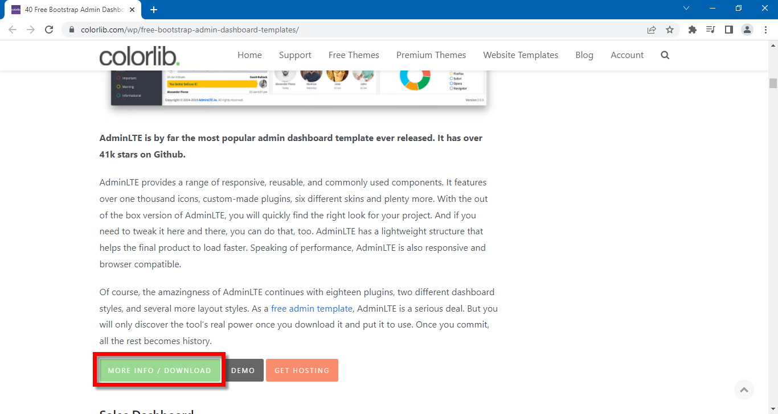

https://github.com/colorlibhq/AdminLTE

Copy / close link berikut:

AdminLTE Documentation
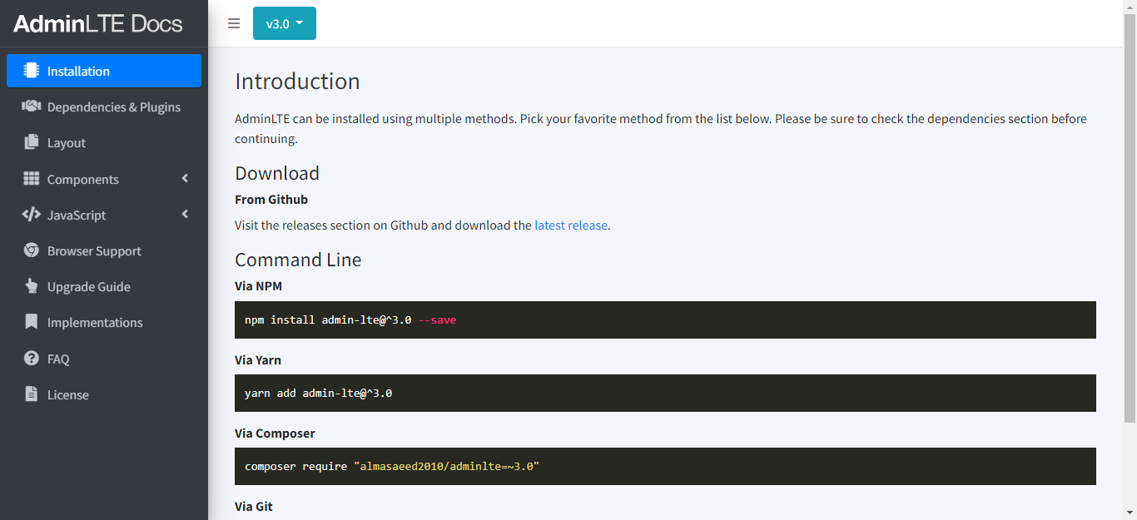
AdminLTE Documentation

https://adminlte.io/docs/3.0/index.html

