Sheet1
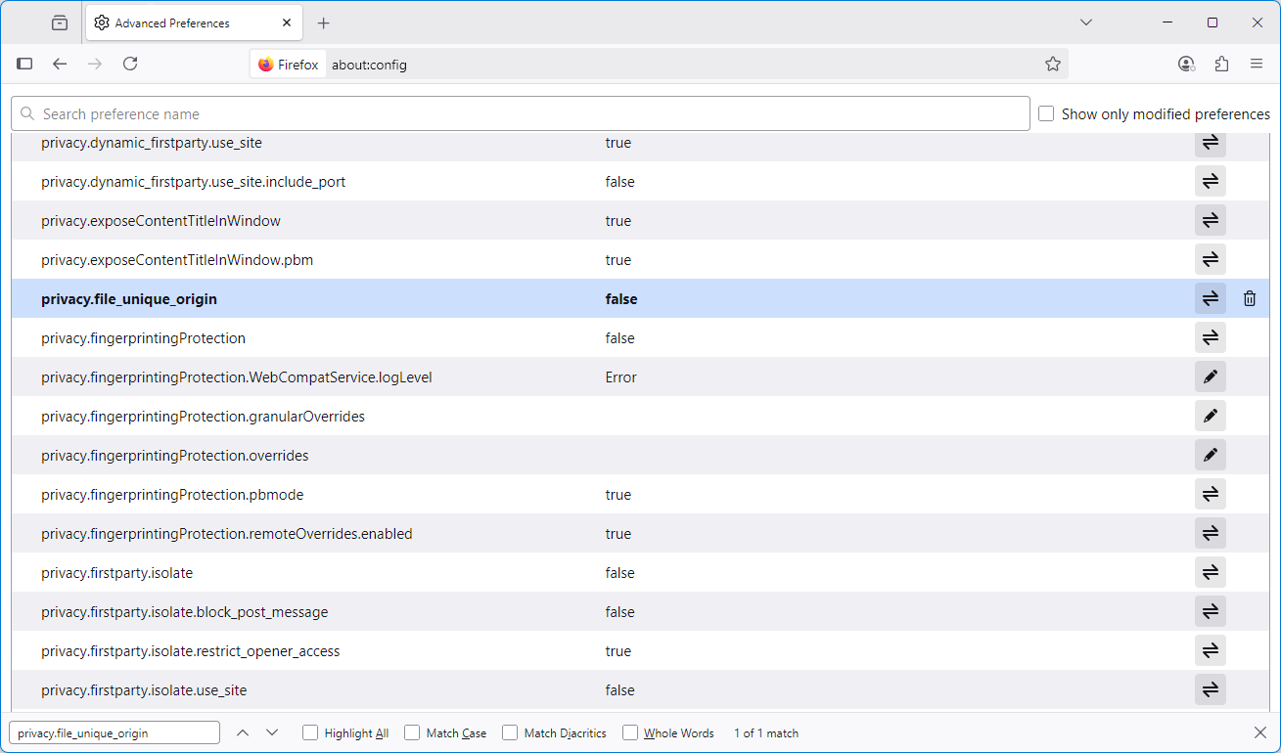
abount:config
privacy.file_unique_origin = false

