Sheet1
1 | CONNECT TO FORTI CLIENT (PLS ONLY CONNECT 1 VPN TO OPEN CANFIGURE)
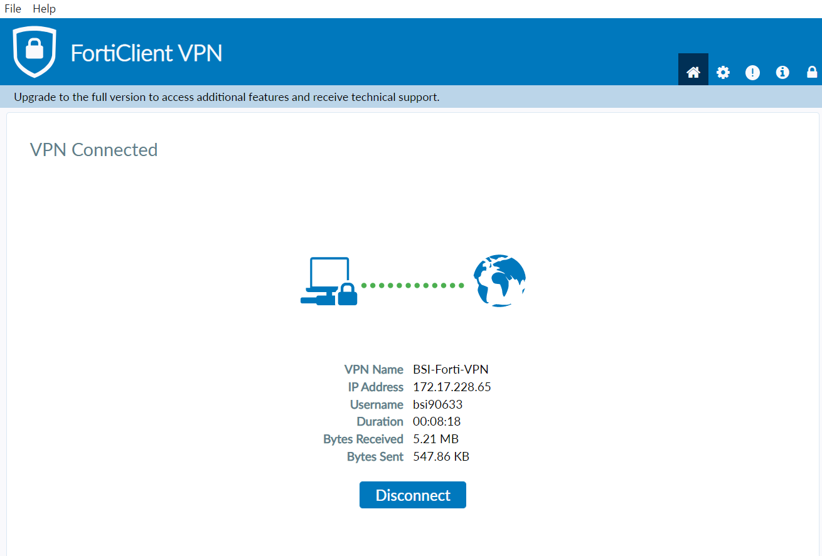

2 | OPEN PROXY SETTING FROM YOUR LAPTOP | 3 | "ON" SETUP SCRIPT AND INPUT http://pmbsiproxy.bsidomain.com/proxy.pac
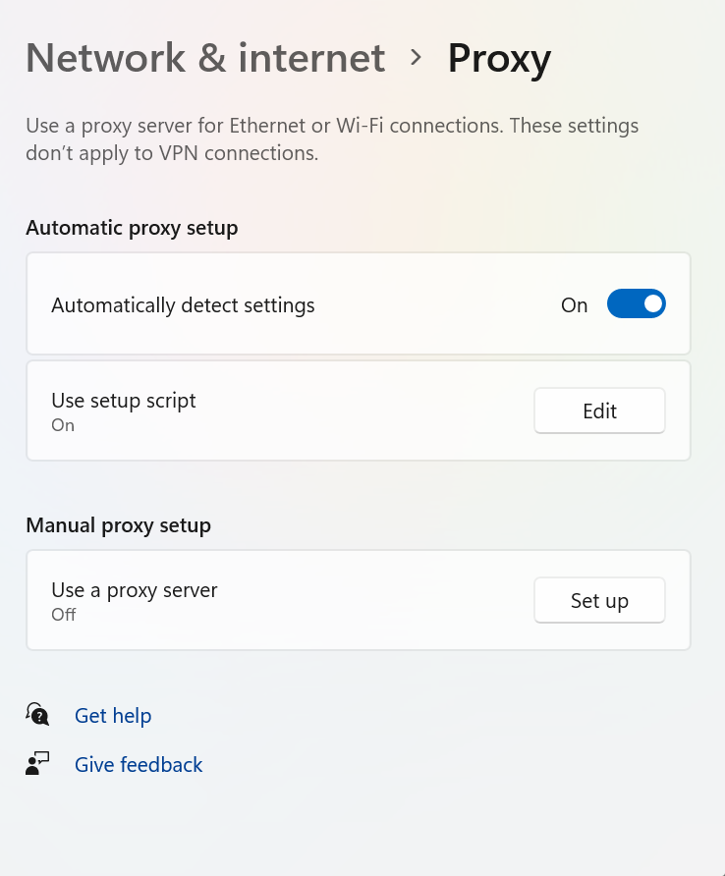
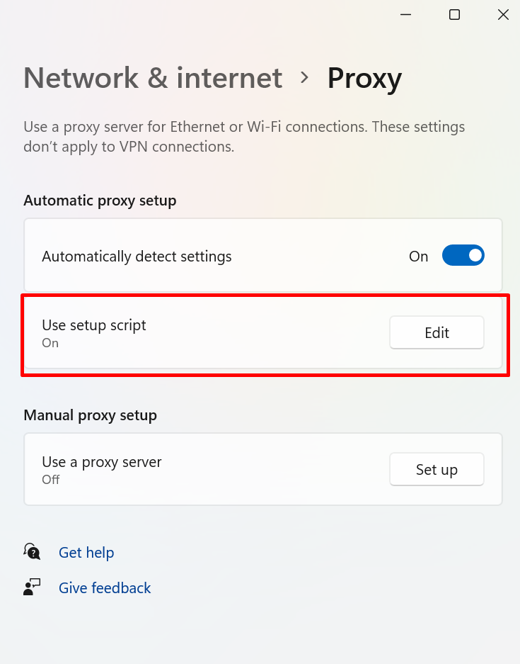

4 | OPEN CANFIGURE IN BROWSER (CHROME/EDGE)

