Dependencies DAG
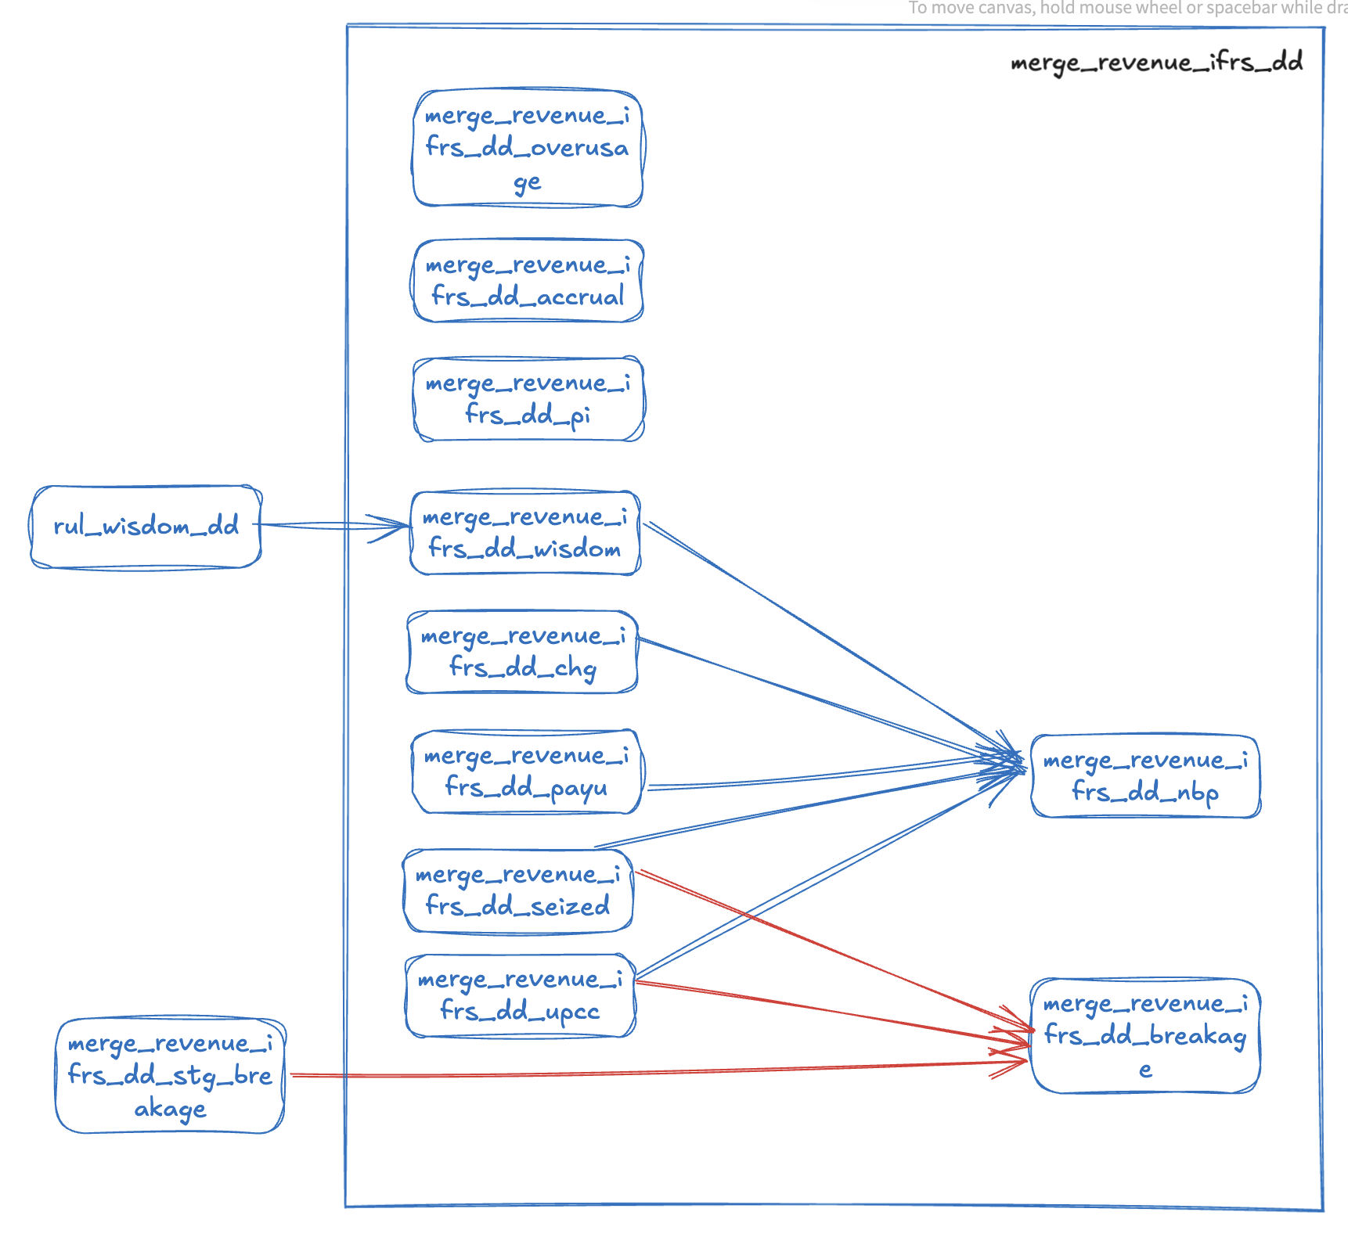
DAG (Dependency reference)

