Ship model data
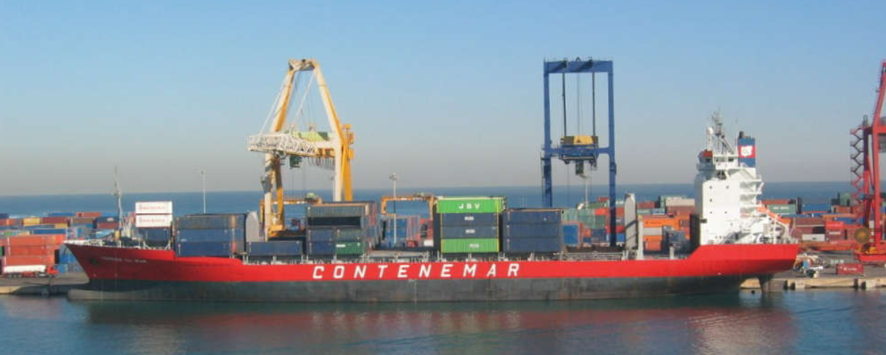
 | Dimension name | Unit | Value
 |  |  | Model | Ship
1 | Length between perpendiculars - Lpp | m | 5.12 | 153.7
2 | Length of water line - Lwl | m | 5.33 | 160.1
3 | Length over surface - Los | m | 5.51 | 165.4
4 | Breadth - B | m | 0.916 | 27.5
5 | Draught @ fore pp - Tf | m | 0.343 | 10.3
6 | Draught @ after pp - Ta | m | 0.343 | 10.3
7 | Displacement - D | m3 | 1.048 | 28342
8 | Wetted surface - S | m2 | 6.177 | 5567
9 | Centre of boyancy position forward of midship | %Lpp | -0.571
10 | Block Coefficient - Cb |  | 0.65
11 | Ratio Lpp/B |  | 5.582
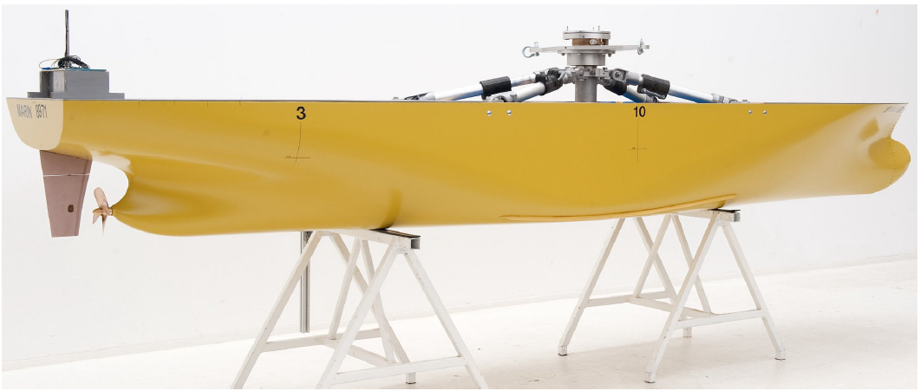
12 | Ratio B/T |  | 2.673
13 | Ratio Lpp/T |  | 14.922
14 | Coefficient of air resistance - Cair |  | 2.88E-05
15 | Propeler diameter - Dp 4 lopatice | m | 6.1
16 | Kinematic viscosity - mu | Pa s | 0.001 | 0.001
17 | Density - rho | kg/m3 | 1000 | 1025

Model resistance data
Model test resistance
 | V [m/s] | F [N]
1 | 0.00251 | 0.41667
2 | 0.11211 | 0.34773
3 | 0.22832 | 1.11073
4 | 0.47144 | 4.67138
5 | 0.67480 | 8.74070
6 | 0.86440 | 13.06435
7 | 1.13352 | 23.23764
8 | 1.33841 | 32.39360
9 | 1.57235 | 44.09289
10 | 1.76960 | 58.33550
11 | 1.89957 | 69.01746
12 | 2.01884 | 82.49707
13 | 2.11975 | 98.77434
14 | 2.24819 | 121.15558
15 | 2.45156 | 190.33397

