Лист1
Test-case 1
in | out
3 3 | 2 2 2
_ _
1 2
2 3
3 1

Test-case 2
in | out
4 6 | 3 3 3 3
_ _
1 2
2 4
3 2
4 3
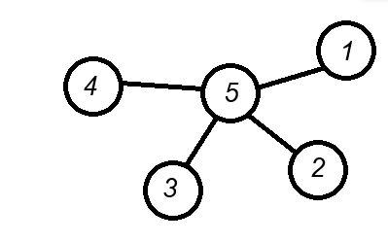
3 1
1 4

Test-case 3
in | out
5 4 | 1 1 1 1 4
_ _
5 1
5 2
5 3
5 4
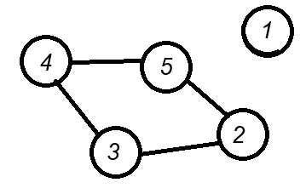
Test-case 4*
in | out
5 4 | 0 2 2 2 1
_ _
5 2
2 3
3 4
4 5

