Sheet1
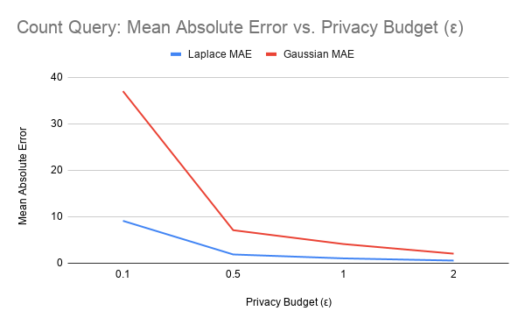

Count Query
mechanism | epsilon | true_value | mean_dp_value | mean_absolute_error | mse
Laplace | 0.1 | 7508 | 7507.673043 | 9.1136167281 | 150.19096678 |  | epsilon | Laplace MAE | Gaussian MAE
 | 0.5 | 7508 | 7507.9699243 | 1.8797362538 | 6.1979766104 |  | 0.1 | 9.1136 | 37.0213
 | 1 | 7508 | 7507.9914436 | 1.0359057095 | 2.1905498069 |  | 0.5 | 1.8797 | 7.1031
 | 2 | 7508 | 7507.9607737 | 0.5650061472 | 0.66147995611 |  | 1 | 1.0359 | 4.1219
Gaussian | 0.1 | 7508 | 7506.5346806 | 37.021339065 | 2418.2003299 |  | 2 | 0.565 | 2.0497
 | 0.5 | 7508 | 7508.4317569 | 7.1031002129 | 82.511345284
 | 1 | 7508 | 7507.8014315 | 4.1219280072 | 25.95395481
 | 2 | 7508 | 7507.8338483 | 2.049743197 | 6.5805876134

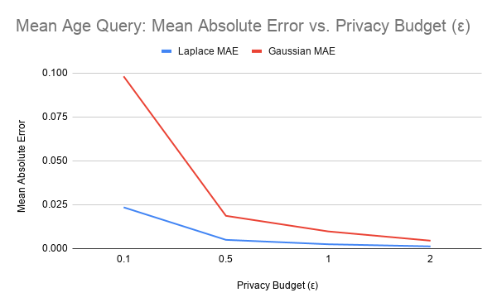

 |  |  |  |  |  | epsilon | Laplace MAE | Gaussian MAE
 |  |  |  |  |  | 0.1 | 0.023513 | 0.098121
mean_age |  |  |  |  |  | 0.5 | 0.004992 | 0.018678
mechanism | epsilon | true_value | mean_dp_value | mean_absolute_error | mse | 1 | 0.002481 | 0.009799
Laplace | 0.1 | 38.437901996 | 38.440194819 | 0.023513235821 | 0.00099259885066 | 2 | 0.001276 | 0.004525
 | 0.5 | 38.437901996 | 38.438210933 | 0.0049920350354 | 5.24E-05
 | 1 | 38.437901996 | 38.437700699 | 0.0024811346909 | 1.18E-05
 | 2 | 38.437901996 | 38.437852363 | 0.0012759956691 | 3.32E-06
Gaussian | 0.1 | 38.437901996 | 38.437060386 | 0.098121210115 | 0.014877619547
 | 0.5 | 38.437901996 | 38.438882754 | 0.018678837759 | 0.00053355861336
 | 1 | 38.437901996 | 38.43821331 | 0.0097992060124 | 0.00014654415586
 | 2 | 38.437901996 | 38.438647155 | 0.0045254710815 | 3.31E-05

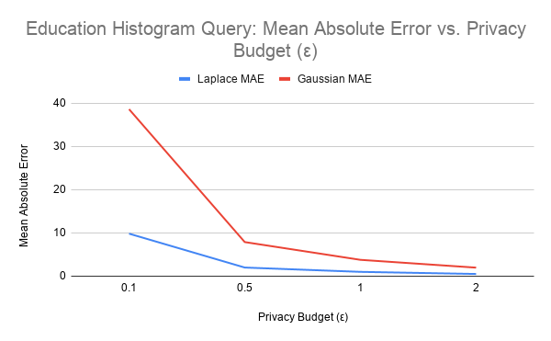

 |  |  |  |  |  | epsilon | Laplace MAE | Gaussian MAE
education_histogram |  |  |  |  |  | 0.1 | 9.8272 | 38.6114
mechanism | epsilon | mean_absolute_error | mse | num_bins |  | 0.5 | 1.9925 | 7.8826
Laplace | 0.1 | 9.8272053495 | 195.52748609 | 16 |  | 1 | 0.9931 | 3.7743
 | 0.5 | 1.9924605664 | 8.085719018 | 16 |  | 2 | 0.5037 | 1.9694
 | 1 | 0.993054387 | 2.0183454573 | 16
 | 2 | 0.50367419986 | 0.50884093286 | 16
Gaussian | 0.1 | 38.611419656 | 2330.131176 | 16
 | 0.5 | 7.88257373 | 97.177950966 | 16
 | 1 | 3.7742553147 | 22.79138622 | 16
 | 2 | 1.9694305308 | 6.1007742175 | 16

 |  |  |  |  |  | Summery
 |  |  |  |  |  | Query | Mechanism | ε = 0.1 MAE | ε = 0.5 MAE | ε = 1.0 MAE | ε = 2.0 MAE
 |  |  |  |  |  | Count > $50K | Laplace | 9.1136 | 1.8797 | 1.0359 | 0.565
 |  |  |  |  |  |  | Gaussian | 37.0213 | 7.1031 | 4.1219 | 2.0497
 |  |  |  |  |  | Mean Age | Laplace | 0.0235 | 0.005 | 0.0025 | 0.0013
 |  |  |  |  |  |  | Gaussian | 0.0981 | 0.0187 | 0.0098 | 0.0045
 |  |  |  |  |  | Education Histogram | Laplace | 9.8272 | 1.9925 | 0.9931 | 0.5037
 |  |  |  |  |  |  | Gaussian | 38.6114 | 7.8826 | 3.7743 | 1.9694

