F02b.CFG-Paths
F02b. Cautarea unui produs dupa nume.
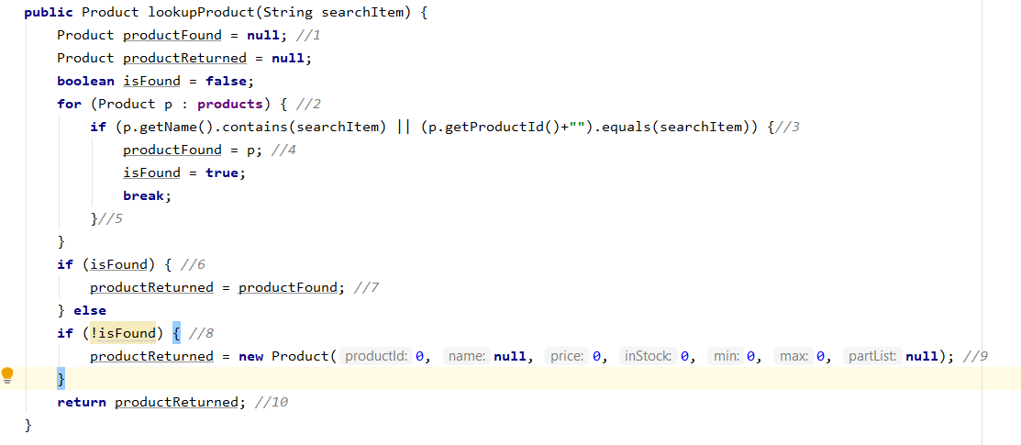

F02b. Control Flow Graph (CFG) | F02. Cyclomatic Complexity (CC) |  | F02b. Individual Paths
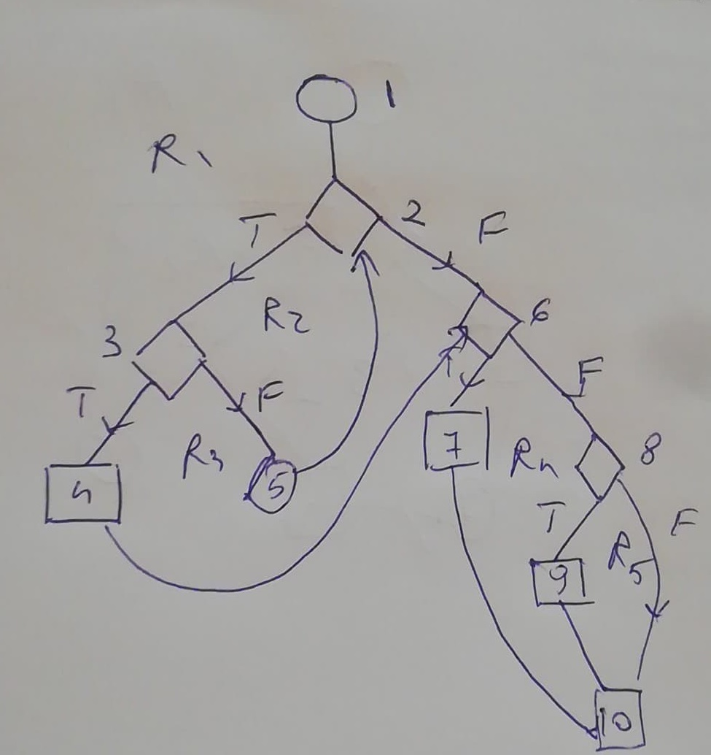
 | CC1 = No. of regions = | 5 | Path No. | Path
 | CC2 = Edges - Nodes + 2 = | 13-10+2=5 | F02b_P01 | 1-2(T)-3(T)-4-6(T)-7-10
 | CC3 = No. of Conditions + 1 = | 1+1+1+1+1 = 5 | F02b_P02 | 1-2(T)-3(F)-5-2(F)-6(F)-8(T)-9-10

