Sources
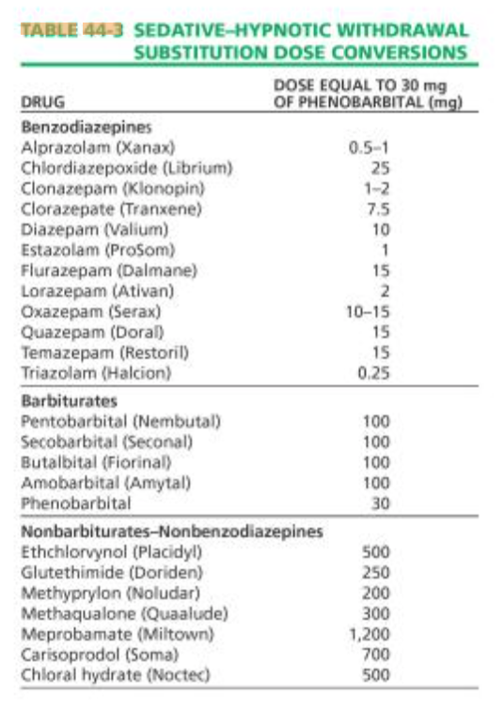
Table 1: Clobazam: 10-15 mg equiv to 5 mg Diazepam
https://www.sahealth.sa.gov.au/wps/wcm/connect/83838b80407711959274ba222b2948cf/Benzodiazepine+equivalents-DASSA-August2014.pdf?MOD=AJPERES&CACHEID=ROOTWORKSPACE-83838b80407711959274ba222b2948cf-m08ay9k

Table 1: Clobazam: 10 mg equiv to 5 mg Diazepam
http://www.sussexpartnership.nhs.uk/sites/default/files/documents/bdz_equivalent_doses_spt_guidance_update_-_0714.pdf

Page 462, under Study Procedure: Clobazam: 20 mg equiv to 10 mg Diazepam
https://link.springer.com/content/pdf/10.1007%2FBF00637670.pdf
https://link.springer.com/article/10.1007/BF00637670

Table 1: Halazepam: 40 mg equiv to 10 mg Diazepam
https://ac.els-cdn.com/S0025619611649999/1-s2.0-S0025619611649999-main.pdf?_tid=a45cd207-2019-4455-b140-1baaea689789&acdnat=1535056789_6ea939f0e562ce32589a95c500bbb614

Table 4: Halazepam: 240 mg equiv to 60 mg Diazepam
https://www.aafp.org/afp/1998/0701/p139.html

The American Psychiatric Publishing Textbook of Substance Abuse Treatment 5th Edition
by Marc Galanter (Author, Editor),‎ Herbert D. Kleber (Editor),‎ Kathleen T. Brady (Editor)

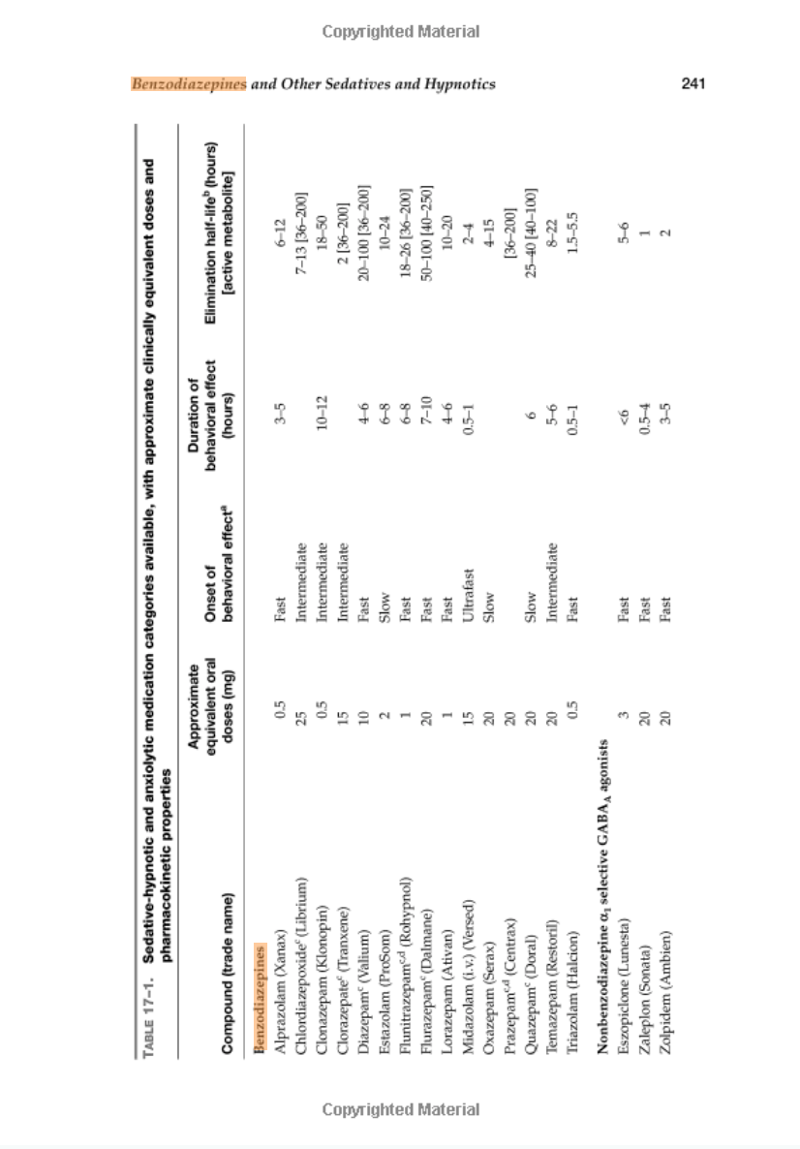

Kaplan and Sadock's Synopsis of Psychiatry: Behavioral Sciences/Clinical Psychiatry Eleventh Edition
by Benjamin J. Sadock (Author),‎ Virginia A. Sadock (Author),‎ Dr. Pedro Ruiz MD (Author)

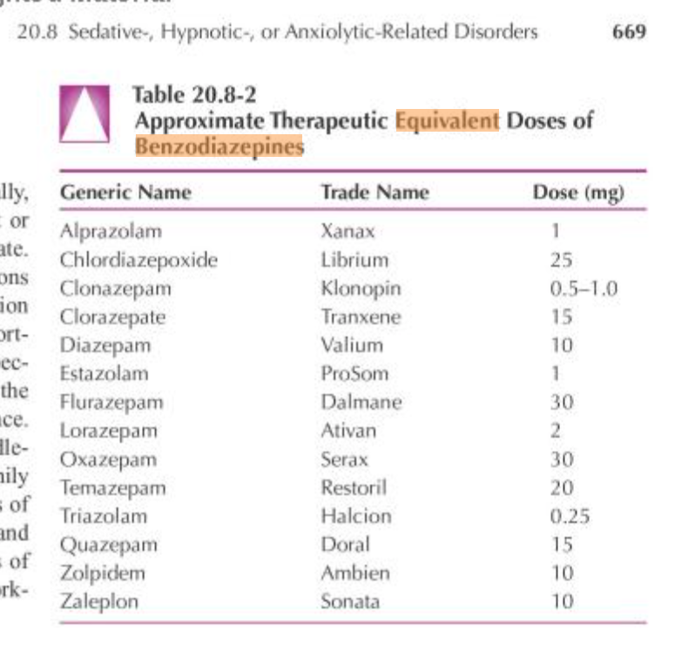

by Dr. Richard K. Ries MD FAPA FASAM (Author),‎ Dr. David A. Fiellin MD (Author),‎ Dr. Shannon C. Miller MD FASAM DFAPA (Author),‎ Dr. Richard Saitz MD MPH FACP FASAM (Author)

