Mockup w.r.t RMS
Dryer No.
Hydro No.
Case01: Single Batch Single pair code single machine

Cycles
 | EFLOW Batch Entry | PPC Weight | EFLOW Batch Entry | Machine Registration form | Dye house Utilization Report | EFLOW Batch Entry |  | EFLOW Batch Entry | Formula= (Cycle Time (mins) /Machine capacity | Formula= (Cycle Time (hours) x 60) /Machine capacity |  | Batch-Production Recording | Formula=SAM x Weight
Batch weight | Pair codes | Pair code weight | M/C No | M/C Capacity (kg) | Recipe Cycle Time (hours) | Dryer No | Dryer Capacity (kg) | Drying Duration (min) | Dryer SAM/KG | Machine SAM/KG | SAM/KG | No of cycles | Produced minutes
240 | 1001 | 180 | PMB-1 | 240 | 4 | Traiventa-1 | 240 | 40 | 0.16666666667 | 1 | 1.1666666667 | 1 | 210

 |  |  |  |  |  |  |  |  |  | EFLOW Batch Entry | Machine Registration form |  |  | Batch -Production Recording
Date | Issue Doc | Receive Doc | Batch | Order No. | Dzns | Pcs | Weight (kg) | Cost Code | Recipe | Processing Machine No. | Machine Capacity (kg) | Dryer No. | Dryer capacity | No. of cycles | Produced minutes
2026-02-17 | 23295445 | 23295446 | 82484 | 231618 | 180 | 0 | 180 | 243901>>244951 | EWSH-6106 | PMB-1 | 240 | Traiventa-1 | 240 | 1 | 210

Case 02: single batch multiple pair code single machine multiple unique cycles
Dryer No.
Hydro No.
 | EFLOW Batch Entry | EFLOW Batch Entry | EFLOW Batch Entry | Machine Registration form | Dye house Utilization Report | EFLOW Batch Entry |  | EFLOW Batch Entry | Formula= (Cycle Time (mins) /Machine capacity | Formula= (Cycle Time (hours) x 60) /Machine capacity |  | Batch-Production Recording | Formula=SAM x Weight
Batch weight | Pair codes | Pair code weight | M/C No | M/C Capacity (kg) | Recipe Cycle Time (hours) | Dryer No | Dryer Capacity (kg) | Drying Duration (min) | Dryer SAM/KG | Machine SAM/KG | SAM/KG | No of cycles | Produced minutes
 | 2002 | 60 | PMB-1 | 240 | 4 | Traiventa-1 | 240 | 40 | 0.16666666667 | 1 | 1.1666666667 | 1 | 70
 | 3003 | 60 | PMB-1 | 240 | 4 | Traiventa-1 | 240 | 40 | 0.16666666667 | 1 | 1.1666666667 | 1 | 70
 | 4004 | 60 | PMB-1 | 240 | 4 | Traiventa-1 | 240 | 40 | 0.16666666667 | 1 | 1.1666666667 | 1 | 70
 | 5005 | 60 | PMB-1 | 240 | 4 | Traiventa-1 | 240 | 40 | 0.16666666667 | 1 | 1.1666666667 | 1 | 70
Total |  |  |  | 720 |  |  |  |  |  |  |  | 4 | 280

Date | Issue Doc | Receive Doc | Batch | Order No. | Dzns | Pcs | Weight (kg) | Cost Code | Recipe | Processing Machine No. | Dryer No. | Dryer capacity | No. of cycles | Produced minutes
2026-02-17 | 23295445 | 23295446 | 82484 | 231618 | 180 | 0 | 240 | 243901>>244951 | EWSH-6106 | PMB-1 | 4 | Traiventa-1 | 4 | 280

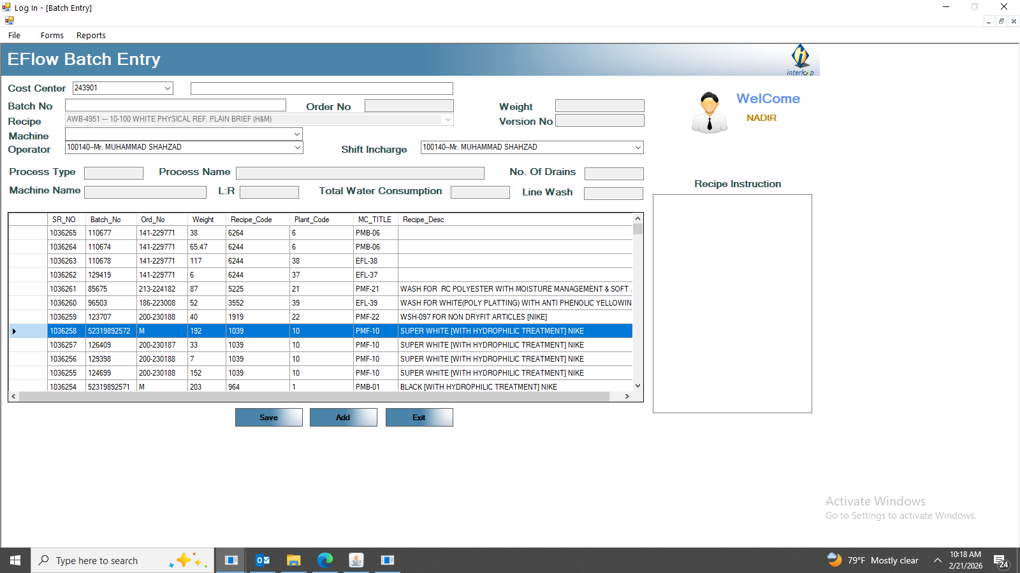
Dryer No.
Hydro No.
003003
004004
005005
Case 03:single batch multiple pair code single machine with multiple clubbed Cycles
 | EFLOW Batch Entry | EFLOW Batch Entry | EFLOW Batch Entry | Machine Registration form | Dye house Utilization Report | EFLOW Batch Entry |  | EFLOW Batch Entry | EFLOW Batch Entry |  |  | Formula= (Cycle Time (mins) /Machine capacity | Formula= (Cycle Time (hours) x 60) /Machine capacity |  |  | Batch-Production Recording | Formula=SAM x Weight
Batch weight | Pair codes | Pair code weight | M/C No | M/C Capacity (kg) | Recipe Cycle Time (hours) | Dryer No | Dryer Capacity (kg) | Drying Duration (min) | Hydro No | Hydro Capacity | Hydro Duration | Dryer SAM/KG | Machine SAM/KG | Hydro SAM | SAM/KG | No of cycles | Produced minutes
240 | 1001-4004 | 120 | PMB-1 | 240 | 4 | Traiventa-1 | 240 | 40 | Hydro 01 | 120 | 40 | 0.167 | 1.000 | 0.33333333333 | 1.500 | 1 | 180
 | 2002 | 60 | PMB-1 | 240 | 4 | Traiventa-1 | 240 | 40 | Hydro 01 | 120 | 40 | 0.167 | 1.000 | 0.33333333333 | 1.500 | 1 | 90
 | 3003 | 60 | PMB-1 | 240 | 4 | Traiventa-1 | 240 | 40 | Hydro 01 | 120 | 40 | 0.167 | 1.000 | 0.33333333333 | 1.500 | 1 | 90
Total |  |  |  | 720 |  |  | 720 | 120 |  |  |  |  | 3 | 360

Date | Issue Doc | Receive Doc | Batch | Order No. | Dzns | Pcs | Weight (kg) | Cost Code | Recipe | Processing Machine No. | Dryer No. | Dryer capacity | No. of cycles | Produced minutes
2026-02-17 | 23295445 | 23295446 | 82484 | 231618 | 180 | 0 | 240 | 243901>>244951 | EWSH-6106 | PMB-1 | 4 | Traiventa-1 | 3 | 360

Dryer No.
Dryer CT
003003
004004
005005

Case 04: Single batch multiple pair code multi machine multiple unique Cycles
 | EFLOW Batch Entry | EFLOW Batch Entry | EFLOW Batch Entry | Machine Registration form | Dye house Utilization Report | EFLOW Batch Entry |  | EFLOW Batch Entry | Formula= (Cycle Time (mins) /Machine capacity | Formula= (Cycle Time (hours) x 60) /Machine capacity |  | Batch-Production Recording | Formula=SAM x Weight
Batch weight | Pair codes | Pair code weight | M/C No | M/C Capacity (kg) | Recipe Cycle Time (hours) | Dryer No | Dryer Capacity (kg) | Drying Duration (min) | Dryer SAM/KG | Machine SAM/KG | SAM/KG | No of cycles | Produced minutes
Cycles
240 | 1001 | 90 | PMB-1 | 240 | 4 | Traiventa-1 | 240 | 40 | 0.167 | 1.000 | 1.167 | 1 | 105
 | 2002 | 90 | PMB-2 | 180 | 4 | Traiventa-2 | 240 | 40 | 0.167 | 1.333 | 1.500 | 1 | 135
 | 3003 | 90 | PMB-3 | 90 | 4 | Traiventa-3 | 180 | 40 | 0.222 | 2.667 | 2.889 | 1 | 260
 | 4004 | 90 | PMB-4 | 90 | 4 | Traiventa-4 | 180 | 40 | 0.222 | 2.667 | 2.889 | 1 | 260
 |  |  |  | 600 |  |  | 840 | 160 |  |  |  | 4 | 760
Date | Issue Doc | Receive Doc | Batch | Order No. | Dzns | Pcs | Weight (kg) | Cost Code | Recipe | Processing Machine No. | Machine Capacity (kg) | Dryer No. | Dryer capacity | No. of cycles | Produced minutes
2026-02-17 | 23295445 | 23295446 | 82484 | 231618 | 180 | 0 | 360 | 243901>>244951 | EWSH-6106 | PMB-1,2,3,4 | 600 | Traiventa 1,2,3,4 | 840 | 4 | 760

Dryer No.
Dryer CT
003003
004004
005005

Case 05: Single batch multiple pair code multi machine multiple clubbed Cycles
 | EFLOW Batch Entry | EFLOW Batch Entry | EFLOW Batch Entry | Machine Registration form | Dye house Utilization Report | EFLOW Batch Entry |  | EFLOW Batch Entry | Formula= (Cycle Time (mins) /Machine capacity | Formula= (Cycle Time (hours) x 60) /Machine capacity |  | Batch-Production Recording | Formula=SAM x Weight
Batch weight | Pair codes | Pair code weight | M/C No | M/C Capacity (kg) | Recipe Cycle Time (hours) | Dryer No | Dryer Capacity (kg) | Drying Duration (min) | Dryer SAM/KG | Machine SAM/KG | SAM/KG | No of cycles | Produced minutes
Cycles
240 | 1001-2002 | 180 | PMB-1 | 240 | 4 | Traiventa-1 | 240 | 40 | 0.167 | 1.000 | 1.167 | 1 | 210
 | 3003-4004 | 180 | PMB-2 | 180 | 4 | Traiventa-2 | 240 | 40 | 0.167 | 1.333 | 1.500 | 1 | 270
 |  |  |  | 420 |  |  | 480 | 80 |  |  |  | 2 | 480
Date | Issue Doc | Receive Doc | Batch | Order No. | Dzns | Pcs | Weight (kg) | Cost Code | Recipe | Processing Machine No. | Machine Capacity (kg) | Dryer No. | Dryer capacity | No. of cycles | Produced minutes
2026-02-17 | 23295445 | 23295446 | 82484 | 231618 | 180 | 0 | 360 | 243901>>244951 | EWSH-6106 | PMB-1,2 | 420 | Traiventa 1,2 | 480 | 2 | 480

