product uploader without url
title | description (1-10 words) | color | care | material | sku | name | shippingTime | price | stock | images | tags

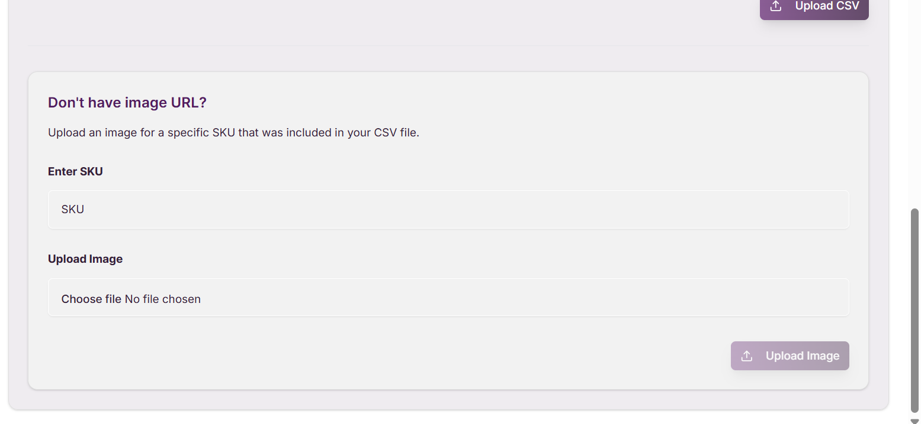

Note that when image field is empty so u have to write sku and upload image here....

