CYO
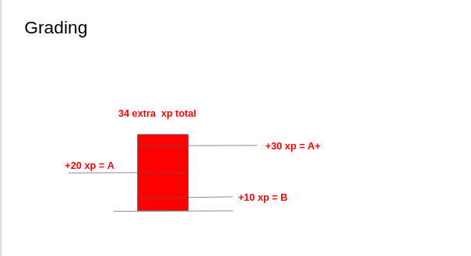
variables
 | Max_CYO_So_Far | 4
 | Max_CYO_All | 20
 | CYO_Needed_for_C | 10
 | CYO_Earned | 4
 |  |  |  |  | Stage One - Get C

 |  |  |  |  |  | Keep going!

Data for stage one
 | CurrentXP | RemainingXP | 4 | 16
 | Pass Class | 10 | 0

 |  |  |  |  | Stage Two - Bonus Points

Data for stage two
 | Current | Remaining
 | Grade Benchmarks | 10 | 20 | 30 | 34

Original Prototype
XP Bar
Category | XP
RWP | 20 |  |  | Facilitating
RWP Max |  | 36
CYO | 15 |  |  | Grad Books
CYO Max |  | 45
Attendance | 20 |  |  | Frumps
Attendance Max |  | 29
Missing XP | 55

 | Raw | %
Total XP | 55 | 76.00%
 |  |  |  | Possible features to implement:
Facilitating | TRUE
Grad Books | FALSE |  |  | - Refresh button that syncs XP totals with master spreadsheet
Frumps | TRUE
 |  |  | Your current grade is a C | - Separate XP bars for individual categories
 |  |  |  | - Custom messages for meeting thresholds of individual categories
XP Thresholds | Message
40.00% | Please set up a meeting with the instructor to talk about your grade. |  |  | - Weekly checklist for binary actions that automatically add XP to your total (e.g. checkbox for attending class)
60.00% | Needs work
80.00% | Your current grade is a C
90.00% | Your current grade is an B |  |  | - Bar graph markers that show how much more XP is needed to get x grade
 | Your current grade is an A
 |  |  |  | - Visualization that shows how many CYO's are left to do

