Start Here
Restaurant Metrics
Calculator
Welcome to your Restaurant Metrics Calculator
In today's challenging industry, where razor-thin margins and unpredictable shifts in demand are the norm, your metrics are one of your greatest assets. They give you a clear, data-driven view of how your restaurant is performing. By regularly analyzing these numbers, you can connect specific decisions — like adjusting your menu or staffing — to real outcomes.
Passion, creativity, and perseverance fuel this business, but without the numbers backing them up, even the most inspired ideas can fall flat. To navigate the many pressures of today’s economy, it’s essential to dive deep into your restaurant’s performance data.
We know most people don’t open a restaurant for the love of crunching numbers. That’s where we come in. Our Restaurant Metrics Calculator is designed to make these financial deep dives more manageable. Each tab is equipped with pre-built formulas to help you quickly assess key metrics such as:



→ Break Even Point: The point in time – or dollars – at which you’ll earn back your investment.
→ Overhead Rate: The cost of running your restaurant on a per-hour basis.
→ Employee Turnover Rate: The rate at which you’re losing restaurant staff.
→ Cost of Goods Sold (COGS): The amount of money you spend on food and beverages that leave your kitchen or bar.
→ Labor & Prime Cost: The total amount spent on both labor and cost of goods sold.
→ Gross Profit: The amount of money you have left over.

This calculator is built for ease of use, guiding you through each step. A few quick tips before you get started:
Pick a Time Frame: Choose a specific period (like a week or a month) and stick with it for all calculations. Mixing timeframes can distort your results.
Mind the Formulas: Avoid overwriting cells with existing formulas — doing so will throw off your final numbers and skew your analysis.
Watch for Shaded Cells: These cells are formula-protected, so there's no need to enter data in them.
Ready to get a clearer picture of your restaurant's performance? Gather your numbers, and let’s get started.

Get Started

DISCLAIMER: All of the information contained on this site (the “Content”) is provided for informational purposes only and not for the purpose of providing legal, accounting, tax, career or other professional advice. The Content is provided “as-is” without any warranty of any kind express or implied, including without limitation any warranty as to the accuracy, quality, timeliness, or completeness of the Content, or fitness for a particular purpose; Toast assumes no liability for your use of, or reference to the Content. By accessing this site, you acknowledge and agree that: (a) there may be delays in updating, omissions, or inaccuracies in the Content, (b) the Content should not be relied upon or used as a substitute for consultation with professional legal advisors, (c) you should not perform any act or make any omission on the basis of any Content without first seeking appropriate legal or professional advice on the particular facts or circumstances at issue and (d) you are solely responsible for your compliance with all applicable laws. If you do not agree with these terms you may not access or use the site or Content.

Break Even Point
Break Even Point
Break-even analysis is the practice of calculating and analyzing your break-even point: the point where total revenue equals total cost (fixed and variable costs).
The break-even analysis helps you find out how much revenue your restaurant needs to generate or how many units (covers or average guest value) you need to sell to exactly cover your costs or make a $0 profit.
You can use this analysis to set sales targets, determine menu pricing strategies, and control restaurant costs.

Break Even = Total Fixed Costs ÷ (Total Sales - Total Variable Costs)
Total Sales

To calculate break even point, first enter your total fixed costs. These are the charges that don’t vary from order to order and are typically paid as a flat fee.

Advertising/Marketing Costs | $0.00
Depreciation of Materials | $0.00
Wages/Salaries of Non-Hourly Workers | $0.00
Mortgage Interest or Rent | $0.00
Construction and Repairs | $0.00
Renovations | $0.00
Other Fixed Costs | $0.00
Total Fixed Costs | $0.00

Now, calculate the variable costs in your restaurant. These costs are associated with what's sold, like food and takeout containers.

Your Variable Costs | $0.00
Total Variable Costs | $0.00

Finally, enter your total sales for the period.

Your Total Sales | $0.00
Total Sales | $0.00

Your Break Even Point is... | #DIV/0!

Next, Calculate Overhead Rate

To learn more about break even analysis and calculating break even point, read this article.

Overhead Rate
Overhead Rate
Your restaurant’s overhead rate is a type of cost accounting that consists of your total indirect
business costs (over a specified time) divided by an allocation measure (for that same time period).
In less technical terms: overhead rate — typically expressed as a dollar amount or a percentage — represents any cost outside of materials and labor.

Overhead Rate = Total indirect costs for a specific time period
Hours in that time period

Indirect Costs: | Your Cost | If the numbers you entered were for a month, submit how many days were in that month.
Advertising/Marketing Costs | $0.00
Depreciation of Materials | $0.00 | Ex: enter '28' for February and '31' for July
Wages/Salaries of Non-Hourly Workers | $0.00 | # of Days > | 30
Mortgage Interest or Rent | $0.00
Construction and Repairs | $0.00 | Now, enter how many hours you are open per week.
Renovations | $0.00 | # of Hours > | 80

Supplies | Your Cost | Finally, enter how many days of the week you are open.
Cleaning Supplies | $0.00 | # of Days > | 7
Cooking & Kitchen Supplies | $0.00
 |  | Your Monthly Overhead Rate is:
Services & Utilities | Your Cost | $0.00 | per hour
Internet/Telephone/Cable | $0.00 | $0.00 | per day
Heat, Gas, Electricity, and A/C | $0.00
Professional Cleaning/Window Washing | $0.00 | If the numbers you entered were for a year, your Yearly Overhead Rate is:
Inventory Tracking System | $0.00
POS Fees | $0.00 | $0.00 | per hour
 |  | $0.00 | per day
Fees, Fines, & Taxes |  | $0.00 | per week
Professional Membership Fees | $0.00 | $0.00 | per month
Total Taxes | $0.00
Total Indirect Costs | $0.00

Once you have all the information in there, go ahead and adjust to find out ways you can lower your overhead rate.
For example, see how costs are affected by changing around how many hours/days you'll be open by adjusting that number.
Or, as another example, see how much you'll have to earn per hour to offset your manager's new raise. Let's say they want an extra $500/month, or $6,000 per year. Add that number to the "wages" tab and see the difference.

Next, Calculate Employee Turnover Rate

To learn more about overhead rate and calculating overhead rate, read this article.

Employee Turnover
Employee Turnover Rate

Employee turnover is a widespread issue for the restaurant industry, and your business's employee turnover rate is a huge indicator of its success behind the scenes. When it's too high, it usually indicates that there are improvements to be made to the way your employees are onboarded, trained, and managed, though there are many other factors at play.
Below, calculate your restaurant's employee turnover rate to understand how well your restaurant retains employees.

Employee Turnover = Lost Employees
Avg. Number of Employees

Enter the following numbers for a set period of time (month, quarter, year, etc.) — just be consistent.

Total Employees to Start: | 0
Total Employees to Finish: | 0
Total Employees Lost: | 0

Employee Turnover | #DIV/0!

Next, Calculate Cost of Goods Sold

To learn more about employee turnover and how to prevent it in your restaurant, read this article.

Cost of Goods Sold (COGS)
Cost of Goods Sold (COGS)
Cost of goods sold (COGS) refers to the cost of all the ingredients a restaurant uses in a given time period. It's a critical metric used for monitoring and controlling restaurant costs.
Your restaurant's COGS number changes over time, and you'll see a completely different number when comparing your COGS for one shift to your COGS for an entire year.
Calculating COGS comes down to finding the cost of ingredients or restaurant inventory for a given amount of time. Doing this calculation helps restaurants stay lean and keep costs low, and allows restaurant operators to save money on food inventory by identifying patterns and trends.
It's sometimes helpful to break this metric up by food and drink, or even type of food and drink.

Cost of Goods Sold = Starting Inventory + Newly Ordered Inventory - Ending Inventory

Enter how much inventory you had left over from the previous period | $0.00
Enter how much inventory you purchased for this current period | $0.00
Enter how much inventory you had left after this current period | $0.00

This is your total Cost of Goods Sold for the period of time: | $0.00

Next, Calculate Labor & Prime Cost

To learn more about COGS, how to calculate it, and how to lower your number, read this article.

Labor & Prime Cost
Labor & Prime Cost
Labor and prime cost are included on the same tab because labor cost influences prime cost.
Your labor cost is the summation of all employee wages and salaries for a given period, including overtime.
Your prime cost is simply your labor cost and your COGS added together.

Labor Cost
Hourly Wages | $0.00
Non-Hourly Salaries | $0.00
Bonuses | $0.00
Overtime | $0.00
Payroll Tax | $0.00
Benefits/Other | $0.00
Total Labor Cost | $0.00

Prime Cost

Your Prime Cost is simply your labor and your COGS added together. Below is the COGS you calculated in the previous sheet. If you are working with a different COGS, enter that number in manually.

COGS | $0.00
Prime Cost | $0.00

According to some industry averages offered by RestaurantOwner.com, a full-service restaurant’s prime costs are typically around 65% of total sales. A non-full-service restaurant’s prime costs are typically around 60% or less of total sales. See how your prime cost compares to your sales.

Enter your restaurant's sales here | $0.00
Your Prime Cost compared to Sales | #DIV/0!

Next, Calculate Gross Profit

If you're looking for a deeper analysis on your labor cost, check out out Labor Cost Calculator here.

Gross Profit
Gross Profit
Gross profit is your restaurant’s revenue minus its cost of goods sold (COGS). It doesn’t factor in tax, interest, or other expenses like wages.
Curious how much your restaurant earned in a certain time period? Let's see how much your restaurant pulled in after factoring in the cost of inventory.
Keep in mind, this is gross profit, not net profit.

Gross Profit = Total Sales - Cost of Goods Sold

To calculate gross profit, enter your total sales for a given period: | $0.00
Your COGS from the same time period in this cell: | $0.00 | ← | (Note, this pre-populates with your COGS from the previous tab. If it is a different number for this period, enter it manually.)
Gross Profit = | $0.00

Ready to take performance to the next level?

Curious how the rest of your metrics impact your bottom line? Download our free Restaurant Profit and Loss Statement Template.

Next Steps
Know what's happening beyond your four walls.
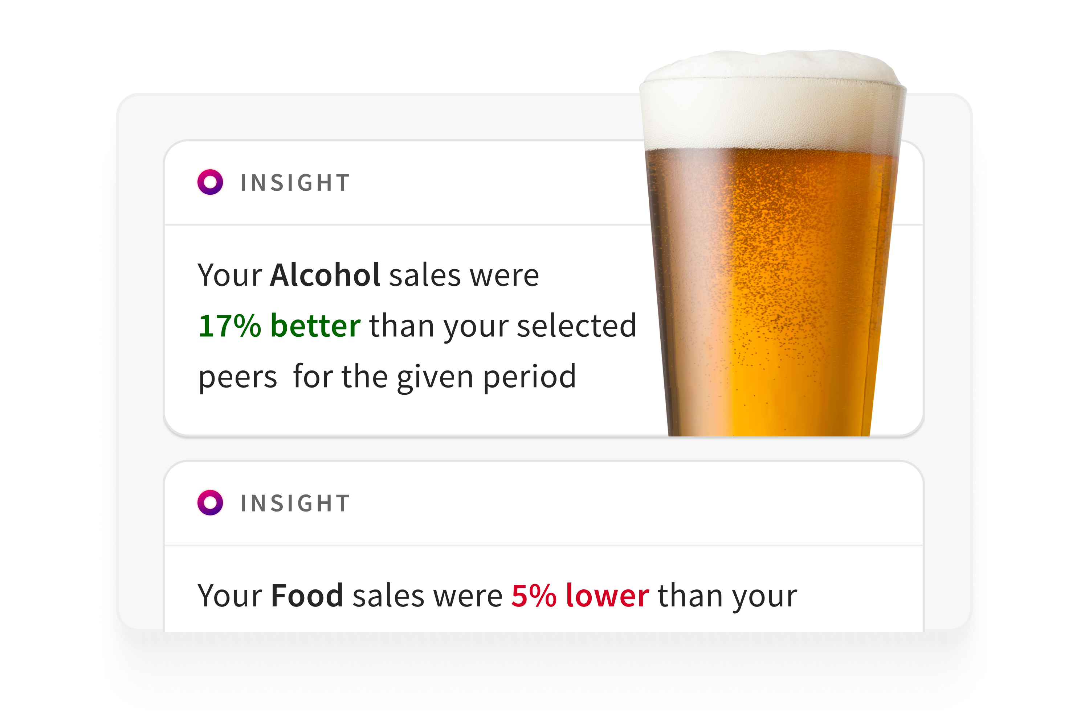

Toast Benchmarking helps you get valuable insights into local market trends, so you can capitalize on trends and plan ahead.
With Toast Benchmarking, you can zoom in to understand sales, volume, and pricing for your entire menu. Get started today to see how items are trending YoY and get ahead of key trends.
Request a demo to see how Toast can help you make informed operational decisions.

v

Get a Demo

