More information
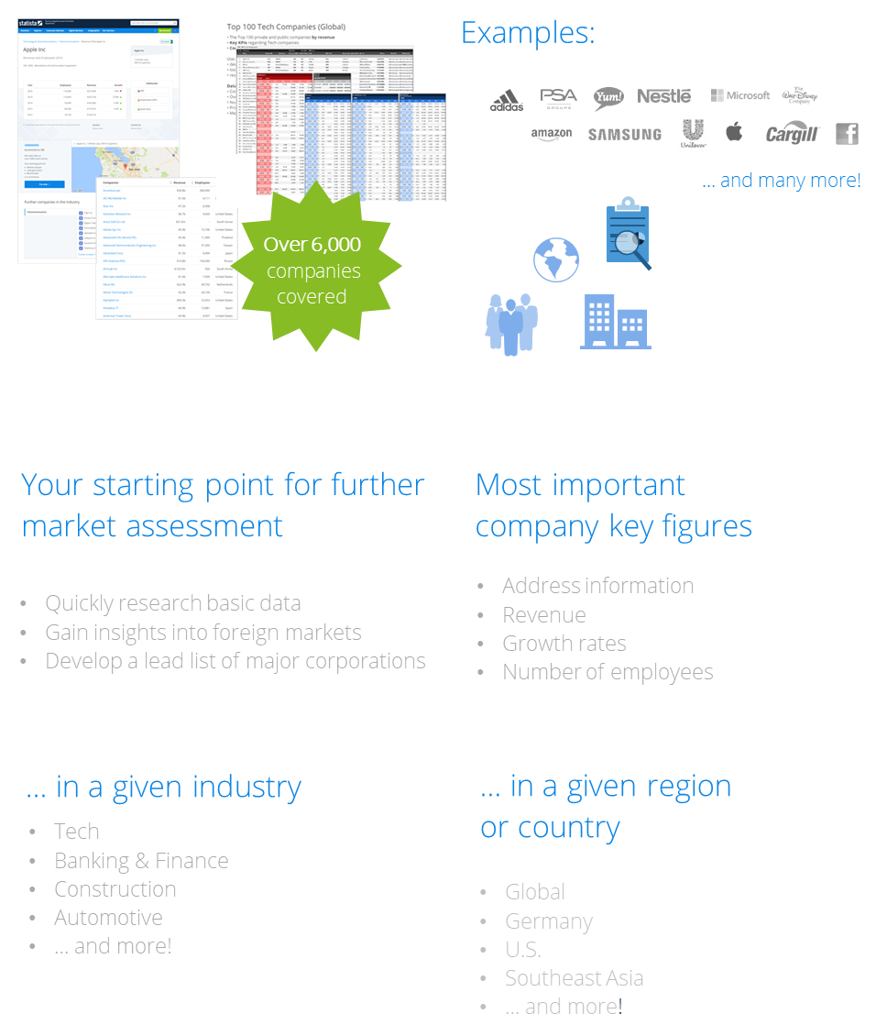
Find more information on top companies worldwide!

Click here to see all Statista Toplists

Click here to visit our Statista Company Database

