Sheet1
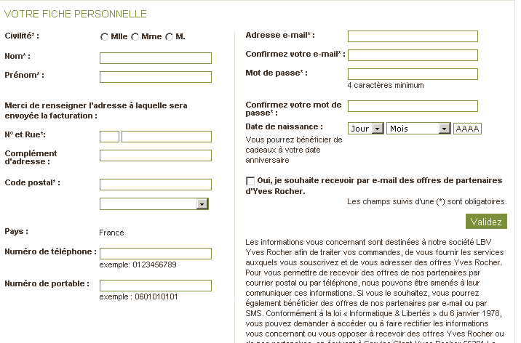
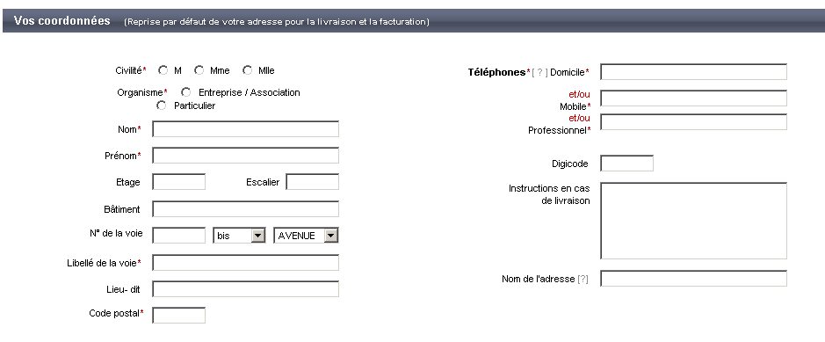
english | french
Title* – Select from the options Mme, Mlle or M | titre
First name* (20 characters) | prenom
Surname* (30 characters) | nom
House/Building number (5 characters) | numero
Street name* (30 characters) | rue
Flat number/Floor/Staircase (5 characters) | numero appt, escalier
Residence/Building/Entrance (30 characters) | batiment
PO Box/Place name (35 characters) | boite postale/lieu dit
Postcode* (5 digits) | code postal
Town/City* (Field length: 35 characters) | ville
Main contact number* (10 digits) | telephone prinicpal
Alternative contact number (10 digits) | Autre telephone

