Mind Maps
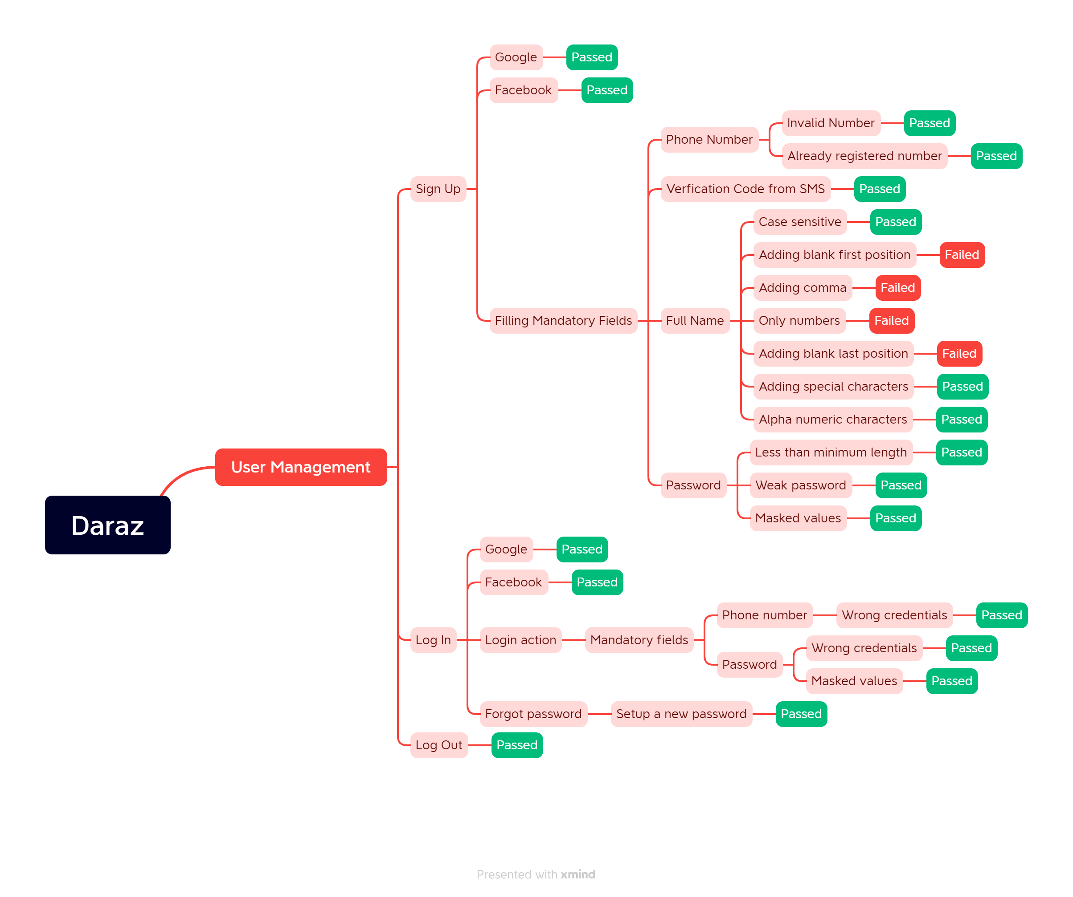
Mindmap for Daraz website testing (Sign up & Log in)

Report
Test Case Report

Test Case Report
Project Name | Daraz
Module Name | Sign Up and Log In |  |  |  |  | Total No. | Status
Test Case Version |  |  |  |  |  | 49 | PASS
Written By | Aditya Kumar Saha |  |  |  |  | 5 | FAIL
Executed By | Aditya Kumar Saha |  |  |  |  | 0 | Not Executed
Reviewed By |  |  |  |  |  | 0 | Out of Scope
TEST EXECUTION REPORT

Test Case | PASS | FAIL | Not Executed | Out Of Scope | Total TC
 | 49 | 5 | 0 | 0 | 54
Grand Total | 49 | 5 | 0 | 0 | 54

