Door
 |  |  |  |  |  | PROJECT NAME | WLA - B13 |  | GENERAL CONTRACTOR |  | Walton Construction inc. |  | DATE OF PREPARATION |  | 06/11/2026
 |  |  |  |  |  | LOCATIONS |  |  | SUBCONTRACTOR |  | KAPTIVE C&P

Identification & Site Logic |  |  |  |  |  | Technical Assessment Matrix |  |  |  |  |  |  |  |  |  |  |  |  |  |  |  |  | Pathology
Photo | Inspection Level | Room Name | Access Status | ID Door | Door Origin | Door Type | Door - Current Status | Door Material | Door - Recommended Action | Door - Notes | Frame - Current Status | Frame - Recommended Action | Frame - Notes | Hinges - Current Status | Hinges - Recommended Action | Transom - Current Status | Transom - Function | Transom - Recommended Action | Transom - Notes | Door handle - Current Status | Door handle - Recommended Action | Automatic closing arm - Current Status | Technical Notes | Evaluation score | Priority
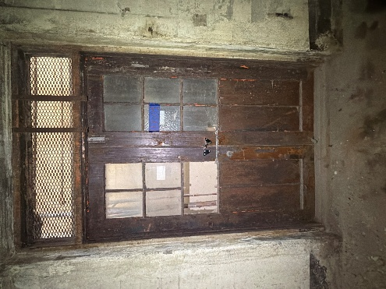 | Basement Level | MECH ROOM AND STORAGE | Accessible | D0001 | Original Door | Double Door | Existing | Metal | Clear/Restore | Tier 2 | Existing | Clear/Restore |  | Existing | Clear/Restore | Existing | Not Operable | Clear/Restore | RFI if we putting glass or staying metal gate | Missing | Repair/Make | None |  | 25 | Priority 2
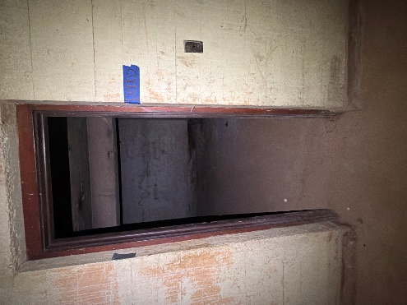 | Basement Level | MECH ROOM AND STORAGE | Accessible | D0002 | Original Door | Single Door | Missing | Wood | Repair/Make | Door missing | Existing | Clear/Restore |  | Missing | Repair/Make | None | Not Operable | None |  | Missing | Repair/Make | None | Door missing | 41 | Priority 4
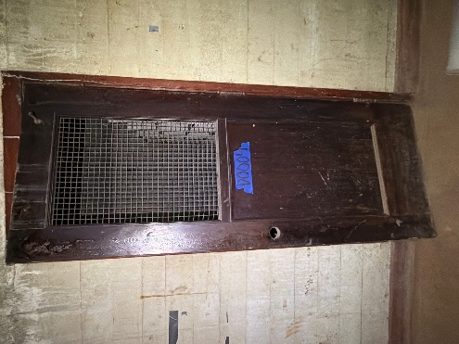 | Basement Level | MECH ROOM AND STORAGE | Accessible | D0004 | Original Door | Single Door | Existing | Wood | Clear/Restore | Tier 3 Best | Existing | Clear/Restore |  | Existing | Clear/Restore | None | Not Operable | None |  | Missing | Repair/Make | None |  | 21 | Priority 2
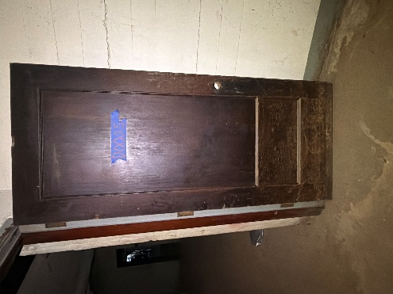 | Basement Level | MECH ROOM AND STORAGE | Accessible | D0005 | Original Door | Single Door | Existing | Wood | Clear/Restore | Tier 3 Best | Existing | Clear/Restore |  | Existing | Clear/Restore | None | Not Operable | None |  | Missing | Repair/Make | None |  | 21 | Priority 2
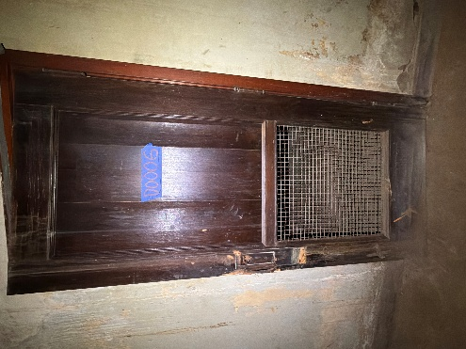 | Basement Level | MECH ROOM AND STORAGE | Accessible | D0006 | Original Door | Single Door | Existing | Wood | Repair/Make | Tier 2 | Missing | Clear/Restore |  | Existing | Clear/Restore | None | Not Operable | None |  | Missing | Repair/Make | None |  | 35 | Priority 3
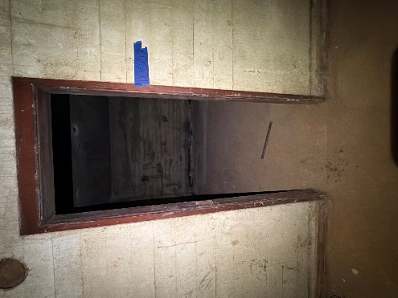 | Basement Level | MECH ROOM AND STORAGE | Accessible | D0007 | Not applicable | Single Door | Missing | RFI closet not marked in the plans | Repair/Make | RFI | Existing | Clear/Restore |  | Missing | Repair/Make | None | Not Operable | None |  | Missing | Repair/Make | None | RFI door frame no door and not in the plans | 41 | Priority 4
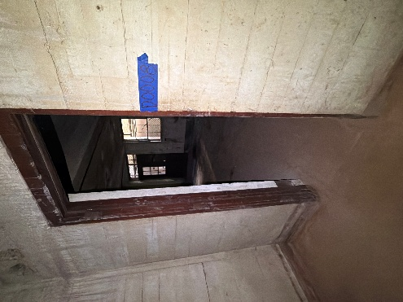 | Basement Level | MECH ROOM AND STORAGE | Accessible | D0008 | Not applicable | Single Door | Missing | Wood | Repair/Make | RFI door not in the plans | Existing | Clear/Restore |  | Missing | Repair/Make | None | Not Operable | None |  | Missing | Repair/Make | None | RFI Door not in the plans | 41 | Priority 4
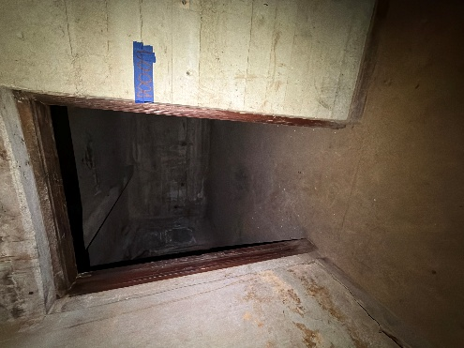 | Basement Level | MECH ROOM AND STORAGE | Accessible | D0009 | Not applicable | Single Door | Missing | Wood | Repair/Make | RFI Door not in the plans | Existing | Clear/Restore |  | Missing | Repair/Make | None | Not Operable | None |  | Missing | Repair/Make | None | RFI Door not in the plans | 41 | Priority 4
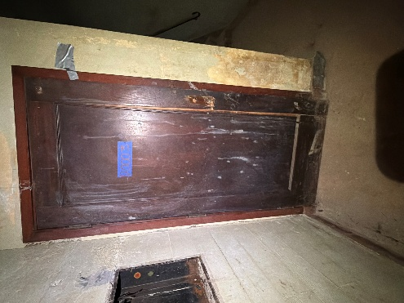 | Basement Level | MECH ROOM AND STORAGE | Accessible | D0003 | Original Door | Single Door | Existing | Wood | Clear/Restore | Tier 2 | Existing | Clear/Restore |  | Existing | Clear/Restore | None | Not Operable | None |  | Missing | Repair/Make | None |  | 21 | Priority 2
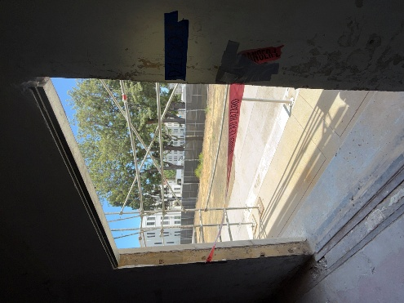 | Level 1 | CANTEEN AND PATRIOT STORE | Accessible | D1001 | New Door | Double Door | Missing | Metal | Repair/Make |  | Missing | Repair/Make |  | Missing | Repair/Make | None | Not Operable | None |  | Missing | Repair/Make | None | New door new everything | 52 | Priority 4
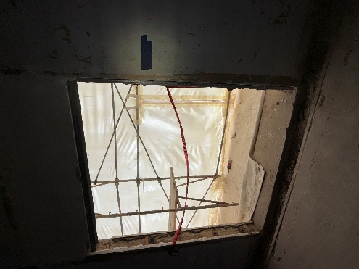 | Level 1 | FITNESS | Accessible | D1002 | New Door | Double Door | Missing | Metal | Repair/Make |  | Missing | Repair/Make |  | Missing | Repair/Make | None | Not Operable | None |  | Missing | Repair/Make | None |  | 52 | Priority 4
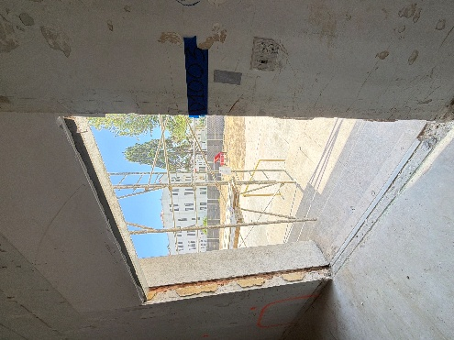 | Level 1 | GRAND HALL | Accessible | D1003 | Original Door | Double Door | Missing | Metal | Repair/Make |  | Missing | Repair/Make |  | Missing | Repair/Make | None | Not Operable | None |  | Missing | Repair/Make | None | New door new everything | 52 | Priority 4
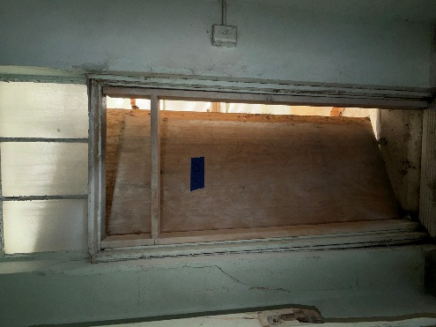 | Level 1 | Other | Accessible | D1006 | New Door | Single Door | Missing | Wood | Repair/Make | Door missing | Existing | Clear/Restore |  | Missing | Repair/Make | Existing | Not Operable | Clear/Restore |  | Missing | Repair/Make | None | Door is missing frame is there | 45 | Priority 4
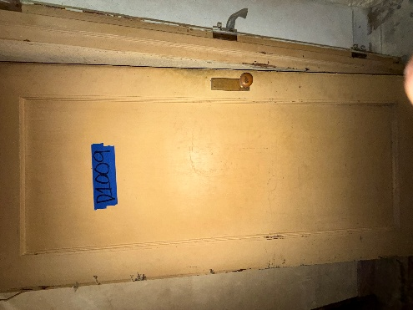 | Level 1 | STORAGE | Accessible | D1009 | Original Door | Single Door | Existing | Wood | Clear/Restore | Tier 2 | Existing | Clear/Restore |  | Missing | Repair/Make | None | Not Operable | None |  | Existing | Clear/Restore | None |  | 18 | Priority 1
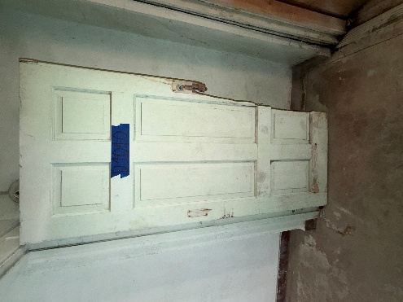 | Level 1 | Other | Accessible | D1010 | Original Door | Single Door | Existing | Wood | Repair/Make |  | Existing | Clear/Restore |  | Existing | Clear/Restore | None | Not Operable | None |  | Missing | Repair/Make | None | New door needed. Door tier 1 | 26 | Priority 2
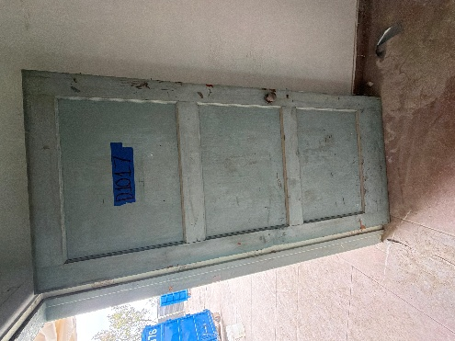 | Level 1 | Other | Accessible | D1017 | Original Door | Single Door | Existing | Wood | Clear/Restore |  | Existing | Clear/Restore |  | Existing | Clear/Restore | None | Not Operable | None |  | Existing | Clear/Restore | None |  | 12 | Priority 1
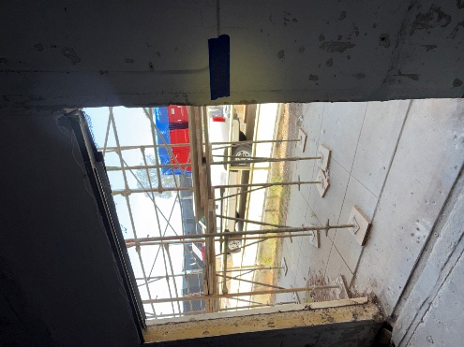 | Level 1 | GROCERY STORE | Accessible | D1052 | New Door | Double Door | Missing | Metal | Repair/Make |  | Existing | Repair/Make |  | Missing | Repair/Make | None | Not Operable | None |  | Missing | Repair/Make | None | New door new everything | 43 | Priority 4
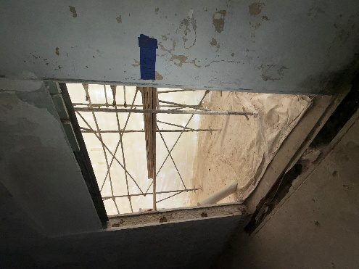 | Level 1 | VA SERVICES | Accessible | D1053 | Original Door | Double Door | Missing | Metal | Repair/Make |  | Missing | Repair/Make |  | Missing | Repair/Make | None | Not Operable | None |  | Missing | Repair/Make | None |  | 52 | Priority 4
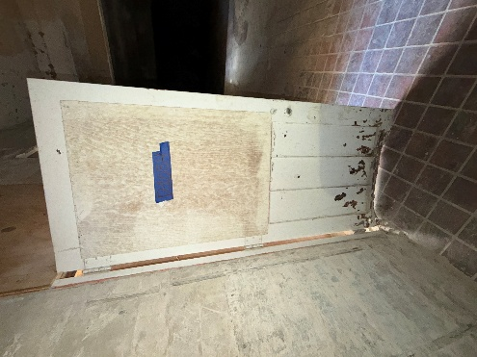 | Level 1 | U.S. VETS FACILITIES AND MAINTENANCE | Accessible | D1054 | Original Door | Single Door | Existing | Metal | Clear/Restore | Tier 2 | Existing | Clear/Restore |  | Existing | Clear/Restore | Existing | Not Operable | Clear/Restore |  | Missing | Repair/Make | None |  | 25 | Priority 2
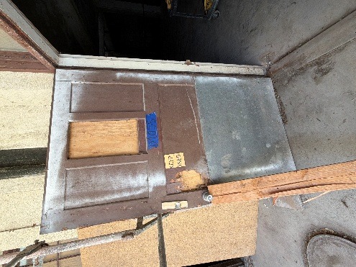 | Level 1 | MECH. RM | Accessible | D1055 | Original Door | Single Door | Existing | Wood | Clear/Restore | Tier 3 | Existing | Clear/Restore |  | Existing | Clear/Restore | Existing | Not Operable | Clear/Restore |  | Existing | Clear/Restore | None |  | 16 | Priority 1
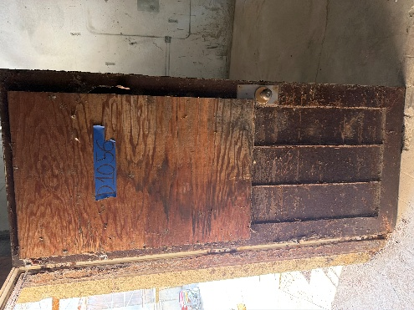 | Level 1 | BIKE REPAIR AND STORAGE | Accessible | D1056 | Original Door | Single Door | Existing | Metal | Clear/Restore | Door tier 2 | Existing | Clear/Restore |  | Missing | Repair/Make | Existing | Not Operable | Clear/Restore |  | Existing | Clear/Restore | None |  | 22 | Priority 2
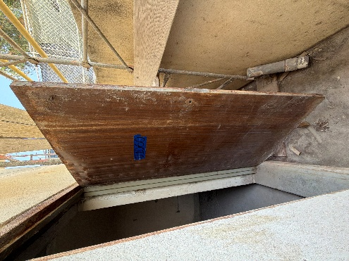 | Level 1 | MECH. RM | Accessible | D1060 | Original Door | Single Door | Existing | Metal | Repair/Make | Tier 1 | Existing | Clear/Restore |  | Existing | Clear/Restore | None | Not Operable | None |  | Missing | Repair/Make | None | Door is hallow | 26 | Priority 2
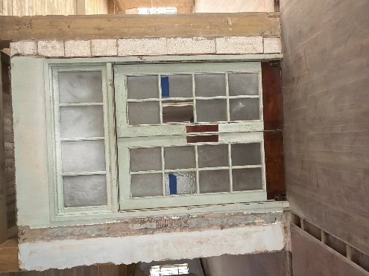 | Level 2 | 1 BEDROOM | Accessible | D2013 | Original Door | Double Door | Existing | Wood | Clear/Restore | Tier 2 | Existing | Clear/Restore |  | Existing | Clear/Restore | Existing | Not Operable | Clear/Restore |  | Missing | Repair/Make | None | RFI door entrance to two different bed rooms | 25 | Priority 2
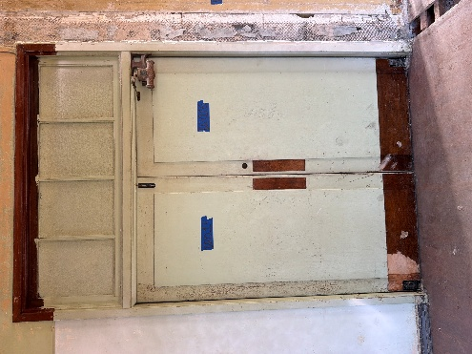 | Level 2 | 1 BEDROOM | Accessible | D2014 | Original Door | Double Door | Existing | Wood | Clear/Restore | Tier 2 | Existing | Clear/Restore |  | Existing | Clear/Restore | Existing | Not Operable | Clear/Restore |  | Missing | Repair/Make | None | RFI entrance to two different bedrooms | 25 | Priority 2
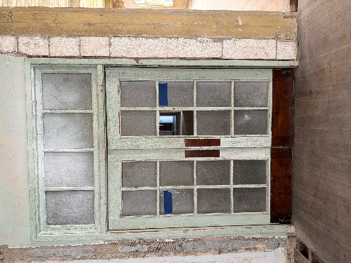 | Level 2 | 1 BEDROOM | Accessible | D2015 | Original Door | Double Door | Existing | Wood | Clear/Restore | Tier 2 | Existing | Clear/Restore |  | Existing | Clear/Restore | Existing | Not Operable | Clear/Restore |  | Missing | Repair/Make | None | RFI entrance to two different bedrooms | 25 | Priority 2
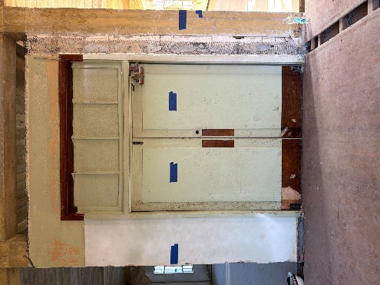 | Level 2 | 1 BEDROOM | Accessible | D2016 | Original Door | Double Door | Existing | Wood | Clear/Restore | Tier 2 | Existing | Clear/Restore |  | Existing | Clear/Restore | Existing | Not Operable | Clear/Restore |  | Missing | Repair/Make | Keep | RFI entrance to two different bedrooms | 27 | Priority 2
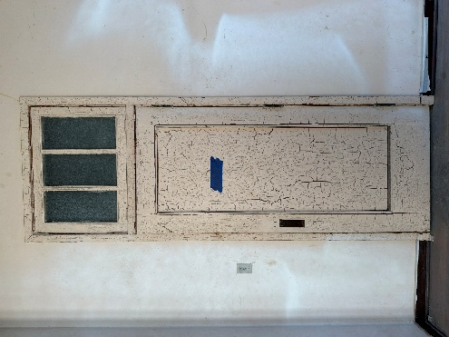 | Level 2 | 1 BEDROOM | Accessible | D2027 | Original Door | Single Door | Existing | Wood | Clear/Restore | Tier 2 | Existing | Clear/Restore |  | Existing | Clear/Restore | Existing | Operable | Clear/Restore | Paint shit | Missing | Repair/Make | None |  | 29 | Priority 2
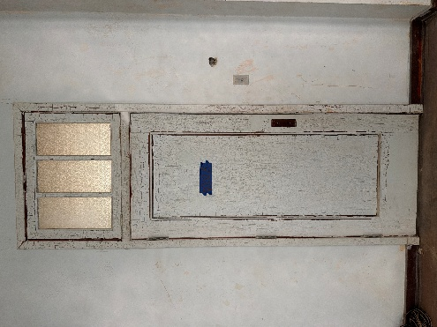 | Level 2 | 1 BEDROOM | Accessible | D2028 | Original Door | Single Door | Existing | Wood | Clear/Restore | Tier 3 | Existing | Clear/Restore |  | Existing | Clear/Restore | Existing | Operable | Clear/Restore | Paint shut | Missing | Repair/Make | None |  | 29 | Priority 2
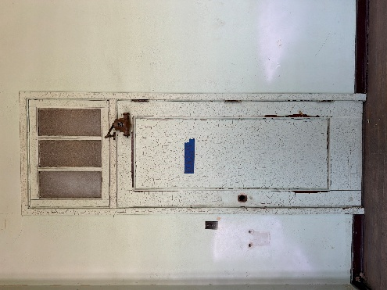 | Level 2 | 1 BEDROOM | Accessible | D2029 | Original Door | Single Door | Existing | Wood | Clear/Restore | Tier2 | Existing | Clear/Restore |  | Existing | Clear/Restore | Existing | Operable | Clear/Restore | Paint shut | Missing | Repair/Make | Keep |  | 31 | Priority 3
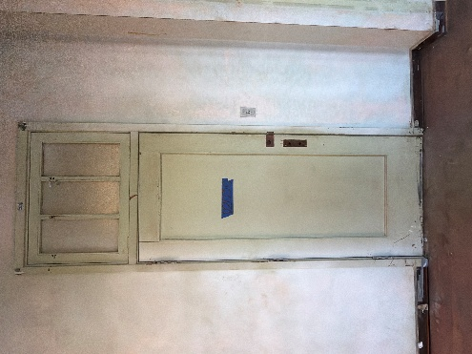 | Level 2 | 1 BEDROOM | Accessible | D2030 | Original Door | Single Door | Existing | Wood | Clear/Restore | Tier 3 | Existing | Clear/Restore |  | Existing | Clear/Restore | Existing | Operable | Clear/Restore | Paint shut | Missing | Repair/Make | None |  | 29 | Priority 2
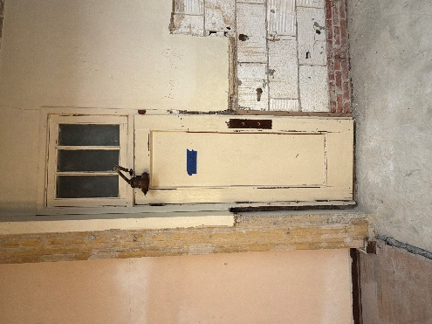 | Level 2 | COMMUNITY LOUNGE | Accessible | D2031 | Original Door | Single Door | Existing | Wood | Clear/Restore | Tier 2 | Existing | Clear/Restore |  | Existing | Clear/Restore | Existing | Operable | Clear/Restore | Paint shut | Missing | Repair/Make | Keep |  | 31 | Priority 3
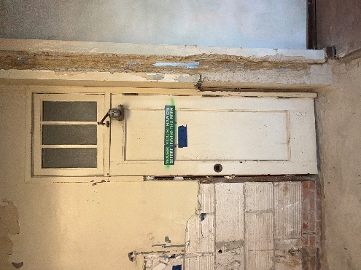 | Level 2 | COMMUNITY LOUNGE | Accessible | D2032 | Original Door | Single Door | Existing | Wood | Clear/Restore | Tier 2 | Existing | Repair/Make |  | Existing | Clear/Restore | Existing | Operable | Clear/Restore | Paint shut | Missing | Repair/Make | Keep |  | 33 | Priority 3
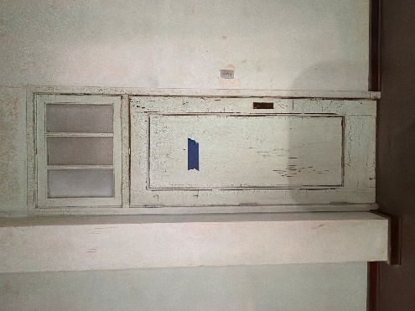 | Level 2 | STUDIO | Accessible | D2037 | Original Door | Single Door | Existing | Wood | Clear/Restore | Tier 3 | Existing | Clear/Restore |  | Existing | Clear/Restore | Existing | Operable | Clear/Restore | Paint shut | Missing | Repair/Make | None |  | 29 | Priority 2
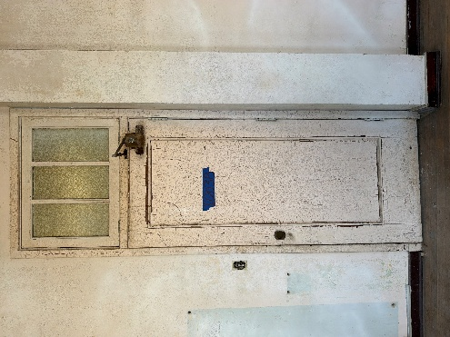 | Level 2 | STUDIO | Accessible | D2038 | Original Door | Single Door | Existing | Wood | Clear/Restore | Tier2 | Existing | Clear/Restore |  | Existing | Clear/Restore | Existing | Operable | Clear/Restore | Paint shut | Existing | Repair/Make | Keep |  | 27 | Priority 2
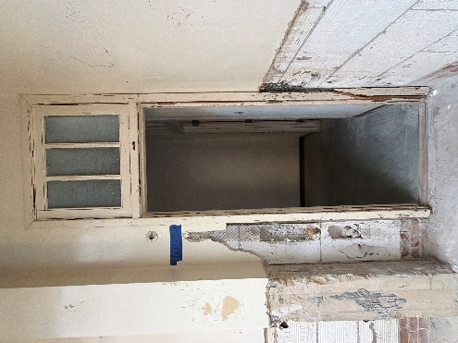 | Level 2 | ELEC. | Accessible | D2039 | New Door | Single Door | Missing | Wood | Repair/Make |  | Existing | Repair/Make |  | Missing | Repair/Make | Existing | Operable | Clear/Restore | Paint shut | Missing | Repair/Make | None | New Door New Everything | 51 | Priority 4
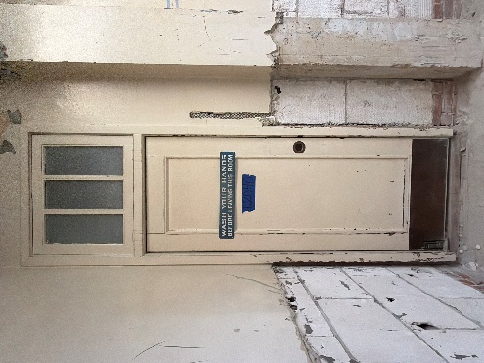 | Level 2 | ELEC. | Accessible | D2040 | Original Door | Single Door | Existing | Wood | Clear/Restore | Tier 2 | Existing | Repair/Make |  | Existing | Clear/Restore | Existing | Operable | Clear/Restore | Paint shut | Missing | Repair/Make | Keep |  | 33 | Priority 3
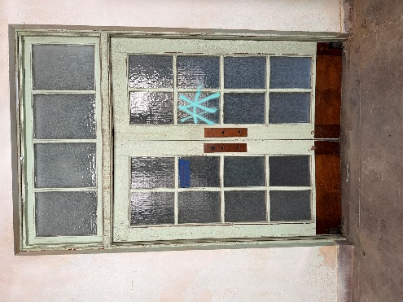 | Level 2 | HALLWAY | Accessible | D2043 | Original Door | Double Door | Existing | Wood | Clear/Restore | Tier 3 | Existing | Clear/Restore |  | Existing | Clear/Restore | Existing | Not Operable | Clear/Restore |  | Missing | Repair/Make | None |  | 25 | Priority 2
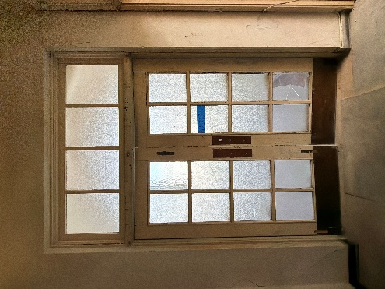 | Level 2 | HALLWAY | Accessible | D2044 | Original Door | Double Door | Existing | Wood | Clear/Restore | Tier2 | Existing | Clear/Restore |  | Existing | Clear/Restore | Existing | Not Operable | Clear/Restore |  | Missing | Repair/Make | None |  | 25 | Priority 2
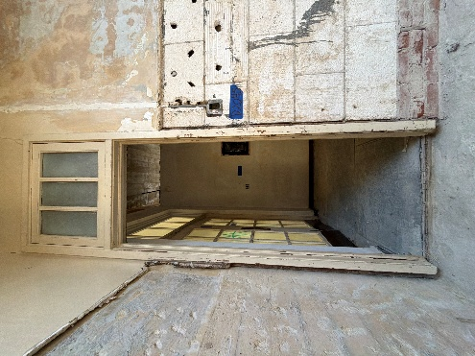 | Level 2 | 1 BEDROOM + DEN | Accessible | D2045 | New Door | Single Door | Missing | Wood | Repair/Make |  | Existing | Clear/Restore |  | Missing | Repair/Make | Existing | Operable | Clear/Restore | Paint shut | Missing | Repair/Make | None |  | 49 | Priority 4
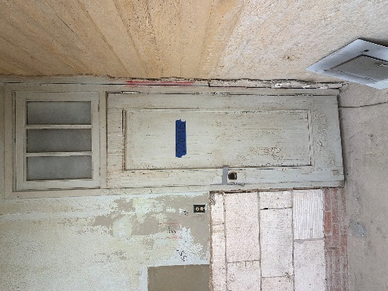 | Level 2 | 1 BEDROOM + DEN | Accessible | D2046 | Original Door | Single Door | Existing | Wood | Clear/Restore | Tier2 | Existing | Repair/Make |  | Existing | Clear/Restore | Existing | Operable | Clear/Restore | Paint shut | Missing | Repair/Make | None |  | 31 | Priority 3
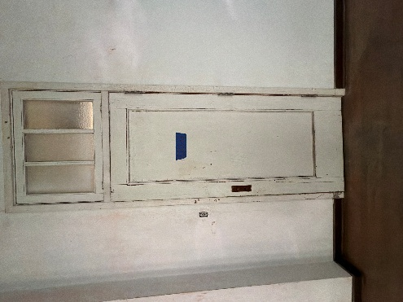 | Level 2 | 1 BEDROOM | Accessible | D2051 | Original Door | Single Door | Existing | Wood | Clear/Restore | Tier 3 | Existing | Clear/Restore |  | Existing | Clear/Restore | Existing | Operable | Clear/Restore | Paint shut | Missing | Repair/Make | None |  | 29 | Priority 2
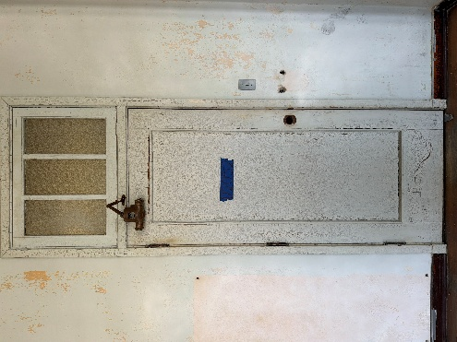 | Level 2 | 1 BEDROOM | Accessible | D2052 | Original Door | Single Door | Existing | Wood | Clear/Restore | Tier1 | Existing | Clear/Restore |  | Existing | Clear/Restore | Existing | Operable | Clear/Restore | Paint shut | Missing | Repair/Make | Keep |  | 31 | Priority 3
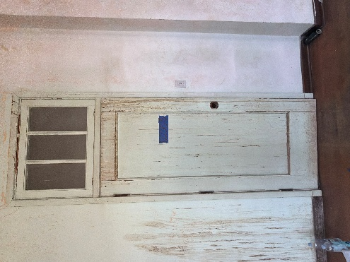 | Level 2 | 1 BEDROOM | Accessible | D2065 | New Door | Single Door | Existing | Wood | Clear/Restore | Tier2 | Existing | Clear/Restore |  | Existing | Repair/Make | Existing | Operable | Clear/Restore | Paint shut | Missing | Repair/Make | None |  | 31 | Priority 3
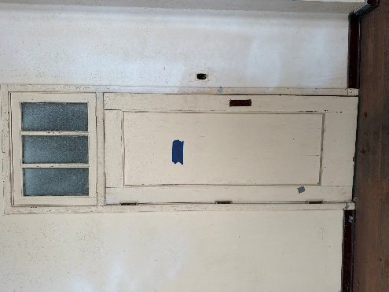 | Level 2 | 1 BEDROOM | Accessible | D2066 | Original Door | Single Door | Existing | Wood | Clear/Restore | Tier 2 | Existing | Clear/Restore |  | Existing | Clear/Restore | Existing | Operable | Clear/Restore | Paint shut | Missing | Repair/Make | None |  | 29 | Priority 2
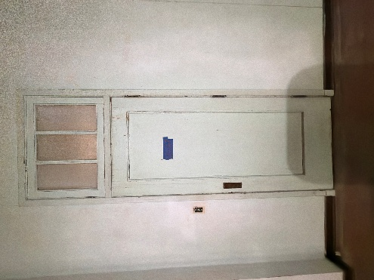 | Level 2 | 1 BEDROOM | Accessible | D2067 | Original Door | Single Door | Existing | Wood | Clear/Restore | Tier 3 Best | Existing | Clear/Restore |  | Existing | Clear/Restore | Existing | Operable | Clear/Restore | Paint shut | Missing | Repair/Make | None |  | 29 | Priority 2
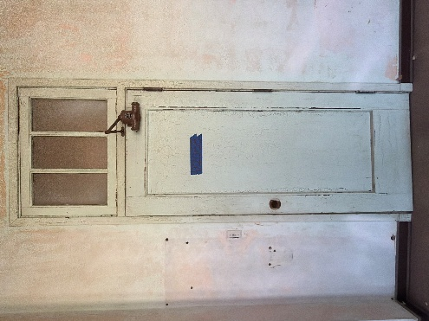 | Level 2 | 1 BEDROOM | Accessible | D2068 | Original Door | Single Door | Existing | Wood | Clear/Restore | Tier2 | Existing | Clear/Restore |  | Existing | Clear/Restore | Existing | Operable | Clear/Restore | Paint shut | Missing | Repair/Make | Keep |  | 31 | Priority 3
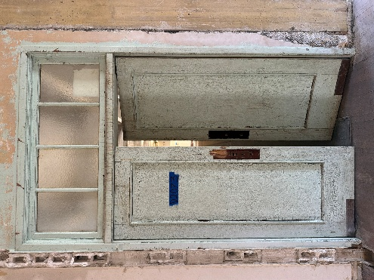 | Level 2 | 2 BEDROOM | Accessible | D2073 | Original Door | Double Door | Existing | Wood | Clear/Restore | Tier2 | Existing | Clear/Restore |  | Existing | Repair/Make | Existing | Not Operable | Clear/Restore | Glass broken | Missing | Repair/Make | None |  | 27 | Priority 2
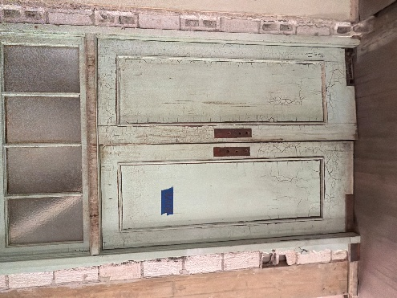 | Level 2 | 2 BEDROOM | Accessible | D2078 | Original Door | Double Door | Existing | Wood | Clear/Restore | Tier 2 | Existing | Clear/Restore |  | Existing | Clear/Restore | Existing | Not Operable | Clear/Restore |  | Missing | Repair/Make | None |  | 25 | Priority 2
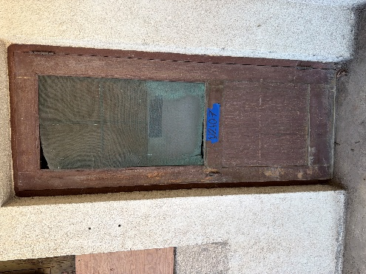 | Level 2 | SEATING AREA | Accessible | D2107_1 | Original Door | Single Door | Existing | Wood | Clear/Restore | Tier 2 | Existing | Clear/Restore |  | Existing | Clear/Restore | None | Not Operable | None |  | Existing | Clear/Restore | None | Screen door | 12 | Priority 1
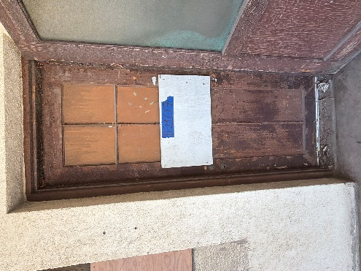 | Level 2 | SEATING AREA | Accessible | D2107_2 | Original Door | Single Door | Existing | Metal | Clear/Restore | Tier 2 | Existing | Clear/Restore |  | Existing | Clear/Restore | None | Not Operable | None |  | Missing | Repair/Make | None |  | 21 | Priority 2
 | Level 2 | OFFICE | Accessible | D2108 | Original Door | Single Door | Existing | Metal | Clear/Restore | Tier 2 | Existing | Clear/Restore |  | Existing | Clear/Restore | None | Not Operable | None |  | Existing | Repair/Make | None | 1 broken glass. Missing one handle | 17 | Priority 1
 | Level 2 | 1 BEDROOM | Accessible | D2119 | Not applicable | Transom | Existing | Other | Clear/Restore | Transom | Existing | Clear/Restore |  | Existing | Clear/Restore | Existing | Operable | Clear/Restore | Paint shut | Existing | Repair/Make |  |  | 25 | Priority 2
 | Level 2 | 1 BEDROOM | Accessible | D2109 | Not applicable | Transom | Missing | Other | Repair/Make | Transom | Existing | Clear/Restore |  | Existing | Clear/Restore | Existing | Operable | Clear/Restore | Paint shut | Missing | Repair/Make |  | Transom Glass | 43 | Priority 4
 | Level 2 | 1 BEDROOM | Accessible | D2110 | Not applicable | Transom | Existing | Other | Clear/Restore | Transom | Existing | Clear/Restore |  | Existing | Repair/Make | Existing | Operable | Clear/Restore | Paint shut | Existing | Repair/Make |  | Transom Window | 27 | Priority 2
 | Level 2 | 1 BEDROOM | Accessible | D2111 | Not applicable | Transom | Existing | Other | Clear/Restore | Transom | Existing | Clear/Restore |  | Existing | Clear/Restore | Existing | Operable | Clear/Restore | Paint shut | Missing | Clear/Restore |  | Transom | 24 | Priority 2
 | Level 2 | 1 BEDROOM | Accessible | D2112 | Not applicable | Transom | Missing | Other | Clear/Restore | Transom | Existing | Repair/Make |  | Missing | Clear/Restore | Existing | Operable | Clear/Restore | Paint shut | Existing | Clear/Restore |  |  | 35 | Priority 3
 | Level 2 | 1 BEDROOM | Accessible | D2113 | Not applicable | Transom | Existing | Other | Repair/Make | Transom | Missing | Repair/Make |  | Existing | Clear/Restore | Existing | Operable | Clear/Restore |  | Missing | Clear/Restore |  |  | 40 | Priority 3
 | Level 2 | 1 BEDROOM | Accessible | D2114 | Not applicable | Transom | Existing | Other | Clear/Restore | Transom | Existing | Repair/Make |  | Existing | Clear/Restore | Existing | Operable | Clear/Restore | Paint shut | Existing | Repair/Make |  |  | 27 | Priority 2
 | Level 2 | 1 BEDROOM | Accessible | D2115 | Not applicable | Transom | Missing | Other | Repair/Make | Transom | Existing | Clear/Restore |  | Existing | Clear/Restore | Existing | Operable | Clear/Restore | Paint shut | Existing | Clear/Restore |  |  | 34 | Priority 3
 | Level 2 | 1 BEDROOM | Accessible | D2116 | Not applicable | Transom | Existing | Other | Clear/Restore | Transom | Existing | Clear/Restore |  | Existing | Clear/Restore | Existing | Operable | Clear/Restore | Paint shut | Existing | Clear/Restore |  |  | 20 | Priority 2
 | Level 2 | 1 BEDROOM | Accessible | D2117 | Not applicable | Transom | Existing | Other | Clear/Restore | Transom | Existing | Clear/Restore |  | Existing | Clear/Restore | Existing | Operable | Clear/Restore | Paint shut | Existing | Clear/Restore |  |  | 20 | Priority 2
 | Level 2 | 1 BEDROOM | Accessible | D2118 | Not applicable | Transom | Existing | Other | Clear/Restore | Transom | Existing | Clear/Restore |  | Existing | Clear/Restore | Existing | Operable | Clear/Restore | Paint shut | Existing | Clear/Restore |  |  | 20 | Priority 2
 | Level 2 | 1 BEDROOM | Accessible | D2120 | Not applicable | Transom | Existing | Other | Clear/Restore | Transom | Existing | Clear/Restore |  | Existing | Clear/Restore | Existing | Operable | Clear/Restore | Paint shut. Broken glass | Existing | Clear/Restore |  |  | 20 | Priority 2
 | Level 2 | 1 BEDROOM | Accessible | D2121 | Not applicable | Transom | Existing | Other | Clear/Restore | Transom | Existing | Clear/Restore |  | Existing | Clear/Restore | Existing | Operable | Clear/Restore | Paint shut | Existing | Clear/Restore |  |  | 20 | Priority 2
 | Level 2 | 1 BEDROOM | Accessible | D2122 | Not applicable | Transom | Existing | Other | Clear/Restore | Transom | Existing | Clear/Restore |  | Existing | Clear/Restore | Existing | Operable | Clear/Restore | Paint shut | Existing | Clear/Restore |  |  | 20 | Priority 2
 | Level 2 | 1 BEDROOM | Accessible | D2123 | Not applicable | Transom | Existing | Other | Clear/Restore | Transom | Existing | Clear/Restore |  | Existing | Clear/Restore | Existing | Operable | Clear/Restore |  | Existing | Clear/Restore |  |  | 20 | Priority 2
 | Level 2 | 1 BEDROOM | Accessible | D2124 | Not applicable | Transom | Existing | Other | Clear/Restore | Transom | Existing | Clear/Restore |  | Existing | Clear/Restore | Existing | Operable | Clear/Restore |  | Existing | Clear/Restore |  |  | 20 | Priority 2

