Sheet1
This is a category. A category has items.
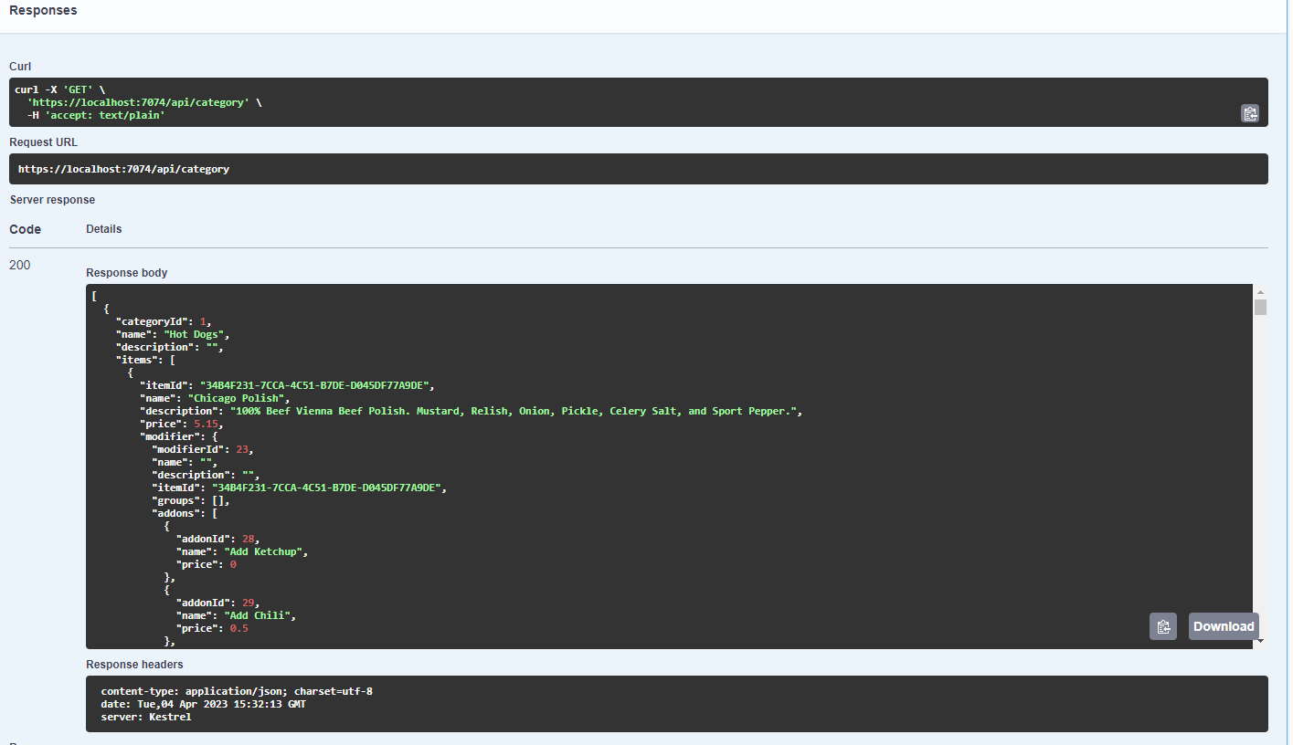
API request calls this to get every category. We want to display each category and its items.
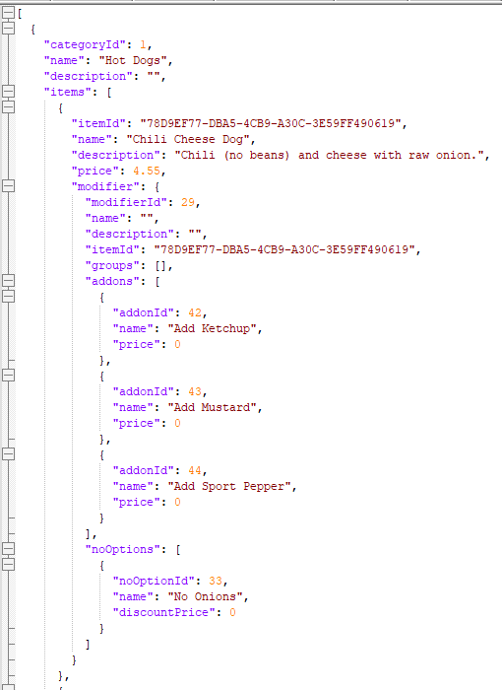

This is the response. A collection of categories, each of which has a collection of items.

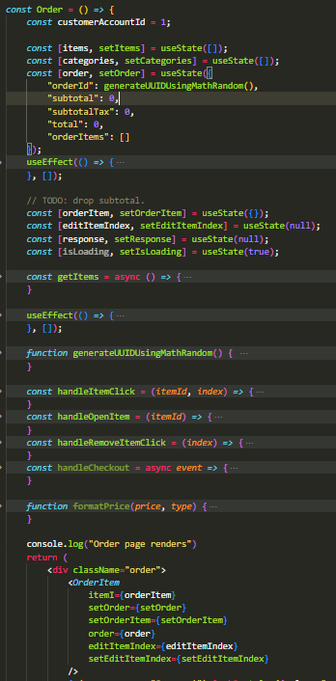
Notice the initial state is defined here for items, and is set to an empty collection.
This calls /api/category. Found above ^^. After a successful response (response code 200), it will go through each category in the response, and set item state to a list of every item.
IMPORTANT NOTE: we will set categories AND items. This is important

This is the order component, which loads the /salerno/order page.

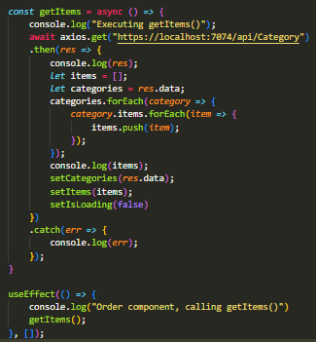

useEffect (a react hook that runs after each render. The empy [] means only run once. If we add a state object inside, useEffect will execute every time that that state object changes. Since this useEffect is executing an api call, we only care about calling it once. Once we have the categories and their items, we can save it and no longer have to strain the server with api calls.

Order component continued => Every category is mapped. This cycles through the collection of categories. We will name the target currently mapped single category from the list as "category". This single category item is a full item, with attributes such as name, modifier, price, etc.

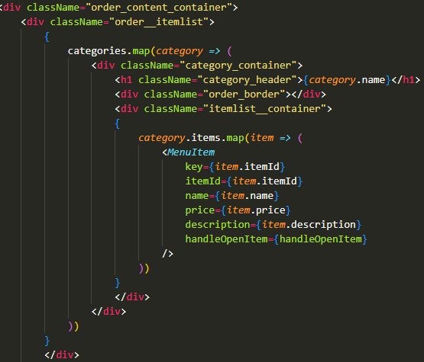
Here, we are checking if the current state =>orderItem is the item that was clicked. If it was clicked, then that means we should remove it, since it was already set. This means we are essentially calling a handleCloseItem, but this all occurs in a single function.
We must pass the handleOpenItem to the MenuItem component because handleOpenItem() will MODIFY the state that is stored back inside ORDER.

Now that we are iterating through each category, we then want to iterate through that single categories items.

For each item, we call <MenuItem />.
We pass it all item data. ID, Name, Descriotion, and we also pass a function to handle when the MenuItem is clicked.

Everything with set(whatever name) is updating the state of that variable.

Essentially the same as what raquel made, This menu item is called n times, were n is the number of items... Everything passed here is in props.
Now, inside <Order />, at the very beginning is the OrderItem component. That is this=>
When orderItem is defined, i.e. a menu item has been clicked and handleOpenItem is called, this <OrderItem /> component will render. It is set to return nothing if orderItem is undefined

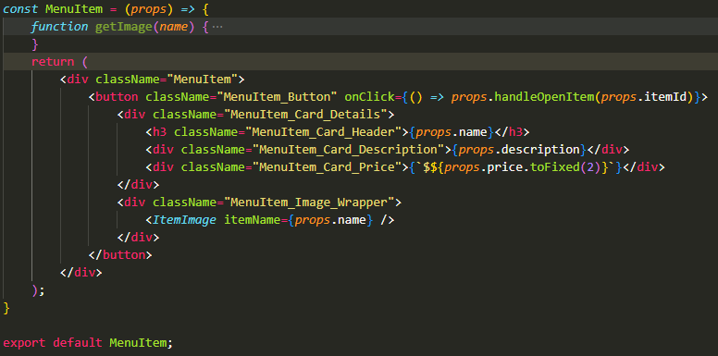

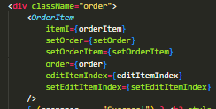

Note that, if orderItem is undefined, it will return an empty element. This means that <OrderItem /> always exists on <Order /> page, but it is not shown unless the orderItem state contains an item from when <MenuItem /> is clicked.

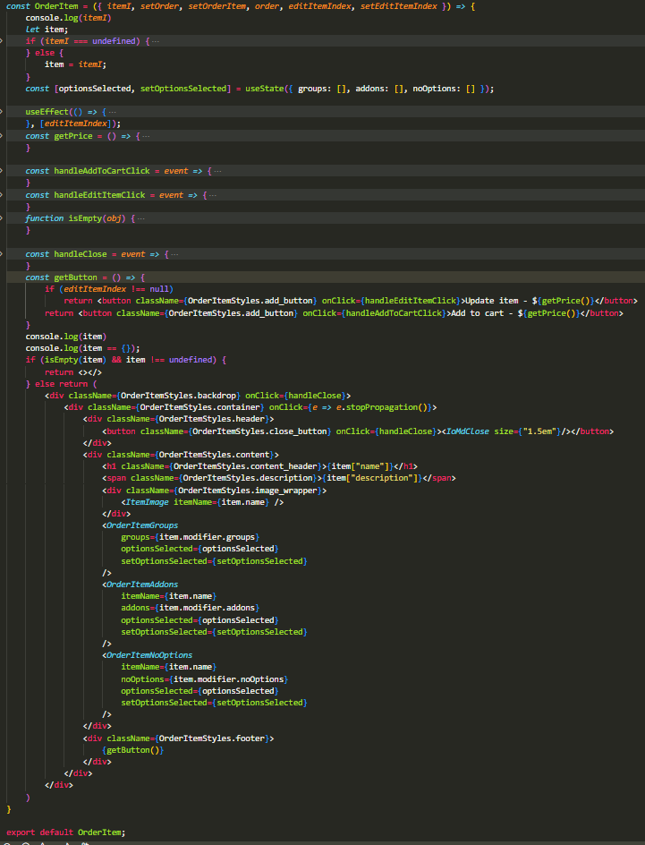

Remember, this is the orderItem structure. It is what we got from the server.

Because a single item has addons, noOptions, and groups, we must iterate through these and show them. Here, we have broken it down into components.

This function is simple. If the Addon has no price, it wont show a price. We dont want everything with no price to show $0.00, that is just ugly.

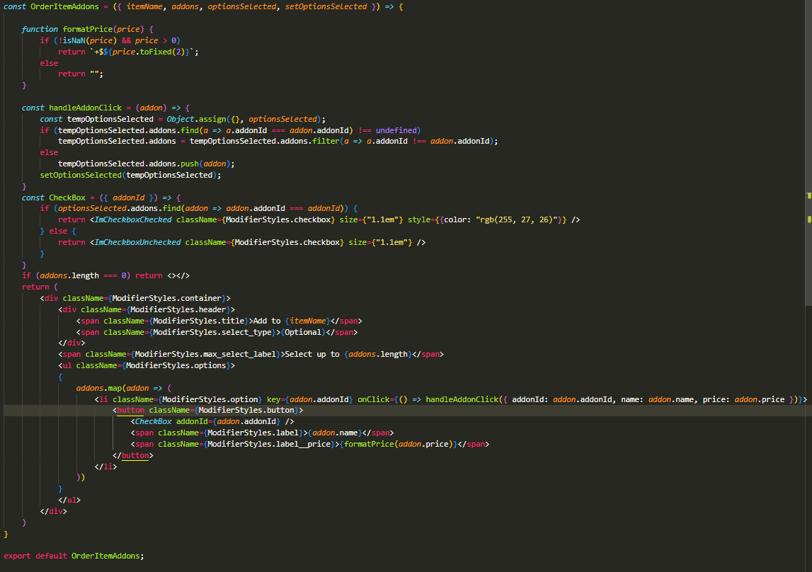
Options selected has initial state of { groups: [], addons: [], noOptions: []}. This will store what the user has selected. It is important to keep everything in the state. This is because React will render on every state change. So we need to remember what was previously selected or deselected. It will be passed to the components

We pass the state AND the setState because we want to click elements on this component, AND update the state.

So, when an addon element is clicked, it checks whether the addon option is currently selected (exists in the optionsSelected). If it does exist, then it decides to remove the option. Otherwise, it adds it. Remember, the optionsSelected contains three variables: groups, addons, noOptions.
NOTE: the optionsSelected state MUST be stored in the parent component, because this state must be passed to 3 components that share a state.

Important note!!!=> state should not be updated with previous state if the item is a collection of objects. You can do it if its a single object=> setState(prev=> [...prev, newObject]). But that is not the case here.
This is why we copy the state object to a temporary variable, then change it, then update the state.

If there are no addons, we dont want to return an empty element container, so just return nothing.

<Checkbox /> is important. We cannot use traditional <input type="checkbox".../> Because its ugly. This is how we will make our own checkbox input that looks better. We will use react-icons. <ImCheckboxChecked /> is a react icon imported.
This component checks if the prop addonId is inside the optionsSelected. If it is, return the react-icon that looks like a checked box. Otherwise, return empty box.

This is a quick but ugly way to pass the object. But it works. When the list element is clicked, pass the addon object. If we just pass addon object, it will pass an Object object, but we want to pass the actual addon properties.

We do this for each modifier, which have their own respective components...
Here, iterate through each addon. Return a <li> element for each addon. Inside this list element, we include a button, which will have a label: the name, price, and current checkbox state.

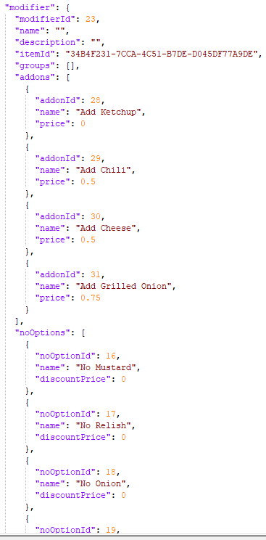

Lets go back to the <OrderItem /> component.
For our item modifiers setup, a group MUST be selected, and only ONE group option per group can be selected.

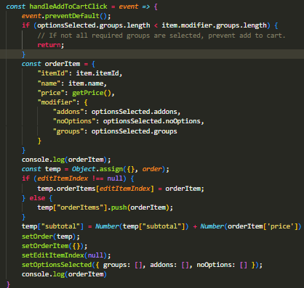

Ok, so we want to add whatever orderItem was clicked. So lets create an empty order item, because it might have no addons selected etc.

getPrice() calculates the price of the item AND its modifiers currently selected. That is why we cannot just use the item.price property.

As before, we copy the order state. And then edit it to add the new item.

editItemIndex is necessary because the user can update an item that they have added to their cart. So, if it is not null, then update the existing item, (which wouldnt change its position in the list of order items shown to customer).

Otherwise, lets add the new orderitem.

Were done with the OrderItem. We now want to close the popup window. So we will set orderItem empty, set editItemIndex to null, and clear the optionsSelected. Note, if we didnt clear optionsSelected, then reopening a new menu item with the same id would show what the user previously selected. But we dont want that, unless! they are editing an item.

Note, this is the common close window function we will use. Because components are set to show only when their respective state is set to true, we want to reset everything to close the item. This updates the state objects, which will cause a rerender.

This simply displays all of the orderitems in the order. It takes the entire order, and then iterates through each orderitem.
handleItemClick is what allows us to edit an existing item. Because we pass index, we know what item in the order's orderItems to update.

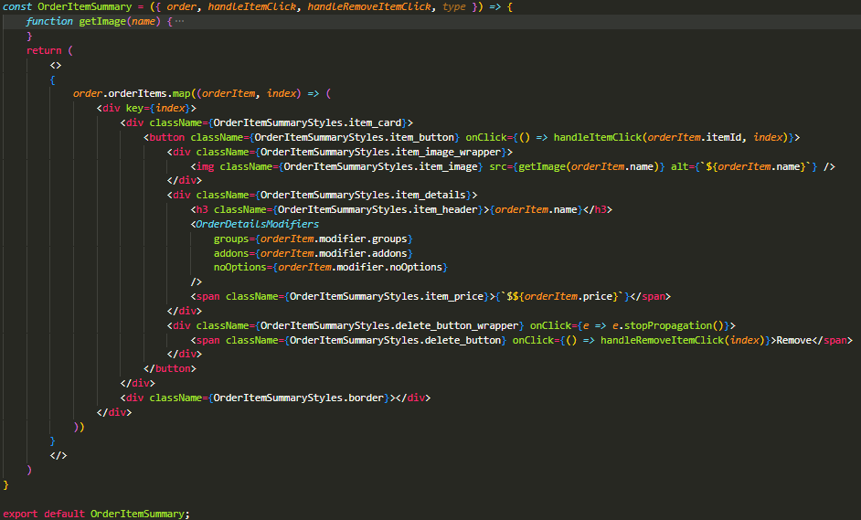

Special note, onClick{e => e.stopPropogation()} is for click events. You want to use this to prevent clicking through the element, which is necessary when the parent element ALSO contains a onClick event..

Similar here, we pass index to remove the item at this index.

